Dashboard
 Sales Dashboard

Sales By Region
 | Region | Total Amount
 | North | $649,085.53
 | South | $635,213.10
 | East | $621,274.24
 | West | $270,676.41
 | Grand Total | $2,176,249.27

Top 5 States with Sales
 | States | Total Amount
 | Florida | $60,406.68
 | Kansas | $60,723.02
 | New Hampshire | $69,579.93
 | New Jersey | $65,274.96
 | Vermont | $61,732.84
 | Grand Total | $317,717.42

Sales By Category
 | Product Category | Total Amount
 | Beauty | $322,610.13
 | Clothing | $380,119.68
 | Electronics | $504,311.35
 | Home | $427,295.80
 | Sports | $541,912.31
 | Grand Total | $2,176,249.27

Solution
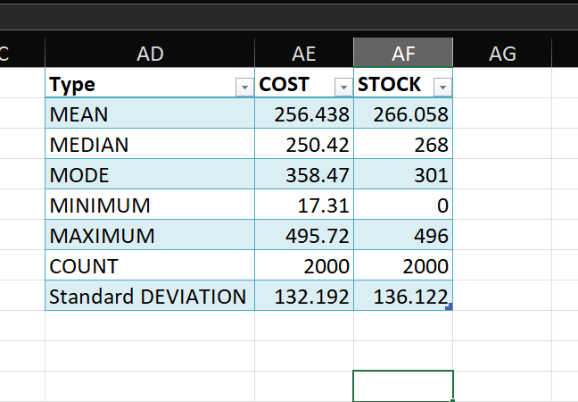
1) | Data entry, import, and basic organization using tables
 |  | Applying table styles
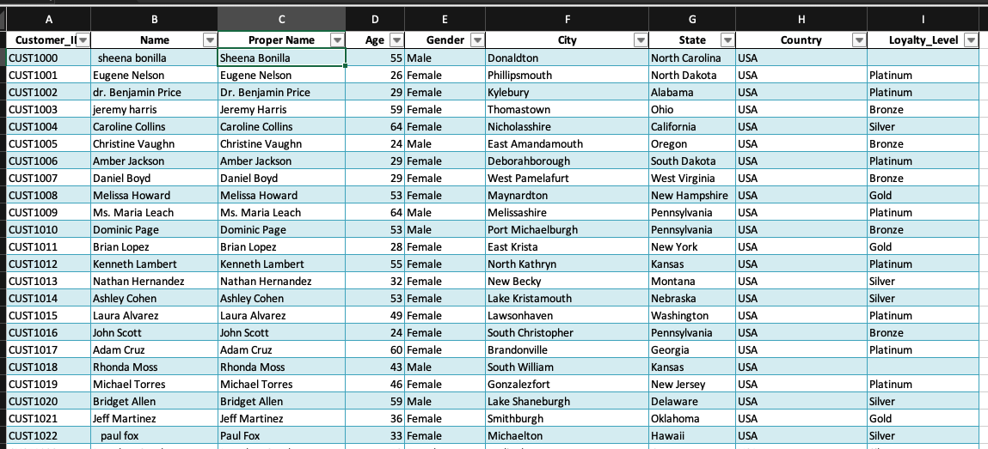

2) | Data cleaning: find/remove duplicates, handle missing/inconsistent data, correct formatting errors, and validate data

 |  | Cleaning up data - Cleaning up Name column in Customer_Dim table using TRIM method
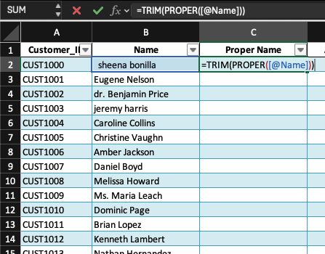

 |  | Finding blank cells in and adding Bronze value as the defalt value to the missing cells

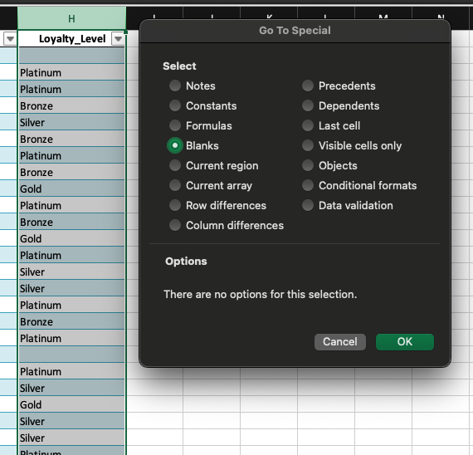

 |  | Finding and replacing United States of America with USA in country column

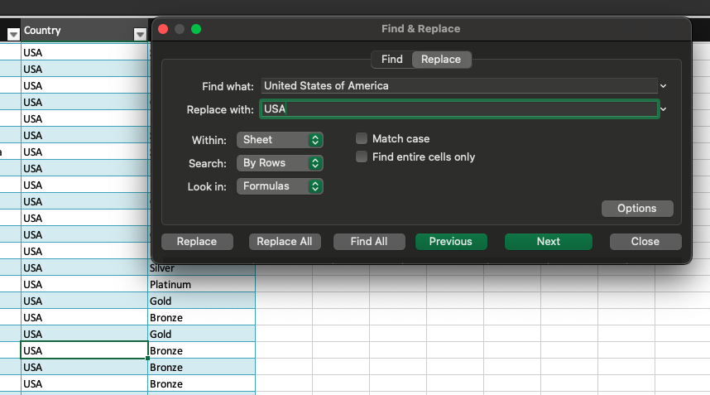

 |  | Cleaning up Customer ID column values by replacing C-<id> with CUST<ID>
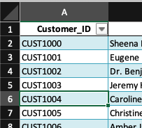

 |  | Cleaning Up Product_ID in Product_Dim Table
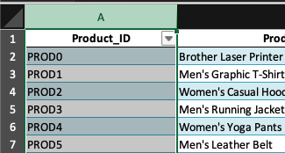

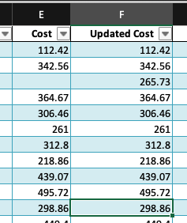
 |  | Updated the missing cost values in Cost column with with average cost based on sub_category value for respective rows
 |  | Formula used - =ROUND(AVERAGEIF(C:C,C4,E:E), 2)

 |  | Updated missing Stock values in Product_Dim table with value of 0 for stocks using Specials > Blanks

 |  | Updated missing quantity values from Sales_Fact table with default value as 1 using Special > Blanks
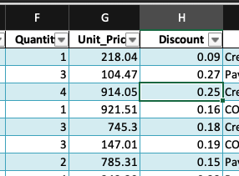

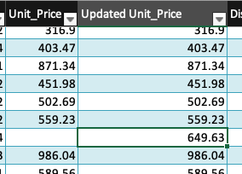
 |  | Updated missing unit price with average of unit price based on product ID from Prodcut ID column
 |  | Formula used - =ROUND(AVERAGEIF(D2:D2001,D21,G:G), 2)
 |  |  | #DIV/0!

 |  | Updated missing discount with average of discount based on product ID from Prodcut ID column
 |  | Formula used - =ROUND(AVERAGEIF(D:D,D28,I:I), 2)
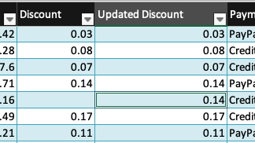

3) | Remove the column which contains irrelevant data(sub_Category)

4) | Application of Excel formulas for calculations, summaries, and logical/text operations
 |  | Done as part of the above operations

5) | Use the XLOOKUP/VLOOKUP functions to combine the tables

 |  | Used formula - =XLOOKUP([@[Customer_ID]],Customer[Customer_ID], Customer[Name])

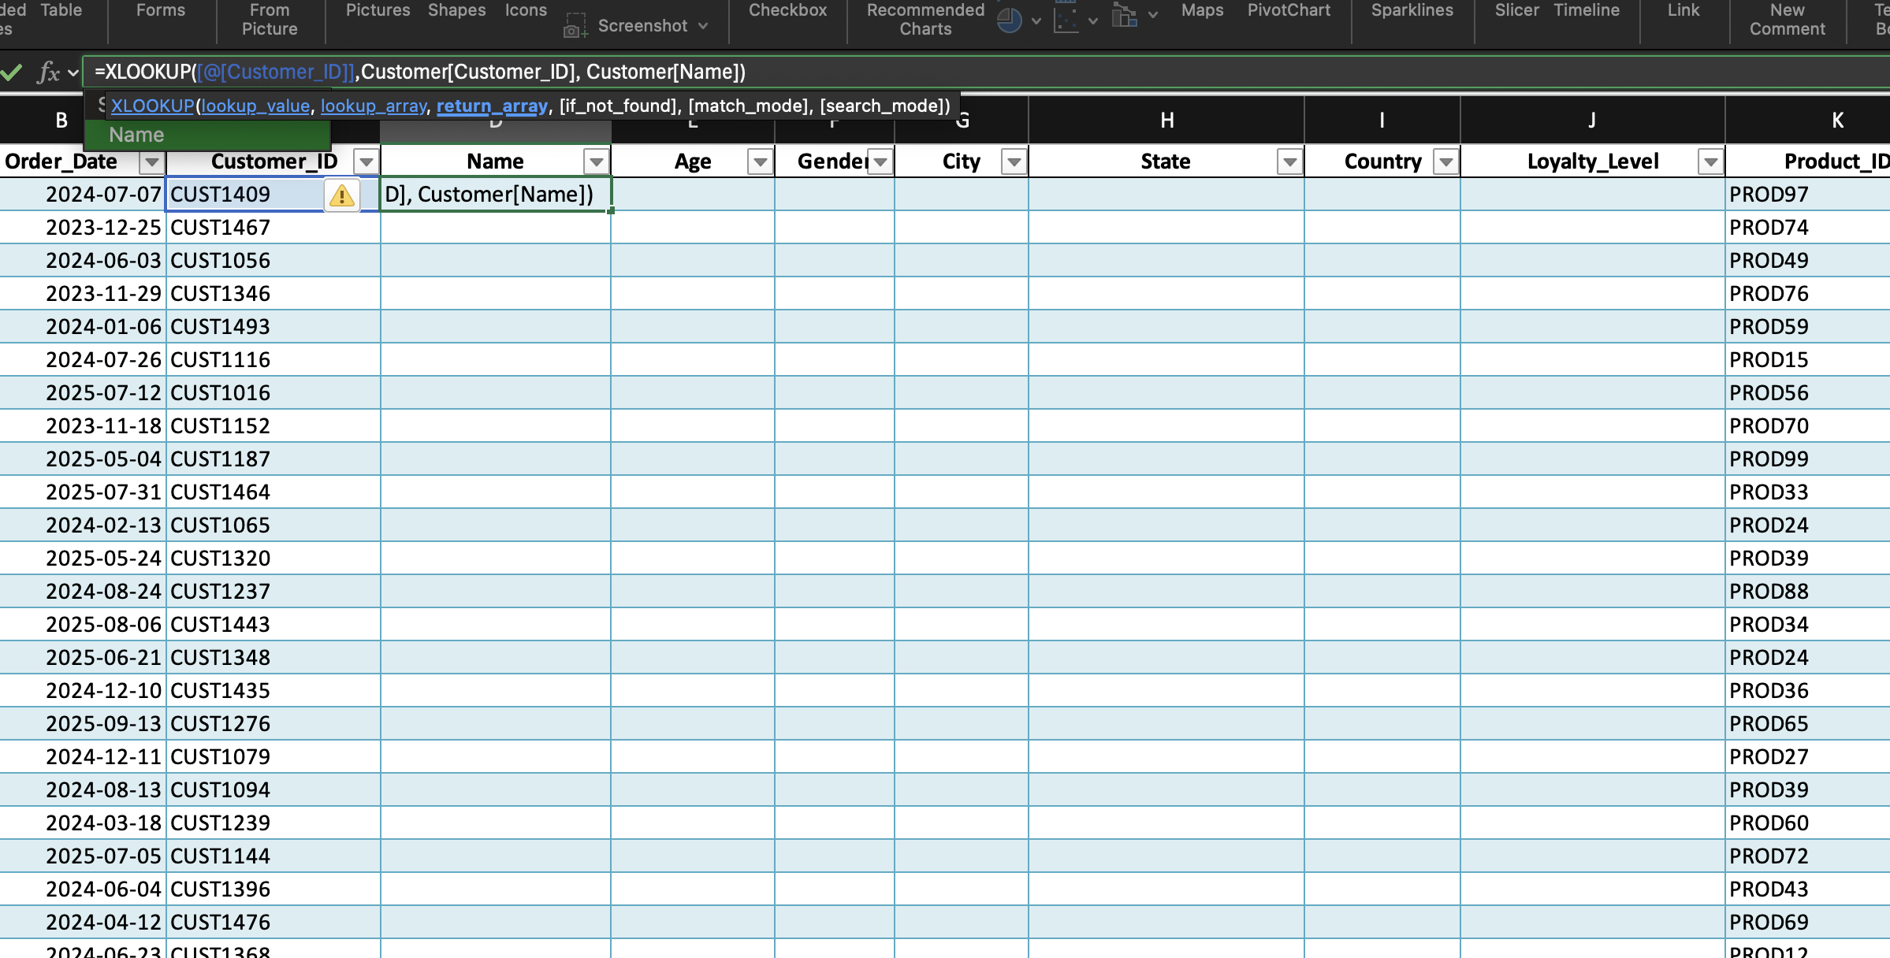

 |  | That will fill the Customer Name column
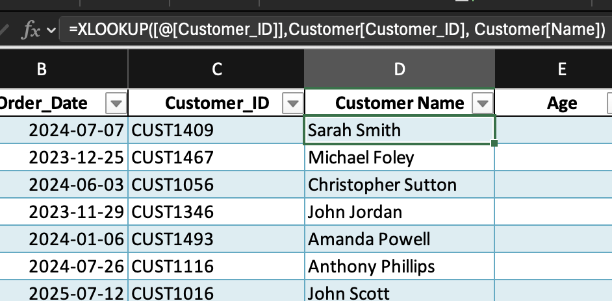

 |  | Similarly combined the following columns from Customer_Dim table to the Final Table - Customer Name, Age, Gender, City, State, Country, Loyalty Level
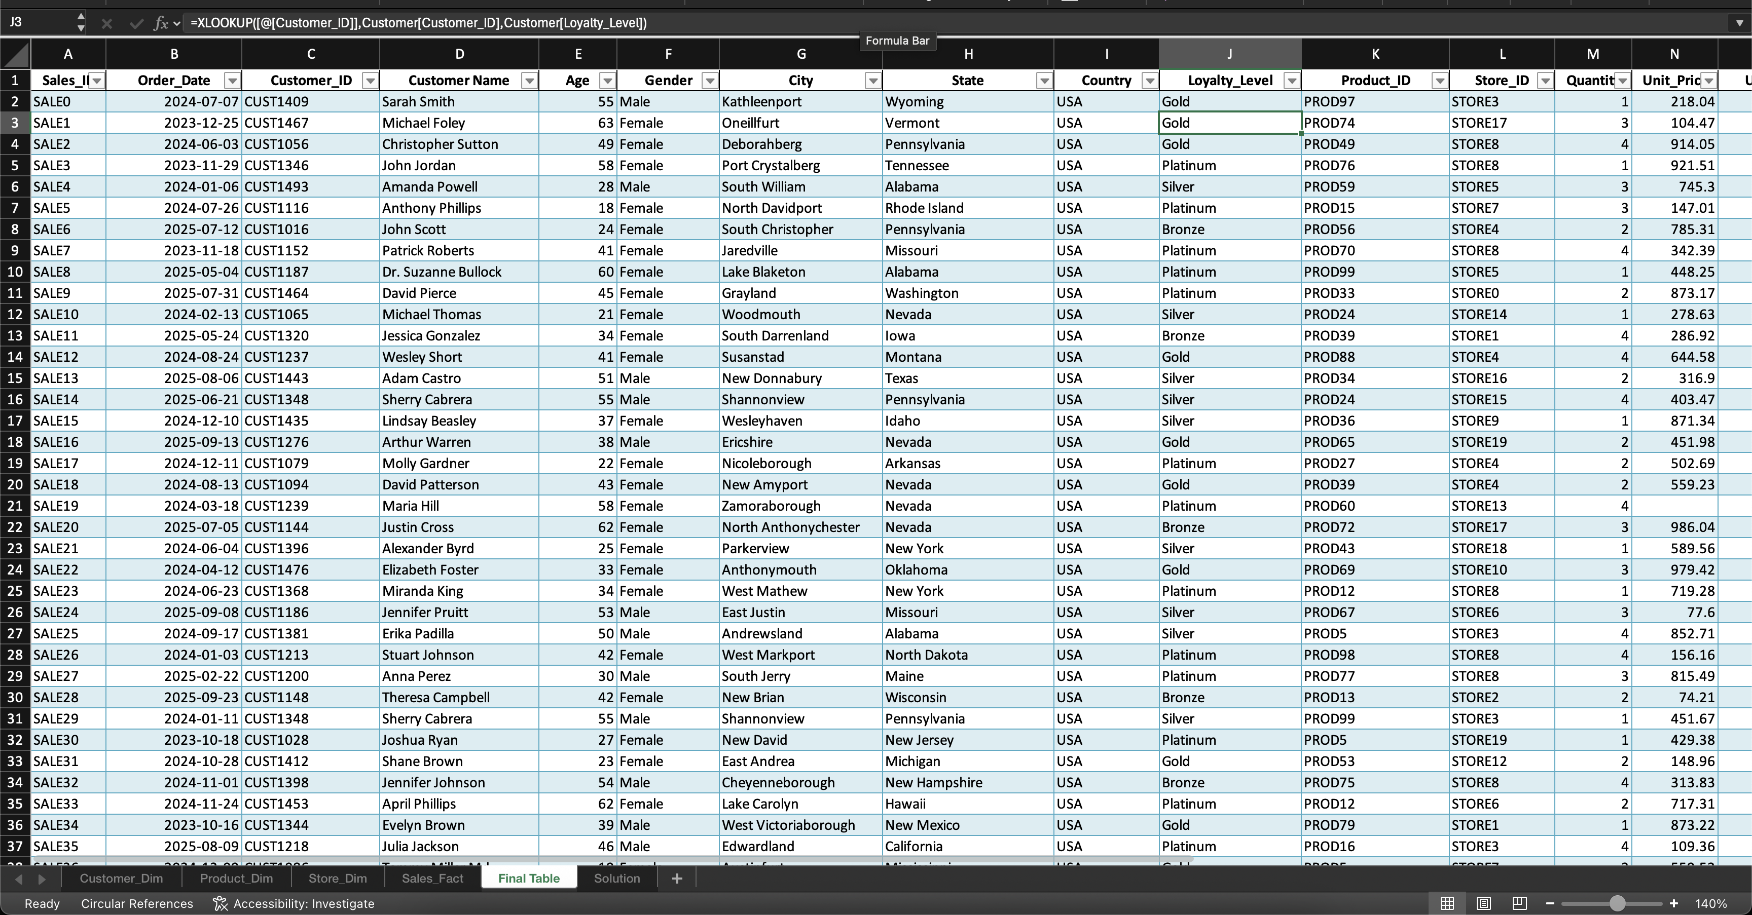

 |  | Combined the Product informations to the final table from the Product_Dim table

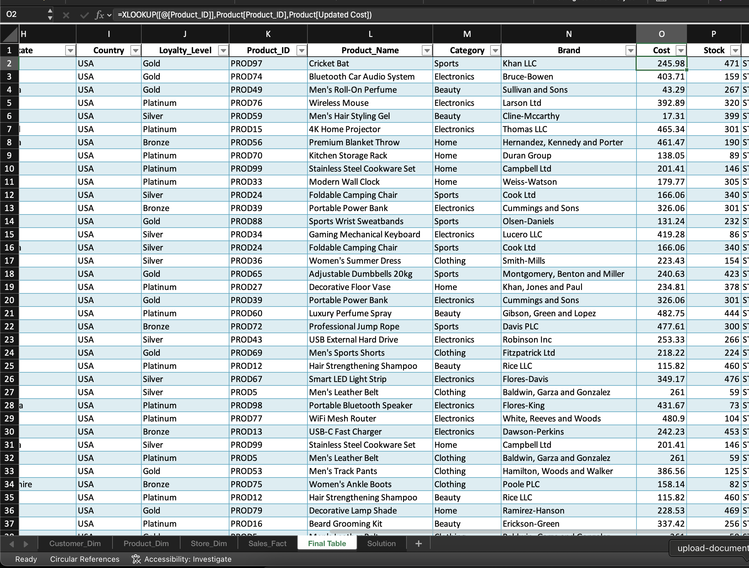

5) | Using Pivot Tables for advanced summarization and build an interactive dashboard

 |  | Used Pivot Chart option from Insert Menu

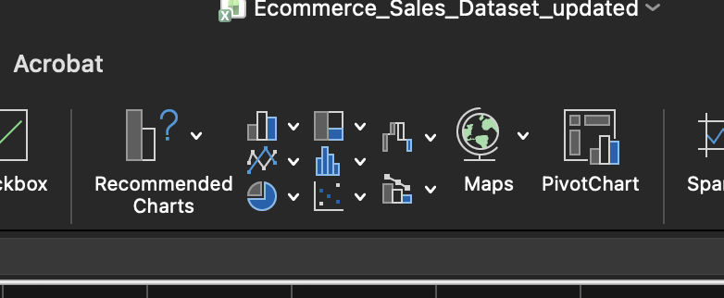

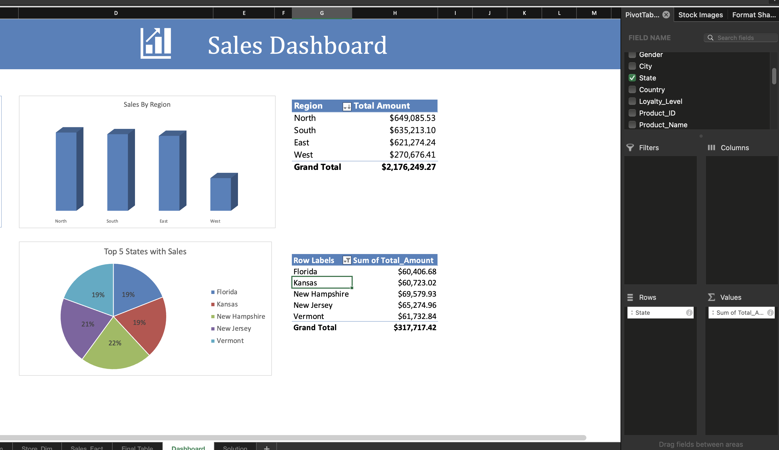

7) | Descriptive statistics (mean, median, mode, standard deviation, etc.) using formulas

