Art
PROJECT/ASSIGNMENT TITLE (ex. Round0 Art Reference Sheet)
TYPE | TITLE | IMAGE/SCREENSHOT | DESCRIPTION | LINK
Art Reference | Charatcer Design | 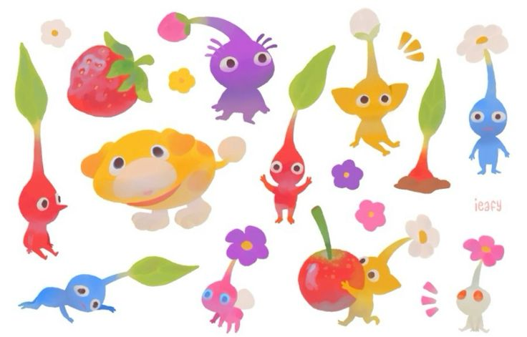 | For character art style | https://www.pinterest.com/pin/917749230347307682/ | <-- ADD MORE ROWS AS NECESSARY
Art Reference | Submarine Design | 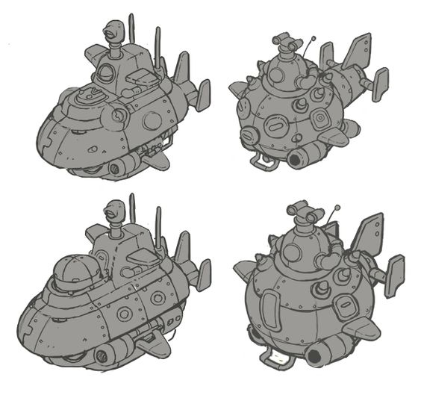 | Use to draw submarine | https://www.pinterest.com/pin/917749230346895138/
Art Reference | Environmental Reference | 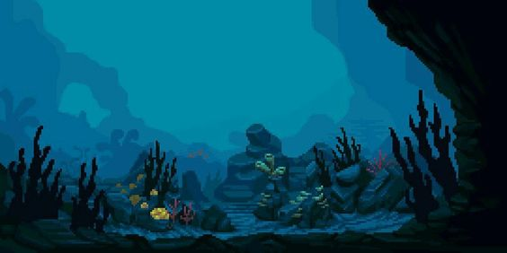 | Use for environmental art | https://www.pinterest.com/pin/917749230346895209/
Art Reference | Environment Reference | 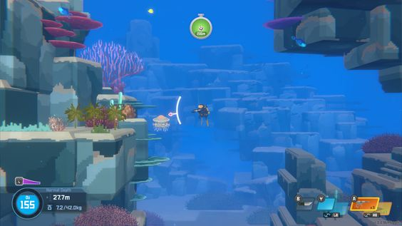 | Use for color | https://www.pinterest.com/pin/917749230346895274/
Art Reference | Object Reference |  | Used for trash design | https://pin.it/EpQvRm4ft
Art Reference | Object Reference | 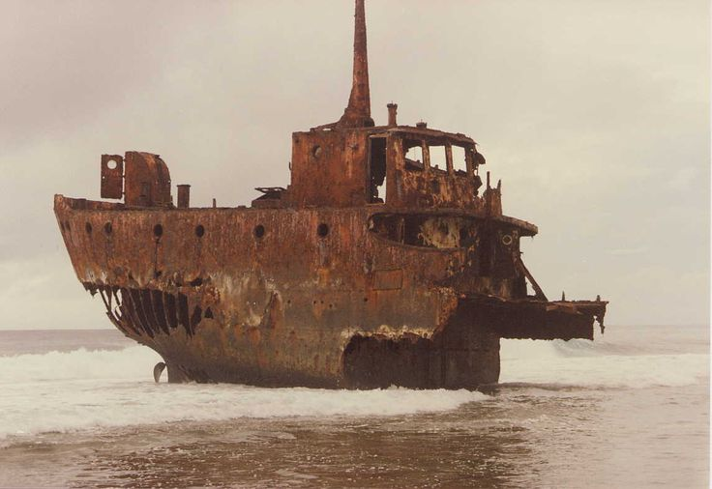 | Used for trash design | https://pin.it/UIyZySYQ7
Art Reference | Ammo Reference | 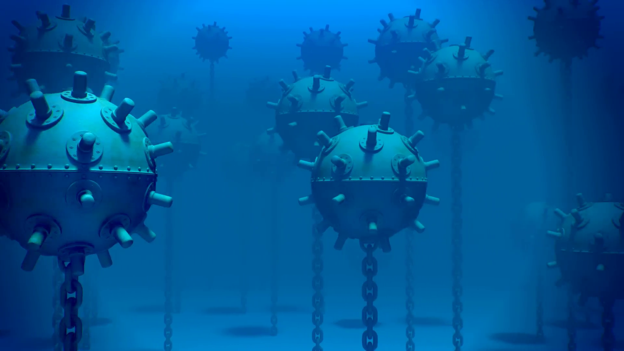 | Use for ammo design | https://images.app.goo.gl/h5bUNTfXGdtAK73r9
Art Reference | Anglerfish Reference | 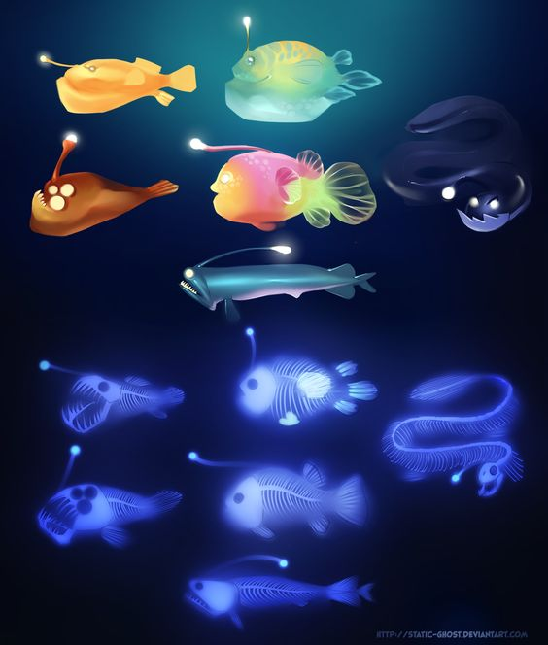 | Use for design of the anglerfish | https://www.pinterest.com/yz5963/bvwr4/
Name the title of the reference and tell what type is it (eg. reference image, VFX, Character) |  | Upload an image of the reference or a screenshot of where it is used in your work. | Give a brief description of why you used the reference image. | Tell us where you got your reference from. Website or File Name.

THIS IS A TEMPLATE. COPY/PASTE ROWs 1-2 AND COMLUMNS A-E AND FILL IN YOUR INFO AS NEEDED FOR EACH PROJECT/ASSIGNMENT. YOU WILL NEED A NEW SHEET FOR EVERY NEW PROJECT OR ASSIGNMENT SUBMISSION. NAME YOUR SHEET WITH YOUR ASSIGNMENT OR PROJECT NUMBER.

