1
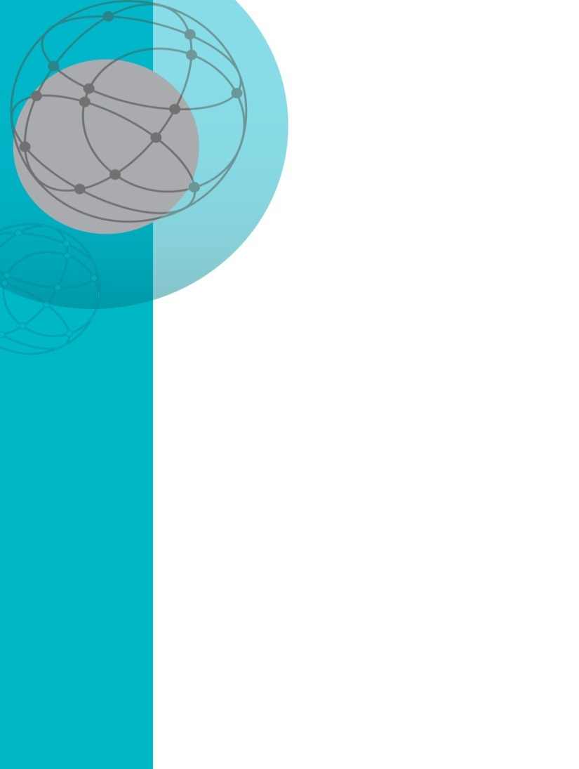
Table 1a: Payment recipients by payment type and state and territory, September 2013

Payment Type | ACT | NSW | NT | QLD | SA | TAS | VIC | WA | Other | Australia
ABSTUDY (Living allowance) | 97 | 3,639 | 500 | 2,501 | 723 | 300 | 870 | 769 | <20 | 9,405
ABSTUDY (Non-living allowance) | 159 | 7,898 | 3,693 | 6,569 | 1,167 | 489 | 1,215 | 2,554 | <20 | 23,745
Age Pension | 22,644 | 761,231 | 8,329 | 434,174 | 203,176 | 65,364 | 582,332 | 200,137 | 81,828 | 2,359,215
Austudy | 699 | 15,422 | 168 | 9,972 | 3,870 | 1,275 | 13,364 | 3,719 | 44 | 48,533
Carer Allowance | 5,199 | 201,225 | 2,887 | 107,317 | 45,531 | 16,008 | 151,510 | 37,899 | 380 | 567,956
Carer Allowance (Child Health Care Card only) | 224 | 8,492 | n.p. | 3,534 | 2,257 | 434 | 5,940 | 1,761 | <20 | 22,784
Carer Payment | 1,204 | 88,631 | 1,304 | 41,622 | 16,893 | 7,815 | 57,103 | 12,665 | 248 | 227,485
Commonwealth Seniors Health Card | 5,174 | 97,560 | 817 | 51,037 | 19,023 | 5,504 | 72,950 | 28,442 | 409 | 280,916
Double Orphan Pension | <20 | 317 | <20 | 247 | 153 | 43 | 386 | 166 | <20 | 1,339
Disability Support Pension | 8,563 | 268,213 | 9,759 | 163,894 | 74,766 | 27,993 | 201,381 | 62,764 | 7,905 | 825,238
Family Tax Benefit Part A | 16,071 | 488,128 | 18,004 | 330,779 | 120,030 | 42,128 | 382,806 | 136,212 | 1,523 | 1,535,681
Family Tax Benefit Part B | 15,262 | 426,068 | 16,559 | 289,372 | 100,783 | 34,998 | 329,458 | 129,350 | 898 | 1,342,748
Health Care Card | 14,180 | 437,426 | 20,764 | 296,081 | 116,658 | 41,886 | 413,612 | 120,268 | 848 | 1,461,723
Low Income Card | 4,197 | 90,808 | 684 | 56,677 | 25,841 | 9,862 | 136,117 | 24,031 | 289 | 348,506
Newstart Allowance | 5,254 | 207,166 | 11,219 | 137,740 | 58,163 | 21,160 | 163,318 | 55,765 | 44 | 659,829
Parenting Payment (Partnered) | 636 | 35,128 | 2,661 | 21,147 | 7,693 | 3,216 | 25,509 | 7,782 | 93 | 103,865
Parenting Payment (Single) | 2,590 | 80,579 | 3,604 | 61,263 | 19,453 | 7,517 | 54,065 | 25,916 | 34 | 255,021
Partner Allowance | 36 | 3,073 | 34 | 1,826 | 1,017 | 509 | 2,454 | 783 | <20 | 9,751
Pensioner Concession Card | 36,678 | 1,287,433 | 24,676 | 756,353 | 338,558 | 117,840 | 960,942 | 321,000 | 4,938 | 3,848,418
Sickness Allowance | 91 | 2,082 | 57 | 1,770 | 630 | 199 | 2,038 | 628 | <20 | 7,501
Special Benefit | 72 | 2,696 | <20 | 477 | 244 | 47 | 1,506 | 278 | n.p. | 5,358
Wife Pension (Partner on Age Pension) | 38 | 2,727 | 28 | 1,324 | 685 | 284 | 1,898 | 617 | 350 | 7,951
Wife Pension (Partner on Disability Support Pension) | 34 | 2,656 | 25 | 1,745 | 818 | 353 | 1,763 | 754 | 385 | 8,533
Widow Allowance | 158 | 9,269 | 122 | 5,160 | 1,766 | 783 | 6,770 | 2,047 | 60 | 26,135
Widow B Pension | <20 | <20 | <20 | <20 | <20 | <20 | <20 | <20 | 470 | 488
Youth Allowance (other) | 909 | 30,588 | 2,268 | 27,287 | 9,487 | 3,901 | 22,722 | 8,865 | <20 | 106,042
Youth Allowance (student and apprentice) | 4,794 | 81,493 | 456 | 42,640 | 20,196 | 5,974 | 77,707 | 17,403 | 647 | 251,310

Table 1b: Payment recipients by payment type and state and territory, December 2013

Payment Type | ACT | NSW | NT | QLD | SA | TAS | VIC | WA | Other | Australia
ABSTUDY (Living allowance) | 88 | 2,999 | 451 | 2,237 | 626 | 242 | 710 | 574 | <20 | 7,929
ABSTUDY (Non-living allowance) | 124 | 6,940 | 3,090 | 5,830 | 943 | 416 | 1,063 | 2,197 | <20 | 20,607
Age Pension | 22,732 | 763,520 | 8,260 | 435,897 | 203,480 | 65,553 | 583,683 | 200,966 | 82,107 | 2,366,198
Austudy | 507 | 11,850 | 135 | 8,107 | 3,013 | 983 | 10,054 | 2,675 | 34 | 37,358
Carer Allowance | 5,308 | 204,297 | 2,956 | 109,907 | 46,489 | 16,259 | 154,737 | 38,805 | 363 | 579,121
Carer Allowance (Child Health Care Card only) | 235 | 8,420 | n.p | 3,541 | 2,202 | 419 | 5,873 | 1,737 | <20 | 22,575
Carer Payment | 1,249 | 90,736 | 1,364 | 42,840 | 17,310 | 7,952 | 58,827 | 13,078 | 234 | 233,590
Commonwealth Seniors Health Card | 5,269 | 98,482 | 817 | 51,439 | 19,204 | 5,583 | 73,906 | 28,752 | 393 | 283,845
Double Orphan Pension | <20 | 300 | <20 | 252 | 155 | 44 | 386 | 172 | <20 | 1,335
Disability Support Pension | 8,710 | 270,761 | 9,651 | 165,644 | 74,975 | 28,206 | 203,275 | 62,991 | 7,811 | 832,024
Family Tax Benefit Part A | 15,994 | 483,902 | 17,922 | 327,741 | 119,007 | 41,870 | 380,733 | 134,745 | 1,613 | 1,523,527
Family Tax Benefit Part B | 15,138 | 421,544 | 16,459 | 286,823 | 99,782 | 34,817 | 326,934 | 127,661 | 1,002 | 1,330,160
Health Care Card | 14,259 | 435,930 | 21,160 | 295,745 | 115,765 | 41,803 | 412,252 | 121,215 | 759 | 1,458,888
Low Income Card | 3,938 | 88,069 | 688 | 54,780 | 25,081 | 9,633 | 132,997 | 23,709 | 219 | 339,114
Newstart Allowance | 5,707 | 213,512 | 11,691 | 144,288 | 60,121 | 21,667 | 168,731 | 57,616 | 53 | 683,386
Parenting Payment (Partnered) | 674 | 34,923 | 2,666 | 21,075 | 7,601 | 3,212 | 25,547 | 7,747 | 85 | 103,530
Parenting Payment (Single) | 2,587 | 81,236 | 3,581 | 62,174 | 19,625 | 7,540 | 54,498 | 26,258 | 33 | 257,532
Partner Allowance | 37 | 3,025 | 33 | 1,803 | 1,006 | 497 | 2,429 | 768 | 20 | 9,618
Pensioner Concession Card | 37,266 | 1,301,991 | 24,690 | 764,792 | 341,440 | 119,004 | 972,700 | 324,351 | 4,948 | 3,891,182
Sickness Allowance | 89 | 2,132 | 58 | 1,805 | 618 | 192 | 1,990 | 672 | <20 | 7,561
Special Benefit | 65 | 2,691 | <20 | 542 | 229 | 43 | 1,472 | 273 | <20 | 5,350
Wife Pension (Partner on Age Pension) | 37 | 2,749 | 27 | 1,324 | 693 | 291 | 1,913 | 621 | 339 | 7,994
Wife Pension (Partner on Disability Support Pension) | 33 | 2,573 | 23 | 1,701 | 800 | 343 | 1,712 | 735 | 378 | 8,298
Widow Allowance | 163 | 9,470 | 126 | 5,283 | 1,826 | 809 | 6,957 | 2,097 | 58 | 26,789
Widow B Pension | <20 | <20 | <20 | <20 | <20 | <20 | <20 | <20 | 460 | 478
Youth Allowance (other) | 1,062 | 34,357 | 2,309 | 28,714 | 10,695 | 4,356 | 24,700 | 9,719 | <20 | 115,927
Youth Allowance (student and apprentice) | 3,189 | 57,910 | 304 | 31,493 | 14,195 | 4,048 | 55,651 | 11,645 | 463 | 178,898

Table 1c: Payment recipients by payment type and state and territory, March 2014

Payment Type | ACT | NSW | NT | QLD | SA | TAS | VIC | WA | Other | Australia
ABSTUDY (Living allowance) | 104 | 3,078 | 387 | 2,369 | 632 | 236 | 790 | 669 | <20 | 8,267
ABSTUDY (Non-living allowance) | 161 | 8,465 | 2,897 | 7,220 | 1,173 | 519 | 1,256 | 2,727 | <20 | 24,423
Age Pension | 23,006 | 769,674 | 8,317 | 440,376 | 204,880 | 66,076 | 588,032 | 203,051 | 82,315 | 2,385,727
Austudy | 729 | 14,814 | 167 | 10,066 | 3,737 | 1,218 | 12,685 | 3,552 | 34 | 47,002
Carer Allowance | 5,424 | 206,492 | 2,965 | 111,595 | 46,854 | 16,477 | 157,102 | 39,284 | 345 | 586,538
Carer Allowance (Child Health Care Card only) | 237 | 8,243 | n.p. | 3,574 | 2,150 | 398 | 5,746 | 1,695 | <20 | 22,195
Carer Payment | 1,283 | 92,863 | 1,401 | 44,209 | 17,718 | 8,109 | 60,504 | 13,414 | 228 | 239,729
Commonwealth Seniors Health Card | 5,278 | 98,831 | 806 | 51,566 | 19,311 | 5,578 | 74,123 | 28,680 | 389 | 284,562
Double Orphan Pension | <20 | 300 | <20 | 250 | 157 | 45 | 387 | 174 | <20 | 1,340
Disability Support Pension | 8,787 | 271,033 | 9,540 | 166,156 | 74,706 | 28,382 | 203,472 | 62,770 | 7,687 | 832,533
Family Tax Benefit A | 16,235 | 487,548 | 18,011 | 331,651 | 119,654 | 41,899 | 384,513 | 136,643 | 1,361 | 1,537,515
Family Tax Benefit B | 15,205 | 422,684 | 16,477 | 287,876 | 99,791 | 34,670 | 328,541 | 128,338 | 780 | 1,334,362
Health Care Card | 14,654 | 430,583 | 21,750 | 299,296 | 114,837 | 40,436 | 408,537 | 120,401 | 786 | 1,451,280
Low Income Card | 3,827 | 81,703 | 671 | 52,743 | 22,881 | 8,736 | 125,267 | 21,910 | 217 | 317,955
Newstart Allowance | 5,925 | 216,370 | 12,020 | 148,922 | 61,000 | 21,149 | 171,362 | 59,107 | 52 | 695,907
Parenting Payment (Partnered) | 721 | 35,182 | 2,670 | 21,429 | 7,760 | 3,160 | 25,963 | 7,831 | 77 | 104,793
Parenting Payment (Single) | 2,631 | 81,599 | 3,627 | 63,039 | 19,653 | 7,568 | 54,824 | 26,531 | 34 | 259,506
Partner Allowance | 34 | 2,819 | 30 | 1,671 | 931 | 457 | 2,240 | 711 | <20 | 8,909
Pensioner Concession Card | 37,649 | 1,311,540 | 24,726 | 772,355 | 343,402 | 119,966 | 980,052 | 326,801 | 4,985 | 3,921,476
Sickness Allowance | 98 | 2,088 | 64 | 1,803 | 592 | 187 | 2,044 | 631 | <20 | 7,510
Special Benefit | 61 | 2,691 | <20 | 527 | 226 | 46 | 1,482 | 262 | <20 | 5,329
Wife Pension (Partner on Age Pension) | 36 | 2,676 | 29 | 1,287 | 669 | 283 | 1,868 | 602 | 331 | 7,781
Wife Pension (Partner on Disability Support Pension) | 32 | 2,479 | 21 | 1,652 | 773 | 334 | 1,639 | 711 | 365 | 8,006
Widow Allowance | 158 | 9,265 | 123 | 5,124 | 1,802 | 781 | 6,825 | 2,063 | 53 | 26,194
Widow B Pension | <20 | <20 | <20 | <20 | <20 | <20 | <20 | <20 | 440 | 456
Youth Allowance (other) | 1,061 | 32,446 | 2,510 | 29,636 | 10,022 | 4,004 | 23,809 | 9,389 | <20 | 112,896
Youth Allowance (student and apprentice) | 4,400 | 72,895 | 354 | 41,406 | 17,948 | 5,070 | 69,232 | 15,742 | 547 | 227,594

