Sheet1
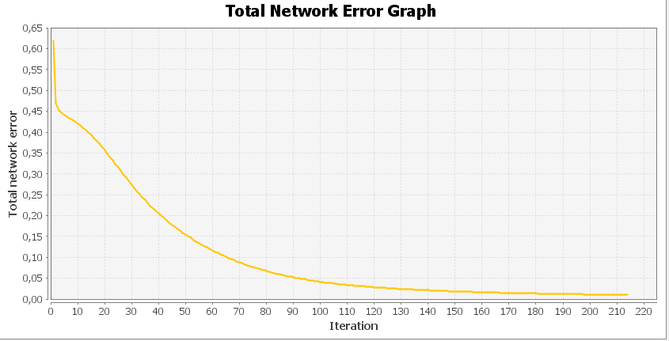
 |  | Emotikony uczące: |  |  | Ze współczynnikiem zapominania:
1) |  |  | 2) | 3) |  |  |  |  |  |  | Emotikon 1: |  |  |  |  |  |  | Testowanie: | 1) | Emotikon 1
 |  |  |  |  | Inputs | 100 |  |  |  |  | Output | 0.8711 | 0.0748 | 0.0469 | 0.018 | 0.0234 | 0.0604 |  |  | Output | 0.5053 | 0.0298 | 0.0306 | 0.0144 | 0.1057 | 0.2373
 |  |  |  |  | Outputs | 6 |  |  |  |  | Desired output | 1 | 0 | 0 | 0 | 0 | 0 |  |  | Desired output | 1 | 0 | 0 | 0 | 0 | 0
 |  |  |  |  | Learning Rate | 0.2 |  |  |  |  | Error | -0.1289 | 0.0748 | 0.0469 | 0.018 | 0.0234 | 0.0604 |  |  | Error | -0.4947 | 0.0298 | 0.0306 | 0.0144 | 0.1057 | 0.2373
 |  |  |  |  | Forgeting Rate | 0.03
 |  |  |  |  | Iterations | 214 |  |  |  |  | Emotikon 2: |  |  |  |  |  |  |  |  | Emotikon 2
 |  |  |  |  | Total Error | 0.0031743707503721352 |  |  |  |  | Output | 0.066 | 0.8844 | 0.0271 | 0.0748 | 0.0378 | 0.0176 |  |  | Output | 0.0195 | 0.8384 | 0.0529 | 0.1433 | 0.044 | 0.0176
 |  |  |  |  |  |  |  |  |  |  | Desired output | 0 | 1 | 0 | 0 | 0 | 0 |  |  | Desired output | 0 | 1 | 0 | 0 | 0 | 0
 |  |  |  |  |  |  |  |  |  |  | Error | 0.066 | -0.1156 | 0.0271 | 0.0748 | 0.0378 | 0.0176 |  |  | Error | 0.0195 | -0.1616 | 0.0529 | 0.1433 | 0.044 | 0.0176

 |  |  |  |  |  |  |  |  |  |  | Emotikon 3: |  |  |  |  |  |  |  |  | Emotikon 3
4) |  |  | 5) | 6) |  |  |  |  |  |  | Output | 0.0553 | 0.036 | 0.9229 | 0.0399 | 0.0455 | 0.0194 |  |  | Output | 0.0268 | 0.0088 | 0.9324 | 0.0545 | 0.087 | 0.021
 |  |  |  |  |  |  |  |  |  |  | Desired output | 0 | 0 | 1 | 0 | 0 | 0 |  |  | Desired output | 0 | 0 | 1 | 0 | 0 | 0
 |  |  |  |  |  |  |  |  |  |  | Error | 0.0553 | 0.036 | -0.0771 | 0.0399 | 0.0455 | 0.0194 |  |  | Error | 0.0268 | 0.0088 | -0.0676 | 0.0545 | 0.087 | 0.021

 |  |  |  |  |  |  |  |  |  |  | Emotikon 4: |  |  |  |  |  |  |  |  | Emotikon 4
 |  |  |  |  |  |  |  |  |  |  | Output | 0.0155 | 0.0755 | 0.0345 | 0.9131 | 0.0177 | 0.0387 |  |  | Output | 0.0526 | 0.2585 | 0.0689 | 0.6953 | 0.0164 | 0.0086
 |  |  |  |  |  |  |  |  |  |  | Desired output | 0 | 0 | 0 | 1 | 0 | 0 |  |  | Desired output | 0 | 0 | 0 | 1 | 0 | 0
 |  |  |  |  |  |  |  |  |  |  | Error | 0.0155 | 0.0755 | 0.0345 | -0.0869 | 0.0177 | 0.0387 |  |  | Error | 0.0526 | 0.2585 | 0.0689 | -0.3047 | 0.0164 | 0.0086

 |  |  |  |  |  |  |  |  |  |  | Emotikon 5: |  |  |  |  |  |  |  |  | Emotikon 5
 |  |  |  |  |  |  |  |  |  |  | Output | 0.0346 | 0.0343 | 0.0371 | 0.0099 | 0.9245 | 0.0461 |  |  | Output | 0.0615 | 0.0547 | 0.0481 | 0.0105 | 0.8332 | 0.0591
 |  |  |  |  |  |  |  |  |  |  | Desired output | 0 | 0 | 0 | 0 | 1 | 0 |  |  | Desired output | 0 | 0 | 0 | 0 | 1 | 0
 |  | Emotikony testujące: |  |  |  |  |  |  |  |  | Error | 0.0346 | 0.0343 | 0.0371 | 0.0099 | -0.0755 | 0.0461 |  |  | Error | 0.0615 | 0.0547 | 0.0481 | 0.0105 | -0.1668 | 0.0591
1) |  |  | 2) | 3)
 |  |  |  |  |  |  |  |  |  |  | Emotikon 6: |  |  |  |  |  |  |  |  | Emotikon 6
 |  |  |  |  |  |  |  |  |  |  | Output | 0.075 | 0.0183 | 0.0259 | 0.0303 | 0.0517 | 0.9174 |  |  | Output | 0.042 | 0.0144 | 0.0292 | 0.0155 | 0.0491 | 0.9282
 |  |  |  |  |  |  |  |  |  |  | Desired output | 0 | 0 | 0 | 0 | 0 | 1 |  |  | Desired output: 0 | 0 | 0 | 0 | 0 | 1
 |  |  |  |  |  |  |  |  |  |  | Error | 0.075 | 0.0183 | 0.0259 | 0.0303 | 0.0517 | -0.0826 |  |  | Error | 0.042 | 0.0144 | 0.0292 | 0.0155 | 0.0491 | -0.0718
 |  |  |  |  |  |  |  |  |  |  | Emotikon 1:
 |  |  |  |  |  |  |  |  |  |  |  |  |  |  |  |  |  |  |  | Total Mean Square Error: 0.016705443982097737
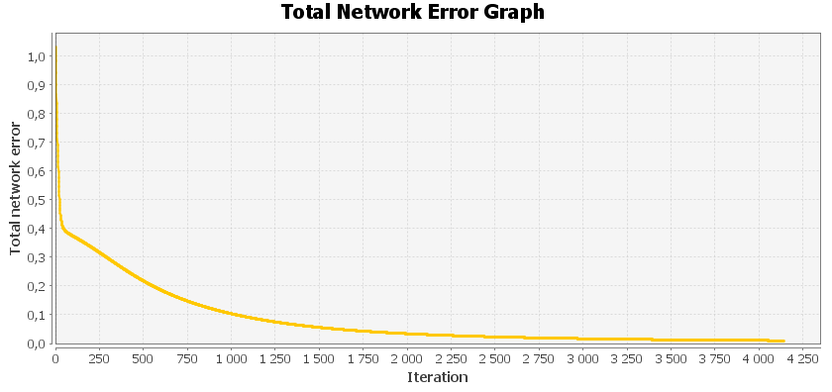
 |  |  |  |  | Inputs | 100 |  |  |  |  |  |  |  |  |  |  |  |  | 2) | Emotikon 1
 |  |  |  |  | Outputs | 6 |  |  |  |  | Emotikon 1 |  |  |  |  |  |  |  |  | Output | 0.8643 | 0.0584 | 0.0559 | 0.0341 | 0.0445 | 0.0876
 |  |  |  |  | Learning Rate | 0.01 |  |  |  |  | Output | 0.8632 | 0.0417 | 0.0708 | 0.0388 | 0.0265 | 0.0641 |  |  | Desired output | 1 | 0 | 0 | 0 | 0 | 0
4) |  |  | 5) | 6) | Forgeting Rate | 0.003 |  |  |  |  | Desired output | 1 | 0 | 0 | 0 | 0 | 0 |  |  | Error | -0.1357 | 0.0584 | 0.0559 | 0.0341 | 0.0445 | 0.0876
 |  |  |  |  | Iterations | 4140 |  |  |  |  | Error | -0.1368 | 0.0417 | 0.0708 | 0.0388 | 0.0265 | 0.0641
 |  |  |  |  | Total Error | 0.0033255556091 |  |  |  |  |  |  |  |  |  |  |  |  |  | Emotikon 2
 |  |  |  |  |  |  |  |  |  |  | Emotikon 2 |  |  |  |  |  |  |  |  | Output | 0.0458 | 0.9014 | 0.048 | 0.0657 | 0.0235 | 0.0247
 |  |  |  |  |  |  |  |  |  |  | Output | 0.0567 | 0.8977 | 0.024 | 0.0778 | 0.0474 | 0.0318 |  |  | Desired output | 0 | 1 | 0 | 0 | 0 | 0
 |  |  |  |  |  |  |  |  |  |  | Desired output | 0 | 1 | 0 | 0 | 0 | 0 |  |  | Error | 0.0458 | -0.0986 | 0.048 | 0.0657 | 0.0235 | 0.0247
 |  |  |  |  |  |  |  |  |  |  | Error | 0.0567 | -0.1023 | 0.024 | 0.0778 | 0.0474 | 0.0318
 |  |  |  |  |  |  |  |  |  |  |  |  |  |  |  |  |  |  |  | Emotikon 3
 |  |  |  |  |  |  |  |  |  |  | Emotikon 3 |  |  |  |  |  |  |  |  | Output | 0.0526 | 0.0383 | 0.9242 | 0.0194 | 0.0354 | 0.007
 |  |  |  |  |  |  |  |  |  |  | Output | 0.0717 | 0.0263 | 0.9145 | 0.0194 | 0.0398 | 0.0314 |  |  | Desired output | 0 | 0 | 1 | 0 | 0 | 0
 |  |  |  |  |  |  |  |  |  |  | Desired output | 0 | 0 | 1 | 0 | 0 | 0 |  |  | Error | 0.0526 | 0.0383 | -0.0758 | 0.0194 | 0.0354 | 0.007
 |  |  |  |  |  |  |  |  |  |  | Error | 0.0717 | 0.0263 | -0.0855 | 0.0194 | 0.0398 | 0.0314
 |  |  |  |  |  |  |  |  |  |  |  |  |  |  |  |  |  |  |  | Emotikon 4
 | Emotikony testujące z większą modyfikacją |  |  |  |  |  |  |  |  |  | Emotikon 4 |  |  |  |  |  |  |  |  | Output | 0.0358 | 0.0635 | 0.0211 | 0.9215 | 0.0367 | 0.0207
1) |  |  | 2) | 3) |  |  |  |  |  |  | Output | 0.0449 | 0.0728 | 0.0217 | 0.9055 | 0.0235 | 0.0272 |  |  | Desired output | 0 | 0 | 0 | 1 | 0 | 0
 |  |  |  |  |  |  |  |  |  |  | Desired output | 0 | 0 | 0 | 1 | 0 | 0 |  |  | Error | 0.0358 | 0.0635 | 0.0211 | -0.0785 | 0.0367 | 0.0207
 |  |  |  |  |  |  |  |  |  |  | Error | 0.0449 | 0.0728 | 0.0217 | -0.0945 | 0.0235 | 0.0272
 |  |  |  |  |  |  |  |  |  |  |  |  |  |  |  |  |  |  |  | Emotikon 5
 |  |  |  |  |  |  |  |  |  |  | Emotikon 5 |  |  |  |  |  |  |  |  | Output | 0.0336 | 0.0178 | 0.0381 | 0.0279 | 0.9251 | 0.033
 |  |  |  |  |  |  |  |  |  |  | Output | 0.0207 | 0.0387 | 0.0356 | 0.0157 | 0.9223 | 0.0384 |  |  | Desired output | 0 | 0 | 0 | 0 | 1 | 0
 |  |  |  |  |  |  |  |  |  |  | Desired output | 0 | 0 | 0 | 0 | 1 | 0 |  |  | Error | 0.0336 | 0.0178 | 0.0381 | 0.0279 | -0.0749 | 0.033
 |  |  |  |  |  |  |  |  |  |  | Error | 0.0207 | 0.0387 | 0.0356 | 0.0157 | -0.0777 | 0.0384
 |  |  |  |  |  |  |  |  |  |  |  |  |  |  |  |  |  |  |  | Emotikon 6
 |  |  |  |  |  |  |  |  |  |  | Emotikon 6 |  |  |  |  |  |  |  |  | Output | 0.0743 | 0.0335 | 0.011 | 0.0127 | 0.0321 | 0.9139
 |  |  |  |  |  |  |  |  |  |  | Output | 0.0795 | 0.0407 | 0.0297 | 0.0301 | 0.0482 | 0.915 |  |  | Desired output | 0 | 0 | 0 | 0 | 0 | 1
4) |  |  | 5) | 6) |  |  |  |  |  |  | Desired output | 0 | 0 | 0 | 0 | 0 | 1 |  |  | Error | 0.0743 | 0.0335 | 0.011 | 0.0127 | 0.0321 | -0.0861
 |  |  |  |  |  |  |  |  |  |  | Error | 0.0795 | 0.0407 | 0.0297 | 0.0301 | 0.0482 | -0.085
 |  |  |  |  |  |  |  |  |  |  |  |  |  |  |  |  |  |  |  | Total Mean Square Error: 0.0029571825875824875

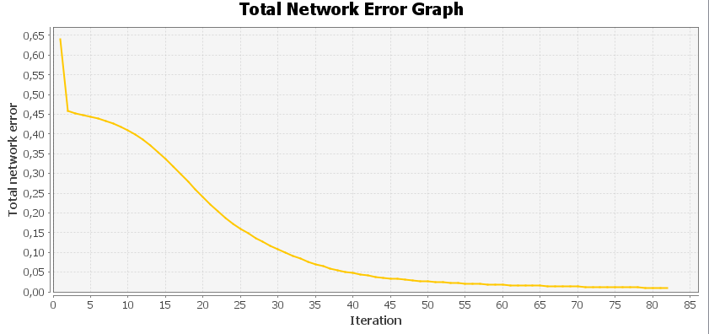
 |  |  |  |  |  |  |  |  |  |  | Emotikon 1 |  |  |  |  |  |  |  | 3) | Emotikon 1
 |  |  |  |  | Inputs | 100 |  |  |  |  | Output | 0.8815 | 0.067 | 0.0432 | 0.033 | 0.0309 | 0.067 |  |  | Output | 0.5173 | 0.0276 | 0.0208 | 0.041 | 0.1082 | 0.2633
 |  |  |  |  | Outputs | 6 |  |  |  |  | Desired output | 1 | 0 | 0 | 0 | 0 | 0 |  |  | Desired output | 1 | 0 | 0 | 0 | 0 | 0
 |  |  |  |  | Learning Rate | 0.5 |  |  |  |  | Error | -0.1185 | 0.067 | 0.0432 | 0.033 | 0.0309 | 0.067 |  |  | Error | -0.4827 | 0.0276 | 0.0208 | 0.041 | 0.1082 | 0.2633
 |  |  |  |  | Forgeting Rate | 0.1
 |  |  |  |  | Iterations | 82 |  |  |  |  | Emotikon 2 |  |  |  |  |  |  |  |  | Emotikon 2
 |  |  |  |  | Total Error | 0.0030332569794 |  |  |  |  | Output | 0.0462 | 0.8892 | 0.061 | 0.0739 | 0.0525 | 0.0259 |  |  | Output | 0.048 | 0.7438 | 0.0343 | 0.17 | 0.0181 | 0.0264
 |  |  |  |  |  |  |  |  |  |  | Desired output | 0 | 1 | 0 | 0 | 0 | 0 |  |  | Desired output | 0 | 1 | 0 | 0 | 0 | 0
 |  |  |  |  |  |  |  |  |  |  | Error | 0.0462 | -0.1108 | 0.061 | 0.0739 | 0.0525 | 0.0259 |  |  | Error | 0.048 | -0.2562 | 0.0343 | 0.17 | 0.0181 | 0.0264

 |  |  |  |  |  |  |  |  |  |  | Emotikon 3 |  |  |  |  |  |  |  |  | Emotikon 3
 |  |  |  |  |  |  |  |  |  |  | Output | 0.0416 | 0.0413 | 0.9218 | 0.0378 | 0.0417 | 0.0235 |  |  | Output | 0.052 | 0.0163 | 0.8511 | 0.0376 | 0.0324 | 0.0085
 |  |  |  |  |  |  |  |  |  |  | Desired output | 0 | 0 | 1 | 0 | 0 | 0 |  |  | Desired output | 0 | 0 | 1 | 0 | 0 | 0
 |  |  |  |  |  |  |  |  |  |  | Error | 0.0416 | 0.0413 | -0.0782 | 0.0378 | 0.0417 | 0.0235 |  |  | Error | 0.052 | 0.0163 | -0.1489 | 0.0376 | 0.0324 | 0.0085

 |  |  |  |  |  |  |  |  |  |  | Emotikon 4 |  |  |  |  |  |  |  |  | Emotikon 4
 |  |  |  |  |  |  |  |  |  |  | Output | 0.0412 | 0.0659 | 0.0272 | 0.9182 | 0.0238 | 0.0342 |  |  | Output | 0.0658 | 0.2164 | 0.0402 | 0.7517 | 0.0244 | 0.0208
 |  |  |  |  |  |  |  |  |  |  | Desired output | 0 | 0 | 0 | 1 | 0 | 0 |  |  | Desired output | 0 | 0 | 0 | 1 | 0 | 0
 |  |  |  |  |  |  |  |  |  |  | Error | 0.0412 | 0.0659 | 0.0272 | -0.0818 | 0.0238 | 0.0342 |  |  | Error | 0.0658 | 0.2164 | 0.0402 | -0.2483 | 0.0244 | 0.0208

 |  |  |  |  |  |  |  |  |  |  | Emotikon 5 |  |  |  |  |  |  |  |  | Emotikon 5
 |  |  |  |  |  |  |  |  |  |  | Output | 0.0333 | 0.0394 | 0.0279 | 0.0111 | 0.9221 | 0.0478 |  |  | Output | 0.0636 | 0.0411 | 0.0542 | 0.0158 | 0.7935 | 0.0395
 |  |  |  |  |  |  |  |  |  |  | Desired output | 0 | 0 | 0 | 0 | 1 | 0 |  |  | Desired output | 0 | 0 | 0 | 0 | 1 | 0
 |  |  |  |  |  |  |  |  |  |  | Error | 0.0333 | 0.0394 | 0.0279 | 0.0111 | -0.0779 | 0.0478 |  |  | Error | 0.0636 | 0.0411 | 0.0542 | 0.0158 | -0.2065 | 0.0395

 |  |  |  |  |  |  |  |  |  |  | Emotikon 6 |  |  |  |  |  |  |  |  | Emotikon 6
 |  |  |  |  |  |  |  |  |  |  | Output | 0.0659 | 0.0232 | 0.0275 | 0.0227 | 0.0474 | 0.9197 |  |  | Output | 0.0795 | 0.0151 | 0.0088 | 0.0364 | 0.0261 | 0.9091
 |  |  |  |  |  |  |  |  |  |  | Desired output | 0 | 0 | 0 | 0 | 0 | 1 |  |  | Desired output | 0 | 0 | 0 | 0 | 0 | 1
 |  |  |  |  | Bez współczynnika zapominania: |  |  |  |  |  | Error | 0.0659 | 0.0232 | 0.0275 | 0.0227 | 0.0474 | -0.0803 |  |  | Error | 0.0795 | 0.0151 | 0.0088 | 0.0364 | 0.0261 | -0.0909

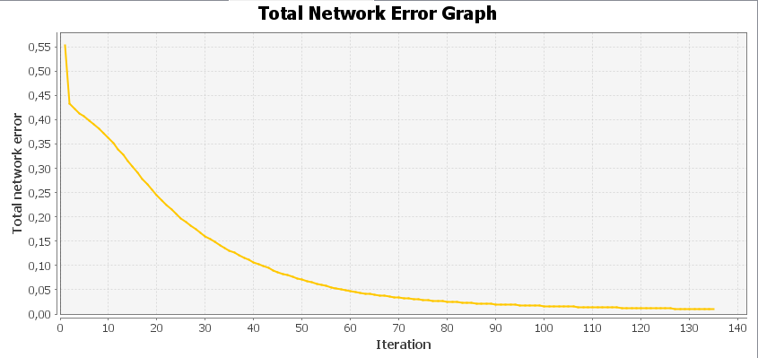
 |  |  |  |  | Inputs | 100 |  |  |  |  |  |  |  |  |  |  |  |  |  | Total Mean Square Error: 0.017477279022958894
 |  |  |  |  | Outputs | 6 |  |  |  |  | Emotikon 1
 |  |  |  |  | Learning Rate | 0.2 |  |  |  |  | Output | 0.8706 | 0.04 | 0.0605 | 0.0259 | 0.0374 | 0.0711
 |  |  |  |  | Iterations | 135 |  |  |  |  | Desired output | 1 | 0 | 0 | 0 | 0 | 0 |  | 4) | Emotikon 1
 |  |  |  |  | Total Error | 0.0030332569794 |  |  |  |  | Error | -0.1294 | 0.04 | 0.0605 | 0.0259 | 0.0374 | 0.0711 |  |  | Output | 0.5547 | 0.0378 | 0.0415 | 0.0197 | 0.1028 | 0.2814
 |  |  |  |  |  |  |  |  |  |  |  |  |  |  |  |  |  |  |  | Desired output | 1 | 0 | 0 | 0 | 0 | 0
 |  |  |  |  |  |  |  |  |  |  | Emotikon 2 |  |  |  |  |  |  |  |  | Error | -0.4453 | 0.0378 | 0.0415 | 0.0197 | 0.1028 | 0.2814
 |  |  |  |  |  |  |  |  |  |  | Output | 0.04 | 0.8909 | 0.0325 | 0.0739 | 0.041 | 0.0419
 |  |  |  |  |  |  |  |  |  |  | Desired output | 0 | 1 | 0 | 0 | 0 | 0 |  |  | Emotikon 2
 |  |  |  |  |  |  |  |  |  |  | Error | 0.04 | -0.1091 | 0.0325 | 0.0739 | 0.041 | 0.0419 |  |  | Output | 0.0507 | 0.8616 | 0.0288 | 0.1104 | 0.0296 | 0.0255
 |  |  |  |  |  |  |  |  |  |  |  |  |  |  |  |  |  |  |  | Desired output | 0 | 1 | 0 | 0 | 0 | 0
 |  |  |  |  |  |  |  |  |  |  | Emotikon 3 |  |  |  |  |  |  |  |  | Error | 0.0507 | -0.1384 | 0.0288 | 0.1104 | 0.0296 | 0.0255
 |  |  |  |  |  |  |  |  |  |  | Output | 0.0576 | 0.0255 | 0.9171 | 0.0454 | 0.0247 | 0.0248
 |  |  |  |  |  |  |  |  |  |  | Desired output | 0 | 0 | 1 | 0 | 0 | 0 |  |  | Emotikon 3
 |  |  |  |  |  |  |  |  |  |  | Error: 0,0576 | 0.0255 | -0.0829 | 0.0454 | 0.0247 | 0.0248 |  |  |  | Output | 0.1062 | 0.0361 | 0.9296 | 0.079 | 0.0357 | 0.0146
 |  |  |  |  |  |  |  |  |  |  |  |  |  |  |  |  |  |  |  | Desired output | 0 | 0 | 1 | 0 | 0 | 0
 |  |  |  |  |  |  |  |  |  |  | Emotikon 4 |  |  |  |  |  |  |  |  | Error | 0.1062 | 0.0361 | -0.0704 | 0.079 | 0.0357 | 0.0146
 |  |  |  |  |  |  |  |  |  |  | Output | 0.0398 | 0.0744 | 0.0407 | 0.9155 | 0.0332 | 0.0115
 |  |  |  |  |  |  |  |  |  |  | Desired output | 0 | 0 | 0 | 1 | 0 | 0 |  |  | Emotikon 4
 |  |  |  |  |  |  |  |  |  |  | Error | 0.0398 | 0.0744 | 0.0407 | -0.0845 | 0.0332 | 0.0115 |  |  | Output | 0.0687 | 0.2425 | 0.0404 | 0.718 | 0.0128 | 0.0428
 |  |  |  |  |  |  |  |  |  |  |  |  |  |  |  |  |  |  |  | Desired output | 0 | 0 | 0 | 1 | 0 | 0
 |  |  |  |  |  |  |  |  |  |  | Emotikon 5 |  |  |  |  |  |  |  |  | Error | 0.0687 | 0.2425 | 0.0404 | -0.282 | 0.0128 | 0.0428
 |  |  |  |  |  |  |  |  |  |  | Output | 0.0427 | 0.0415 | 0.0235 | 0.018 | 0.926 | 0.0261
 |  |  |  |  |  |  |  |  |  |  | Desired output | 0 | 0 | 0 | 0 | 1 | 0 |  |  | Emotikon 5
 |  |  |  |  |  |  |  |  |  |  | Error | 0.0427 | 0.0415 | 0.0235 | 0.018 | -0.074 | 0.0261 |  |  | Output | 0.0503 | 0.065 | 0.0806 | 0.0169 | 0.7708 | 0.0609
 |  |  |  |  |  |  |  |  |  |  |  |  |  |  |  |  |  |  |  | Desired output | 0 | 0 | 0 | 0 | 1 | 0
 |  |  |  |  |  |  |  |  |  |  | Emotikon 6 |  |  |  |  |  |  |  |  | Error | 0.0503 | 0.065 | 0.0806 | 0.0169 | -0.2292 | 0.0609
 |  |  |  |  |  |  |  |  |  |  | Output | 0.0754 | 0.0464 | 0.0291 | 0.0116 | 0.0382 | 0.9182
 |  |  |  |  |  |  |  |  |  |  | Desired output | 0 | 0 | 0 | 0 | 0 | 1
 |  |  |  |  |  |  |  |  |  |  | Error | 0.0754 | 0.0464 | 0.0291 | 0.0116 | 0.0382 | -0.0818 |  |  | Emotikon 6
 |  |  |  |  |  |  |  |  |  |  |  |  |  |  |  |  |  |  |  | Output | 0.116 | 0.0343 | 0.0189 | 0.0395 | 0.0327 | 0.9072
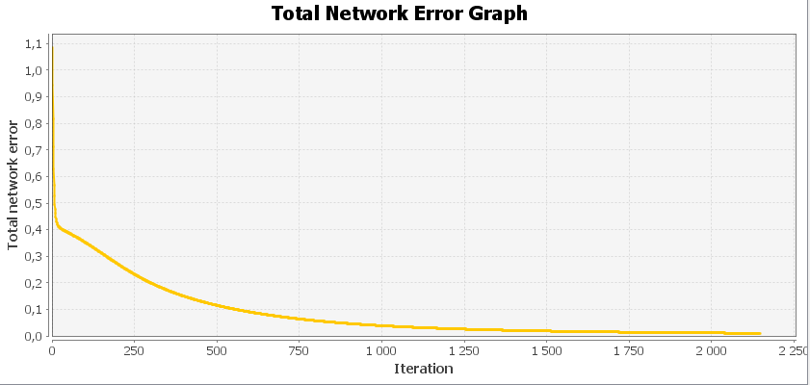
 |  |  |  |  | Inputs | 100 |  |  |  |  | Emotikon 1 |  |  |  |  |  |  |  |  | Desired output | 0 | 0 | 0 | 0 | 0 | 1
 |  |  |  |  | Outputs | 6 |  |  |  |  | Output | 0.8585 | 0.063 | 0.0608 | 0.0287 | 0.0288 | 0.079 |  |  | Error | 0.116 | 0.0343 | 0.0189 | 0.0395 | 0.0327 | -0.0928
 |  |  |  |  | Learning Rate | 0.01 |  |  |  |  | Desired output | 1 | 0 | 0 | 0 | 0 | 0
 |  |  |  |  | Iterations | 2147 |  |  |  |  | Error | -0.1415 | 0.063 | 0.0608 | 0.0287 | 0.0288 | 0.079 |  |  | Total Mean Square Error: 0.01654923938233509
 |  |  |  |  | Total Error | 0.0033164226651729444
 |  |  |  |  |  |  |  |  |  |  | Emotikon 2
 |  |  |  |  |  |  |  |  |  |  | Output | 0.0654 | 0.8962 | 0.0353 | 0.0584 | 0.0346 | 0.0169 |  | Test po większej modyfikacji emotikon:
 |  |  |  |  |  |  |  |  |  |  | Desired output | 0 | 1 | 0 | 0 | 0 | 0
 |  |  |  |  |  |  |  |  |  |  | Error | 0.0654 | -0.1038 | 0.0353 | 0.0584 | 0.0346 | 0.0169 |  | 1) | Emotikon 1
 |  |  |  |  |  |  |  |  |  |  |  |  |  |  |  |  |  |  |  | Output | 0.2539 | 0.0172 | 0.1682 | 0.0138 | 0.3659 | 0.1311 | Nieprawidłowe rozpoznanie
 |  |  |  |  |  |  |  |  |  |  | Emotikon 3 |  |  |  |  |  |  |  |  | Desired output | 1 | 0 | 0 | 0 | 0 | 0
 |  |  |  |  |  |  |  |  |  |  | Output | 0.0686 | 0.0396 | 0.9204 | 0.0387 | 0.0303 | 0.0101 |  |  | Error | -0.7461 | 0.0172 | 0.1682 | 0.0138 | 0.3659 | 0.1311
 |  |  |  |  |  |  |  |  |  |  | Desired output | 0 | 0 | 1 | 0 | 0 | 0
 |  |  |  |  |  |  |  |  |  |  | Error | 0.0686 | 0.0396 | -0.0796 | 0.0387 | 0.0303 | 0.0101
 |  |  |  |  |  |  |  |  |  |  |  |  |  |  |  |  |  |  |  | Emotikon 2
 |  |  |  |  |  |  |  |  |  |  | Emotikon 4 |  |  |  |  |  |  |  |  | Output | 0.0507 | 0.8616 | 0.0288 | 0.1104 | 0.0296 | 0.0255
 |  |  |  |  |  |  |  |  |  |  | Output | 0.0275 | 0.0635 | 0.0327 | 0.9153 | 0.0386 | 0.0156 |  |  | Desired output | 0 | 1 | 0 | 0 | 0 | 0
 |  |  |  |  |  |  |  |  |  |  | Desired output | 0 | 0 | 0 | 1 | 0 | 0 |  |  | Error | 0.0507 | -0.1384 | 0.0288 | 0.1104 | 0.0296 | 0.0255
 |  |  |  |  |  |  |  |  |  |  | Error | 0.0275 | 0.0635 | 0.0327 | -0.0847 | 0.0386 | 0.0156
 |  |  |  |  |  |  |  |  |  |  |  |  |  |  |  |  |  |  |  | Emotikon 3
 |  |  |  |  |  |  |  |  |  |  | Emotikon 5 |  |  |  |  |  |  |  |  | Output | 0.1062 | 0.0361 | 0.9296 | 0.079 | 0.0357 | 0.0146
 |  |  |  |  |  |  |  |  |  |  | Output | 0.029 | 0.0342 | 0.0154 | 0.0308 | 0.919 | 0.0443 |  |  | Desired output | 0 | 0 | 1 | 0 | 0 | 0
 |  |  |  |  |  |  |  |  |  |  | Desired output | 0 | 0 | 0 | 0 | 1 | 0 |  |  | Error | 0.1062 | 0.0361 | -0.0704 | 0.079 | 0.0357 | 0.0146
 |  |  |  |  |  |  |  |  |  |  | Error | 0.029 | 0.0342 | 0.0154 | 0.0308 | -0.081 | 0.0443

 |  |  |  |  |  |  |  |  |  |  | Emotikon 6 |  |  |  |  |  |  |  |  | Emotikon 4
 |  |  |  |  |  |  |  |  |  |  | Output | 0.089 | 0.0277 | 0.0167 | 0.0348 | 0.0523 | 0.9101 |  |  | Output | 0.0483 | 0.6073 | 0.0211 | 0.5291 | 0.0303 | 0.0316 | Nieprawidłowe rozpoznanie
 |  |  |  |  |  |  |  |  |  |  | Desired output | 0 | 0 | 0 | 0 | 0 | 1 |  |  | Desired output | 0 | 0 | 0 | 1 | 0 | 0
 |  |  |  |  |  |  |  |  |  |  | Error | 0.089 | 0.0277 | 0.0167 | 0.0348 | 0.0523 | -0.0899 |  |  | Error | 0.0483 | 0.6073 | 0.0211 | -0.4709 | 0.0303 | 0.0316

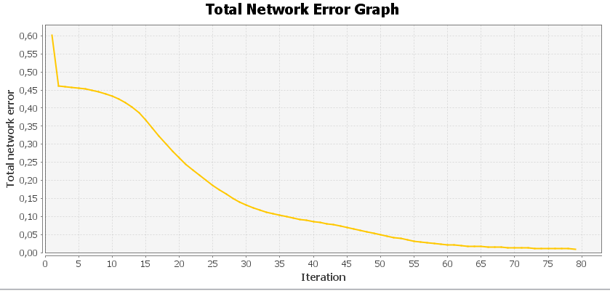
 |  |  |  |  | Inputs | 100 |  |  |  |  |  |  |  |  |  |  |  |  |  | Emotikon 5
 |  |  |  |  | Outputs | 6 |  |  |  |  | Emotikon 1 |  |  |  |  |  |  |  |  | Output | 0.0503 | 0.065 | 0.0806 | 0.0169 | 0.7708 | 0.0609
 |  |  |  |  | Learning Rate | 0.5 |  |  |  |  | Output | 0.8482 | 0.0653 | 0.0547 | 0.0223 | 0.0333 | 0.0747 |  |  | Desired output | 0 | 0 | 0 | 0 | 1 | 0
 |  |  |  |  | Iterations | 79 |  |  |  |  | Desired output | 1 | 0 | 0 | 0 | 0 | 0 |  |  | Error | 0.0503 | 0.065 | 0.0806 | 0.0169 | -0.2292 | 0.0609
 |  |  |  |  | Total Error | 0.0028992869355 |  |  |  |  | Error | -0.1518 | 0.0653 | 0.0547 | 0.0223 | 0.0333 | 0.0747

 |  |  |  |  |  |  |  |  |  |  | Emotikon 2
 |  |  |  |  |  |  |  |  |  |  | Output | 0.0458 | 0.9067 | 0.0363 | 0.08 | 0.0314 | 0.0168 |  |  | Emotikon 6
 |  |  |  |  |  |  |  |  |  |  | Desired output | 0 | 1 | 0 | 0 | 0 | 0 |  |  | Output | 0.6063 | 0.0353 | 0.0265 | 0.0379 | 0.085 | 0.2842 | Nieprawidłowe rozpoznanie
 |  |  |  |  |  |  |  |  |  |  | Error | 0.0458 | -0.0933 | 0.0363 | 0.08 | 0.0314 | 0.0168 |  |  | Desired output | 0 | 0 | 0 | 0 | 0 | 1
 |  |  |  |  |  |  |  |  |  |  |  |  |  |  |  |  |  |  |  | Error | 0.6063 | 0.0353 | 0.0265 | 0.0379 | 0.085 | -0.7158
 |  |  |  |  |  |  |  |  |  |  | Emotikon 3
 |  |  |  |  |  |  |  |  |  |  | Output | 0.054 | 0.0199 | 0.9259 | 0.0346 | 0.0339 | 0.0142 |  |  | Total Mean Square Error: 0.06538298779290691
 |  |  |  |  |  |  |  |  |  |  | Desired output | 0 | 0 | 1 | 0 | 0 | 0
 |  |  |  |  |  |  |  |  |  |  | Error | 0.054 | 0.0199 | -0.0741 | 0.0346 | 0.0339 | 0.0142
 |  |  |  |  |  |  |  |  |  |  |  |  |  |  |  |  |  |  | 2) | Emotikon 1
 |  |  |  |  |  |  |  |  |  |  | Emotikon 4 |  |  |  |  |  |  |  |  | Output | 0.2538 | 0.0171 | 0.168 | 0.0138 | 0.3658 | 0.1309 | Nieprawidłowe rozpoznanie
 |  |  |  |  |  |  |  |  |  |  | Output | 0.0264 | 0.0589 | 0.0269 | 0.9233 | 0.0328 | 0.0093 |  |  | Desired output | 1 | 0 | 0 | 0 | 0 | 0
 |  |  |  |  |  |  |  |  |  |  | Desired output | 0 | 0 | 0 | 1 | 0 | 0 |  |  | Error | -0.7462 | 0.0171 | 0.168 | 0.0138 | 0.3658 | 0.1309
 |  |  |  |  |  |  |  |  |  |  | Error | 0.0264 | 0.0589 | 0.0269 | -0.0767 | 0.0328 | 0.0093
 |  |  |  |  |  |  |  |  |  |  |  |  |  |  |  |  |  |  |  | Emotikon 2
 |  |  |  |  |  |  |  |  |  |  | Emotikon 5 |  |  |  |  |  |  |  |  | Output | 0.0506 | 0.8621 | 0.0287 | 0.1102 | 0.0295 | 0.0254
 |  |  |  |  |  |  |  |  |  |  | Output | 0.035 | 0.0289 | 0.0293 | 0.0173 | 0.9356 | 0.0409 |  |  | Desired output | 0 | 1 | 0 | 0 | 0 | 0
 |  |  |  |  |  |  |  |  |  |  | Desired output | 0 | 0 | 0 | 0 | 1 | 0 |  |  | Error | 0.0506 | -0.1379 | 0.0287 | 0.1102 | 0.0295 | 0.0254
 |  |  |  |  |  |  |  |  |  |  | Error | 0.035 | 0.0289 | 0.0293 | 0.0173 | -0.0644 | 0.0409
 |  |  |  |  |  |  |  |  |  |  |  |  |  |  |  |  |  |  |  | Emotikon 3
 |  |  |  |  |  |  |  |  |  |  | Emotikon 6 |  |  |  |  |  |  |  |  | Output | 0.1059 | 0.0359 | 0.9298 | 0.0788 | 0.0356 | 0.0146
0,001 | 4140 | 2147
0,2 | 214 | 135
0,5 | 82 | 79
 |  |  |  |  |  |  | Learning Rate | Forgeting Rate | Epochs | Error | Output | 0.0832 | 0.0239 | 0.0219 | 0.0107 | 0.0361 | 0.9267 |  |  | Desired output | 0 | 0 | 1 | 0 | 0 | 0
 |  |  |  |  |  |  | 0.001 | 0.003 | 4140 | 0.0033255556091 | Desired output | 0 | 0 | 0 | 0 | 0 | 1 |  |  | Error | 0.1059 | 0.0359 | -0.0702 | 0.0788 | 0.0356 | 0.0146
 |  |  |  |  |  |  | 0.2 | 0.03 | 214 | 0.0031743707504 | Error | 0.0832 | 0.0239 | 0.0219 | 0.0107 | 0.0361 | -0.0733
 |  |  |  |  |  |  | 0.5 | 0.1 | 82 | 0.0030332569794 |  |  |  |  |  |  |  |  |  | Emotikon 4
 |  |  |  |  |  |  |  |  |  |  |  |  |  |  |  |  |  |  |  | Output | 0.0482 | 0.6075 | 0.021 | 0.5291 | 0.0302 | 0.0315 | Nieprawidłowe rozpoznanie
 |  |  |  |  |  |  |  |  |  |  |  |  |  |  |  |  |  |  |  | Desired output | 0 | 0 | 0 | 1 | 0 | 0
 |  |  |  |  |  |  | Learning Rate | Epochs | Error |  |  |  |  |  |  |  |  |  |  | Error | 0.0482 | 0.6075 | 0.021 | -0.4709 | 0.0302 | 0.0315
 |  |  |  |  |  |  | 0.001 | 2147 | 0.0033164226652
 |  |  |  |  |  |  | 0.2 | 135 | 0.0030332569794 |  |  |  |  |  |  |  |  |  |  | Emotikon 5
 |  |  |  |  |  |  | 0.5 | 79 | 0.0028992869355 |  |  |  |  |  |  |  |  |  |  | Output | 0.0501 | 0.0648 | 0.0804 | 0.0168 | 0.7712 | 0.0607
 |  |  |  |  |  |  |  |  |  |  |  |  |  |  |  |  |  |  |  | Desired output | 0 | 0 | 0 | 0 | 1 | 0
 |  |  |  |  |  |  |  |  |  |  |  |  |  |  |  |  |  |  |  | Error | 0.0501 | 0.0648 | 0.0804 | 0.0168 | -0.2288 | 0.0607

 |  |  |  |  |  |  |  |  |  |  |  |  |  |  |  |  |  |  |  | Emotikon 6
 |  |  |  |  |  |  |  |  |  |  |  |  |  |  |  |  |  |  |  | Output | 0.6068 | 0.0351 | 0.0264 | 0.0378 | 0.0848 | 0.2839 | Nieprawidłowe rozpoznanie
 |  |  |  |  |  |  |  |  |  |  |  |  |  |  |  |  |  |  |  | Desired output | 0 | 0 | 0 | 0 | 0 | 1
 |  |  |  |  |  |  |  |  |  |  |  |  |  |  |  |  |  |  |  | Error | 0.6068 | 0.0351 | 0.0264 | 0.0378 | 0.0848 | -0.7161

 |  |  |  |  |  |  |  |  |  |  |  |  |  |  |  |  |  |  |  | Total Mean Square Error: 0.06539450837935258

