Sheet1
UNSKILLED |  | SEMI | SKILLED | HIGH
(DOES |  | SKILLED | (CAN | SKILLED
NOT |  | (WORK | WORK | (CAN | APPROVED BY (QUALITY HEAD) | CHECKED BY (QUALITY INCHARGE) | PREPARED BY (QUALITY ENGINEER)
KNOW |  | UNDER | INDEPEN-DENTLY) | TEACH
WORK) |  | GUIDANCE ) |  | OTHERS)

POKA YOKA SHEET

SkILL MATRIX line 1
 |  | Quality inspector skill Matrix

LINE NO : 01 |  |  |  | PART NAME : Washing Machine 8kg &9kg
QUALITY INSPECTORS |  |  |  | QUALITY APPROVING AUTHORITY:
SR.NO. | Skill Level | Name of Employee | work station | Shift | Skill Level | Name of Employee | Shift

sign
Deepak
sign
Anand
sign
Ruksar
1 |  | 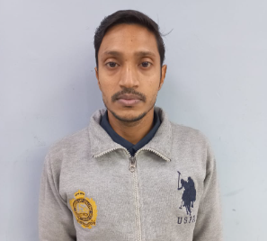 | final front |  |  |  | A
2 |  |  | final back
3 |  |  | LQC 5
sign
ARVIND
4 |  |  | Pre LQC
sign
sign
Komal
sign
Mr.Manoj
5 |  | 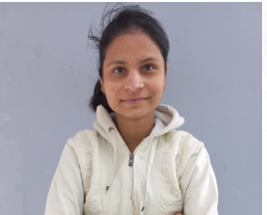 | Leakage Check
sign
sign
Saima
6 |  |  | HVIR
sign
sign
Jitendra
7 |  |  | Base inspection
sign
sign
Sandeep
8 |  | 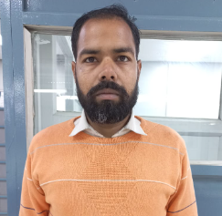 | Panel Inspector
sign
sign
Chandar Bhan
10 |  |  | Tub Inspector

