Calculator
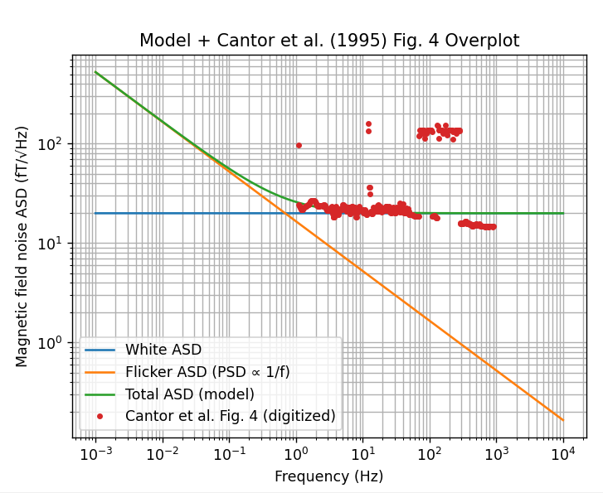
Gradiometer Noise Calculator

Inputs |  | Coefficient lookup (from central-difference stencils)
Gradiometer length L [m] | 10 | N | sum(c_i^2)
Number of sensors / points N | 2 | 1 | 1
Output quantity (gradient or difference) | gradient | 2 | 2
Required gradiometer RMS [pT/m if gradient, pT if difference] | 1 | 3 | 2
Band low f_low [Hz] | 2.777778E-04 | 5 | 14.444444444
Band high f_high [Hz] | 8.734921E-03 | 7 | 42.14
 |  | 9 | 87.22739229
Computed |  | 11 | 150.95518393
Lookup sum(c_i^2) from N | 2.0
weight_sq_sum = output_variance / sensor_variance | 0.020
Required sensor RMS [pT] | 7.1
Bandwidth Delta_f [Hz] | 0.008
Flat sensor ASD for same RMS [pT/sqrt(Hz)] | 77 | RMS estimate [pT] | 7.0710678119

Assume PSD(f) = K/f
K [pT^2] | 15

Sensor ASD at characteristic frequency [pT/sqrt(Hz)] | 77 | RMS estimate [pT] | 7.0710678119 | ratio | 1
Characteristic frequency f_char [Hz] where ASD(f_char)*sqrt(BW)=required sensor RMS | 0.0025 | RMS estimate [pT]

1/f ASD coefficient at 1 Hz from SQUID model [fT/sqrt(Hz)] | 22.5167
Integrated 1/f sensor RMS over band [pT] | 0.041812

Trial frequency for 1/f ASD [Hz] | 1
1/f sensor ASD at trial frequency [pT/sqrt(Hz)] | 0.022517
1/f sensor ASD at trial frequency [fT/sqrt(Hz)] | 22.5167

Margin factor | 169
Maximum allowed 2/f noise at trial freq [pT/sqrt(Hz)] | 3.8
Notes:
- N lookup table is precomputed using solar_wind_functions.central_difference_coefficients.
- For N not in lookup, add rows in columns E:F (or set B12 manually).
- Band center frequencies are listed below each center-ASD pair.
- 1/f ASD model: ASD(f) = (A_1Hz/1000)/SQRT(f), where A_1Hz is in fT/sqrt(Hz) and ASD is in pT/sqrt(Hz).
- Integrated 1/f RMS over [f_low, f_high]: RMS = (A_1Hz/1000)*SQRT(LN(f_high/f_low)) [pT].

