Calculator
Gradiometer Noise Calculator

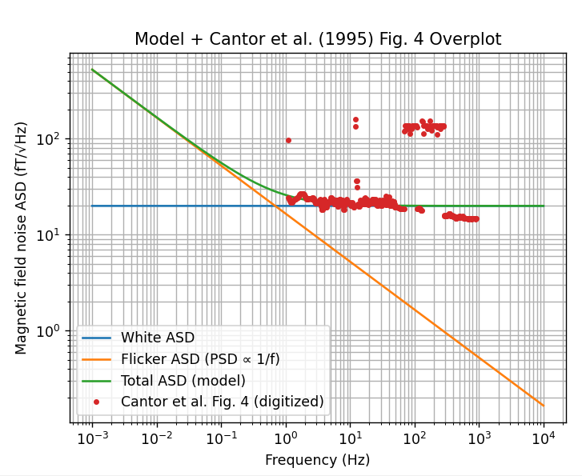
Inputs | 1 m gradiometer, SQUID | 1 km gradiometer flux gate | 10 m gradiometer, Flux gate, rotating at 10 Hz | Coefficient lookup (from central-difference stencils)
Gradiometer length L [m] | 1 | 1000 | 10 | N | sum(c_i^2)
Number of sensors / points N | 2 | 2 | 2 | 1 | 1
Output quantity (gradient or difference) | gradient | gradient | gradient | 2 | 2
Required gradiometer RMS [pT/m if gradient, pT if difference] | 1 | 1 | 1 | 3 | 2
Band low f_low [Hz] | 2.777778E-04 | 2.777778E-04 | 2.777778E-04 | 5 | 14.444444444
Band high f_high [Hz] | 8.734921E-03 | 8.734921E-03 | 8.734921E-03 | 7 | 42.14
 |  |  |  | 9 | 87.22739229
Computed |  |  |  | 11 | 150.95518393
Lookup sum(c_i^2) from N | 2.0 | 2.0 | 2.0
weight_sq_sum = output_variance / sensor_variance | 2.000 | 0.000 | 0.020
Required sensor RMS [pT] | 0.7 | 707.1 | 7.1
Bandwidth Delta_f [Hz] | 0.008 | 0.008 | 0.008
ln(f_high/f_low) | 3.448 | 3.448 | 3.448
Band validity check | OK | OK | OK

Sensor Properties
Sensor | HTS SQUID | Fluxgate | Fluxgate
reference for noise | Cantor et al IEEE TRANSACTIONS ON APPLIED SUPERCONDUCTIVITY, VOL. 5, NO. 2, JUNE 1995 | Kivelson Space Science Reviews (2023) 219:48 | Kivelson Space Science Reviews (2023) 219:48
Sensor white noise [pT/sqrt(Hz)] | 0.020 | 50 | 50
Sensor 1/f noise at 1 Hz [pT/sqrt(Hz)] | 0.022 | 100 | 100
Assume PSD(f) = K/f, ASD = SQRT(K/f)
K [pT^2] | 4.84E-04 | 1.00E+04 | 1.00E+04
Sensor RMS white noise over band [pT] | 0.00184 | 4.59814 | 4.59814
Sensor RMS 1/f noise over band [pT] | 0.0409 | 185.6950 | 185.6950

Ratio to required RMS
White noise RMS ratio | 0.00260 | 0.00650 | 0.65027
1/f RMS ratio | 0.0578 | 0.2626 | 26.2612

White noise requirements to get the required sensor RMS in band
White noise must be less than [pT/root Hz] | 7.689058 | 7689.058244 | 76.890582
White noise at 1 Hz ratio <1 | 0.00260 | 0.00650 | 0.65027
 |  |  |  |  |  | Kivelson Space Science Reviews (2023) 219:48
1/f noise requirements to get the required sensor RMS in band
K must be less than [pT^2] | 0.145001 | 145000.549931 | 14.500055
K ratio <1 | 0.0033379 | 0.0689653 | 689.6525568
1/f at 1 Hz must be less than | 0.38 | 380.8 | 3.8
1/f @ 1Hz ratio <1 | 0.0578 | 0.2626 | 26.2612

Notes:

- N lookup table is precomputed using solar_wind_functions.central_difference_coefficients.
- For N not in lookup, add rows in columns E:F (or set B12:D12 manually).
- Band center frequencies are listed below each center-ASD pair.
- The 1/f ASD model: ASD(f) = SQRT(K/f), ASD is in pT/sqrt(Hz); PSD = K/f [pT^2/Hz].
- Integrated 1/f RMS over [f_low, f_high]: RMS = SQRT(K*LN(f_high/f_low)) [pT].

