Calculator
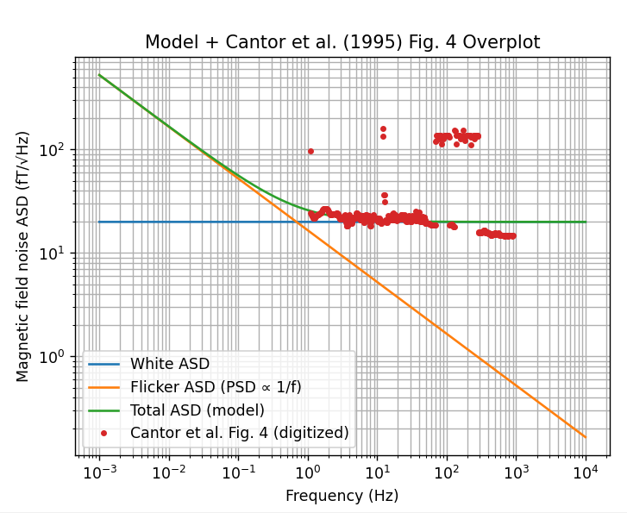
Gradiometer Noise Calculator

Inputs | 10 m gradiometer, SQUID | 1 km gradiometer flux gate | 1 m gradiometer, SQUID | 10 cm gradiometer, SQUID | 10 m gradiometer, flux gatee | 100 km gradiometer flux gate | Coefficient lookup (from central-difference stencils)
Gradiometer length L [m] | 10 | 1000 | 1 | 0.1 | 10 | 100000 | N | sum(c_i^2)
Number of sensors / points N | 2 | 2 | 2 | 2 | 2 | 2 | 1 | 1
Output quantity (gradient or difference) | gradient | gradient | gradient | gradient | gradient | gradient | 2 | 2
Required gradiometer RMS [pT/m if gradient, pT if difference] | 1 | 1 | 1 | 1 | 1 | 1 | 3 | 2
Band low f_low [Hz] | 2.777778E-04 | 2.777778E-04 | 2.777778E-04 | 2.777778E-04 | 2.777778E-04 | 2.777778E-04 | 5 | 14.444444444
Band high f_high [Hz] | 8.734921E-03 | 8.734921E-03 | 8.734921E-03 | 8.734921E-03 | 8.734921E-03 | 8.734921E-03 | 7 | 42.14
 |  |  |  |  |  |  | 9 | 87.22739229
Computed |  |  |  |  |  |  | 11 | 150.95518393
Lookup sum(c_i^2) from N | 2.0 | 2.0 | 2.0 | 2.0 | 2.0 | 2.0
weight_sq_sum = output_variance / sensor_variance | 0.020 | 0.000 | 2.000 | 200.000 | 0.020 | 0.000
Required sensor RMS [pT] | 7.1 | 707.1 | 0.7 | 0.1 | 7.1 | 70710.7
Bandwidth Delta_f [Hz] | 0.008 | 0.008 | 0.008 | 0.008 | 0.008 | 0.008
Flat sensor ASD for same RMS [pT/sqrt(Hz)] | 77 | 7689 | 8 | 1 | 77 | 768906 | RMS estimate [pT] | 7.0710678119

Assume PSD(f) = K/f
K [pT^2] | 15 | 145001 | 0 | 0 | 15 | 1450005499

Sensor ASD at characteristic frequency [pT/sqrt(Hz)] | 77 | 7689 | 8 | 1 | 77 | 768906 | RMS estimate [pT] | 7.0710678119 |  | ratio | 1
Characteristic frequency f_char [Hz] where ASD(f_char)*sqrt(BW)=required sensor RMS | 0.0025 | 0.0025 | 0.0025 | 0.0025 | 0.0025 | 0.0025 | RMS estimate [pT]

Sensor | HTS SQUID | Fluxgate | HTS SQUID | HTS SQUID | Fluxgate | Fluxgate
1/f ASD coefficient at 1 Hz from sensor model [fT/sqrt(Hz)] | 22.5167 | 100000.0000 | 22.5167 | 22.5167 | 100000.0000 | 100000.0000 |  | HTS SQUID | Fluxgate
Integrated 1/f sensor RMS over band [pT] | 0.041812 | 1.856950E+02 | 0.041812 | 0.041812 | 1.856950E+02 | 1.856950E+02 |  | 22.5167 | 100000.0000
 |  |  |  |  |  |  |  | 0.019206 | #DIV/0!
Trial frequency for 1/f ASD [Hz] | 1 | 1 | 1 | 1 | 1 | 1
reference for noise | Cantor et al IEEE TRANSACTIONSON APPLIED SUPERCONDUCTIVITY, VOL. 5, NO. 2, JUNE 1995 | Kivelson Space Science Reviews (2023) 219:48 | Cantor et al IEEE TRANSACTIONSON APPLIED SUPERCONDUCTIVITY, VOL. 5, NO. 2, JUNE 1995 | Cantor et al IEEE TRANSACTIONSON APPLIED SUPERCONDUCTIVITY, VOL. 5, NO. 2, JUNE 1995 | Kivelson Space Science Reviews (2023) 219:48 | Kivelson Space Science Reviews (2023) 219:48 |  | 1 | 1
1/f sensor ASD at trial frequency [pT/sqrt(Hz)] | 0.022517 | 100.000000 | 0.022517 | 0.022517 | 100.000000 | 100.000000 |  | Cantor et al IEEE TRANSACTIONSON APPLIED SUPERCONDUCTIVITY, VOL. 5, NO. 2, JUNE 1995 | Kivelson Space Science Reviews (2023) 219:48
1/f sensor ASD at trial frequency [fT/sqrt(Hz)] | 22.5167 | 100000.0000 | 22.5167 | 22.5167 | 100000.0000 | 100000.0000 |  | 0.022517 | 100.000000
 |  |  |  |  |  |  |  | 22.5167 | 100000.0000
Margin factor | 169 | 3.81 | 16.9114 | 1.6911 | 0.04 | 381
Maximum allowed 1/f noise at trial freq [pT/sqrt(Hz)] | 3.8 | 380.8 | 0.381 | 0.038 | 3.8 | 38078.9
White noise Maximum average noise over band (pT/root Hz) | 76.9 | 7689.1 | 7.7 | 0.8 | 76.9 | 768905.8
Notes:
- N lookup table is precomputed using solar_wind_functions.central_difference_coefficients.
- For N not in lookup, add rows in columns E:F (or set B12 manually).
- Band center frequencies are listed below each center-ASD pair.
- 1/f ASD model: ASD(f) = (A_1Hz/1000)/SQRT(f), where A_1Hz is in fT/sqrt(Hz) and ASD is in pT/sqrt(Hz).
- Integrated 1/f RMS over [f_low, f_high]: RMS = (A_1Hz/1000)*SQRT(LN(f_high/f_low)) [pT].

