Summary
Category | Count
Passed | 11
Failed | 11
Skipped | 0
Total | 22
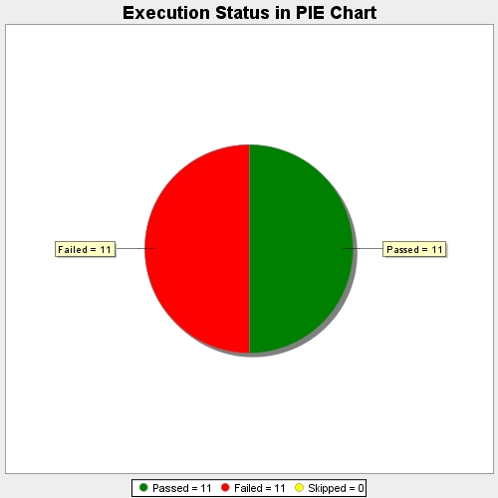
Start Time | 2018-09-18T09:26:02Z
End Time | 2018-09-18T10:41:14Z
Duration | 4511785 ms

