Flow diagrams
Flow diagrams - how the fish waste is used in each system (per pond and production cycle)
Source: INTEGRATE deliverable PI05#3 (IPMA & CTAQUA, 2020)
Diagrams from make_flow.py (static). The table next to each one is live: it reads the Inventory and Nutrient balance tabs.

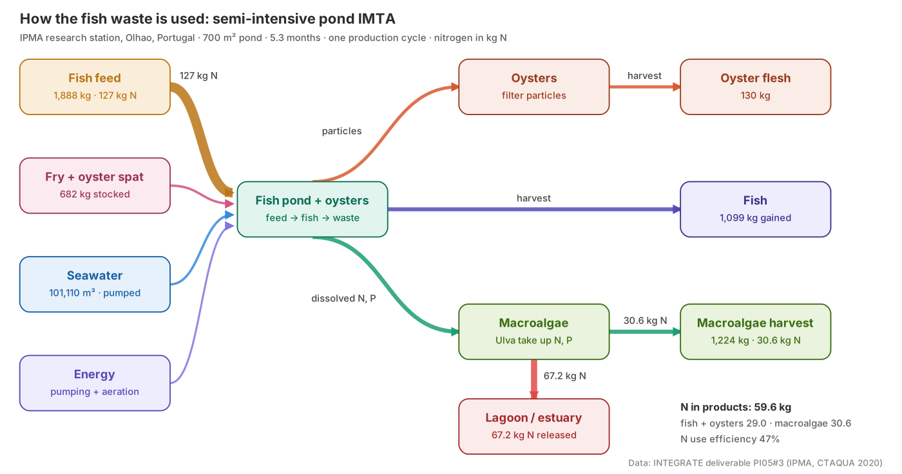
Semi-intensive pond IMTA
 | Data: Semi-intensive pond IMTA, one pond and cycle
 | Flow | Value | Unit
 | Fish feed | 1,888 | kg
 | N in feed | 126.9 | kg N
 | Fry + oyster spat stocked | 683 | kg
 | Seawater | 101,110 | m3
 | Fish gained | 1,099 | kg
 | Oyster flesh gained | 130 | kg
 | Macroalgae harvest | 1,224 | kg
 | N in fish + oysters | 29.0 | kg N
 | N in macroalgae | 30.6 | kg N
 | N in products | 59.6 | kg N
 | N released (Table 5; minus = net uptake) | 67.2 | kg N
 | N use efficiency | 47% | %

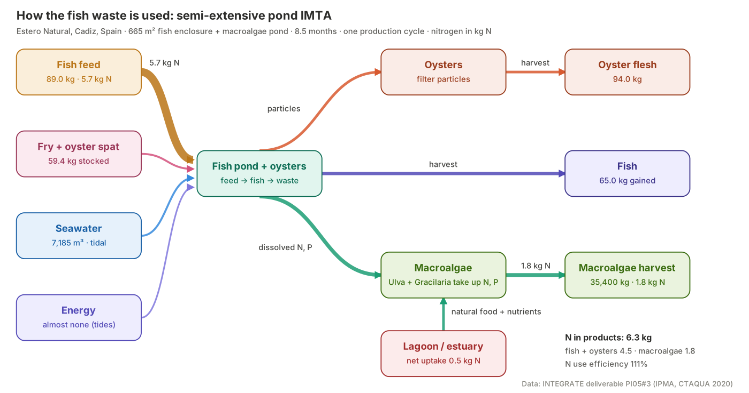
Semi-extensive pond IMTA
 | Data: Semi-extensive pond IMTA, one pond and cycle
 | Flow | Value | Unit
 | Fish feed | 89 | kg
 | N in feed | 5.7 | kg N
 | Fry + oyster spat stocked | 59 | kg
 | Seawater | 7,185 | m3
 | Fish gained | 65 | kg
 | Oyster flesh gained | 94 | kg
 | Macroalgae harvest | 35,400 | kg
 | N in fish + oysters | 4.5 | kg N
 | N in macroalgae | 1.8 | kg N
 | N in products | 6.3 | kg N
 | N released (Table 5; minus = net uptake) | -0.5 | kg N
 | N use efficiency | 111% | %

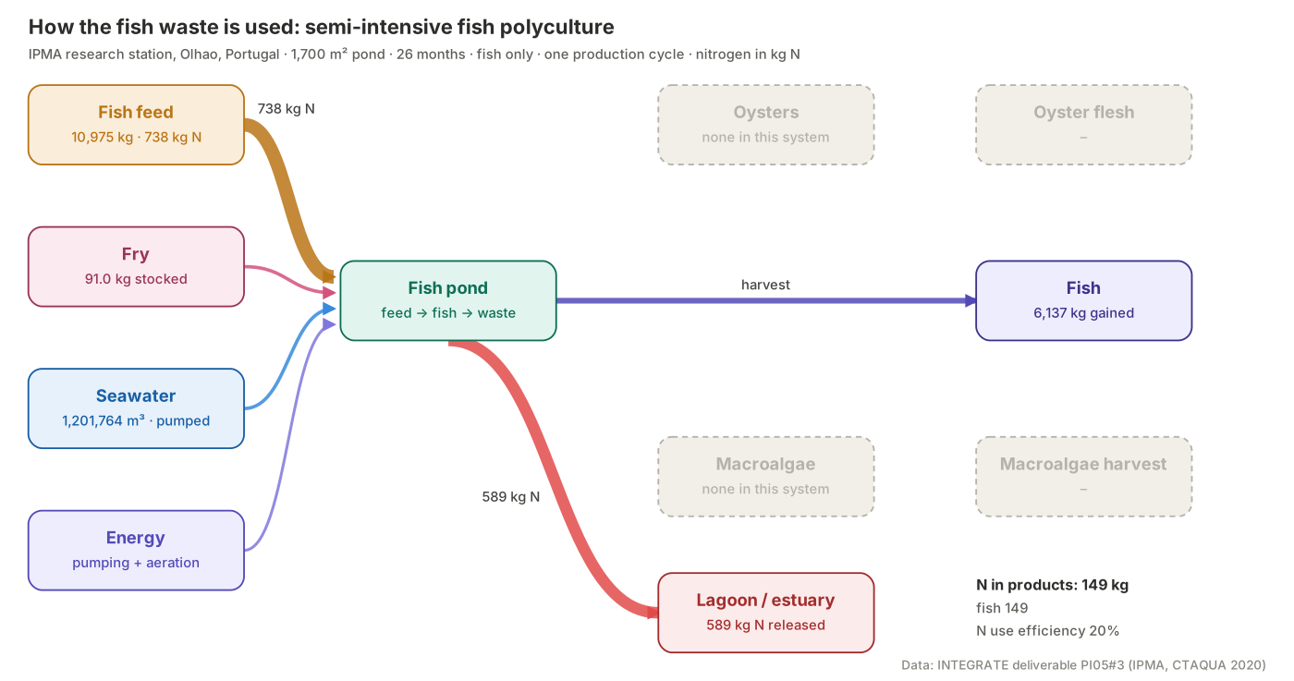
Semi-intensive fish polyculture
 | Data: Semi-intensive fish polyculture, one pond and cycle
 | Flow | Value | Unit
 | Fish feed | 10,975 | kg
 | N in feed | 737.5 | kg N
 | Fry + oyster spat stocked | 91 | kg
 | Seawater | 1,201,764 | m3
 | Fish gained | 6,137 | kg
 | Oyster flesh gained | 0 | kg
 | Macroalgae harvest | 0 | kg
 | N in fish + oysters | 148.8 | kg N
 | N in macroalgae | 0.0 | kg N
 | N in products | 148.8 | kg N
 | N released (Table 5; minus = net uptake) | 588.7 | kg N
 | N use efficiency | 20% | %

Contribution analysis
Contribution analysis - which process drives which impact, per tonne of fish + oyster
Source: INTEGRATE deliverable PI05#3 (IPMA & CTAQUA, 2020)
All values are formulas on the LCIA (Annex 1) tab. Share = process / sum of the absolute process amounts, so a negative share is a removal (net nutrient uptake).

1 Share of each impact per process group (heatmap) and contribution chart per system
Contribution per impact category - Semi-intensive pond IMTA
Semi-intensive pond IMTA
Process group | GW | TCED | NPPU | AP | EP | LC | WD
Feeds | 55% | 23% | 99% | 19% | 31% | 66% | 0%
Rejects fish (uneaten feed, excretion) | 0% | 0% | 0% | 60% | 62% | 0% | 0%
Energy consumption | 12% | 51% | 0% | 5% | 4% | 0% | 0%
Transports | 12% | 6% | 0% | 5% | 0% | 0% | 0%
Equipment | 14% | 16% | 0% | 7% | 4% | 0% | 0%
Direct activity (farm area, water mgmt.) | 0% | 0% | 0% | 0% | 0% | 32% | 50%
Water consumption | 0% | 0% | 0% | 0% | 0% | 0% | 50%
Other (buildings, vehicles, chemicals, fry) | 8% | 4% | 1% | 5% | 0% | 2% | 0%

Contribution per impact category - Semi-extensive pond IMTA
Semi-extensive pond IMTA
Process group | GW | TCED | NPPU | AP | EP | LC | WD
Feeds | 58% | 41% | 99% | 60% | 75% | 14% | 0%
Rejects fish (uneaten feed, excretion) | 0% | 0% | 0% | 0% | -25% | 0% | 0%
Energy consumption | 0% | 0% | 0% | 0% | 0% | 0% | 0%
Transports | 17% | 18% | 0% | 20% | 0% | 0% | 0%
Equipment | 18% | 33% | 0% | 20% | 0% | 0% | 0%
Direct activity (farm area, water mgmt.) | 0% | 0% | 0% | 0% | 0% | 86% | 61%
Water consumption | 0% | 0% | 0% | 0% | 0% | 0% | 39%
Other (buildings, vehicles, chemicals, fry) | 6% | 7% | 1% | 0% | 0% | 1% | 0%

Contribution per impact category - Semi-intensive fish polyculture
Semi-intensive fish polyculture
Process group | GW | TCED | NPPU | AP | EP | LC | WD
Feeds | 66% | 25% | 100% | 23% | 13% | 80% | 0%
Rejects fish (uneaten feed, excretion) | 0% | 0% | 0% | 66% | 85% | 0% | 0%
Energy consumption | 17% | 66% | 0% | 7% | 2% | 1% | 0%
Transports | 13% | 6% | 0% | 5% | 0% | 0% | 0%
Equipment | 1% | 1% | 0% | 0% | 0% | 0% | 0%
Direct activity (farm area, water mgmt.) | 0% | 0% | 0% | 0% | 0% | 19% | 50%
Water consumption | 0% | 0% | 0% | 0% | 0% | 0% | 50%
Other (buildings, vehicles, chemicals, fry) | 3% | 2% | 0% | 0% | 0% | 0% | 0%

2 Contribution per impact category, absolute amounts per tonne (stacked by process group)
Global warming by process
GW - Global warming (kg CO2-eq per t)
Process group |  | Semi-intensive pond IMTA | Semi-extensive pond IMTA | Semi-intensive fish polyculture
Feeds |  | 1,549 | 733 | 1,873
Rejects fish (uneaten feed, excretion) |  | 0 | 0 | 0
Energy consumption |  | 330 | 6 | 474
Transports |  | 325 | 208 | 379
Equipment |  | 386 | 228 | 15
Direct activity (farm area, water mgmt.) |  | 0 | 0 | 0
Water consumption |  | 0 | 0 | 0
Other (buildings, vehicles, chemicals, fry) |  | 212 | 79 | 94
Total (reported) |  | 2,801 | 1,255 | 2,836

Cumulative energy demand by process
TCED - Cumulative energy demand (MJ-eq per t)
Process group |  | Semi-intensive pond IMTA | Semi-extensive pond IMTA | Semi-intensive fish polyculture
Feeds |  | 21,028 | 7,900 | 25,185
Rejects fish (uneaten feed, excretion) |  | 0 | 0 | 0
Energy consumption |  | 45,724 | 82 | 65,724
Transports |  | 5,483 | 3,497 | 6,409
Equipment |  | 14,023 | 6,248 | 555
Direct activity (farm area, water mgmt.) |  | 0 | 0 | 0
Water consumption |  | 0 | 0 | 0
Other (buildings, vehicles, chemicals, fry) |  | 3,870 | 1,370 | 2,024
Total (reported) |  | 90,127 | 19,097 | 99,897

Net primary production use by process

NPPU - Net primary production use (kg C per t)
Process group |  | Semi-intensive pond IMTA | Semi-extensive pond IMTA | Semi-intensive fish polyculture
Feeds |  | 10,423 | 4,365 | 12,357
Rejects fish (uneaten feed, excretion) |  | 0 | 0 | 0
Energy consumption |  | 0 | 0 | 0
Transports |  | 0 | 0 | 0
Equipment |  | 0 | 0 | 0
Direct activity (farm area, water mgmt.) |  | 0 | 0 | 0
Water consumption |  | 0 | 0 | 0
Other (buildings, vehicles, chemicals, fry) |  | 55 | 37 | 1
Total (reported) |  | 10,478 | 4,402 | 12,358

Acidification by process

AP - Acidification (kg SO2-eq per t)
Process group |  | Semi-intensive pond IMTA | Semi-extensive pond IMTA | Semi-intensive fish polyculture
Feeds |  | 8 | 3 | 10
Rejects fish (uneaten feed, excretion) |  | 25 | 0 | 29
Energy consumption |  | 2 | 0 | 3
Transports |  | 2 | 1 | 2
Equipment |  | 3 | 1 | 0
Direct activity (farm area, water mgmt.) |  | 0 | 0 | 0
Water consumption |  | 0 | 0 | 0
Other (buildings, vehicles, chemicals, fry) |  | 2 | 0 | 0
Total (reported) |  | 42 | 6 | 45

Eutrophication by process

EP - Eutrophication (kg PO4-eq per t)
Process group |  | Semi-intensive pond IMTA | Semi-extensive pond IMTA | Semi-intensive fish polyculture
Feeds |  | 8 | 3 | 8
Rejects fish (uneaten feed, excretion) |  | 16 | -1 | 51
Energy consumption |  | 1 | 0 | 1
Transports |  | 0 | 0 | 0
Equipment |  | 1 | 0 | 0
Direct activity (farm area, water mgmt.) |  | 0 | 0 | 0
Water consumption |  | 0 | 0 | 0
Other (buildings, vehicles, chemicals, fry) |  | 0 | 0 | 0
Total (reported) |  | 26 | 2 | 61

Land competition by process

LC - Land competition (m2a per t)
Process group |  | Semi-intensive pond IMTA | Semi-extensive pond IMTA | Semi-intensive fish polyculture
Feeds |  | 1,942 | 660 | 1,897
Rejects fish (uneaten feed, excretion) |  | 0 | 0 | 0
Energy consumption |  | 8 | 0 | 12
Transports |  | 4 | 3 | 5
Equipment |  | 6 | 0 | 0
Direct activity (farm area, water mgmt.) |  | 941 | 4,194 | 460
Water consumption |  | 0 | 0 | 0
Other (buildings, vehicles, chemicals, fry) |  | 45 | 27 | 3
Total (reported) |  | 2,946 | 4,885 | 2,379

Water dependence by process

WD - Water dependence (m3 per t)
Process group |  | Semi-intensive pond IMTA | Semi-extensive pond IMTA | Semi-intensive fish polyculture
Feeds |  | 47 | 14 | 44
Rejects fish (uneaten feed, excretion) |  | 0 | 0 | 0
Energy consumption |  | 38 | 0 | 54
Transports |  | 3 | 2 | 3
Equipment |  | 6 | 5 | 0
Direct activity (farm area, water mgmt.) |  | 81,336 | 70,297 | 197,067
Water consumption |  | 82,261 | 45,273 | 195,829
Other (buildings, vehicles, chemicals, fry) |  | 150 | 101 | 5
Total (reported) |  | 163,840 | 115,691 | 393,002

Comparison
Comparison per tonne of fish + oyster, and change against the polyculture baseline
Source: INTEGRATE deliverable PI05#3 (IPMA & CTAQUA, 2020)

Impact category | Unit | Semi-intensive pond IMTA | Semi-extensive pond IMTA | Semi-intensive fish polyculture | SI-IMTA vs POLY | SE-IMTA vs POLY | Lowest
GW - Global warming | kg CO2-eq | 2,801 | 1,255 | 2,836 | -1% | -56% | Semi-extensive pond IMTA
TCED - Cumulative energy demand | MJ-eq | 90,127 | 19,097 | 99,897 | -10% | -81% | Semi-extensive pond IMTA
NPPU - Net primary production use | kg C | 10,478 | 4,402 | 12,358 | -15% | -64% | Semi-extensive pond IMTA
AP - Acidification | kg SO2-eq | 42 | 6 | 45 | -7% | -87% | Semi-extensive pond IMTA
EP - Eutrophication | kg PO4-eq | 26 | 2 | 61 | -57% | -97% | Semi-extensive pond IMTA
LC - Land competition | m2a | 2,946 | 4,885 | 2,379 | +24% | +105% | Semi-intensive fish polyculture
WD - Water dependence | m3 | 163,840 | 115,691 | 393,002 | -58% | -71% | Semi-extensive pond IMTA

Implied impact per kg of feed (Feeds process / feed per tonne) - a check that the feed model is consistent
Indicator | Unit | Semi-intensive pond IMTA | Semi-extensive pond IMTA | Semi-intensive fish polyculture
Global warming of feed | kg CO2-eq/kg feed | 1.01 | 1.31 | 1.05
Cumulative energy demand of feed | MJ-eq/kg feed | 13.69 | 14.11 | 14.08
Net primary production use of feed | kg C/kg feed | 6.78 | 7.80 | 6.91
Change against fish polyculture (negative = better)

Dashboard
Dashboard - pond IMTA vs fish polyculture
Source: INTEGRATE deliverable PI05#3 (IPMA & CTAQUA, 2020)
Global warming by process
 | Semi-intensive pond IMTA | Semi-extensive pond IMTA | Semi-intensive fish polyculture
KPI targets met | 9 / 13 | 12 / 13 | 0 / 13
Global warming, kg CO2-eq/t | 2,801 | 1,255 | 2,836
Eutrophication, kg PO4-eq/t | 26 | 2 | 61
Water dependence, m3/t | 163,840 | 115,691 | 393,002
Land competition, m2a/t | 2,946 | 4,885 | 2,379
Nitrogen use efficiency | 47% | 111% | 20%
Net N released, kg N/t | 54.7 | -3.8 | 95.9

Global warming by process (kg CO2-eq per t) - chart data
Process | Semi-intensive pond IMTA | Semi-extensive pond IMTA | Semi-intensive fish polyculture
Building impact | 137 | 12 | 13
Energy consumption | 330 | 6 | 474
Vehicle | 32 | 8 | 80
Chemical products | 0 | 30 | 0
Equipment | 386 | 228 | 15
Fry | 43 | 29 | 1
Feeds | 1,549 | 733 | 1,873
Eutrophication per tonne
Transports | 325 | 208 | 379

Charts
Charts - all live: they update when an input or target changes
Source: INTEGRATE deliverable PI05#3 (IPMA & CTAQUA, 2020)
Environmental profile (% of fish-only pond; smaller = lower impact)
1 Environmental profile: each impact per tonne as % of the fish-only pond (100 % = baseline)
Impact category | Semi-intensive pond IMTA | Semi-extensive pond IMTA | Semi-intensive fish polyculture
Global warming | 99% | 44% | 100%
Cumulative energy demand | 90% | 19% | 100%
Net primary production use | 85% | 36% | 100%
Acidification | 93% | 13% | 100%
Eutrophication | 43% | 3% | 100%
Land competition | 124% | 205% | 100%
Water dependence | 42% | 29% | 100%

Change against the fish-only pond
2 Change per tonne against the fish-only pond (negative = better)
Impact category | SI-IMTA vs POLY | SE-IMTA vs POLY
Global warming | -1% | -56%
Cumulative energy demand | -10% | -81%
Net primary production use | -15% | -64%
Acidification | -7% | -87%
Eutrophication | -57% | -97%
Land competition | +24% | +105%
Water dependence | -58% | -71%

Where the feed nitrogen goes

3 Fate of the nitrogen in the feed, kg N per tonne (negative release = net uptake from the water)
System | in fish + oysters | in macroalgae | released to water (net)
Semi-intensive pond IMTA | 23.6 | 24.9 | 54.7
Semi-extensive pond IMTA | 28.3 | 11.3 | -3.8
Semi-intensive fish polyculture | 24.2 | 0.0 | 95.9

Where the feed phosphorus goes

4 Fate of the phosphorus in the feed, kg P per tonne (negative release = net uptake from the water)
System | in fish + oysters | in macroalgae | released to water (net)
Semi-intensive pond IMTA | 4.8 | 2.1 | 14.6
Semi-extensive pond IMTA | 6.3 | 0.6 | 0.4
Semi-intensive fish polyculture | 4.1 | 0.0 | 21.0

KPI targets met (of 13)

5 KPI targets met per system
System | Environmental (of 7) | Circularity (of 6) | Total (of 13)
Semi-intensive pond IMTA | 3 | 6 | 9
Semi-extensive pond IMTA | 6 | 6 | 12
Semi-intensive fish polyculture | 0 | 0 | 0

Margin to KPI target (right of 0 = met)

6 Margin to target per KPI (positive = target met; capped at -100 % and +150 %; blank = baseline)
KPI | Semi-intensive pond IMTA | Semi-extensive pond IMTA | Semi-intensive fish polyculture
E1 Global warming | -10% | +51% | #N/A
E2 Cumulative energy demand | -0% | +79% | #N/A
E3 Net primary production use | +6% | +60% | #N/A
E4 Acidification | -4% | +85% | #N/A
E5 Eutrophication | +53% | +96% | #N/A
E6 Land competition | -38% | -100% | #N/A
E7 Water dependence | +54% | +67% | #N/A
C1 Nitrogen use efficiency | +34% | +150% | -42%
C2 Phosphorus use efficiency | +7% | +150% | -46%
C3 Net N released to water | +9% | +106% | -60%
C4 Fish feed conversion ratio | +2% | +22% | -2%
C5 Share of non-fed (extractive) biomass | +10% | +100% | -100%
C6 Feed share of global warming | +8% | +3% | -10%

Figures
Figures - the report charts drawn by make_charts.py, each with its data table on the right
Source: INTEGRATE deliverable PI05#3 (IPMA & CTAQUA, 2020)
The pictures are static (published values). The tables next to them are live formulas, so they update when you change an input.

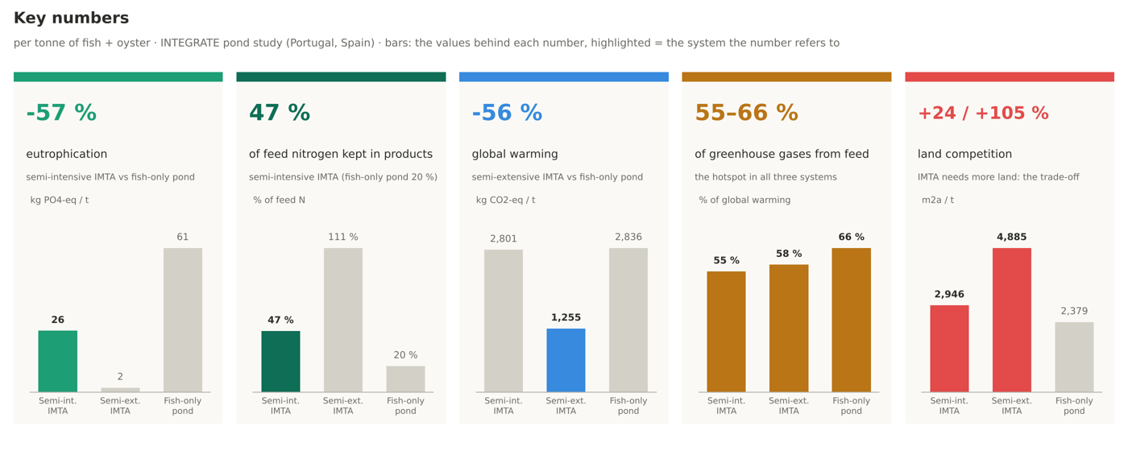
00_key_numbers.png
 | Data: key numbers (per tonne of fish + oyster)
 | Indicator | Semi-intensive pond IMTA | Semi-extensive pond IMTA | Semi-intensive fish polyculture
 | Eutrophication, kg PO4-eq/t | 26 | 2 | 61
 | Eutrophication vs fish-only pond | -57% | -97% | 0%
 | Feed nitrogen kept in products | 47% | 111% | 20%
 | Global warming, kg CO2-eq/t | 2,801 | 1,255 | 2,836
 | Global warming vs fish-only pond | -1% | -56% | 0%
 | Share of global warming from feed | 55% | 58% | 66%
 | Land competition, m2a/t | 2,946 | 4,885 | 2,379
 | Land competition vs fish-only pond | 24% | 105% | 0%

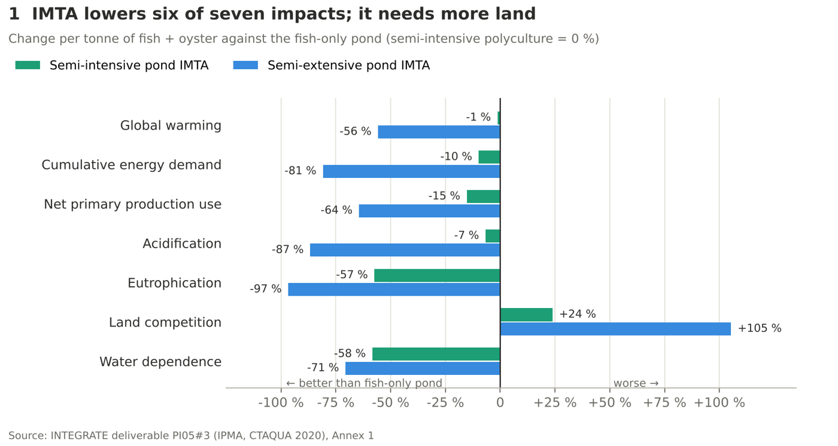
01_change_vs_fish_pond.png
 | Data: change per tonne against the fish-only pond
 | Impact category | SI-IMTA vs POLY | SE-IMTA vs POLY
 | Global warming | -1% | -56%
 | Cumulative energy demand | -10% | -81%
 | Net primary production use | -15% | -64%
 | Acidification | -7% | -87%
 | Eutrophication | -57% | -97%
 | Land competition | +24% | +105%
 | Water dependence | -58% | -71%

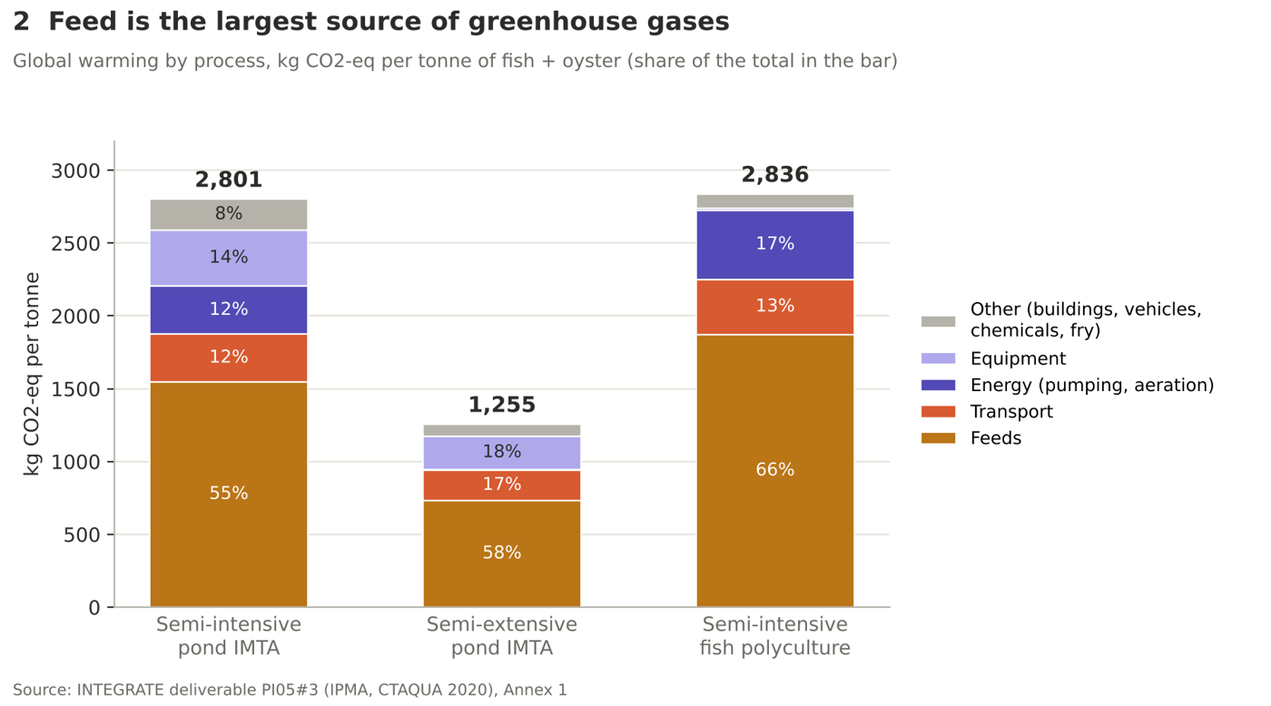

02_global_warming_by_process.png
 | Data: global warming by process, kg CO2-eq per tonne
 | Process | Semi-intensive pond IMTA | Semi-extensive pond IMTA | Semi-intensive fish polyculture
 | Feeds | 1,549 | 733 | 1,873
 | Transport | 325 | 208 | 379
 | Energy (pumping, aeration) | 330 | 6 | 474
 | Equipment | 386 | 228 | 15
 | Other (buildings, vehicles, chemicals, fry) | 212 | 79 | 94
 | Total (reported) | 2,801 | 1,255 | 2,836
 | Feed share of total | 55% | 58% | 66%

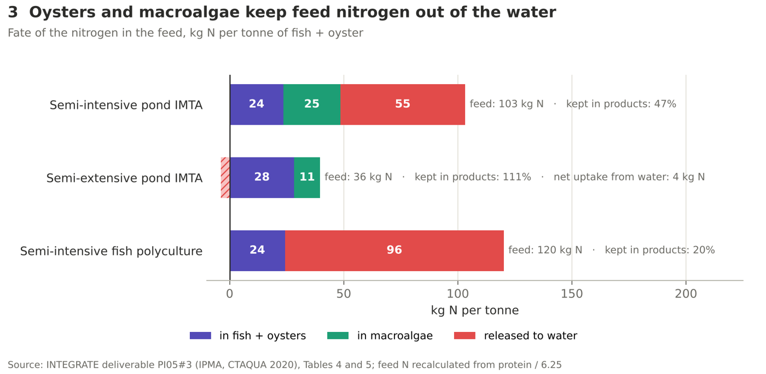

03_nitrogen_fate.png
 | Data: fate of the feed nitrogen, kg N per tonne
 | Item | Semi-intensive pond IMTA | Semi-extensive pond IMTA | Semi-intensive fish polyculture
 | N in feed | 103.2 | 35.8 | 120.2
 | in fish + oysters | 23.6 | 28.3 | 24.2
 | in macroalgae | 24.9 | 11.3 | 0.0
 | released to water (net; negative = uptake) | 54.7 | -3.8 | 95.9
 | kept in products (N use efficiency) | 47% | 111% | 20%

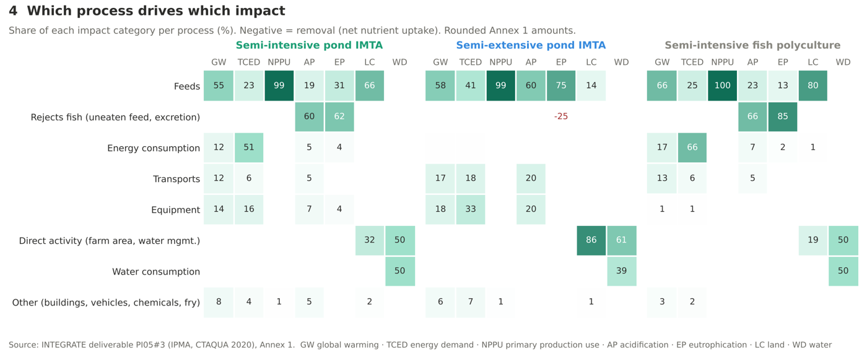

04_process_heatmap.png
 | Data: share of each impact per process - Semi-intensive pond IMTA
 | Process group | GW | TCED | NPPU | AP | EP | LC | WD
 | Feeds | 55% | 23% | 99% | 19% | 31% | 66% | 0%
 | Rejects fish (uneaten feed, excretion) | 0% | 0% | 0% | 60% | 62% | 0% | 0%
 | Energy consumption | 12% | 51% | 0% | 5% | 4% | 0% | 0%
 | Transports | 12% | 6% | 0% | 5% | 0% | 0% | 0%
 | Equipment | 14% | 16% | 0% | 7% | 4% | 0% | 0%
 | Direct activity (farm area, water mgmt.) | 0% | 0% | 0% | 0% | 0% | 32% | 50%
 | Water consumption | 0% | 0% | 0% | 0% | 0% | 0% | 50%
 | Other (buildings, vehicles, chemicals, fry) | 8% | 4% | 1% | 5% | 0% | 2% | 0%

 | Data: share of each impact per process - Semi-extensive pond IMTA
 | Process group | GW | TCED | NPPU | AP | EP | LC | WD
 | Feeds | 58% | 41% | 99% | 60% | 75% | 14% | 0%
 | Rejects fish (uneaten feed, excretion) | 0% | 0% | 0% | 0% | -25% | 0% | 0%
 | Energy consumption | 0% | 0% | 0% | 0% | 0% | 0% | 0%
 | Transports | 17% | 18% | 0% | 20% | 0% | 0% | 0%
 | Equipment | 18% | 33% | 0% | 20% | 0% | 0% | 0%
 | Direct activity (farm area, water mgmt.) | 0% | 0% | 0% | 0% | 0% | 86% | 61%
 | Water consumption | 0% | 0% | 0% | 0% | 0% | 0% | 39%
 | Other (buildings, vehicles, chemicals, fry) | 6% | 7% | 1% | 0% | 0% | 1% | 0%

 | Data: share of each impact per process - Semi-intensive fish polyculture
 | Process group | GW | TCED | NPPU | AP | EP | LC | WD
 | Feeds | 66% | 25% | 100% | 23% | 13% | 80% | 0%
 | Rejects fish (uneaten feed, excretion) | 0% | 0% | 0% | 66% | 85% | 0% | 0%
 | Energy consumption | 17% | 66% | 0% | 7% | 2% | 1% | 0%
 | Transports | 13% | 6% | 0% | 5% | 0% | 0% | 0%
 | Equipment | 1% | 1% | 0% | 0% | 0% | 0% | 0%
 | Direct activity (farm area, water mgmt.) | 0% | 0% | 0% | 0% | 0% | 19% | 50%
 | Water consumption | 0% | 0% | 0% | 0% | 0% | 0% | 50%
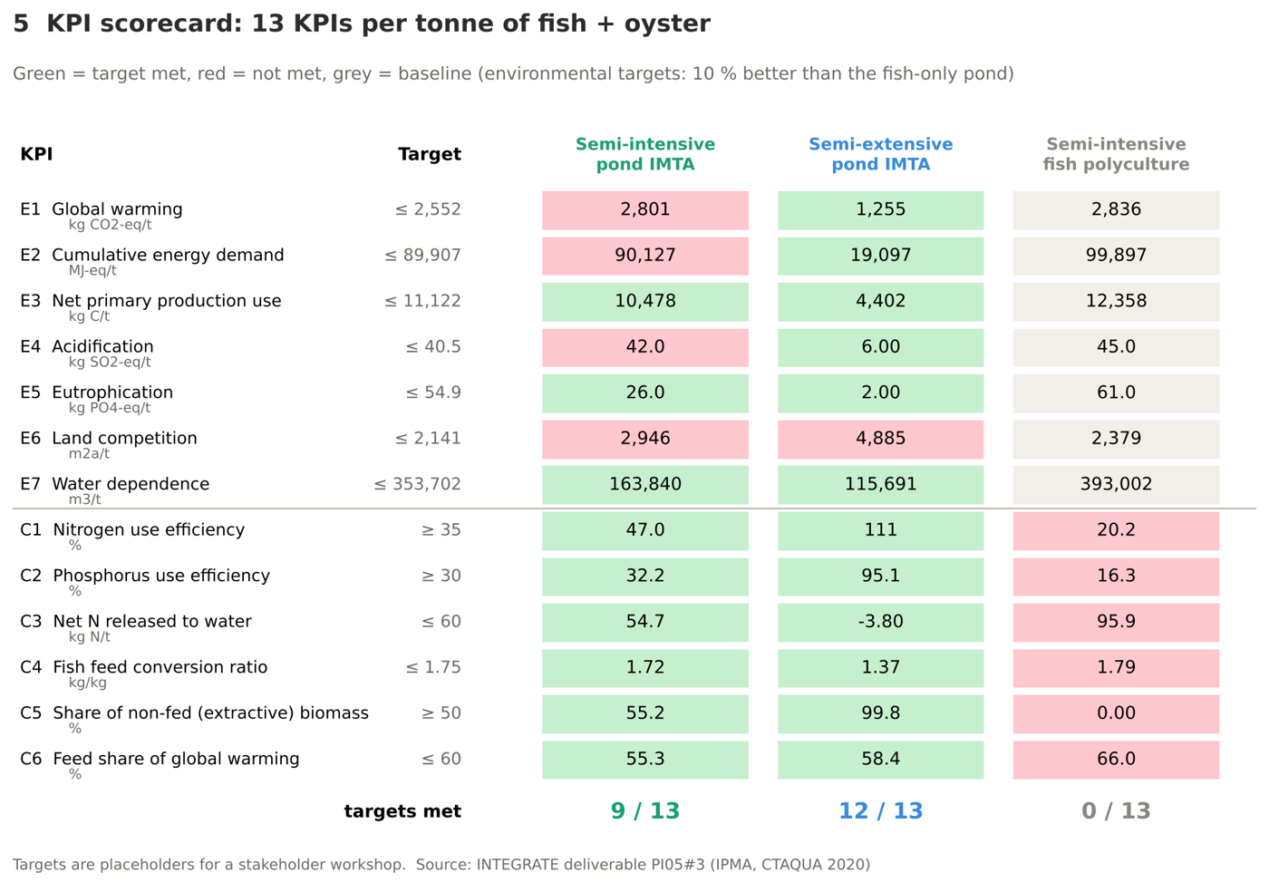
 | Other (buildings, vehicles, chemicals, fry) | 3% | 2% | 0% | 0% | 0% | 0% | 0%

05_kpi_scorecard.png
 | Data: KPI scorecard
 | KPI | Target | Value SI-IMTA | Value SE-IMTA | Value SI-POLY | Met SI-IMTA | Met SE-IMTA | Met SI-POLY
 | E1 Global warming (kg CO2-eq/t) | 2,552.40 | 2,801.00 | 1,255.00 | 2,836.00 | ✗ | ✓ | baseline
 | E2 Cumulative energy demand (MJ-eq/t) | 89,907.30 | 90,127.00 | 19,097.00 | 99,897.00 | ✗ | ✓ | baseline
 | E3 Net primary production use (kg C/t) | 11,122.20 | 10,478.00 | 4,402.00 | 12,358.00 | ✓ | ✓ | baseline
 | E4 Acidification (kg SO2-eq/t) | 40.50 | 42.00 | 6.00 | 45.00 | ✗ | ✓ | baseline
 | E5 Eutrophication (kg PO4-eq/t) | 54.90 | 26.00 | 2.00 | 61.00 | ✓ | ✓ | baseline
 | E6 Land competition (m2a/t) | 2,141.10 | 2,946.00 | 4,885.00 | 2,379.00 | ✗ | ✗ | baseline
 | E7 Water dependence (m3/t) | 353,701.80 | 163,840.00 | 115,691.00 | 393,002.00 | ✓ | ✓ | baseline
 | C1 Nitrogen use efficiency (%) | 35.0% | 47.0% | 110.6% | 20.2% | ✓ | ✓ | ✗
 | C2 Phosphorus use efficiency (%) | 30.0% | 32.2% | 95.1% | 16.3% | ✓ | ✓ | ✗
 | C3 Net N released to water (kg N/t) | 60.00 | 54.74 | -3.80 | 95.93 | ✓ | ✓ | ✗
 | C4 Fish feed conversion ratio (kg/kg) | 1.75 | 1.72 | 1.37 | 1.79 | ✓ | ✓ | ✗
 | C5 Share of non-fed (extractive) biomass (%) | 50.0% | 55.2% | 99.8% | 0.0% | ✓ | ✓ | ✗
 | C6 Feed share of global warming (%) | 60.0% | 55.3% | 58.4% | 66.0% | ✓ | ✓ | ✗
 | Targets met |  |  |  |  | 9 / 13 | 12 / 13 | 0 / 13

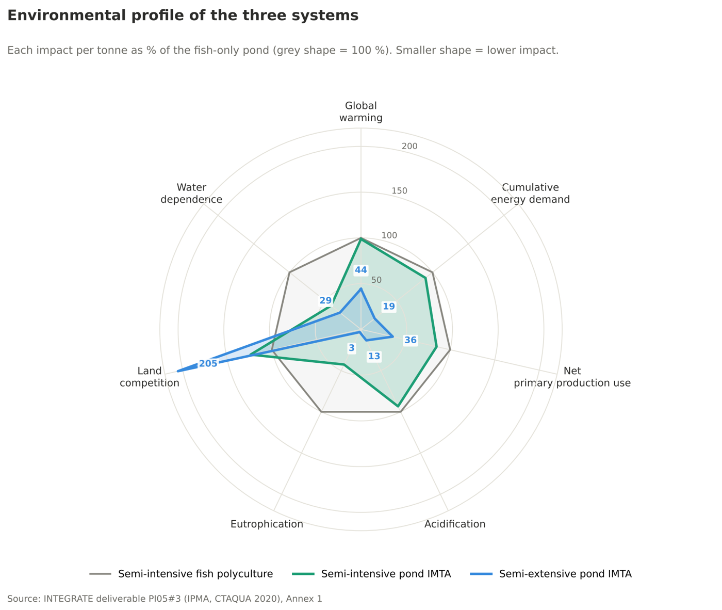

06_environmental_profile.png
 | Data: each impact as % of the fish-only pond
 | Impact category | Semi-intensive pond IMTA | Semi-extensive pond IMTA | Semi-intensive fish polyculture
 | Global warming | 99% | 44% | 100%
 | Cumulative energy demand | 90% | 19% | 100%
 | Net primary production use | 85% | 36% | 100%
 | Acidification | 93% | 13% | 100%
 | Eutrophication | 43% | 3% | 100%
 | Land competition | 124% | 205% | 100%
 | Water dependence | 42% | 29% | 100%

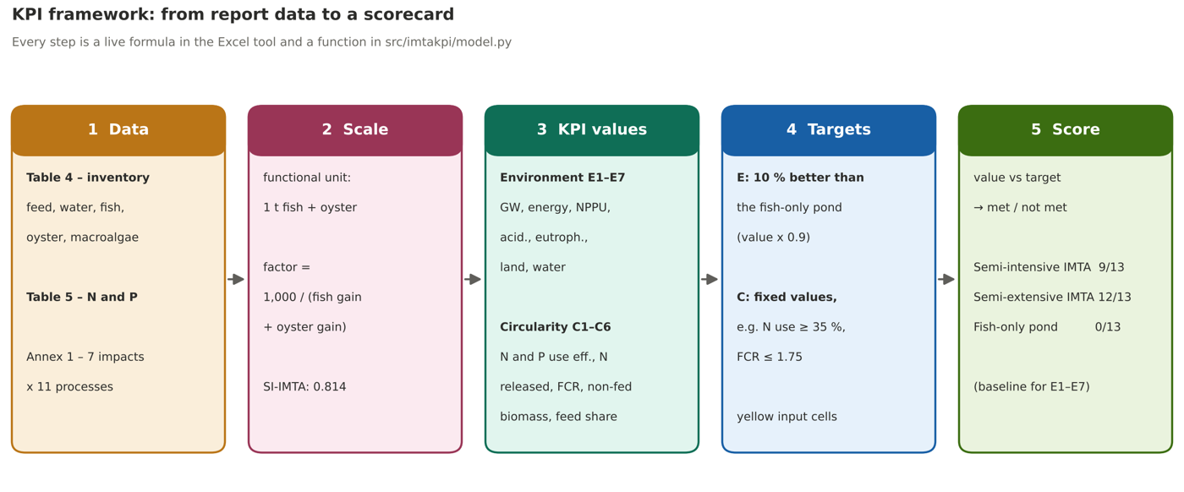

07_kpi_framework.png
 | Data: the framework steps with this workbook's numbers
 | Step | Semi-intensive pond IMTA | Semi-extensive pond IMTA | Semi-intensive fish polyculture
 | 1 Data: fish + oyster gain per pond, kg | 1,229 | 159 | 6,137
 | 2 Scale: factor to 1 t = 1,000 / gain | 0.814 | 6.289 | 0.163
 | 3 KPI example: N in feed per pond, kg | 126.9 | 5.7 | 737.5
 | 3 KPI example: N use efficiency (C1) | 47% | 111% | 20%
 | 4 Target: improvement vs fish-only pond | 10% | 10% | 10%
 | 5 Score: targets met | 9 / 13 | 12 / 13 | 0 / 13

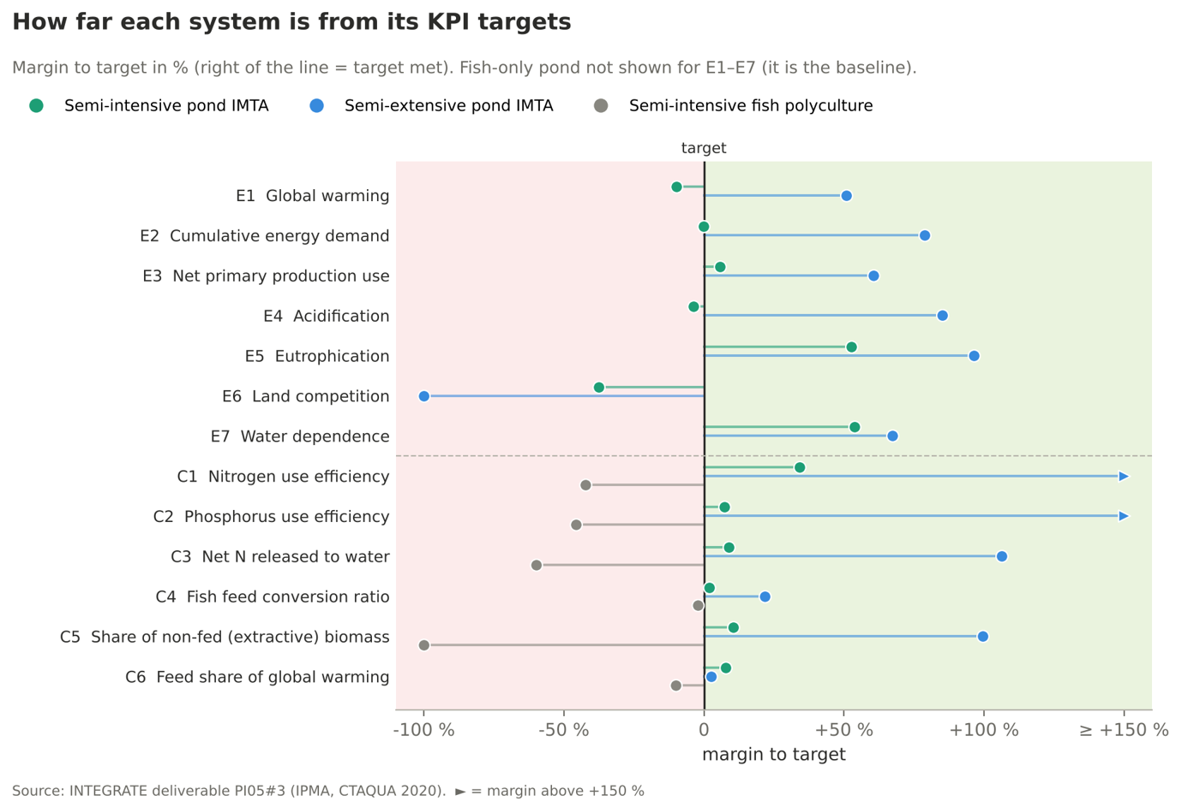

08_kpi_distance_to_target.png
 | Data: margin to target (positive = met; not capped)
 | KPI | Semi-intensive pond IMTA | Semi-extensive pond IMTA | Semi-intensive fish polyculture
 | E1 Global warming | -10% | +51% | baseline
 | E2 Cumulative energy demand | -0% | +79% | baseline
 | E3 Net primary production use | +6% | +60% | baseline
 | E4 Acidification | -4% | +85% | baseline
 | E5 Eutrophication | +53% | +96% | baseline
 | E6 Land competition | -38% | -128% | baseline
 | E7 Water dependence | +54% | +67% | baseline
 | C1 Nitrogen use efficiency | +34% | +216% | -42%
 | C2 Phosphorus use efficiency | +7% | +217% | -46%
 | C3 Net N released to water | +9% | +106% | -60%
 | C4 Fish feed conversion ratio | +2% | +22% | -2%
 | C5 Share of non-fed (extractive) biomass | +10% | +100% | -100%
 | C6 Feed share of global warming | +8% | +3% | -10%

