Pixel data
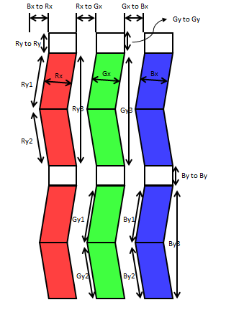
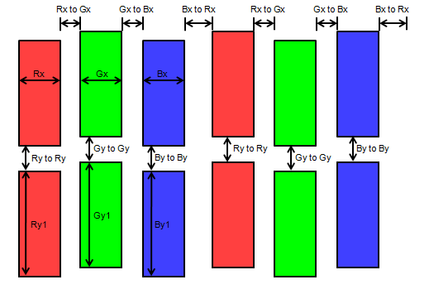
LCD |  |  | Length [um] |  |  |  |  |  |  |  |  |  |  |  |  |  |  |  |  |  |  |  |  | Note
Type (TN/IPS) | module name | Cell type | Rx | Ry1 | Ry2 | Ry3 | Gx | Gy1 | Gy2 | Gy3 | Bx | By1 | By2 | By3 | Rx to Gx | Gx to Bx | Bx to Rx | Ry1 to Ry1 | Ry2 to Ry2 | Gy1 to Gy1 | Gy2 to Gy2 | By1 to By1 | By2 to By2
XX | XXX | CASE X

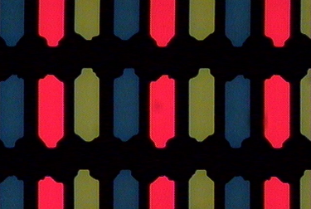
* real pixel photo attach

 |  |  |  |  |  |  |  |  |  |  |  |  |  | `
Cell Type (Case-1) |  |  |  |  |  |  | Cell Type (Case-2)
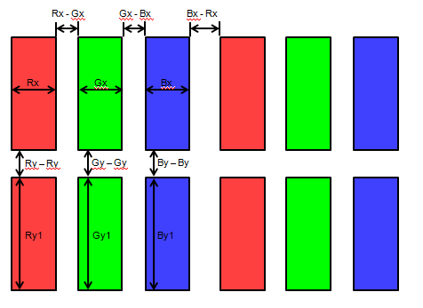
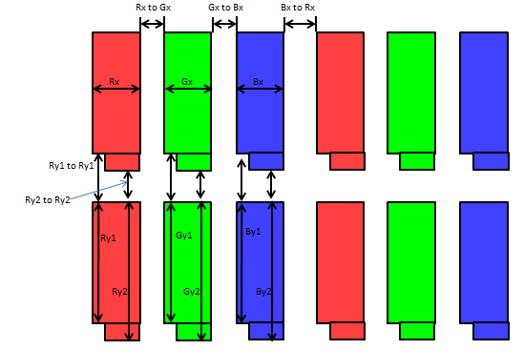

Cell Type (Case-3) |  |  |  |  |  |  | Cell Type (Case-4)

