FinalTransition
Control Matrix | MASLD | HCC | Treatment | Treated | False Positive HCC | Death | Cirrhosis | Check
MASLD | 76% | 7% | 0% | 0% | 10% | 2% | 5% | TRUE | << second is HCC incidence, last cirrhosis transition rate
HCC | 0% | 13% | 28% | 0% | 0% | 60% | 0% | TRUE
Treatment | 0% | 0% | 0% | 100% | 0% | 0% | 0% | TRUE | << no deaths year of treatment, treatment, only 1 year
Treated | 0% | 13% | 0% | 28% | 0% | 60% | 0% | TRUE | << first is recurrence, third blended death rate
False Positive HCC | 100% | 0% | 0% | 0% | 0% | 0% | 0% | TRUE
Death | 0% | 0% | 0% | 0% | 0% | 100% | 0% | TRUE
Cirrhosis | 0% | 0% | 0% | 0% | 0% | 0% | 100% | TRUE | << terminal state, as we censor

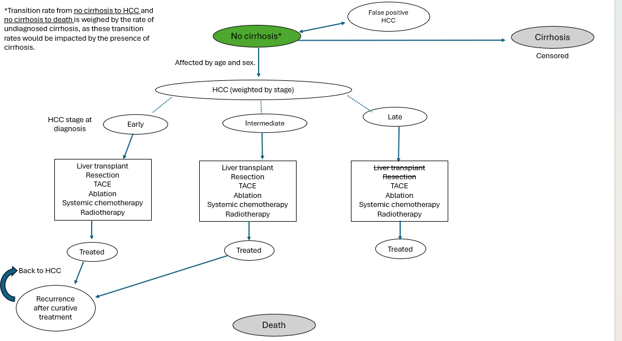
MALSD Incidence Rates
MASLD to HCC | 6.60% | << impacted by undiagnosed cirrhosis rate
False Positive HCC | 10%
MASLD to Death | 2.40% | << impacted by undiagnosed cirrhosis rate
MALSD to Cirrhosis | 5%

Cirrhosis Underdiagnosis Rate in MASLD
Rate | 20%
MALSD to HCC for UD | 5%
MALSD to HCC for non-cirrhotic | 7%
MALSD to Death for UD | 4%
MALSD to Death for non-cirrhotic | 2%

HCC Incidence Rates |  | Control | Screen |  |  | CHECK
Early | Treated | 5% | 95% | << treated also increases with screen |  | TRUE | TRUE
 | Death | 0% | 0%
 | Untreated | 95% | 5%
Intermediate | Treated | 20% | 95% | << treated also increases with screen |  | TRUE | TRUE
 | Death | 0% | 0%
 | Untreated | 80% | 5%
Late | Treated | 30% | 95% | << treated also increases with screen |  | TRUE | TRUE
 | Death | 70% | 5%
 | Untreated | 0% | 0%
Weighted | Treated | 28% | 95% |  |  | TRUE | TRUE
 | Death | 60% | 1%
 | Untreated | 13% | 5%

Treated Incidence Rates |  | Control | Screen
Treated After Early | Treated | 5% | 95% |  |  | TRUE | TRUE
 | Death | 0% | 0%
 | Reccurence | 95% | 5%
Treated After Intermediate | Treated | 20% | 95% |  |  | TRUE | TRUE
 | Death | 0% | 0%
 | Reccurence | 80% | 5%
Treated After Late | Treated | 30% | 95% |  |  | TRUE | TRUE
 | Death | 70% | 5%
 | Reccurence | 0% | 0%
Weighted | Treated | 28% | 95% |  |  | TRUE | TRUE
 | Death | 60% | 1%
 | Reccurence | 13% | 5%

HCC Distribution | Control | Screen
Early | 5% | 60% |  |  | TRUE | TRUE
Intermediate | 10% | 30%
Late | 85% | 10%

