FinalTransition
Control Matrix | MASLD | HCC | Treatment | Treated | False Positive HCC | Death | Cirrhosis | Check
MASLD | 98.063% | 0.66776% | 0% | 0% | 0% | 0.190% | 1.080% | TRUE | << second is HCC incidence, last cirrhosis transition rate
HCC | 0% | 55.704% | 44% | 0% | 0% | 0.00% | 0% | TRUE
Treatment | 0% | 0% | 0% | 100% | 0% | 0% | 0% | TRUE | << no deaths year of treatment, treatment, only 1 year
Treated | 0% | 0.00% | 0% | 48.41% | 0% | 51.592% | 0% | TRUE | << first is recurrence, third blended death rate
False Positive HCC | 100% | 0% | 0% | 0% | 0% | 0% | 0% | TRUE
Death | 0% | 0% | 0% | 0% | 0% | 100% | 0% | TRUE
Cirrhosis | 0% | 0% | 0% | 0% | 0% | 0% | 100% | TRUE | << terminal state, as we censor

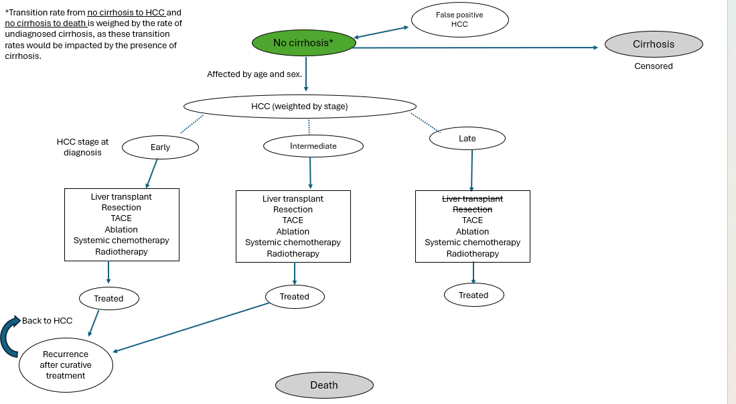
 |  | 1.94%
MALSD Incidence Rates
MASLD to HCC | 0.67% | << impacted by undiagnosed cirrhosis rate
False Positive HCC | 16.10%
MASLD to Death | 0.19% | << impacted by undiagnosed cirrhosis rate
MALSD to Cirrhosis | 1.08%

Cirrhosis Underdiagnosis Rate in MASLD
Rate | 22.400% | << underdiagnosis rate
MALSD to HCC for UD | 2.600%
MALSD to HCC for non-cirrhotic | 0.110%
MALSD to Death for UD | 0.500%
MALSD to Death for non-cirrhotic | 0.100%

HCC Outcomes Rates |  | Control | Screen |  |  | CHECK
Early | Treated | 47.0% | 47.0% |  |  | TRUE | TRUE
 | Death | 0.0% | 0.0%
 | Untreated | 53.0% | 53.0%
Intermediate | Treated | 47.9% | 47.9% |  |  | TRUE | TRUE
 | Death | 0.0% | 0.0%
 | Untreated | 52.1% | 52.1%
Late | Treated | 37.7% | 37.7% |  |  | TRUE | TRUE
 | Death | 0.0% | 0.0%
 | Untreated | 62.3% | 62.3%
Weighted | Treated | 44.3% | 45.9% |  |  | TRUE | TRUE
 | Death | 0.0% | 0.0%
 | Untreated | 55.7% | 54.1%

Treated Outcomes Rates |  | Control | Screen
Treated After Early | Treated | 71% | 71% |  |  | TRUE | TRUE
 | Death | 29% | 29%
 | Reccurence | 0% | 0%
Treated After Intermediate | Treated | 49% | 49% |  |  | TRUE | TRUE
 | Death | 51% | 51%
 | Reccurence | 0% | 0%
Treated After Late | Treated | 16% | 16% |  |  | TRUE | TRUE
 | Death | 84% | 84%
 | Reccurence | 0% | 0%
Weighted | Treated | 48% | 60% |  |  | TRUE | TRUE
 | Death | 52% | 40%
 | Reccurence | 0% | 0%

HCC Distribution | Control | Screen
Early | 45.7% | 70.7% |  |  | TRUE | TRUE
Intermediate | 23.0% | 15.6%
Late | 31.3% | 13.7%

Annual Death Rate by Treatment and HCC stage | Annual Death % | % Receiving this treatment | Weighed Annual Death % | Total Weighed Annual Death %
Early stage HCC
After Transplant | 8.25% | 1.10% | 0.09% | 29.29% | TRUE
After resection | 11.10% | 16.00% | 1.78% |  | 100.0%
After TACE | 6.70% | 14.40% | 0.96%
After ablation | 15.50% | 4.00% | 0.62%
After systemic chemotherapy | 61.90% | 11.10% | 6.87%
After radiotherapy | 11.00% | 0.40% | 0.04%
Untreated | 35.70% | 53.00% | 18.92%
Intermediate stage HCC
After Transplant | 12.00% | 1.30% | 0.16% | 51.38% | TRUE
After resection | 8.00% | 9.60% | 0.77% |  | 100.0%
After TACE | 30.00% | 15.70% | 4.71%
After ablation | 7.00% | 3.20% | 0.22%
After systemic chemotherapy | 69.60% | 18.10% | 12.60%
After radiotherapy | 20.60% | 0.00% | 0.00%
Untreated | 63.20% | 52.10% | 32.93%
Late stage HCC
After TACE | 66.70% | 10.80% | 7.20% | 84.31% | TRUE
After ablation | 26.90% | 0.30% | 0.08% |  | 100.0%
After systemic chemotherapy | 86.20% | 25.30% | 21.81%
After radiotherapy | 68.70% | 1.30% | 0.89%
Untreated | 87.20% | 62.30% | 54.33%

