FinalTransition-Control
Control Matrix | MASLD | HCC | Untreated | Treated | False Positive HCC | Death | Cirrhosis | Check
MASLD | 83.420% | 0.58838% | 0% | 0% | 15% | 0.461% | 0.530% | TRUE | << second is HCC incidence, last cirrhosis transition rate
HCC | 0% | 0% | 55.689% | 44% | 0% | 0.00% | 0% | TRUE
Untreated | 0% | 0% | 42% | 0% | 0% | 58% | 0% | TRUE
Treated | 0% | 0.00% | 0% | 56.15% | 0% | 43.852% | 0% | TRUE | << first is recurrence, third blended death rate
False Positive HCC | 100% | 0% | 0% | 0% | 0% | 0% | 0% | TRUE
Death | 0% | 0% | 0% | 0% | 0% | 100% | 0% | TRUE
Cirrhosis | 0% | 0% | 0% | 0% | 0% | 0% | 100% | TRUE | << terminal state, as we censor
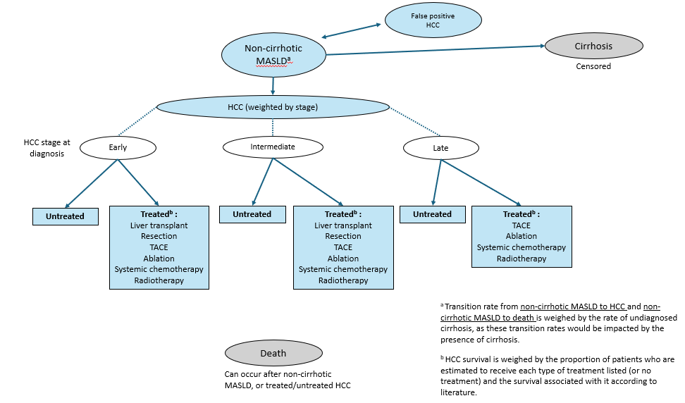
 |  | 16.58%
MALSD Incidence Rates
MASLD to HCC | 0.59% | << impacted by undiagnosed cirrhosis rate
False Positive HCC | 15.00%
MASLD to Death | 0.46% | << impacted by undiagnosed cirrhosis rate
MALSD to Cirrhosis | 0.53%

Cirrhosis Underdiagnosis Rate in MASLD
Rate | 22.400% | << underdiagnosis rate
MALSD to HCC for UD | 2.450%
MALSD to HCC for non-cirrhotic | 0.051%
MALSD to Death for UD | 0.500%
MALSD to Death for non-cirrhotic | 0.450%

HCC Outcomes Rates |  | Control | Screen |  |  | CHECK
Early | Treated | 47.1% | 47.1% |  |  | TRUE | TRUE
 | Death
 | Untreated | 52.9% | 52.9%
Intermediate | Treated | 47.9% | 47.9% |  |  | TRUE | TRUE
 | Death
 | Untreated | 52.1% | 52.1%
Late | Treated | 37.6% | 37.6% |  |  | TRUE | TRUE
 | Death
 | Untreated | 62.4% | 62.4%
Weighted | Treated | 44.3% | 45.9% |  |  | TRUE | TRUE
 | Death | 0.0% | 0.0%
 | Untreated | 55.7% | 54.1%

Treated Outcomes Rates |  | Control | Screen
Treated After Early | Treated | 78% | 78% |  |  | TRUE | TRUE
 | Death | 22% | 22%
 | Reccurence | 0% | 0%
Treated After Intermediate | Treated | 61% | 61% |  |  | TRUE | TRUE
 | Death | 39% | 39%
 | Reccurence | 0% | 0%
Treated After Late | Treated | 20% | 20% |  |  | TRUE | TRUE
 | Death | 80% | 80%
 | Reccurence | 0% | 0%
Weighted | Treated | 56% | 67% |  |  | TRUE | TRUE
 | Death | 44% | 33%
 | Reccurence | 0% | 0%

Untreated Outcomes Rates |  | Control | Screen
Untreated After Early | Untreated | 64% | 64% |  |  | TRUE | TRUE
 | Death | 36% | 36%
Untreated After Intermediate | Untreated | 37% | 37% |  |  | TRUE | TRUE
 | Death | 63% | 63%
Untreated After Late | Untreated | 13% | 13% |  |  | TRUE | TRUE
 | Death | 87% | 87%
Weighted | Untreated | 42% | 53% |  |  | TRUE | TRUE
 | Death | 58% | 47%

HCC Distribution | Control | Screen
Early | 45.7% | 70.7% |  |  | TRUE | TRUE
Intermediate | 23.0% | 15.6%
Late | 31.3% | 13.7%

Annual Death Rate by Treatment and HCC stage | Annual Death % | % Receiving this treatment | Weighed Annual Death % | Total Weighed Annual Death %
Early stage HCC
After Transplant | 8.25% | 2.30% | 0.19% | For treated to death: | TRUE
After resection | 11.10% | 34.00% | 3.77% | 22.05% | 100.0%
After TACE | 6.70% | 30.70% | 2.06%
After ablation | 15.50% | 8.50% | 1.32%
After systemic chemotherapy | 61.90% | 23.60% | 14.61%
After radiotherapy | 11.00% | 0.90% | 0.10%
Untreated | 35.70% | 53.00%
Intermediate stage HCC
After Transplant | 12.00% | 2.80% | 0.34% | For treated to death: | TRUE
After resection | 8.00% | 20.00% | 1.60% | 38.55% | 100.0%
After TACE | 30.00% | 32.80% | 9.84%
After ablation | 7.00% | 6.60% | 0.46%
After systemic chemotherapy | 69.60% | 37.80% | 26.31%
After radiotherapy | 20.60% | 0.00% | 0.00%
Untreated | 63.20% | 52.10%
Late stage HCC
After TACE | 66.70% | 28.60% | 19.08% | For treated to death: | TRUE
After ablation | 26.90% | 0.70% | 0.19% | 79.58% | 100.0%
After systemic chemotherapy | 86.20% | 67.10% | 57.84%
After radiotherapy | 68.70% | 3.60% | 2.47%
Untreated | 87.20% | 62.30%

FinalRewards
Cost/Utility Matrix | Control Cost | Intervention Cost | Control Utility | Intervention Utility
MASLD | 4,362 | 4,720 | 0.88 | 0.88
HCC | 88,448 | 76,792 | 0.69 | 0.71
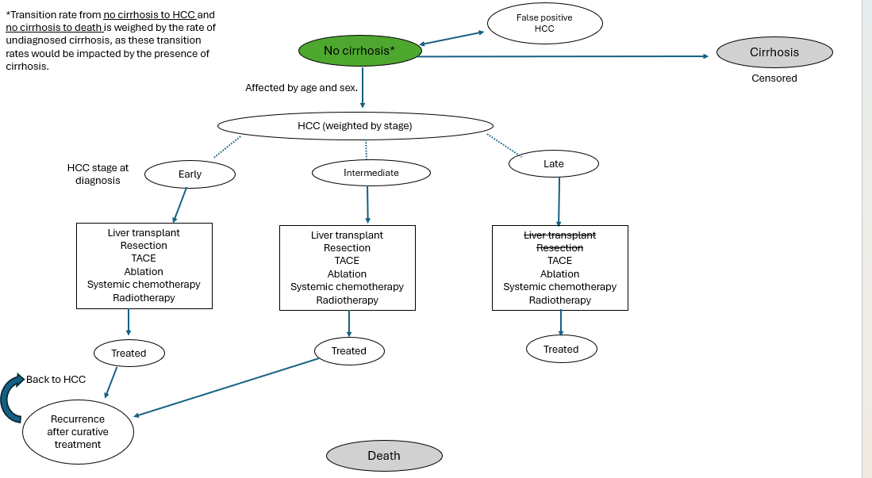
Treatment | 88,448 | 76,792 | 0.69 | 0.71
Treated | 0 | 0 | 0.69 | 0.71
False Positive HCC | 554 | 554 | 0.69 | 0.71
Death | 0 | 0 | 0.00 | 0.00
Cirrhosis | 0 | 0 | 0.00 | 0.00

HCC Stages Cost/Utility | Control Cost | Intervention Cost | Control Utility | Intervention Utility
HCC early | 62,340 | 62,340 | 0.72 | 0.72
HCC intermediate | 116,996 | 116,996 | 0.69 | 0.69
HCC late | 105,591 | 105,591 | 0.65 | 0.65

US/AFP biannual screening | 358

