AUS
...
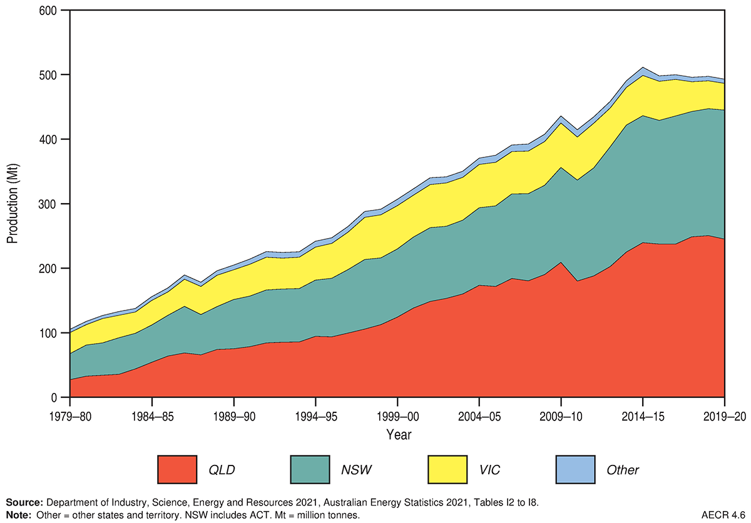
...
 | NSW |  |  | VIC |  |  | QLD |  |  | WA |  |  | SA |  |  | TAS
Total | Black coal | Brown coal | Total | Black coal | Brown coal | Total | Black coal | Brown coal | Total | Black coal | Brown coal | Total | Black coal | Brown coal | Total | Black coal | Brown coal | Total
kt | kt | kt | kt | kt | kt | kt | kt | kt | kt | kt | kt | kt | kt | kt | kt | kt | kt | kt
38,237.0 | 16,476.0 |  | 16,476.0 | 79.0 | 15,975.0 | 16,054.0 | 2,640.0 |  | 2,640.0 | 753.0 |  | 753.0 |  | 1,019.0 | 1,019.0 | 276.0 |  | 276.0
40,809.0 | 17,132.0 |  | 17,132.0 | 59.0 | 16,997.0 | 17,056.0 | 2,950.0 |  | 2,950.0 | 945.0 |  | 945.0 |  | 1,247.0 | 1,247.0 | 232.0 |  | 232.0
41,960.0 | 16,765.0 |  | 16,765.0 | 54.0 | 18,051.0 | 18,105.0 | 2,934.0 |  | 2,934.0 | 948.0 |  | 948.0 |  | 1,496.0 | 1,496.0 | 216.0 |  | 216.0
...

ZAF
...
 | Local sales |  |  |  |  |  | Export sales
Sales | 2012 |  | 2015 |  | 2019 |  | 2012 |  | 2015 |  | 2019
 | R million | % contribution | R million | % contribution | R million | % contribution | R million | % contribution | R million | % contribution | R million | % contribution
Coal | 38948 | 43.2 | 71084 | 45.3 | 90902 | 44.6 | 51838 | 18.5 | 51525 | 19.1 | 57068 | 17.6
...
Employment | 2012 |  | 2015 |  | 2019
 | Number | % contribution | Number | % contribution | Number | % contribution
Mining of coal and lignite | 91605 | 17% | 110818 | 22% | 108717 | 21.10%

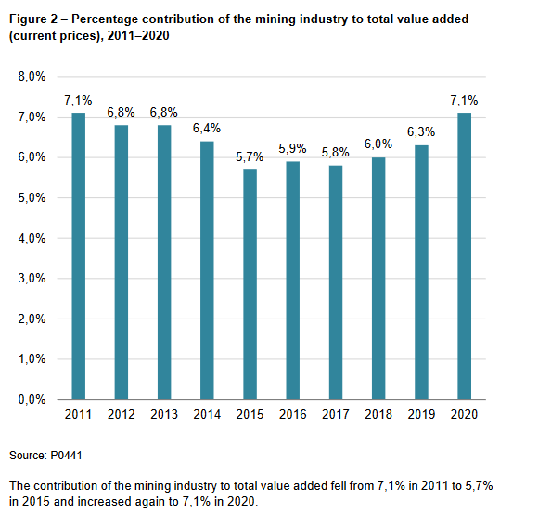
...
Source: | https://www.usgs.gov/centers/national-minerals-information-center/africa-and-middle-east#sf
MINERAL FUELS AND RELATED MATERIALS |  |  |  | 2014 | 2015 | 2016 | 2017 | 2018
Coal, marketable: |  |  |  | 263,898 | 254,104 | 252,575 | 254,286 | 255,117
Anthracite |  | thousand metric tons |  | 3,517 | 3,395 | 2,635 | 2,886 | 3,317
Bituminouse |  | do. |  | 255,000 | 246,000 | 244,000 | 246,000 | 246,000
Metallurgicale |  | do. |  | 3,400 | 2,700 | 4,000 | 3,500 | 3,900
...

RUS
...
5.9 | 17.3 | 19.5 | 23.2 | 24.2 | 25.2
72.4 | 81.6 | 78.4 | 76 | 78.6 | 76.8
6.3 | 15.1 | 15.4 | 17.7 | 18.4 | 19
66.1 | 66.5 | 63 | 58.3 | 60.2 | 57.8 | Share
56.6 | 56 | 52.1 | 47.3 | 48.4 | 46 | 59.9%
3.3 | 5.3 | 5.8 | 5.5 | 6.7 | 6.9 | 9.0%
3.9 | 2.3 | 2 | 1.4 | 1.5 | 1.4 | 1.8%
2.3 | 3 | 3.2 | 4 | 3.6 | 3.5 | 4.6%

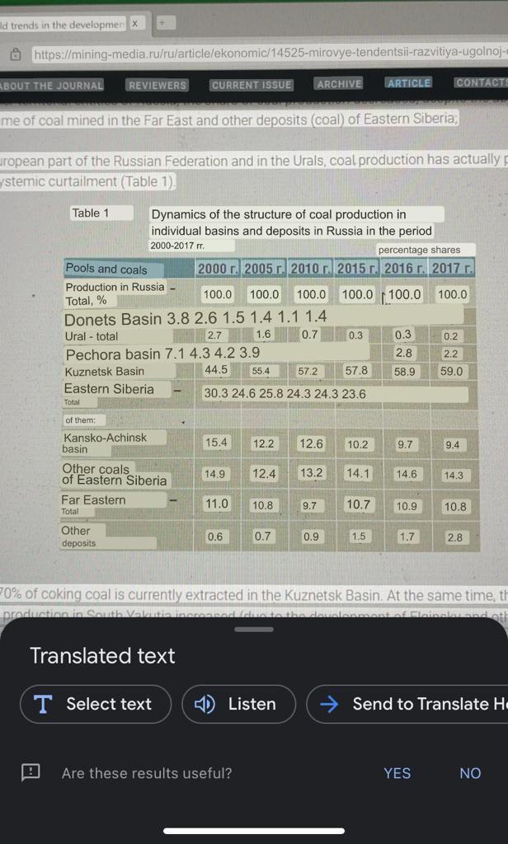
...
2005 | 2010 | 2015 | 2016 | 2017
100 | 100 | 100 | 100 | 100
2.6 | 1.5 | 1.4 | 1.1 | 1.4
1.6 | 0.7 | 0.3 | 0.3 | 0.2
4.3 | 4.2 | 3.9 | 2.8 | 2.2
55.4 | 57.2 | 57.8 | 58.9 | 59
24.6 | 25.8 | 24.3 | 24.3 | 23.6
69.2 | 73.3 | 71.4 | 72.3 | 71.8
...
12.2 | 12.6 | 10.2 | 9.7 | 9.4
12.4 | 13.2 | 14.1 | 14.6 | 14.3
10.8 | 9.7 | 10.7 | 10.9 | 10.8
0.7 | 0.9 | 1.5 | 1.7 | 2.8

