Sheet1
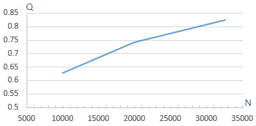

 | N | Q
0.5 | 10000 | 0.6
0.55 | 20000 | 0.75
0.6 | 32561 | 0.78
0.65
0.7
 | Q
10000 | 0.6
20000 | 0.75
32561 | 0.78
0.75
0.8
0.85

