Sheet1
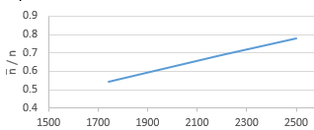
 |  |  |  |  |  | 10000 | 20000 | 32562 |  | n̄/n | n̄/n | n̄/n
 |  |  |  |  | n̄1 | 1741 | 2196 | 2498 |  | 0.19784090909 | 0.24954545455 | 0.28386363636
 |  |  |  |  | n̄2 | 601 | 786 | 918 |  | 0.17886904762 | 0.23392857143 | 0.27321428571
 |  |  |  |  | n̄3 | 290 | 342 | 384 |  | 0.26654411765 | 0.31433823529 | 0.35294117647
 |  |  |  |  | n̄4 | 10000 | 5120 | 7200
 |  |  |  |  | n | 6400 | 3360 | 1088
 |  |  |  |  | q | 8800 | 18411 | 30723
 |  |  |  |  | Q | 0.88 | 0.92055 | 0.94352312512

 |  |  |  |  |  | 0.88 | 0.92055 | 0.94352312512

 |  |  |  |  |  |  | N | QID 1 | QID 2 | QID 3 | QID 4 | n̄
 |  |  |  | 0.5 |  |  | 10000 | 0.63 | 0.88 | 0.82 | 0.57 | 601
 |  |  |  | 0.55 |  |  | 20000 | 0.74 | 0.92055 | 0.932 | 0.687 | 786
 |  |  |  | 0.6 |  |  | 32561 | 0.8 | 0.94352312512 | 0.963 | 0.7641 | 918
 |  |  |  | 0.65
 |  |  |  | 0.7
 |  |  |  | 0.75
 |  |  |  | 0.8 |  |  |  |  |  |  |  | QID Group1 | QID Group2 | QID Group3 | QID Group4
 |  |  |  | 0.85 |  |  |  |  |  |  |  | Age | Marital status | Position | Age
 |  |  |  |  |  |  |  |  |  |  |  | Education | Education | County | occupation
 |  |  |  |  |  |  |  |  |  |  |  | Sex | Social status | Country | Marital status
 |  |  |  |  |  |  |  |  |  |  |  | Salary | Race |  | Education
 |  |  |  |  |  |  |  |  |  |  |  |  |  |  | Social status
 |  |  |  |  |  |  |  |  |  |  |  |  |  |  | Position
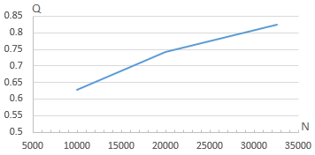
 |  |  |  |  |  |  |  |  |  |  |  |  |  |  | Sex
 |  |  |  |  |  |  |  |  |  |  |  |  |  |  | Hrs_per_week
 |  |  |  |  |  |  |  |  |  |  |  |  |  |  | Race
N | n̄/n QID1 | n̄/n QID2 | n̄/n QID3 |  |  |  |  |  |  |  |  |  |  |  | County
10000 | 0.19784090909 | 0.17886904762 | 0.26654411765 |  |  |  |  |  |  |  |  |  |  |  | Country
20000 | 0.24954545455 | 0.23392857143 | 0.31433823529 |  |  |  |  |  |  |  |  |  |  |  | Salary
32561 | 0.28386363636 | 0.27321428571 | 0.35294117647

