Sheet1
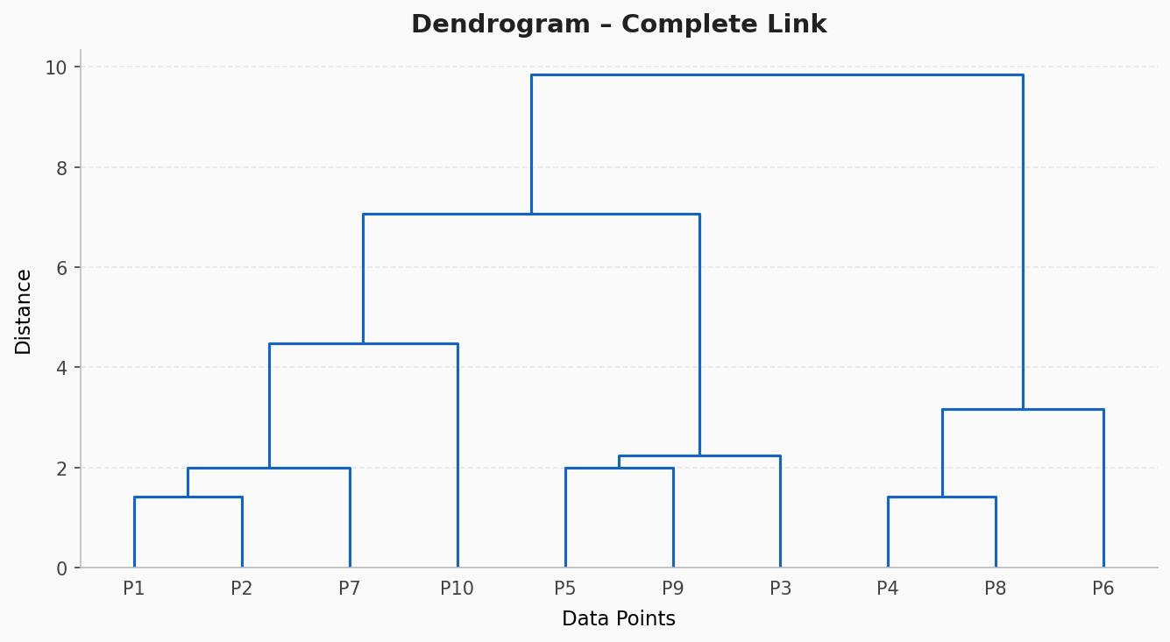
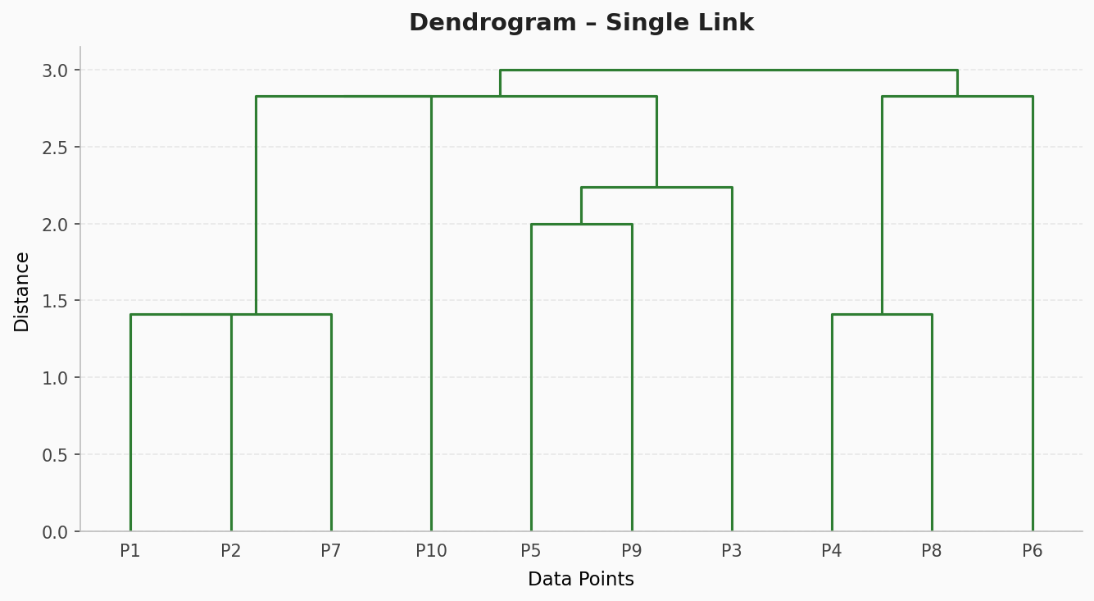
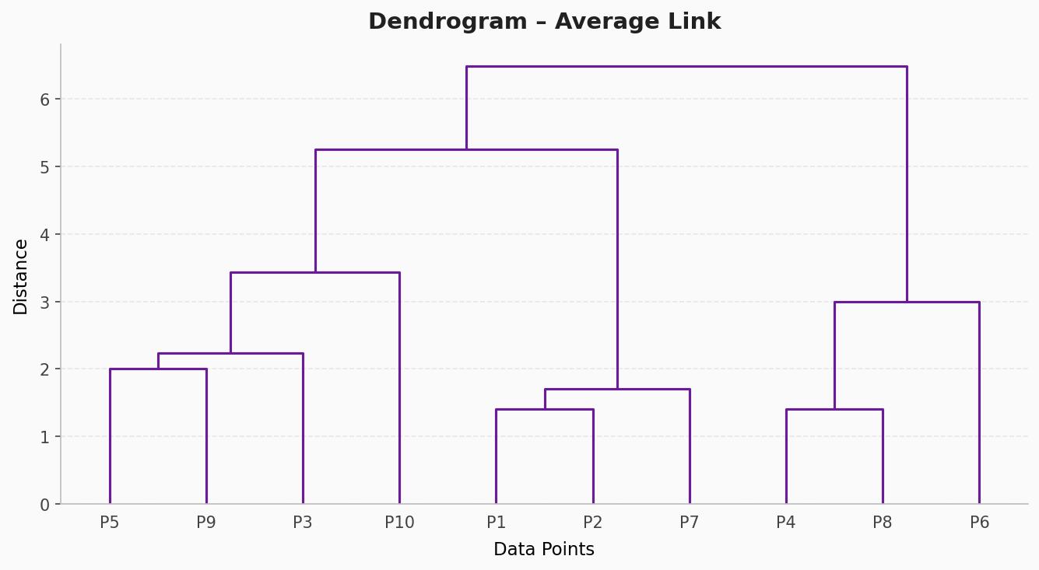
Sumber Matriks Jarak (P1–P10)
 | P1 | P2 | P3 | P4 | P5 | P6 | P7 | P8 | P9 | P10 |  |  | P1 | P2 | P3 | P4 | P5 | P6 | P7 | P8 | P9 | P10
P1 | 0.00 | 1.41 | 6.40 | 7.28 | 6.32 | 9.85 | 2.00 | 8.06 | 4.47 | 4.47 |  | P1 | 0.00 | 1.41 | 6.40 | 7.28 | 6.32 | 9.85 | 2.00 | 8.06 | 4.47 | 4.47
P2 | 1.41 | 0.00 | 6.71 | 6.71 | 7.07 | 9.43 | 1.41 | 7.28 | 5.10 | 4.24 |  | P2 | 1.41 | 0.00 | 6.71 | 6.71 | 7.07 | 9.43 | 1.41 | 7.28 | 5.10 | 4.24
P3 | 6.40 | 6.71 | 0.00 | 4.24 | 2.24 | 5.10 | 5.39 | 5.66 | 2.24 | 3.00 |  | P3 | 6.40 | 6.71 | 0.00 | 4.24 | 2.24 | 5.10 | 5.39 | 5.66 | 2.24 | 3.00
P4 | 7.28 | 6.71 | 4.24 | 0.00 | 6.40 | 2.83 | 5.39 | 1.41 | 5.39 | 3.00 |  | P4 | 7.28 | 6.71 | 4.24 | 0.00 | 6.40 | 2.83 | 5.39 | 1.41 | 5.39 | 3.00
P5 | 6.32 | 7.07 | 2.24 | 6.40 | 0.00 | 7.28 | 6.00 | 7.81 | 2.00 | 4.47 |  | P5 | 6.32 | 7.07 | 2.24 | 6.40 | 0.00 | 7.28 | 6.00 | 7.81 | 2.00 | 4.47
P6 | 9.85 | 9.43 | 5.10 | 2.83 | 7.28 | 0.00 | 8.06 | 3.16 | 7.00 | 5.39 |  | P6 | 9.85 | 9.43 | 5.10 | 2.83 | 7.28 | 0.00 | 8.06 | 3.16 | 7.00 | 5.39
P7 | 2.00 | 1.41 | 5.39 | 5.39 | 6.00 | 8.06 | 0.00 | 6.08 | 4.00 | 2.83 |  | P7 | 2.00 | 1.41 | 5.39 | 5.39 | 6.00 | 8.06 | 0.00 | 6.08 | 4.00 | 2.83
P8 | 8.06 | 7.28 | 5.66 | 1.41 | 7.81 | 3.16 | 6.08 | 0.00 | 6.71 | 4.12 |  | P8 | 8.06 | 7.28 | 5.66 | 1.41 | 7.81 | 3.16 | 6.08 | 0.00 | 6.71 | 4.12
P9 | 4.47 | 5.10 | 2.24 | 5.39 | 2.00 | 7.00 | 4.00 | 6.71 | 0.00 | 2.83 |  | P9 | 4.47 | 5.10 | 2.24 | 5.39 | 2.00 | 7.00 | 4.00 | 6.71 | 0.00 | 2.83
P10 | 4.47 | 4.24 | 3.00 | 3.00 | 4.47 | 5.39 | 2.83 | 4.12 | 2.83 | 0.00 |  | P10 | 4.47 | 4.24 | 3.00 | 3.00 | 4.47 | 5.39 | 2.83 | 4.12 | 2.83 | 0.00

Step 1: |  |  |  |  |  |  |  | Step 1: |  |  |  |  |  |  |  | Step 1:
- Distance Matrix |  |  |  |  |  |  |  | - Distance Matrix |  |  |  |  |  |  |  | - Distance Matrix

Data | P1 | P2 | P3 | P4 | P5 | P6 | P7 | Data | P1 | P2 | P3 | P4 | P5 | P6 | P7 | Data | P1 | P2 | P3 | P4 | P5 | P6 | P7 | P8 | P9 | P10
P1 | 0.00 |  |  |  |  |  |  | P1 | 0.00 |  |  |  |  |  |  | P1 | 0.00
P2 | 1.41 | 0.00 |  |  |  |  |  | P2 | 1.41 | 0.00 |  |  |  |  |  | P2 | 1.41 | 0.00
P3 | 6.40 | 6.71 | 0.00 |  |  |  |  | P3 | 6.40 | 6.71 | 0.00 |  |  |  |  | P3 | 6.40 | 6.71 | 0.00
P4 | 7.28 | 6.71 | 4.24 | 0.00 |  |  |  | P4 | 7.28 | 6.71 | 4.24 | 0.00 |  |  |  | P4 | 7.28 | 6.71 | 4.24 | 0.00
P5 | 6.32 | 7.07 | 2.24 | 6.40 | 0.00 |  |  | P5 | 6.32 | 7.07 | 2.24 | 6.40 | 0.00 |  |  | P5 | 6.32 | 7.07 | 2.24 | 6.40 | 0.00
P6 | 9.85 | 9.43 | 5.10 | 2.83 | 7.28 | 0.00 |  | P6 | 9.85 | 9.43 | 5.10 | 2.83 | 7.28 | 0.00 |  | P6 | 9.85 | 9.43 | 5.10 | 2.83 | 7.28 | 0.00
P7 | 2.00 | 1.41 | 5.39 | 5.39 | 6.00 | 8.06 | 0.00 | P7 | 2.00 | 1.41 | 5.39 | 5.39 | 6.00 | 8.06 | 0.00 | P7 | 2.00 | 1.41 | 5.39 | 5.39 | 6.00 | 8.06 | 0.00
P8 | 8.06 | 7.28 | 5.66 | 1.41 | 7.81 | 3.16 | 6.08 | P8 | 8.06 | 7.28 | 5.66 | 1.41 | 7.81 | 3.16 | 6.08 | P8 | 8.06 | 7.28 | 5.66 | 1.41 | 7.81 | 3.16 | 6.08 | 0.00
P9 | 4.47 | 5.10 | 2.24 | 5.39 | 2.00 | 7.00 | 4.00 | P9 | 4.47 | 5.10 | 2.24 | 5.39 | 2.00 | 7.00 | 4.00 | P9 | 4.47 | 5.10 | 2.24 | 5.39 | 2.00 | 7.00 | 4.00 | 6.71 | 0.00
P10 | 4.47 | 4.24 | 3.00 | 3.00 | 4.47 | 5.39 | 2.83 | P10 | 4.47 | 4.24 | 3.00 | 3.00 | 4.47 | 5.39 | 2.83 | P10 | 4.47 | 4.24 | 3.00 | 3.00 | 4.47 | 5.39 | 2.83 | 4.12 | 2.83 | 0.00

Step 2: |  |  |  |  |  |  |  | Step 2: |  |  |  |  |  |  |  | Step 2:
- Update distance Matrix : Merge P2 & P1 ==> complete link |  |  |  |  |  |  |  | - Update distance Matrix : Merge P2 & P1 ==> single link |  |  |  |  |  |  |  | - Update distance Matrix : Merge P2 & P1 ==> average link

Data | P2, P1 | P3 | P4 | P5 | P6 | P7 | P8 | Data | P2, P1 | P3 | P4 | P5 | P6 | P7 | P8 | Data | P2, P1 | P3 | P4 | P5 | P6 | P7 | P8 | P9 | P10
P2, P1 | 0.00 |  |  |  |  |  |  | P2, P1 | 0.00 |  |  |  |  |  |  | P2, P1 | 0.00
P3 | 6.71 | 0.00 |  |  |  |  |  | P3 | 6.40 | 0.00 |  |  |  |  |  | P3 | 6.56 | 0.00
P4 | 7.28 | 4.24 | 0.00 |  |  |  |  | P4 | 6.71 | 4.24 | 0.00 |  |  |  |  | P4 | 7.00 | 4.24 | 0.00
P5 | 7.07 | 2.24 | 6.40 | 0.00 |  |  |  | P5 | 6.32 | 2.24 | 6.40 | 0.00 |  |  |  | P5 | 6.70 | 2.24 | 6.40 | 0.00
P6 | 9.85 | 5.10 | 2.83 | 7.28 | 0.00 |  |  | P6 | 9.43 | 5.10 | 2.83 | 7.28 | 0.00 |  |  | P6 | 9.64 | 5.10 | 2.83 | 7.28 | 0.00
P7 | 2.00 | 5.39 | 5.39 | 6.00 | 8.06 | 0.00 |  | P7 | 1.41 | 5.39 | 5.39 | 6.00 | 8.06 | 0.00 |  | P7 | 1.71 | 5.39 | 5.39 | 6.00 | 8.06 | 0.00
P8 | 8.06 | 5.66 | 1.41 | 7.81 | 3.16 | 6.08 | 0.00 | P8 | 7.28 | 5.66 | 1.41 | 7.81 | 3.16 | 6.08 | 0.00 | P8 | 7.67 | 5.66 | 1.41 | 7.81 | 3.16 | 6.08 | 0.00
P9 | 5.10 | 2.24 | 5.39 | 2.00 | 7.00 | 4.00 | 6.71 | P9 | 4.47 | 2.24 | 5.39 | 2.00 | 7.00 | 4.00 | 6.71 | P9 | 4.79 | 2.24 | 5.39 | 2.00 | 7.00 | 4.00 | 6.71 | 0.00
P10 | 4.47 | 3.00 | 3.00 | 4.47 | 5.39 | 2.83 | 4.12 | P10 | 4.24 | 3.00 | 3.00 | 4.47 | 5.39 | 2.83 | 4.12 | P10 | 4.36 | 3.00 | 3.00 | 4.47 | 5.39 | 2.83 | 4.12 | 2.83 | 0.00

Step 3: |  |  |  |  |  |  |  | Step 3: |  |  |  |  |  |  |  | Step 3:
- Update distance Matrix : Merge P8 & P4 ==> complete link |  |  |  |  |  |  |  | - Update distance Matrix : Merge P7 & P2, P1 ==> single link |  |  |  |  |  |  |  | - Update distance Matrix : Merge P8 & P4 ==> average link

Data | P2, P1 | P3 | P5 | P6 | P7 | P8, P4 | P9 | Data | P3 | P4 | P5 | P6 | P7, P2, P1 | P8 | P9 | Data | P2, P1 | P3 | P5 | P6 | P7 | P8, P4 | P9 | P10
P2, P1 | 0.00 |  |  |  |  |  |  | P3 | 0.00 |  |  |  |  |  |  | P2, P1 | 0.00
P3 | 6.71 | 0.00 |  |  |  |  |  | P4 | 4.24 | 0.00 |  |  |  |  |  | P3 | 6.56 | 0.00
P5 | 7.07 | 2.24 | 0.00 |  |  |  |  | P5 | 2.24 | 6.40 | 0.00 |  |  |  |  | P5 | 6.70 | 2.24 | 0.00
P6 | 9.85 | 5.10 | 7.28 | 0.00 |  |  |  | P6 | 5.10 | 2.83 | 7.28 | 0.00 |  |  |  | P6 | 9.64 | 5.10 | 7.28 | 0.00
P7 | 2.00 | 5.39 | 6.00 | 8.06 | 0.00 |  |  | P7, P2, P1 | 5.39 | 5.39 | 6.00 | 8.06 | 0.00 |  |  | P7 | 1.71 | 5.39 | 6.00 | 8.06 | 0.00
P8, P4 | 8.06 | 5.66 | 7.81 | 3.16 | 6.08 | 0.00 |  | P8 | 5.66 | 1.41 | 7.81 | 3.16 | 6.08 | 0.00 |  | P8, P4 | 7.33 | 4.95 | 7.11 | 3.00 | 5.73 | 0.00
P9 | 5.10 | 2.24 | 2.00 | 7.00 | 4.00 | 6.71 | 0.00 | P9 | 2.24 | 5.39 | 2.00 | 7.00 | 4.00 | 6.71 | 0.00 | P9 | 4.79 | 2.24 | 2.00 | 7.00 | 4.00 | 6.05 | 0.00
P10 | 4.47 | 3.00 | 4.47 | 5.39 | 2.83 | 4.12 | 2.83 | P10 | 3.00 | 3.00 | 4.47 | 5.39 | 2.83 | 4.12 | 2.83 | P10 | 4.36 | 3.00 | 4.47 | 5.39 | 2.83 | 3.56 | 2.83 | 0.00

Step 4: |  |  |  |  |  |  |  | Step 4: |  |  |  |  |  |  |  | Step 4:
- Update distance Matrix : Merge P7 & P2, P1 ==> complete link |  |  |  |  |  |  |  | - Update distance Matrix : Merge P8 & P4 ==> single link |  |  |  |  |  |  |  | - Update distance Matrix : Merge P7 & P2, P1 ==> average link

Data | P3 | P5 | P6 | P7, P2, P1 | P8, P4 | P9 | P10 | Data | P3 | P5 | P6 | P7, P2, P1 | P8, P4 | P9 | P10 | Data | P3 | P5 | P6 | P7, P2, P1 | P8, P4 | P9 | P10
P3 | 0.00 |  |  |  |  |  |  | P3 | 0.00 |  |  |  |  |  |  | P3 | 0.00
P5 | 2.24 | 0.00 |  |  |  |  |  | P5 | 2.24 | 0.00 |  |  |  |  |  | P5 | 2.24 | 0.00
P6 | 5.10 | 7.28 | 0.00 |  |  |  |  | P6 | 5.10 | 7.28 | 0.00 |  |  |  |  | P6 | 5.10 | 7.28 | 0.00
P7, P2, P1 | 6.71 | 7.07 | 9.85 | 0.00 |  |  |  | P7, P2, P1 | 5.39 | 6.00 | 8.06 | 0.00 |  |  |  | P7, P2, P1 | 6.17 | 6.46 | 9.11 | 0.00
P8, P4 | 5.66 | 7.81 | 3.16 | 8.06 | 0.00 |  |  | P8, P4 | 4.24 | 6.40 | 2.83 | 5.39 | 0.00 |  |  | P8, P4 | 4.95 | 7.11 | 3.00 | 6.80 | 0.00
P9 | 2.24 | 2.00 | 7.00 | 5.10 | 6.71 | 0.00 |  | P9 | 2.24 | 2.00 | 7.00 | 4.00 | 5.39 | 0.00 |  | P9 | 2.24 | 2.00 | 7.00 | 4.52 | 6.05 | 0.00
P10 | 3.00 | 4.47 | 5.39 | 4.47 | 4.12 | 2.83 | 0.00 | P10 | 3.00 | 4.47 | 5.39 | 2.83 | 3.00 | 2.83 | 0.00 | P10 | 3.00 | 4.47 | 5.39 | 3.85 | 3.56 | 2.83 | 0.00

Step 5: |  |  |  |  |  |  |  | Step 5: |  |  |  |  |  |  |  | Step 5:
- Update distance Matrix : Merge P9 & P5 ==> complete link |  |  |  |  |  |  |  | - Update distance Matrix : Merge P9 & P5 ==> single link |  |  |  |  |  |  |  | - Update distance Matrix : Merge P9 & P5 ==> average link

Data | P3 | P6 | P7, P2, P1 | P8, P4 | P9, P5 | P10 |  | Data | P3 | P6 | P7, P2, P1 | P8, P4 | P9, P5 | P10 |  | Data | P3 | P6 | P7, P2, P1 | P8, P4 | P9, P5 | P10
P3 | 0.00 |  |  |  |  |  |  | P3 | 0.00 |  |  |  |  |  |  | P3 | 0.00
P6 | 5.10 | 0.00 |  |  |  |  |  | P6 | 5.10 | 0.00 |  |  |  |  |  | P6 | 5.10 | 0.00
P7, P2, P1 | 6.71 | 9.85 | 0.00 |  |  |  |  | P7, P2, P1 | 5.39 | 8.06 | 0.00 |  |  |  |  | P7, P2, P1 | 6.17 | 9.11 | 0.00
P8, P4 | 5.66 | 3.16 | 8.06 | 0.00 |  |  |  | P8, P4 | 4.24 | 2.83 | 5.39 | 0.00 |  |  |  | P8, P4 | 4.95 | 3.00 | 6.80 | 0.00
P9, P5 | 2.24 | 7.28 | 7.07 | 7.81 | 0.00 |  |  | P9, P5 | 2.24 | 7.00 | 4.00 | 5.39 | 0.00 |  |  | P9, P5 | 2.24 | 7.14 | 5.49 | 6.58 | 0.00
P10 | 3.00 | 5.39 | 4.47 | 4.12 | 4.47 | 0.00 |  | P10 | 3.00 | 5.39 | 2.83 | 3.00 | 2.83 | 0.00 |  | P10 | 3.00 | 5.39 | 3.85 | 3.56 | 3.65 | 0.00

Step 6: |  |  |  |  |  |  |  | Step 6: |  |  |  |  |  |  |  | Step 6:
- Update distance Matrix : Merge P9, P5 & P3 ==> complete link |  |  |  |  |  |  |  | - Update distance Matrix : Merge P9, P5 & P3 ==> single link |  |  |  |  |  |  |  | - Update distance Matrix : Merge P9, P5 & P3 ==> average link

Data | P6 | P7, P2, P1 | P8, P4 | P9, P5, P3 | P10 |  |  | Data | P6 | P7, P2, P1 | P8, P4 | P9, P5, P3 | P10 |  |  | Data | P6 | P7, P2, P1 | P8, P4 | P9, P5, P3 | P10
P6 | 0.00 |  |  |  |  |  |  | P6 | 0.00 |  |  |  |  |  |  | P6 | 0.00
P7, P2, P1 | 9.85 | 0.00 |  |  |  |  |  | P7, P2, P1 | 8.06 | 0.00 |  |  |  |  |  | P7, P2, P1 | 9.11 | 0.00
P8, P4 | 3.16 | 8.06 | 0.00 |  |  |  |  | P8, P4 | 2.83 | 5.39 | 0.00 |  |  |  |  | P8, P4 | 3.00 | 6.80 | 0.00
P9, P5, P3 | 7.28 | 7.07 | 7.81 | 0.00 |  |  |  | P9, P5, P3 | 5.10 | 4.00 | 4.24 | 0.00 |  |  |  | P9, P5, P3 | 6.46 | 5.72 | 6.04 | 0.00
P10 | 5.39 | 4.47 | 4.12 | 4.47 | 0.00 |  |  | P10 | 5.39 | 2.83 | 3.00 | 2.83 | 0.00 |  |  | P10 | 5.39 | 3.85 | 3.56 | 3.43 | 0.00

Step 7: |  |  |  |  |  |  |  | Step 7: |  |  |  |  |  |  |  | Step 7:
- Update distance Matrix : Merge P8, P4 & P6 ==> complete link |  |  |  |  |  |  |  | - Update distance Matrix : Merge P8, P4 & P6 ==> single link |  |  |  |  |  |  |  | - Update distance Matrix : Merge P8, P4 & P6 ==> average link

Data | P7, P2, P1 | P8, P4, P6 | P9, P5, P3 | P10 |  |  |  | Data | P7, P2, P1 | P8, P4, P6 | P9, P5, P3 | P10 |  |  |  | Data | P7, P2, P1 | P8, P4, P6 | P9, P5, P3 | P10
P7, P2, P1 | 0.00 |  |  |  |  |  |  | P7, P2, P1 | 0.00 |  |  |  |  |  |  | P7, P2, P1 | 0.00
P8, P4, P6 | 9.85 | 0.00 |  |  |  |  |  | P8, P4, P6 | 5.39 | 0.00 |  |  |  |  |  | P8, P4, P6 | 7.57 | 0.00
P9, P5, P3 | 7.07 | 7.81 | 0.00 |  |  |  |  | P9, P5, P3 | 4.00 | 4.24 | 0.00 |  |  |  |  | P9, P5, P3 | 5.72 | 6.18 | 0.00
P10 | 4.47 | 5.39 | 4.47 | 0.00 |  |  |  | P10 | 2.83 | 3.00 | 2.83 | 0.00 |  |  |  | P10 | 3.85 | 4.17 | 3.43 | 0.00

Step 8: |  |  |  |  |  |  |  | Step 8: |  |  |  |  |  |  |  | Step 8:
- Update distance Matrix : Merge P10 & P7, P2, P1 ==> complete link |  |  |  |  |  |  |  | - Update distance Matrix : Merge P10 & P7, P2, P1 ==> single link |  |  |  |  |  |  |  | - Update distance Matrix : Merge P10 & P9, P5, P3 ==> average link

Data | P8, P4, P6 | P9, P5, P3 | P10, P7, P2, P1 |  |  |  |  | Data | P8, P4, P6 | P9, P5, P3 | P10, P7, P2, P1 |  |  |  |  | Data | P7, P2, P1 | P8, P4, P6 | P10, P9, P5, P3
P8, P4, P6 | 0.00 |  |  |  |  |  |  | P8, P4, P6 | 0.00 |  |  |  |  |  |  | P7, P2, P1 | 0.00
P9, P5, P3 | 7.81 | 0.00 |  |  |  |  |  | P9, P5, P3 | 4.24 | 0.00 |  |  |  |  |  | P8, P4, P6 | 7.57 | 0.00
P10, P7, P2, P1 | 9.85 | 7.07 | 0.00 |  |  |  |  | P10, P7, P2, P1 | 3.00 | 2.83 | 0.00 |  |  |  |  | P10, P9, P5, P3 | 5.25 | 5.68 | 0.00

Step 9: |  |  |  |  |  |  |  | Step 9: |  |  |  |  |  |  |  | Step 9:
- Update distance Matrix : Merge P10, P7, P2, P1 & P9, P5, P3 ==> complete link |  |  |  |  |  |  |  | - Update distance Matrix : Merge P10, P7, P2, P1 & P9, P5, P3 ==> single link |  |  |  |  |  |  |  | - Update distance Matrix : Merge P10, P9, P5, P3 & P7, P2, P1 ==> average link

Data | P8, P4, P6 | P10, P7, P2, P1, P9, P5, P3 |  |  |  |  |  | Data | P8, P4, P6 | P10, P7, P2, P1, P9, P5, P3 |  |  |  |  |  | Data | P8, P4, P6 | P10, P9, P5, P3, P7, P2, P1
P8, P4, P6 | 0.00 |  |  |  |  |  |  | P8, P4, P6 | 0.00 |  |  |  |  |  |  | P8, P4, P6 | 0.00
P10, P7, P2, P1, P9, P5, P3 | 9.85 | 0.00 |  |  |  |  |  | P10, P7, P2, P1, P9, P5, P3 | 3.00 | 0.00 |  |  |  |  |  | P10, P9, P5, P3, P7, P2, P1 | 6.49 | 0.00

Step 10: - Merge P10, P7, P2, P1, P9, P5, P3 & P8, P4, P6 ==> complete link — SELESAI |  |  |  |  |  |  |  | Step 10: - Merge P10, P7, P2, P1, P9, P5, P3 & P8, P4, P6 ==> single link — SELESAI |  |  |  |  |  |  |  | Step 10: - Merge P10, P9, P5, P3, P7, P2, P1 & P8, P4, P6 ==> average link — SELESAI
Semua data tergabung dalam 1 cluster. |  |  |  |  |  |  |  | Semua data tergabung dalam 1 cluster. |  |  |  |  |  |  |  | Semua data tergabung dalam 1 cluster.

Dendrogram – Complete Link |  |  |  |  |  |  |  | Dendrogram – Single Link |  |  |  |  |  |  |  | Dendrogram – Average Link

