Sheet2
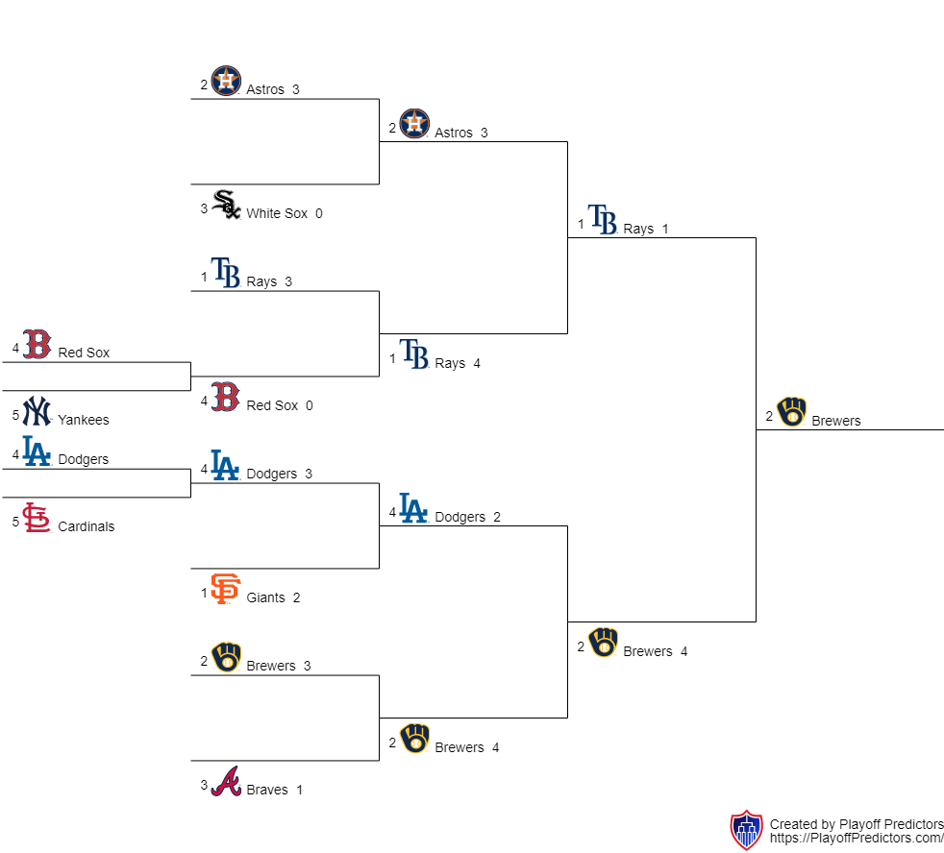
Red Sox | 1 (9-7) |  |  |  |  |  | (4-3) 1 | Dodgers
VS. | Red Sox | 0 (2-4),(3-7),(4-10) |  |  |  | (8-6),(3-7),(17-7),(3-4),(6-5) 3 | Dodgers | VS.
Yankees | 0 (7-9) |  |  |  |  |  | (3-4) 0 | Cardinals
 |  | Rays | 4 (3-2),(4-5),(4-2),(5-10),(1-5),(4-2),(3-1) |  | (5-3),(2-1),(4-7),(2-3),(0-1),(6-8) 2 | Dodgers

 | Rays | 3 (4,2),(7-3),(10-4) |  |  |  | (6-8),(7-3),(7-17),(4-3),(5-6) 2 | Giants
 |  |  |  | Brewers
 |  | (4-1),(6-9),(1-3),(1-3),(4-6) 1 | Rays | VS. | Brewers | 4 (1-4),(9-6),(3-1),(3-1),(6-4)

 | White Sox | 0 (2-6),(4-7),(1-3) |  |  |  | (3-4),(6-3),(0-9),(2-8) 1 | Braves

 |  | Astros | 3 (2-3),(5-4),(2-4),(10-5),(5-1),(2-4),(1-3) |  | (3-5),(1-2),(7-4),(3-2),(1-0),(8-6) 4 | Brewers

 | Astros | 3 (6-2),(7-4),(3-1) |  |  |  | (4-3),(3-6),(9-0),(8-2) 3 | Brewers

