Feuil1
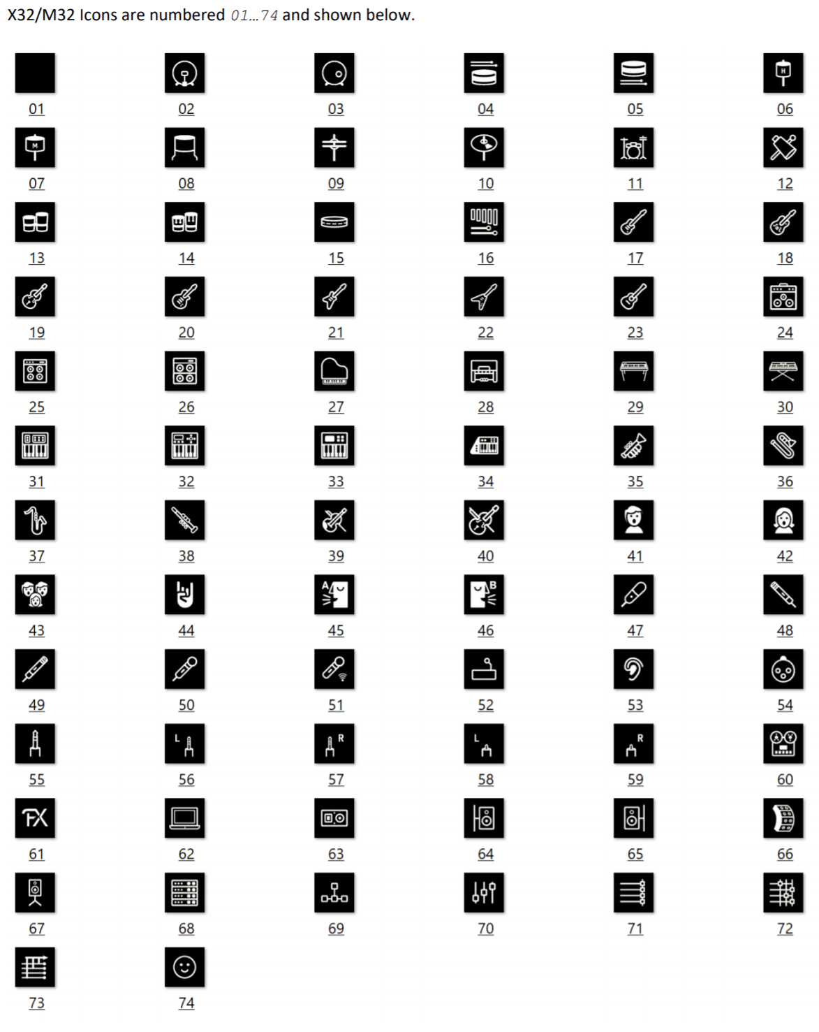
Name | Icon index | Color | File Name | path | D:\Libraries
MIC John | 50 | GN | mic-john

 |  |  |  |  |  | Source: https://bf95dc13-a-62cb3a1a-s-sites.googlegroups.com/site/patrickmaillot/docs/X32-OSC.pdf?attachauth=ANoY7codFCrgxK3nE-Oposdb_AsiDeaZPogfn_JGHXpgovC4DzAaARzpFEhY1Dj6TPMvweXx3Nlk9nasKpk6jKMcbiu0QupQcP0lzfyE5dKnxMER5JMeHPxopQQrtxXf4OqatNZ-ZDAILGFHVwWkrw1EAoK0rPzyQHwWCG5MhHlnzciab8iziVSGI7fXYPYxyK1c9qcTjWPD_3YMFHV40nWhlj5J5-1ILw%3D%3D&attredirects=0
 |  |  |  |  |  | Page: 134

