results
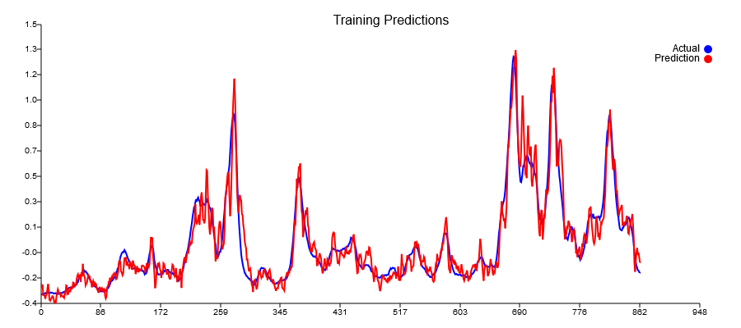
Predictions | TestRaw | Lag8
-0.20016 | -0.18181818182
-0.154891 | -0.13409090909
-0.146201 | -0.17272727273
-0.093612 | -0.19772727273
-0.104046 | -0.2
-0.133899 | -0.16590909091
-0.161078 | -0.22045454545
-0.181551 | -0.21818181818 |  |  | Presistance loss | Best of 10 Test loss
-0.211256 | -0.24772727273 | -0.18181818182 | 0.0043440082645 | 0.034688168237 | 0.0152213
-0.222811 | -0.26818181818 | -0.13409090909 | 0.017980371901
-0.234922 | -0.26136363636 | -0.17272727273 | 0.0078564049587
-0.204794 | -0.26818181818 | -0.19772727273 | 0.0049638429752
-0.235097 | -0.22727272727 | -0.2 | 0.00074380165289
-0.217635 | -0.25681818182 | -0.16590909091 | 0.0082644628099
-0.193169 | -0.26818181818 | -0.22045454545 | 0.002277892562
-0.218855 | -0.225 | -0.21818181818 | 4.6487603306E-05
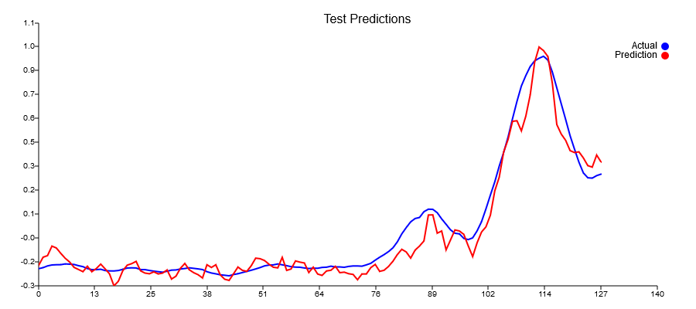
-0.247153 | -0.25681818182 | -0.24772727273 | 8.2644628099E-05
-0.312924 | -0.24545454545 | -0.26818181818 | 0.00051652892562
-0.287446 | -0.23181818182 | -0.26136363636 | 0.0008729338843
-0.229255 | -0.22727272727 | -0.26818181818 | 0.001673553719
-0.198834 | -0.22727272727 | -0.22727272727 | 0
-0.190491 | -0.19090909091 | -0.25681818182 | 0.0043440082645
-0.177958 | -0.2 | -0.26818181818 | 0.0046487603306
-0.229992 | -0.15909090909 | -0.225 | 0.0043440082645
-0.242432 | -0.175 | -0.25681818182 | 0.006694214876
-0.246382 | -0.17045454545 | -0.24545454545 | 0.005625
-0.235726 | -0.19772727273 | -0.23181818182 | 0.0011621900826
-0.247273 | -0.22045454545 | -0.22727272727 | 4.6487603306E-05
-0.242457 | -0.225 | -0.22727272727 | 5.1652892562E-06
-0.225323 | -0.18863636364 | -0.19090909091 | 5.1652892562E-06
-0.275518 | -0.20454545455 | -0.2 | 2.0661157025E-05
-0.259839 | -0.21363636364 | -0.15909090909 | 0.0029752066116
-0.216556 | -0.22045454545 | -0.175 | 0.0020661157025
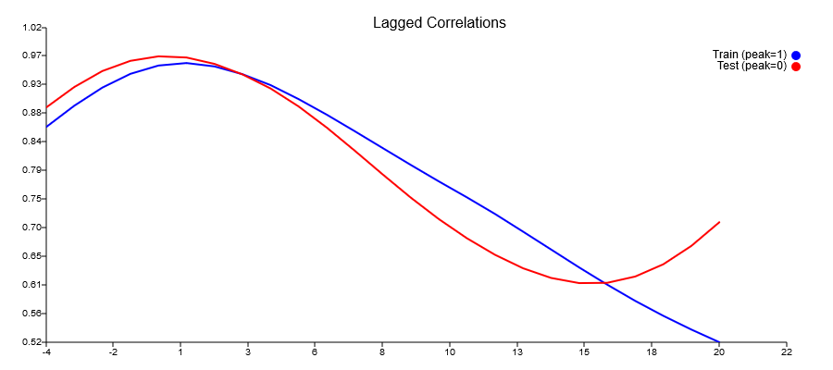
-0.189269 | -0.22272727273 | -0.17045454545 | 0.0027324380165
-0.224216 | -0.26590909091 | -0.19772727273 | 0.0046487603306
-0.24023 | -0.25 | -0.22045454545 | 0.0008729338843
-0.251567 | -0.22045454545 | -0.225 | 2.0661157025E-05
-0.269535 | -0.20681818182 | -0.18863636364 | 0.0003305785124
-0.196495 | -0.25227272727 | -0.20454545455 | 0.002277892562
-0.211466 | -0.22272727273 | -0.21363636364 | 8.2644628099E-05
-0.19688 | -0.21590909091 | -0.22045454545 | 2.0661157025E-05
-0.252466 | -0.19772727273 | -0.22272727273 | 0.000625
-0.276486 | -0.16590909091 | -0.26590909091 | 0.01
-0.282956 | -0.2 | -0.25 | 0.0025
-0.24646 | -0.24090909091 | -0.22045454545 | 0.00041838842975
-0.209322 | -0.22727272727 | -0.20681818182 | 0.00041838842975
-0.227497 | -0.28636363636 | -0.25227272727 | 0.0011621900826
-0.232928 | -0.25454545455 | -0.22272727273 | 0.0010123966942
-0.202153 | -0.26363636364 | -0.21590909091 | 0.002277892562
-0.160108 | -0.25 | -0.19772727273 | 0.0027324380165
-0.163221 | -0.225 | -0.16590909091 | 0.0034917355372
-0.173185 | -0.19090909091 | -0.2 | 8.2644628099E-05
-0.1935 | -0.15227272727 | -0.24090909091 | 0.0078564049587
-0.210449 | -0.18636363636 | -0.22727272727 | 0.001673553719
-0.213796 | -0.21818181818 | -0.28636363636 | 0.0046487603306
-0.155743 | -0.23863636364 | -0.25454545455 | 0.00025309917355
-0.227705 | -0.23181818182 | -0.26363636364 | 0.0010123966942
-0.22009 | -0.22727272727 | -0.25 | 0.00051652892562
-0.175644 | -0.27727272727 | -0.225 | 0.0027324380165
-0.182119 | -0.25227272727 | -0.19090909091 | 0.0037654958678
-0.186753 | -0.225 | -0.15227272727 | 0.0052892561983
-0.23966 | -0.25681818182 | -0.18636363636 | 0.0049638429752
-0.209944 | -0.25227272727 | -0.21818181818 | 0.0011621900826
-0.247931 | -0.25909090909 | -0.23863636364 | 0.00041838842975
-0.255413 | -0.28636363636 | -0.23181818182 | 0.0029752066116
-0.230754 | -0.25454545455 | -0.22727272727 | 0.00074380165289
-0.227078 | -0.25454545455 | -0.27727272727 | 0.00051652892562
-0.205437 | -0.21363636364 | -0.25227272727 | 0.001492768595
-0.240326 | -0.21363636364 | -0.225 | 0.0001291322314
-0.237554 | -0.16590909091 | -0.25681818182 | 0.0082644628099
-0.246045 | -0.2 | -0.25227272727 | 0.0027324380165
-0.250046 | -0.19545454545 | -0.25909090909 | 0.0040495867769
-0.279228 | -0.19318181818 | -0.28636363636 | 0.0086828512397
-0.2475 | -0.21818181818 | -0.25454545455 | 0.0013223140496
-0.247496 | -0.17045454545 | -0.25454545455 | 0.0070712809917
-0.212278 | -0.21590909091 | -0.21363636364 | 5.1652892562E-06
-0.194783 | -0.20227272727 | -0.21363636364 | 0.0001291322314
-0.233124 | -0.16818181818 | -0.16590909091 | 5.1652892562E-06
-0.22707 | -0.20909090909 | -0.2 | 8.2644628099E-05
-0.205871 | -0.24090909091 | -0.19545454545 | 0.0020661157025
-0.177133 | -0.24772727273 | -0.19318181818 | 0.0029752066116
-0.140084 | -0.21363636364 | -0.21818181818 | 2.0661157025E-05
-0.111425 | -0.225 | -0.17045454545 | 0.0029752066116
-0.12595 | -0.20681818182 | -0.21590909091 | 8.2644628099E-05
-0.160041 | -0.24318181818 | -0.20227272727 | 0.001673553719
-0.115987 | -0.18636363636 | -0.16818181818 | 0.0003305785124
-0.0934883 | -0.17045454545 | -0.20909090909 | 0.001492768595
-0.0650394 | -0.16818181818 | -0.24090909091 | 0.0052892561983
0.0781227 | -0.22954545455 | -0.24772727273 | 0.0003305785124
0.0787894 | -0.19772727273 | -0.21363636364 | 0.00025309917355
-0.0222445 | -0.25 | -0.225 | 0.000625
-0.0103285 | -0.225 | -0.20681818182 | 0.0003305785124
-0.114301 | -0.225 | -0.24318181818 | 0.0003305785124
-0.0594995 | -0.2 | -0.18636363636 | 0.00018595041322
-0.00445801 | -0.16363636364 | -0.17045454545 | 4.6487603306E-05
-0.0100894 | -0.17045454545 | -0.16818181818 | 5.1652892562E-06
-0.0287927 | -0.17954545455 | -0.22954545455 | 0.0025
-0.0923999 | -0.16363636364 | -0.19772727273 | 0.0011621900826
-0.151487 | -0.12045454545 | -0.25 | 0.016782024793
-0.0756798 | -0.093181818182 | -0.225 | 0.017376033058
-0.0161336 | -0.079545454545 | -0.225 | 0.021157024793
0.0127358 | -0.095454545455 | -0.2 | 0.010929752066
0.0769813 | -0.05 | -0.16363636364 | 0.01291322314
0.211786 | 0.022727272727 | -0.17045454545 | 0.037319214876
0.286997 | 0.12954545455 | -0.17954545455 | 0.095537190083
0.426274 | 0.21590909091 | -0.16363636364 | 0.14405475207
0.495391 | 0.14772727273 | -0.12045454545 | 0.071921487603
0.595198 | 0.16363636364 | -0.093181818182 | 0.065955578512
0.598445 | 0.072727272727 | -0.079545454545 | 0.023186983471
0.542596 | -0.027272727273 | -0.095454545455 | 0.0046487603306
0.623714 | 0.19318181818 | -0.05 | 0.059137396694
0.741754 | 0.072727272727 | 0.022727272727 | 0.0025
0.921888 | 0.015909090909 | 0.12954545455 | 0.01291322314
1.00528 | -0.036363636364 | 0.21590909091 | 0.063641528926
0.985659 | -0.093181818182 | 0.14772727273 | 0.058037190083
0.952602 | -0.12045454545 | 0.16363636364 | 0.080707644628
0.803839 | -0.11363636364 | 0.072727272727 | 0.034731404959
0.577356 | -0.095454545455 | -0.027272727273 | 0.0046487603306
0.525003 | -0.056818181818 | 0.19318181818 | 0.0625
0.490076 | -0.034090909091 | 0.072727272727 | 0.011410123967
0.433596 | 0.015909090909 | 0.015909090909 | 0
0.422729 | 0.1 | -0.036363636364 | 0.018595041322
0.426919 | 0.31136363636 | -0.093181818182 | 0.16365702479
0.393102 | 0.36136363636 | -0.12045454545 | 0.23214876033
0.350661 | 0.51818181818 | -0.11363636364 | 0.39919421488
0.342458 | 0.57045454545 | -0.095454545455 | 0.44343491736
0.408959 | 0.56818181818 | -0.056818181818 | 0.390625
0.370196 | 0.72045454545 | -0.034090909091 | 0.56933884298
 | 0.64318181818 | 0.015909090909 | 0.39347107438
 | 0.78863636364 | 0.1 | 0.47422004132
 | 1.0068181818 | 0.31136363636 | 0.48365702479
 | 1.1681818182 | 0.36136363636 | 0.65095557851
 | 1.1295454545 | 0.51818181818 | 0.37376549587
 | 1.0340909091 | 0.57045454545 | 0.21495867769
 | 1.0227272727 | 0.56818181818 | 0.20661157025
 | 0.84772727273 | 0.72045454545 | 0.016198347107
 | 0.85 | 0.64318181818 | 0.042773760331
 | 0.74090909091 | 0.78863636364 | 0.002277892562
 | 0.6 | 1.0068181818 | 0.16550103306
 | 0.40909090909 | 1.1681818182 | 0.57621900826
 | 0.38181818182 | 1.1295454545 | 0.55909607438
 | 0.34318181818 | 1.0340909091 | 0.4773553719
 | 0.25227272727 | 1.0227272727 | 0.59360020661
 | 0.21818181818 | 0.84772727273 | 0.39632747934
 | 0.17727272727 | 0.85 | 0.45256198347
 | 0.20227272727 | 0.74090909091 | 0.29012913223
 | 0.20909090909 | 0.6 | 0.15280991736
 | 0.35909090909 | 0.40909090909 | 0.0025
 | 0.39090909091 | 0.38181818182 | 8.2644628099E-05
 | 0.50681818182 | 0.34318181818 | 0.026776859504
 | 0.41818181818 | 0.25227272727 | 0.027525826446
 |  | 0.21818181818
 |  | 0.17727272727
 |  | 0.20227272727
 |  | 0.20909090909
 |  | 0.35909090909
 |  | 0.39090909091
 |  | 0.50681818182
 |  | 0.41818181818

