results
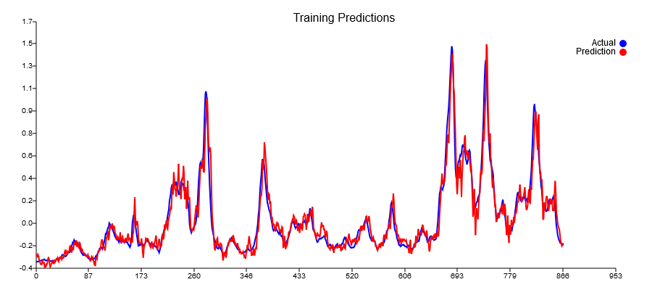
Predictions | TestRaw | Lag8
-0.219971 | -0.18181818182
-0.218557 | -0.13409090909
-0.227421 | -0.17272727273
-0.213233 | -0.19772727273
-0.217178 | -0.2
-0.17592 | -0.16590909091
-0.15011 | -0.22045454545
-0.141335 | -0.21818181818 |  |  | Presistance loss | Best of 10 Test loss
-0.138255 | -0.24772727273 | -0.18181818182 | 0.0043440082645 | 0.034688168237 | 0.0108641
-0.140476 | -0.26818181818 | -0.13409090909 | 0.017980371901
-0.185143 | -0.26136363636 | -0.17272727273 | 0.0078564049587
-0.209558 | -0.26818181818 | -0.19772727273 | 0.0049638429752
-0.205737 | -0.22727272727 | -0.2 | 0.00074380165289
-0.222383 | -0.25681818182 | -0.16590909091 | 0.0082644628099
-0.214159 | -0.26818181818 | -0.22045454545 | 0.002277892562
-0.19949 | -0.225 | -0.21818181818 | 4.6487603306E-05
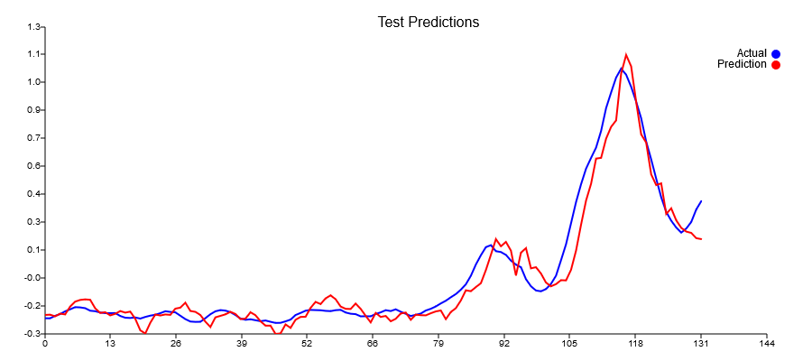
-0.207847 | -0.25681818182 | -0.24772727273 | 8.2644628099E-05
-0.202444 | -0.24545454545 | -0.26818181818 | 0.00051652892562
-0.240306 | -0.23181818182 | -0.26136363636 | 0.0008729338843
-0.300298 | -0.22727272727 | -0.26818181818 | 0.001673553719
-0.317538 | -0.22727272727 | -0.22727272727 | 0
-0.261124 | -0.19090909091 | -0.25681818182 | 0.0043440082645
-0.217695 | -0.2 | -0.26818181818 | 0.0046487603306
-0.222916 | -0.15909090909 | -0.225 | 0.0043440082645
-0.217494 | -0.175 | -0.25681818182 | 0.006694214876
-0.219587 | -0.17045454545 | -0.24545454545 | 0.005625
-0.186953 | -0.19772727273 | -0.23181818182 | 0.0011621900826
-0.181743 | -0.22045454545 | -0.22727272727 | 4.6487603306E-05
-0.155969 | -0.225 | -0.22727272727 | 5.1652892562E-06
-0.199055 | -0.18863636364 | -0.19090909091 | 5.1652892562E-06
-0.203795 | -0.20454545455 | -0.2 | 2.0661157025E-05
-0.220226 | -0.21363636364 | -0.15909090909 | 0.0029752066116
-0.255642 | -0.22045454545 | -0.175 | 0.0020661157025
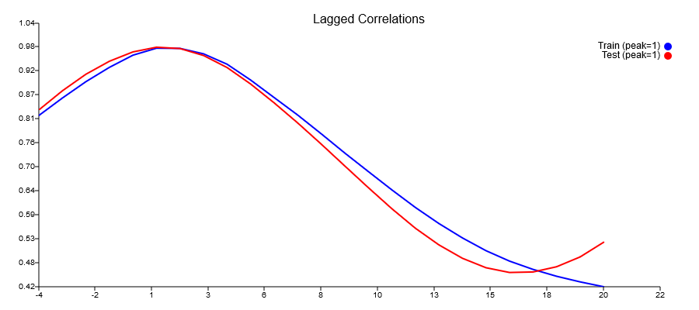
-0.283025 | -0.22272727273 | -0.17045454545 | 0.0027324380165
-0.232594 | -0.26590909091 | -0.19772727273 | 0.0046487603306
-0.224824 | -0.25 | -0.22045454545 | 0.0008729338843
-0.216967 | -0.22045454545 | -0.225 | 2.0661157025E-05
-0.203668 | -0.20681818182 | -0.18863636364 | 0.0003305785124
-0.214924 | -0.25227272727 | -0.20454545455 | 0.002277892562
-0.241876 | -0.22272727273 | -0.21363636364 | 8.2644628099E-05
-0.239225 | -0.21590909091 | -0.22045454545 | 2.0661157025E-05
-0.205948 | -0.19772727273 | -0.22272727273 | 0.000625
-0.221371 | -0.16590909091 | -0.26590909091 | 0.01
-0.253208 | -0.2 | -0.25 | 0.0025
-0.27618 | -0.24090909091 | -0.22045454545 | 0.00041838842975
-0.27611 | -0.22727272727 | -0.20681818182 | 0.00041838842975
-0.319586 | -0.28636363636 | -0.25227272727 | 0.0011621900826
-0.317098 | -0.25454545455 | -0.22272727273 | 0.0010123966942
-0.269624 | -0.26363636364 | -0.21590909091 | 0.002277892562
-0.287762 | -0.25 | -0.19772727273 | 0.0027324380165
-0.245365 | -0.225 | -0.16590909091 | 0.0034917355372
-0.230338 | -0.19090909091 | -0.2 | 8.2644628099E-05
-0.229548 | -0.15227272727 | -0.24090909091 | 0.0078564049587
-0.182842 | -0.18636363636 | -0.22727272727 | 0.001673553719
-0.151704 | -0.21818181818 | -0.28636363636 | 0.0046487603306
-0.162804 | -0.23863636364 | -0.25454545455 | 0.00025309917355
-0.133037 | -0.23181818182 | -0.26363636364 | 0.0010123966942
-0.117214 | -0.22727272727 | -0.25 | 0.00051652892562
-0.137704 | -0.27727272727 | -0.225 | 0.0027324380165
-0.175893 | -0.25227272727 | -0.19090909091 | 0.0037654958678
-0.187817 | -0.225 | -0.15227272727 | 0.0052892561983
-0.188823 | -0.25681818182 | -0.18636363636 | 0.0049638429752
-0.160133 | -0.25227272727 | -0.21818181818 | 0.0011621900826
-0.188075 | -0.25909090909 | -0.23863636364 | 0.00041838842975
-0.224665 | -0.28636363636 | -0.23181818182 | 0.0029752066116
-0.25902 | -0.25454545455 | -0.22727272727 | 0.00074380165289
-0.209526 | -0.25454545455 | -0.27727272727 | 0.00051652892562
-0.230339 | -0.21363636364 | -0.25227272727 | 0.001492768595
-0.225441 | -0.21363636364 | -0.225 | 0.0001291322314
-0.253387 | -0.16590909091 | -0.25681818182 | 0.0082644628099
-0.240376 | -0.2 | -0.25227272727 | 0.0027324380165
-0.212532 | -0.19545454545 | -0.25909090909 | 0.0040495867769
-0.207397 | -0.19318181818 | -0.28636363636 | 0.0086828512397
-0.245549 | -0.21818181818 | -0.25454545455 | 0.0013223140496
-0.218297 | -0.17045454545 | -0.25454545455 | 0.0070712809917
-0.221308 | -0.21590909091 | -0.21363636364 | 5.1652892562E-06
-0.222124 | -0.20227272727 | -0.21363636364 | 0.0001291322314
-0.211081 | -0.16818181818 | -0.16590909091 | 5.1652892562E-06
-0.201573 | -0.20909090909 | -0.2 | 8.2644628099E-05
-0.196491 | -0.24090909091 | -0.19545454545 | 0.0020661157025
-0.242068 | -0.24772727273 | -0.19318181818 | 0.0029752066116
-0.204665 | -0.21363636364 | -0.21818181818 | 2.0661157025E-05
-0.184529 | -0.225 | -0.17045454545 | 0.0029752066116
-0.144157 | -0.20681818182 | -0.21590909091 | 8.2644628099E-05
-0.0907265 | -0.24318181818 | -0.20227272727 | 0.001673553719
-0.0954976 | -0.18636363636 | -0.16818181818 | 0.0003305785124
-0.0737404 | -0.17045454545 | -0.20909090909 | 0.001492768595
-0.0535876 | -0.16818181818 | -0.24090909091 | 0.0052892561983
0.0156087 | -0.22954545455 | -0.24772727273 | 0.0003305785124
0.0955073 | -0.19772727273 | -0.21363636364 | 0.00025309917355
0.177741 | -0.25 | -0.225 | 0.000625
0.140321 | -0.225 | -0.20681818182 | 0.0003305785124
0.163135 | -0.225 | -0.24318181818 | 0.0003305785124
0.117475 | -0.2 | -0.18636363636 | 0.00018595041322
-0.0136933 | -0.16363636364 | -0.17045454545 | 4.6487603306E-05
0.106797 | -0.17045454545 | -0.16818181818 | 5.1652892562E-06
0.130277 | -0.17954545455 | -0.22954545455 | 0.0025
0.0245344 | -0.16363636364 | -0.19772727273 | 0.0011621900826
0.0305123 | -0.12045454545 | -0.25 | 0.016782024793
-0.0027787 | -0.093181818182 | -0.225 | 0.017376033058
-0.0503866 | -0.079545454545 | -0.225 | 0.021157024793
-0.0696105 | -0.095454545455 | -0.2 | 0.010929752066
-0.0582049 | -0.05 | -0.16363636364 | 0.01291322314
-0.0375542 | 0.022727272727 | -0.17045454545 | 0.037319214876
-0.0387664 | 0.12954545455 | -0.17954545455 | 0.095537190083
0.0168544 | 0.21590909091 | -0.16363636364 | 0.14405475207
0.117694 | 0.14772727273 | -0.12045454545 | 0.071921487603
0.253697 | 0.16363636364 | -0.093181818182 | 0.065955578512
0.380344 | 0.072727272727 | -0.079545454545 | 0.023186983471
0.468371 | -0.027272727273 | -0.095454545455 | 0.0046487603306
0.600499 | 0.19318181818 | -0.05 | 0.059137396694
0.604126 | 0.072727272727 | 0.022727272727 | 0.0025
0.705085 | 0.015909090909 | 0.12954545455 | 0.01291322314
0.76677 | -0.036363636364 | 0.21590909091 | 0.063641528926
0.800795 | -0.093181818182 | 0.14772727273 | 0.058037190083
1.04637 | -0.12045454545 | 0.16363636364 | 0.080707644628
1.14396 | -0.11363636364 | 0.072727272727 | 0.034731404959
1.08433 | -0.095454545455 | -0.027272727273 | 0.0046487603306
0.897974 | -0.056818181818 | 0.19318181818 | 0.0625
0.7271 | -0.034090909091 | 0.072727272727 | 0.011410123967
0.68442 | 0.015909090909 | 0.015909090909 | 0
0.517405 | 0.1 | -0.036363636364 | 0.018595041322
0.461584 | 0.31136363636 | -0.093181818182 | 0.16365702479
0.470337 | 0.36136363636 | -0.12045454545 | 0.23214876033
0.310403 | 0.51818181818 | -0.11363636364 | 0.39919421488
0.33924 | 0.57045454545 | -0.095454545455 | 0.44343491736
0.276323 | 0.56818181818 | -0.056818181818 | 0.390625
0.237215 | 0.72045454545 | -0.034090909091 | 0.56933884298
0.217444 | 0.64318181818 | 0.015909090909 | 0.39347107438
0.210398 | 0.78863636364 | 0.1 | 0.47422004132
0.18284 | 1.0068181818 | 0.31136363636 | 0.48365702479
0.177898 | 1.1681818182 | 0.36136363636 | 0.65095557851
 | 1.1295454545 | 0.51818181818 | 0.37376549587
 | 1.0340909091 | 0.57045454545 | 0.21495867769
 | 1.0227272727 | 0.56818181818 | 0.20661157025
 | 0.84772727273 | 0.72045454545 | 0.016198347107
 | 0.85 | 0.64318181818 | 0.042773760331
 | 0.74090909091 | 0.78863636364 | 0.002277892562
 | 0.6 | 1.0068181818 | 0.16550103306
 | 0.40909090909 | 1.1681818182 | 0.57621900826
 | 0.38181818182 | 1.1295454545 | 0.55909607438
 | 0.34318181818 | 1.0340909091 | 0.4773553719
 | 0.25227272727 | 1.0227272727 | 0.59360020661
 | 0.21818181818 | 0.84772727273 | 0.39632747934
 | 0.17727272727 | 0.85 | 0.45256198347
 | 0.20227272727 | 0.74090909091 | 0.29012913223
 | 0.20909090909 | 0.6 | 0.15280991736
 | 0.35909090909 | 0.40909090909 | 0.0025
 | 0.39090909091 | 0.38181818182 | 8.2644628099E-05
 | 0.50681818182 | 0.34318181818 | 0.026776859504
 | 0.41818181818 | 0.25227272727 | 0.027525826446
 |  | 0.21818181818
 |  | 0.17727272727
 |  | 0.20227272727
 |  | 0.20909090909
 |  | 0.35909090909
 |  | 0.39090909091
 |  | 0.50681818182
 |  | 0.41818181818

