Auto Hood


Plan for - Auto Advertising
Sr. No. | State | Location | No. of Auto | Type | Rate per Auto | Union Charges | Cost | GST @ 18 % | Total Cost
1 | Telangana | Hyderabad | 300 | Small Auto Hood | ₹ 540 | ₹ 100 | ₹ 192,000 | ₹ 34,560 | ₹ 226,560

Case study - Auto
   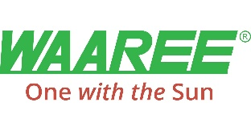 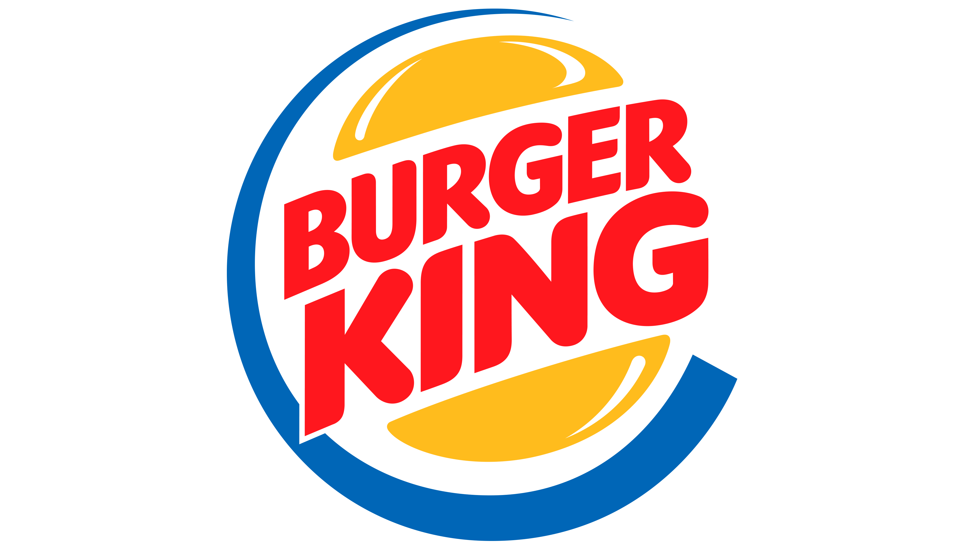
Case Study
Brand | 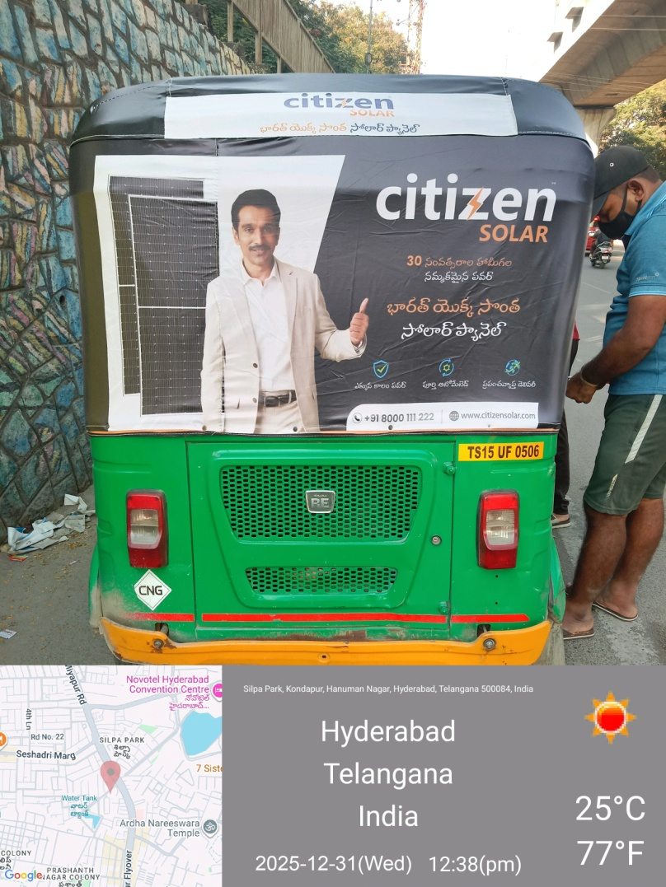
Citizen Solar

Objective
Brand Awareness and Visibility

Solution
Brand Recall and Recognition

Result
Opportunity of Lead Generation

Our Clientle

Case Study - Bus
Case Study
Brand | 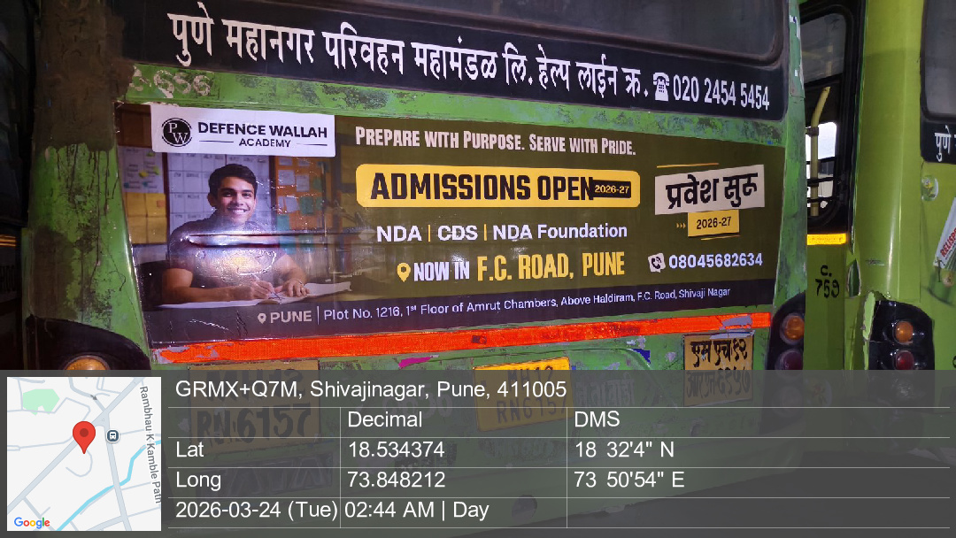
Physics Wallah

Objective
Visibility over Large Geography for Brand Awareness

Solution
Brand Recognition

Result
Opportunity to Lead Generation along with Visibility

Our Clientle

Metro


Transit Media : Metro Internal and External Branding Proposal
Sr.No. | City | Line | Route | Media Package | Train Units | Display Cost - 1 Month | Printing & Mounting | Total Cost | GST 18% | Final cost with GST
1 | Hyderabad | Line 1, Line 2 & Line 3 | Miyapur – Ameerpet – Nagole Nagole to Raidurg | Internal Panels | 1 | ₹ 325,000 | ₹ 100,000 | ₹ 425,000 | ₹ 76,500 | ₹ 501,500
2 |  |  |  | External Wrap | 1 | ₹ 770,000 | ₹ 450,000 | ₹ 1,220,000 | ₹ 219,600 | ₹ 1,439,600

Case Study - Metro
Case Study
Brand | 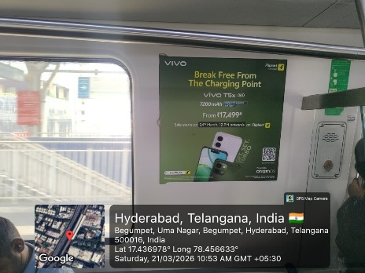 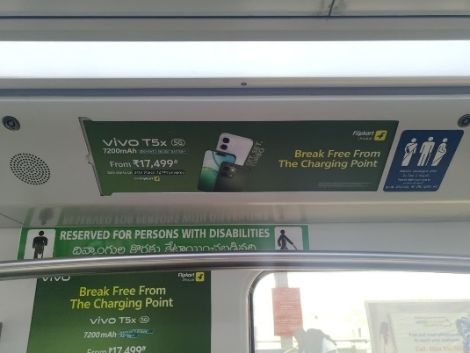 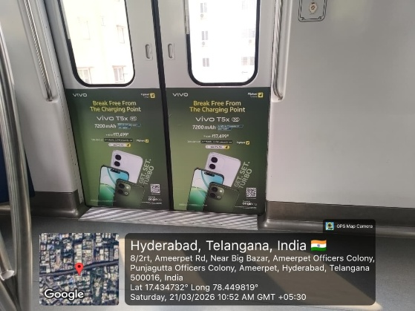
Flipkart x Vivo

Objective
Product Launch & Promotion - Hyderabad

Solution
Capture of Maximum Market and Visibility

Result
Capture of Maximum Market and Visibility

Our Clientle

Case Study - Train
Case Study
Brand | 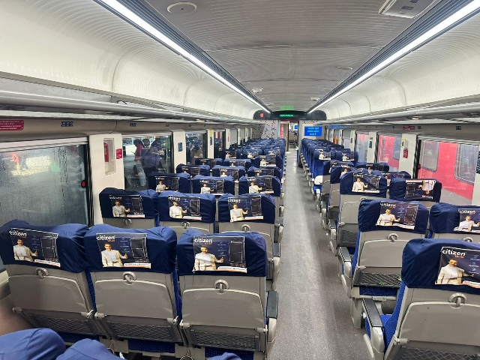 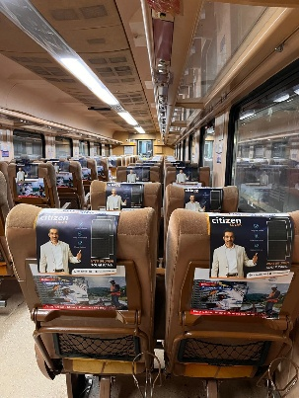
Citizen Solar

Objective
Brand Awareness and Visibility

Solution
Brand Recall and Recognition

Result
Opportunity of Lead Generation

Our Clientle

