Case Study - Bus
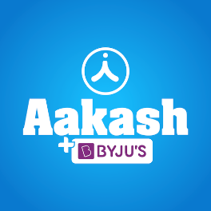 
Case Study
Brand | 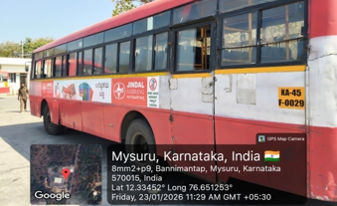 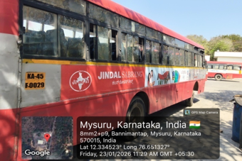
Jindal India

Objective
Visibility over Large Geography for Brand Awareness

Solution
Brand Recognition

Result
Opportunity to Lead Generation along with Visibility

Our Clientle

Auto


Plan for - Auto Advertising
Sr. No. | State | Location | No. of Auto | Type | Rate per Auto | Union Charges | Cost | GST @ 18 % | Total Cost
1 | West Bengal | Nadia | 0 | No Autos | ₹ 0 | ₹ 0 | ₹ 0 | ₹ 0 | ₹ 0
2 | Tamil Nadu | Tiruppur | 150 | Big Auto Hood | ₹ 675 | ₹ 0 | ₹ 101,250 | ₹ 18,225 | ₹ 119,475
3 | Tamil Nadu | Dharapuram | 200 | Big Auto Hood | ₹ 675 | ₹ 0 | ₹ 135,000 | ₹ 24,300 | ₹ 159,300

Case Study - Auto
Case Study
Brand | 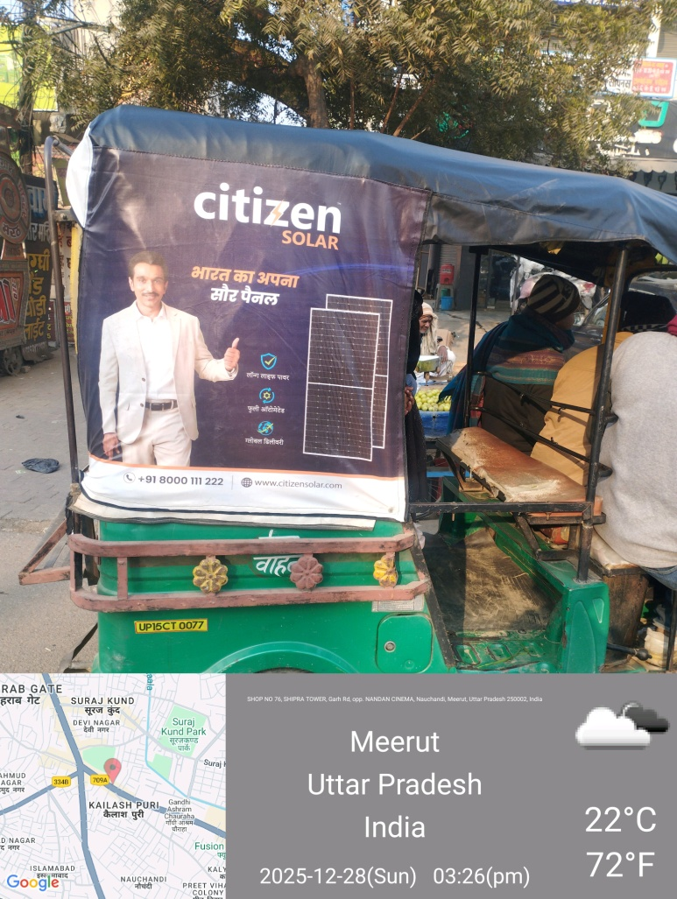 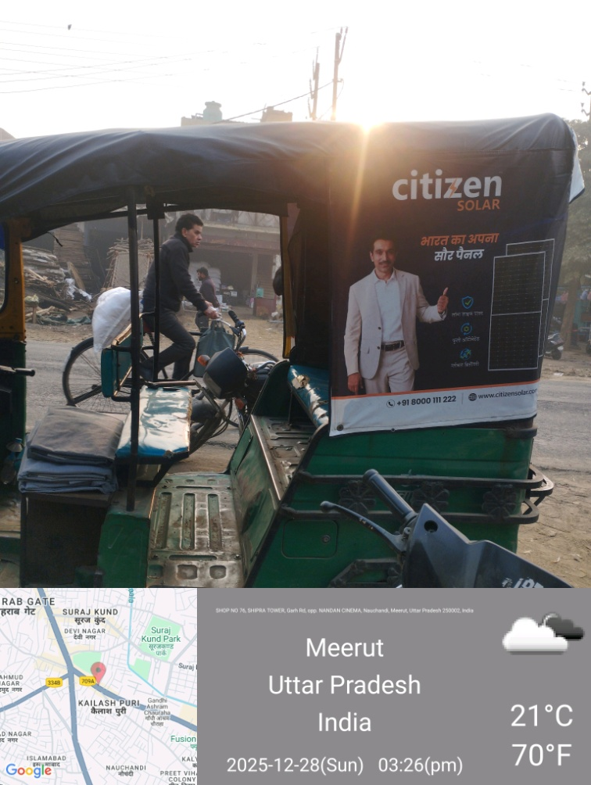 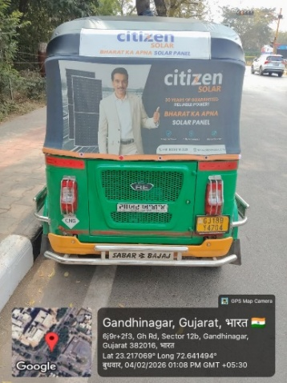 Picture
Citizen Solar

Objective
Brand Awareness and Visibility

Solution
Brand Recall and Recognition

Result
Opportunity of Lead Generation

Our Clientle

Atlas
 
Introducing Atlas by Excellent Publicity

The next evolution of adtech infrastructure and a unified command center that brings digital-level precision to every channel, both online and offline. Through a single, integrated dashboard, brands can plan, execute, and evaluate campaigns across all services, locations, and companies in one place, while gaining full transparency, real-time tracking, and performance visibility even for traditionally offline media.

