Case study
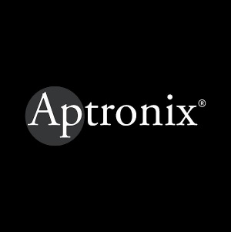  
Case Study
Brand | Picture

Objective

Solution

Result

Cinema advertising delivers immersive, full-attention brand exposure in a premium entertainment environment; creating stronger emotional recall compared to passive media formats.

Our Clientle

Atlas
 
Introducing Atlas by Excellent Publicity

The next evolution of adtech infrastructure and a unified command center that brings digital-level precision to every channel, both online and offline. Through a single, integrated dashboard, brands can plan, execute, and evaluate campaigns across all services, locations, and companies in one place, while gaining full transparency, real-time tracking, and performance visibility even for traditionally offline media.

