Quotation


Proposal for Newspaper Advertising
Sr. No. | Publication | Edition | Approx. Circulations | Size of the Advt.(HxW) | Page Position | Rate Per Insertion | Offer Rate Per Insertion | GST @ 5% | Total Cost | Readership | CPR

Total |  |  |  |  |  | ₹ 0 | ₹ 0 | ₹ 0 | ₹ 0

Terms & Conditions

1. Payment Terms : 100% Advance.
2. Page Position confirmation will be subject to space availability on the scheduled release date, at the time of closing the issue.
3. Publications reserve the right to carry a Multiple Jackets / Flaps on any page without prior intimation on any date.
4. Guaranteed jackets / Guaranteed Power Jackets / Innovations will always take precedence.
5. Positioning of Floating/Hybrid Jacket cannot be confirmed.
6. In case the creative when received qualifies for a co-branded ad then additional charges of the client rate will apply.
7. Competitor clients can be carried at any point of time
8. Full run ads will always take precedence for the same.
9. Bigger/standard sizes will take precedence for the same.
10. Taxes will be extra as per actual.
11. Confirmation and creative should be sent two days prior the release date.
12. We require the creative in High resolution PDF.
13. Cancellation will be charged as per the optimus policy.

Case Study
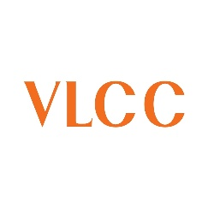
Case Study
Brand | Picture

Objective

Solution

Result

Our Clientle

Atlas
 
Introducing Atlas by Excellent Publicity

The next evolution of adtech infrastructure and a unified command center that brings digital-level precision to every channel, both online and offline. Through a single, integrated dashboard, brands can plan, execute, and evaluate campaigns across all services, locations, and companies in one place, while gaining full transparency, real-time tracking, and performance visibility even for traditionally offline media.

