help
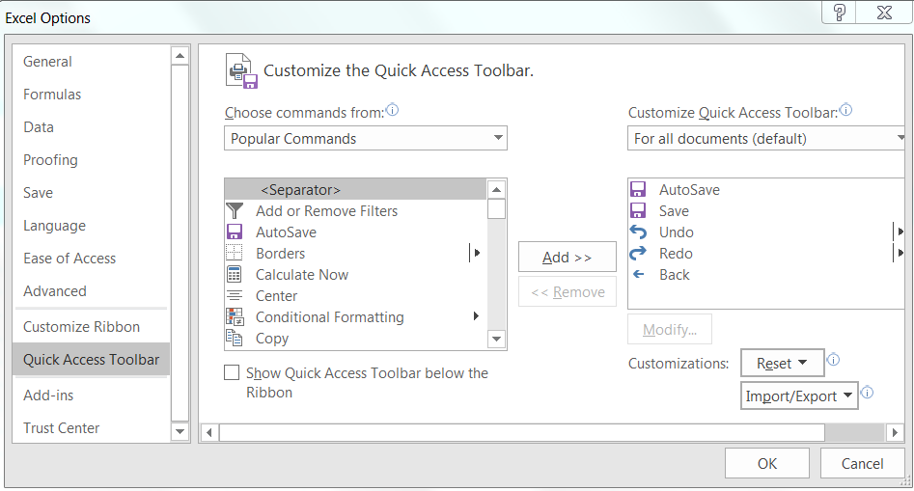
Summary sheet:
Intended Use: Identify which component is being reviewed. This should match the component short name part of the Synergy release, e.g. for release CBD_AbsHwPosScomOvlDi/FDD05H the component short name isAbsHwPosScomOvlDi (NOTE this may not always be exactly the same as the actual component short name in DaVinci; the name from the Synergy release is used to uniquely identify the component and to make it easy to find in Synergy)

Intended Use: Identify the implementation baseline name intended to be used for the changed component when changes are approved E.g. ES05H_001.4_NoUTP

Intended Use: Identify the developer who made the change(s) being reviewed
Intended Use: Identify the Implementation Work CR whose work is being reviewed (may be more than one)

Intended Use: Intended to identify at a high level to the reviewers which areas of the component have been changed

Source code:
This item includes looking at all layers of Simulink model for possible color coding not reflected at a higher level, and includes looking at any intermediate SWC Design versions between the version being implemented and the version that was used in the previous implementation.
Intended Use: Synergy version number of the file being reviewed. (Version number that Synergy displays on the checked out or unmodified file in the working project)

Intended Use: Synergy version number of the file being reviewed. (Version number that Synergy displays on the checked out or unmodified file in the working project)

Intended Use: Synergy version number of the file being reviewed. (Version number that Synergy displays on the checked out or unmodified file in the working project)

Intended Use: For SWC Designs, list the Synergy project name of the SWC Design baseline being implemented. E.g., for SF001A_Assi_Design_1.3.1, this field would say "SF001A_Assi_Design" For designs not in Synergy, list the file name of the SWC design in eRoom. For components such as Serial Communications coded from a requirements spec, give the name of the requriements spec(s).

Intended Use: For SWC Designs, list the Synergy baseline number (just the number part of the Synergy baseline name) of the SWC Design baseline being implemented. E.g., for SF001A_Assi_Design_1.3.1, this field would say "1.3.1". For other designs or requirements specifications, list the version or revision number.

Intended Use: Indicate that the the versioning was confirmed by the peer reviewer(s).

Intended Use: To confirm no compiler errors or warnings exist for the code under review (warnings from contract header files may be ignored).

Intended Use: list version/revision of latest released Software Design and Coding Standards document.

Data Dictionary:
Intended Use: Identify which version of the file is being reviewed
Intended Use: Indicate to the reviewers the type of variable changes. This should be filled out prior to the review by the change owner.

Intended Use: Indicate to the reviewers the type of calibration changes. This should be filled out prior to the review by the change owner.

Intended Use: Identify if previous version was compared and only the expected change(s) was present. This is for text files only, not binary or GUIs

Davinci Files:
Intended Use: Identify if previous version was compared and only the expected change(s) was present. This is for text files only, not binary or GUIs

MDD:
Intended Use: Identify which file is has been reviewed
Intended Use: Identify how many source files are being reviewed and trace it to the appropriate MDD.

Intended Use: Identify which version of the MDD has been reviewed.
Intended Use: Identify which version of the source file was this MDD written for.

Intended Use: Identify which version of the Data Dictionary was referenced for ranges during the review.

QAC:
eg. 8.1.1-R

Integration Manual:
Intended Use: Identify which file is being reviewed
Intended Use: Identify which version of the integration manual has been reviewed.
Synergy:
Intent - in the past, we were informally running Polyspace on EA3 components. However, we did not have appropriate configuration files and should not have archived the Polyspace projects and results. Currently, Polyspace should not be used for EA3 and any remaining Polyspace project files and/or results that were included in older baselines should be removed before creating new baselines.
Refer to Common Naming Conventions document, section "Synergy Baselines"

misc in Summary sheet
(integrator, designer, unit test coordinator, etc.)
For a new component, use number of lines in all source files reviewed, including files in the src and include folders and any generated cfg.h and cfg.c files. For a changed component, try to add up how many lines, including comments and blank lines, were in the changed areas that were reviewed. Not just the actual changed lines, but the number of lines in the blocks of code you had to look at to review the change.

add up the number of ports, number of runnables, number of NVM blocks in the component (all of them for review of a new component, the new and modified ones for review of a change)

add the number of pages in the MDD and integration manual for a new component; for a modified component, count the number of pages that contained a change.

Reviewer | Required attendance for this type of change | Review spreadsheet tab(s)
Component group peer | All | All
Component owner and/or SWC Design author | *Initial creation of any new component *Simulink model changes (any change to the model other than just updating the change log) | Source

Integrator and/or SW lead of first program planning to use the component | *Initial creation of any new component *new or changed NVM blocks, NVM datatypes, or NVM usage (added or removed or changed NVM API calls in any runnable) *Major rev (X changed in the X.Y.X design baseline number; means there was a component interface change) *new or changed config params *all MM component changes | Davinci files, Integration manual, source for NVM changes and for all MM component changes.

Unit test coordinator | Fixes for coverage issues | Source
SQA | None | None

For each reviewer category listed on each tab, there should either be • the name of the reviewer who attended or • a comment indicating o why that reviewer was not required for this change or o who approved holding the review without that required reviewer (approval must be from the software manager or a software supervisor)

How to enable Back button:
To enable the back button please follow the below instructions.
Go to File menu in Excel -> Options -> Quick-Access Tool bar -> Go to Choose commands from and Add back button from the list to your Custom Quick access Toolbar.

