Charts
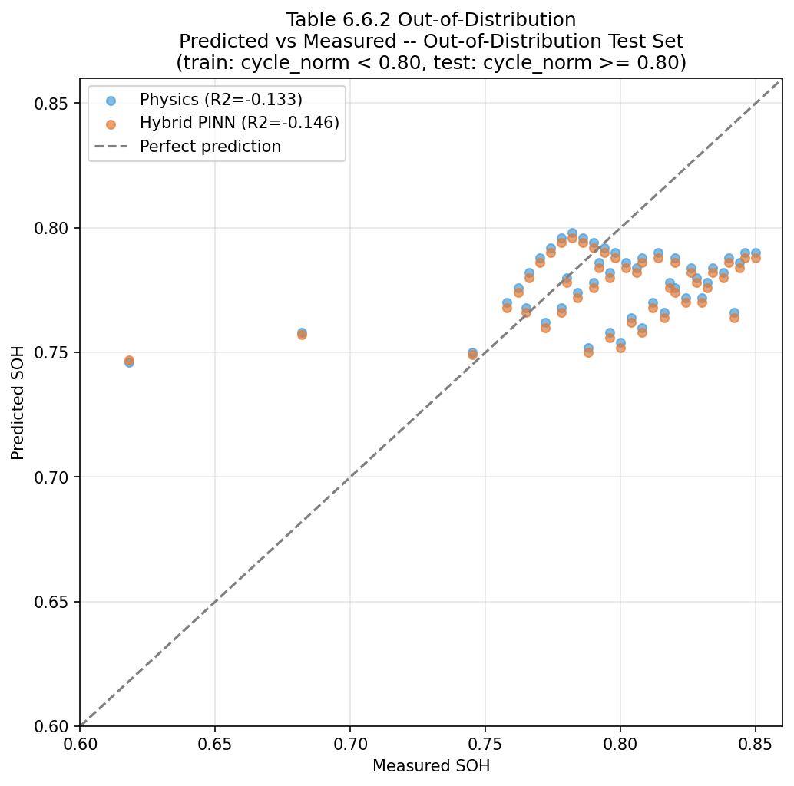
Notebook graphs
Each chart is embedded below. Matching data is on a sheet named after the chart.

SOH Degradation
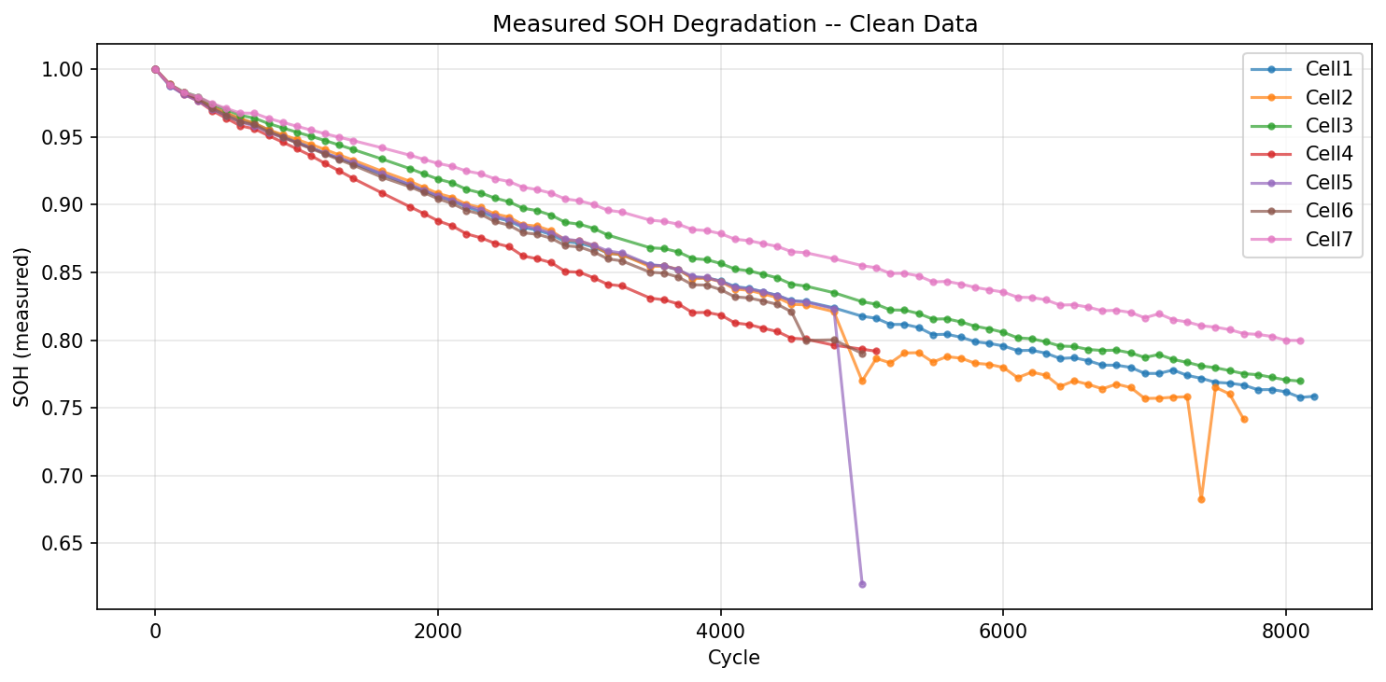

Physics vs Measured Cell1
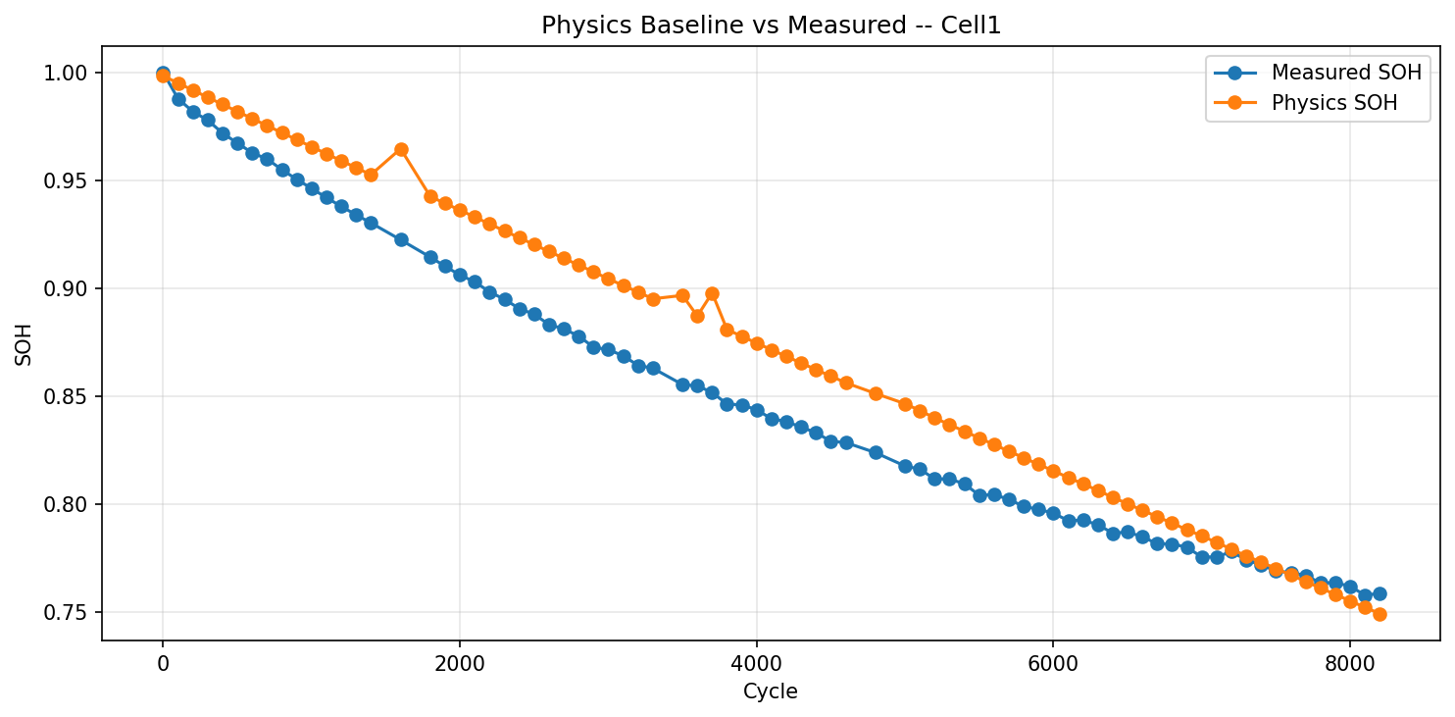

Pred vs Measured Test
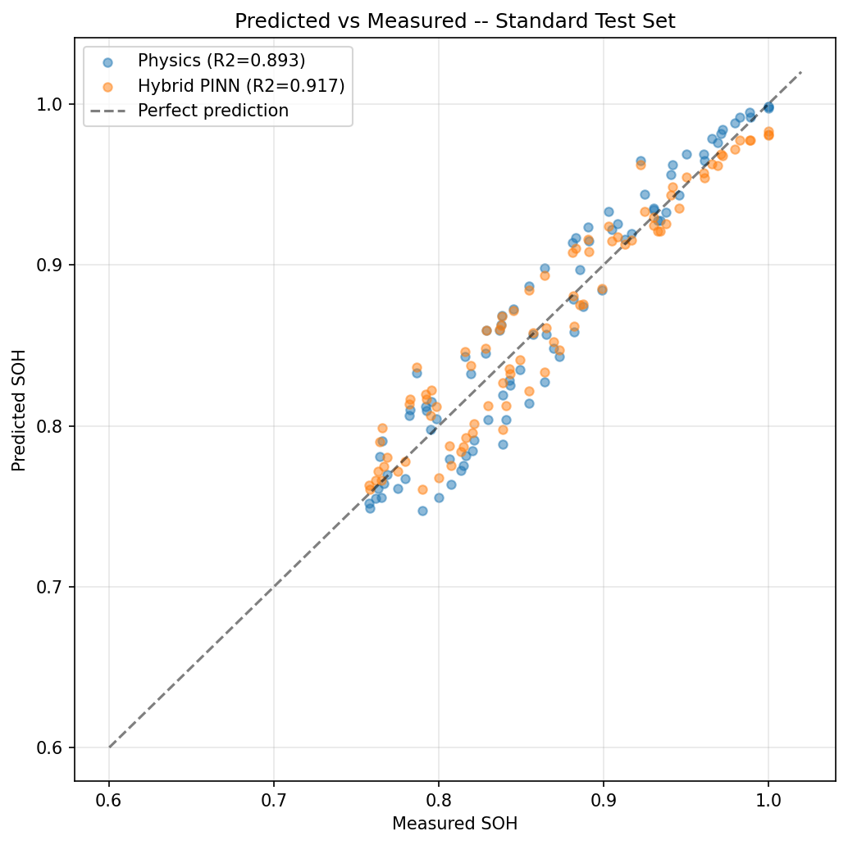

OOD Pred vs Measured

