Sheet1
Speaker Number | x | y | z | Meters
1 | 0 | 0 | 2.1336 |  |  |  |  | x | y | z
2 | 2.5908 | 0 | 2.1336 |  | speaker | 1 | xyz | -5.9563 | -1.8288 | 2.1336
3 | 4.6482 | 0 | 2.1336 |  | speaker | 2 | xyz | -3.3655 | -1.8288 | 2.1336
4 | 6.477 | 0 | 2.1336 |  | speaker | 3 | xyz | -1.3081 | -1.8288 | 2.1336
5 | 8.7122 | 0 | 2.1336 |  | speaker | 4 | xyz | 0.5207 | -1.8288 | 2.1336
6 | 11.9126 | 1.7018 | 2.1336 |  | speaker | 5 | xyz | 2.7559 | -1.8288 | 2.1336
7 | 9.779 | 3.6576 | 2.1336 |  | speaker | 6 | xyz | 5.9563 | -0.127 | 2.1336
8 | 6.731 | 3.6576 | 2.1336 |  | speaker | 7 | xyz | 3.8227 | 1.8288 | 2.1336
 |  |  |  |  | speaker | 8 | xyz | 0.7747 | 1.8288 | 2.1336
 | max | min | midpoint
x | 11.9126 | 0 | 5.9563
y | 3.6576 | 0 | 1.8288
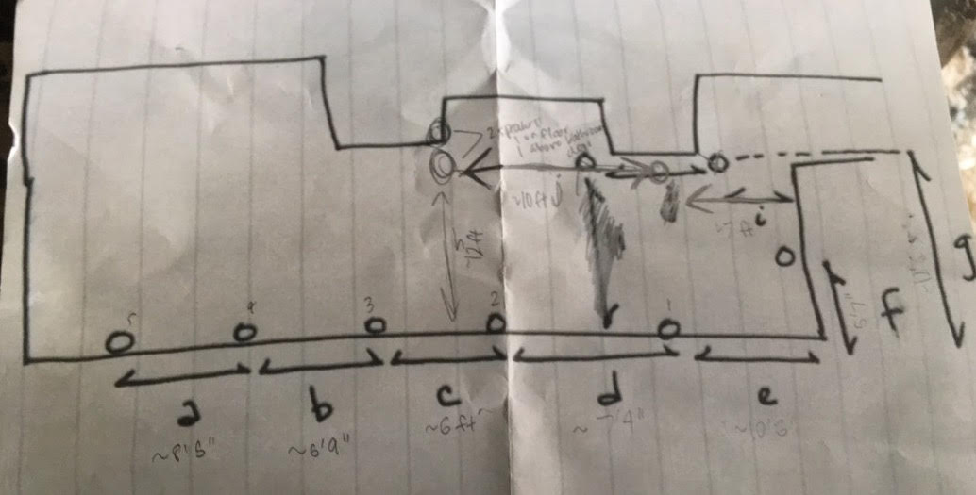

 |  |  |  |  |  |  |  |  |  |  | Range of Source Locations
 |  |  |  |  |  |  |  |  |  | x | -6 | 6
 |  |  |  |  |  |  |  |  |  | y | -13 | 13

