Summary
product | category | date | quantity | sales
Cappuccino | Beverages | 2025-04-01 | 4 | 7.77
Cappuccino | Hot Drinks | 2025-04-01 | 8 | 12.17
Espresso | Hot Drinks | 2025-04-01 | 2 | 6.03
Hot Chocolate | Specialty | 2025-04-01 | 7 | 20.22
Coffee Beans | Specialty | 2025-04-01 | 9 | 37.15
Green Tea | Hot Drinks | 2025-04-02 | 2 | 8.99
Espresso | Beverages | 2025-04-02 | 9 | 42.66
Espresso | Specialty | 2025-04-02 | 2 | 9.81
Hot Chocolate | Beverages | 2025-04-02 | 1 | 3.54
Coffee Beans | Hot Drinks | 2025-04-02 | 3 | 11.19
Coffee Beans | Specialty | 2025-04-03 | 5.5962441315 | 34.78
Hot Chocolate | Beverages | 2025-04-03 | 5 | 17.796103286
Espresso | Beverages | 2025-04-03 | 9 | 15.14
Green Tea | Beverages | 2025-04-03 | 10 | 17.38
Hot Chocolate | Specialty | 2025-04-04 | 5 | 19.17
Hot Chocolate | Hot Drinks | 2025-04-04 | 10 | 24.26
Cappuccino | Hot Drinks | 2025-04-05 | 2 | 8.29
Coffee Beans | Beverages | 2025-04-05 | 2 | 8.2
Coffee Beans | Specialty | 2025-04-05 | 9 | 16.24
Hot Chocolate | Hot Drinks | 2025-04-05 | 10 | 22.37
Green Tea | Hot Drinks | 2025-04-05 | 2 | 3.65
Cappuccino | Specialty | 2025-04-06 | 4 | 8.29
Espresso | Beverages | 2025-04-06 | 7 | 17
Green Tea | Beverages | 2025-04-07 | 1 | 2.36
Espresso | Hot Drinks | 2025-04-07 | 10 | 48.11
Espresso | Specialty | 2025-04-07 | 7 | 17.796103286
Green Tea | Hot Drinks | 2025-04-08 | 6 | 15.41
Green Tea | Beverages | 2025-04-08 | 13 | 20.55
Coffee Beans | Hot Drinks | 2025-04-08 | 9 | 41.35
Green Tea | Specialty | 2025-04-08 | 1 | 4.62
Hot Chocolate | Specialty | 2025-04-09 | 9 | 26.09
Cappuccino | Hot Drinks | 2025-04-09 | 4 | 9.84
Coffee Beans | Beverages | 2025-04-09 | 24 | 67.456103286
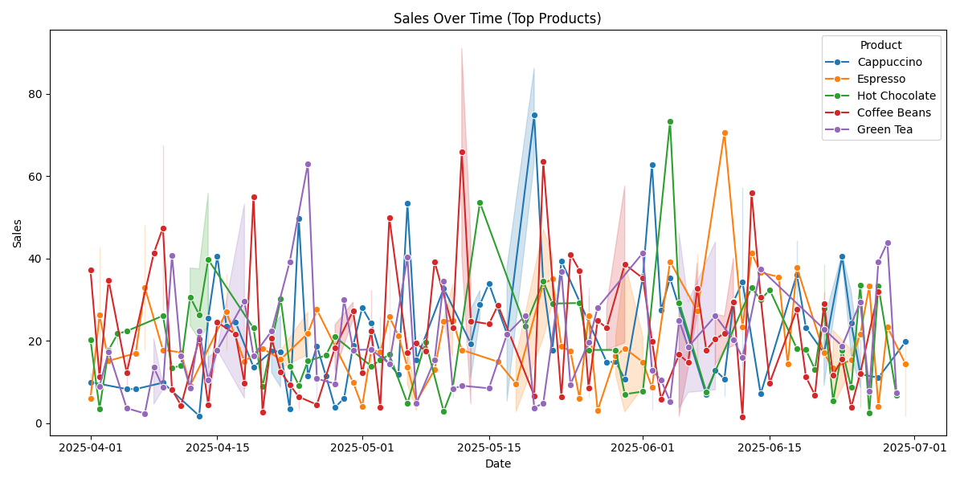
Green Tea | Specialty | 2025-04-09 | 5 | 8.17
Espresso | Hot Drinks | 2025-04-09 | 1 | 17.796103286
Coffee Beans | Specialty | 2025-04-09 | 8 | 27.45
Green Tea | Hot Drinks | 2025-04-09 | 2 | 9.15
Hot Chocolate | Beverages | 2025-04-10 | 6 | 13.41
Coffee Beans | Specialty | 2025-04-10 | 4 | 8.14
Green Tea | Beverages | 2025-04-10 | 5.5962441315 | 40.75
Hot Chocolate | Beverages | 2025-04-11 | 6 | 14.01
Green Tea | Specialty | 2025-04-11 | 5 | 16.34
Coffee Beans | Beverages | 2025-04-11 | 1 | 4.32
Espresso | Specialty | 2025-04-11 | 5 | 17.2
Green Tea | Specialty | 2025-04-12 | 2 | 8.47
Hot Chocolate | Hot Drinks | 2025-04-12 | 7 | 23.69
Espresso | Beverages | 2025-04-12 | 3 | 9.07
Hot Chocolate | Beverages | 2025-04-12 | 9 | 37.68
Hot Chocolate | Hot Drinks | 2025-04-13 | 11 | 37.49
Green Tea | Specialty | 2025-04-13 | 9 | 22.4
Hot Chocolate | Beverages | 2025-04-13 | 8 | 21.15
Coffee Beans | Beverages | 2025-04-13 | 4 | 18.78
Cappuccino | Specialty | 2025-04-13 | 1 | 1.79
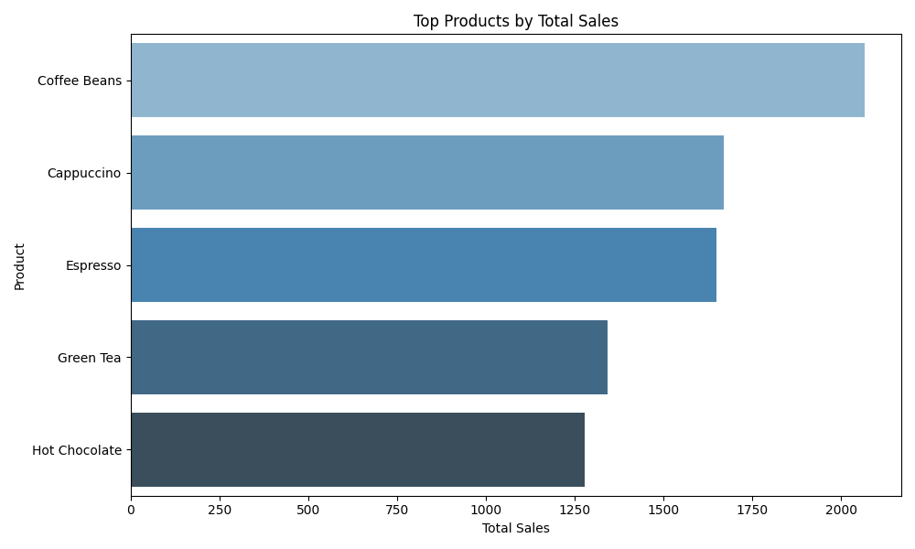
Coffee Beans | Specialty | 2025-04-13 | 5 | 22.01
Hot Chocolate | Specialty | 2025-04-13 | 9 | 20.42
Hot Chocolate | Specialty | 2025-04-14 | 8 | 23.64
Hot Chocolate | Beverages | 2025-04-14 | 16 | 55.84
Green Tea | Hot Drinks | 2025-04-14 | 3 | 5.03
Coffee Beans | Beverages | 2025-04-14 | 2 | 4.53
Cappuccino | Hot Drinks | 2025-04-14 | 6 | 13.61
Cappuccino | Beverages | 2025-04-14 | 12 | 37.6
Green Tea | Specialty | 2025-04-14 | 4 | 15.98
Cappuccino | Hot Drinks | 2025-04-15 | 9 | 40.61
Coffee Beans | Specialty | 2025-04-15 | 5 | 24.51
Green Tea | Specialty | 2025-04-15 | 8 | 17.796103286
Green Tea | Beverages | 2025-04-15 | 8 | 17.796103286
Espresso | Hot Drinks | 2025-04-16 | 4 | 17.76
Espresso | Beverages | 2025-04-16 | 7.5962441315 | 36.29
Cappuccino | Beverages | 2025-04-16 | 8 | 23.6
Cappuccino | Beverages | 2025-04-17 | 10 | 24.62
Coffee Beans | Hot Drinks | 2025-04-17 | 10 | 21.65
Espresso | Beverages | 2025-04-18 | 7 | 15
Coffee Beans | Beverages | 2025-04-18 | 4 | 8.33
Coffee Beans | Hot Drinks | 2025-04-18 | 5 | 11.18
Green Tea | Hot Drinks | 2025-04-18 | 16 | 53.19
Green Tea | Specialty | 2025-04-18 | 4 | 6.1
Green Tea | Specialty | 2025-04-19 | 10 | 16.39
Cappuccino | Beverages | 2025-04-19 | 5.5962441315 | 13.62
Hot Chocolate | Beverages | 2025-04-19 | 8 | 23.08
Coffee Beans | Beverages | 2025-04-19 | 17 | 55.06
Coffee Beans | Specialty | 2025-04-20 | 1 | 2.72
Hot Chocolate | Hot Drinks | 2025-04-20 | 1 | 1.89
Hot Chocolate | Specialty | 2025-04-20 | 5.5962441315 | 15.86
Espresso | Hot Drinks | 2025-04-20 | 6 | 18.16
Coffee Beans | Beverages | 2025-04-21 | 9 | 20.58
Cappuccino | Beverages | 2025-04-21 | 7 | 22.61
Cappuccino | Hot Drinks | 2025-04-21 | 4 | 12.29
Green Tea | Beverages | 2025-04-21 | 5 | 22.38
Coffee Beans | Specialty | 2025-04-22 | 4 | 12.51
Espresso | Specialty | 2025-04-22 | 3 | 13.33
Cappuccino | Hot Drinks | 2025-04-22 | 2 | 8.73
Cappuccino | Specialty | 2025-04-22 | 10 | 26.11
Espresso | Beverages | 2025-04-22 | 9 | 17.67
Hot Chocolate | Specialty | 2025-04-22 | 8 | 30.19
Cappuccino | Beverages | 2025-04-23 | 1 | 3.45
Hot Chocolate | Specialty | 2025-04-23 | 5.5962441315 | 13.75
Green Tea | Beverages | 2025-04-23 | 10 | 39.17
Coffee Beans | Beverages | 2025-04-23 | 2 | 9.34
Cappuccino | Specialty | 2025-04-24 | 17 | 49.74
Hot Chocolate | Hot Drinks | 2025-04-24 | 4 | 9.74
Coffee Beans | Specialty | 2025-04-24 | 2 | 3.42
Coffee Beans | Beverages | 2025-04-24 | 5 | 9.39
Hot Chocolate | Beverages | 2025-04-24 | 4 | 8.68
Espresso | Hot Drinks | 2025-04-25 | 7 | 16.68
Cappuccino | Beverages | 2025-04-25 | 3 | 11.43
Espresso | Beverages | 2025-04-25 | 5.5962441315 | 26.94
Hot Chocolate | Beverages | 2025-04-25 | 5 | 15.11
Green Tea | Specialty | 2025-04-25 | 19.596244131 | 62.95
Green Tea | Beverages | 2025-04-26 | 1 | 3.81
Cappuccino | Specialty | 2025-04-26 | 6 | 18.76
Espresso | Hot Drinks | 2025-04-26 | 7 | 27.57
Coffee Beans | Hot Drinks | 2025-04-26 | 1 | 4.51
Green Tea | Specialty | 2025-04-26 | 2 | 17.796103286
Cappuccino | Hot Drinks | 2025-04-27 | 3 | 11.47
Hot Chocolate | Beverages | 2025-04-27 | 6 | 16.46
Green Tea | Hot Drinks | 2025-04-28 | 2 | 9.59
Cappuccino | Beverages | 2025-04-28 | 1 | 3.78
Hot Chocolate | Beverages | 2025-04-28 | 9 | 21
Coffee Beans | Hot Drinks | 2025-04-28 | 9 | 23.89
Coffee Beans | Beverages | 2025-04-28 | 3 | 12.82
Cappuccino | Beverages | 2025-04-29 | 3 | 6.08
Green Tea | Specialty | 2025-04-29 | 11 | 29.95
Coffee Beans | Beverages | 2025-04-30 | 8 | 29.39
Coffee Beans | Hot Drinks | 2025-04-30 | 6 | 25.22
Espresso | Beverages | 2025-04-30 | 5 | 9.94
Cappuccino | Beverages | 2025-04-30 | 8 | 18.8
Green Tea | Specialty | 2025-04-30 | 9 | 17.796103286
Espresso | Specialty | 2025-05-01 | 1 | 4.09
Coffee Beans | Beverages | 2025-05-01 | 3 | 12.21
Cappuccino | Hot Drinks | 2025-05-01 | 10 | 28.03
Coffee Beans | Hot Drinks | 2025-05-02 | 7 | 16.38
Coffee Beans | Beverages | 2025-05-02 | 8 | 18.28
Green Tea | Hot Drinks | 2025-05-02 | 5 | 23.05
Espresso | Hot Drinks | 2025-05-02 | 10 | 17.796103286
Hot Chocolate | Specialty | 2025-05-02 | 3 | 13.86
Cappuccino | Hot Drinks | 2025-05-02 | 6 | 24.29
Green Tea | Specialty | 2025-05-02 | 3 | 12.72
Coffee Beans | Specialty | 2025-05-02 | 7 | 32.43
Coffee Beans | Specialty | 2025-05-03 | 6.5962441315 | 3.86
Hot Chocolate | Specialty | 2025-05-03 | 5.5962441315 | 4.77
Hot Chocolate | Beverages | 2025-05-03 | 8 | 25.86
Cappuccino | Beverages | 2025-05-03 | 4 | 17.796103286
Cappuccino | Hot Drinks | 2025-05-03 | 8 | 16.13
Espresso | Hot Drinks | 2025-05-03 | 4 | 17.31
Espresso | Beverages | 2025-05-04 | 9 | 37.36
Green Tea | Specialty | 2025-05-04 | 3 | 14.46
Hot Chocolate | Hot Drinks | 2025-05-04 | 6 | 16.66
Coffee Beans | Beverages | 2025-05-04 | 13 | 49.92
Espresso | Specialty | 2025-05-04 | 6 | 14.37
Espresso | Beverages | 2025-05-05 | 10 | 21.25
Cappuccino | Specialty | 2025-05-05 | 3 | 11.77
Green Tea | Specialty | 2025-05-06 | 10 | 40.25
Espresso | Hot Drinks | 2025-05-06 | 7 | 17.78
Espresso | Beverages | 2025-05-06 | 3 | 9.42
Hot Chocolate | Beverages | 2025-05-06 | 2 | 4.86
Cappuccino | Hot Drinks | 2025-05-06 | 12 | 53.36
Coffee Beans | Hot Drinks | 2025-05-06 | 7 | 21.11
Coffee Beans | Specialty | 2025-05-06 | 6 | 13.31
Espresso | Specialty | 2025-05-07 | 3 | 7.5
Cappuccino | Specialty | 2025-05-07 | 9 | 15.4
Green Tea | Beverages | 2025-05-07 | 2 | 4.88
Espresso | Hot Drinks | 2025-05-07 | 2 | 3.1
Coffee Beans | Specialty | 2025-05-07 | 4 | 19.42
Coffee Beans | Specialty | 2025-05-08 | 6 | 17.5
Hot Chocolate | Beverages | 2025-05-08 | 4 | 19.72
Espresso | Specialty | 2025-05-09 | 7 | 13
Coffee Beans | Beverages | 2025-05-09 | 10 | 39.26
Green Tea | Specialty | 2025-05-09 | 6 | 15.37
Espresso | Beverages | 2025-05-10 | 10 | 25.28
Green Tea | Hot Drinks | 2025-05-10 | 8 | 34.44
Espresso | Specialty | 2025-05-10 | 5.5962441315 | 24.02
Cappuccino | Hot Drinks | 2025-05-10 | 9 | 32.72
Hot Chocolate | Hot Drinks | 2025-05-10 | 1 | 2.88
Espresso | Specialty | 2025-05-11 | 7 | 33.7
Green Tea | Hot Drinks | 2025-05-11 | 4 | 6.14
Green Tea | Specialty | 2025-05-11 | 4 | 10.47
Hot Chocolate | Hot Drinks | 2025-05-11 | 2 | 8.58
Espresso | Hot Drinks | 2025-05-11 | 5 | 16.23
Coffee Beans | Beverages | 2025-05-11 | 8 | 23.18
Coffee Beans | Specialty | 2025-05-12 | 14 | 40.82
Espresso | Hot Drinks | 2025-05-12 | 1 | 17.796103286
Coffee Beans | Hot Drinks | 2025-05-12 | 28 | 91.02
Green Tea | Specialty | 2025-05-12 | 2 | 9.11
Coffee Beans | Beverages | 2025-05-13 | 1 | 4.7
Coffee Beans | Hot Drinks | 2025-05-13 | 16 | 44.85
Cappuccino | Specialty | 2025-05-13 | 10 | 27.62
Cappuccino | Beverages | 2025-05-13 | 3 | 11.06
Cappuccino | Beverages | 2025-05-14 | 8 | 32.25
Hot Chocolate | Hot Drinks | 2025-05-14 | 19 | 53.6
Cappuccino | Specialty | 2025-05-14 | 9 | 25.35
Cappuccino | Hot Drinks | 2025-05-15 | 9 | 33.92
Coffee Beans | Beverages | 2025-05-15 | 6 | 24.09
Green Tea | Beverages | 2025-05-15 | 2 | 8.47
Coffee Beans | Hot Drinks | 2025-05-16 | 5.5962441315 | 28.65
Espresso | Specialty | 2025-05-16 | 3 | 14.93
Green Tea | Beverages | 2025-05-17 | 5 | 21.64
Cappuccino | Hot Drinks | 2025-05-17 | 2 | 5.36
Cappuccino | Beverages | 2025-05-17 | 10 | 37.89
Espresso | Specialty | 2025-05-18 | 1 | 2.83
Espresso | Hot Drinks | 2025-05-18 | 10 | 16.33
Green Tea | Hot Drinks | 2025-05-19 | 7 | 26.09
Hot Chocolate | Hot Drinks | 2025-05-19 | 14 | 23.5
Cappuccino | Specialty | 2025-05-20 | 21 | 86.2
Cappuccino | Hot Drinks | 2025-05-20 | 23 | 63.41
Coffee Beans | Specialty | 2025-05-20 | 2 | 9.09
Green Tea | Specialty | 2025-05-20 | 1 | 3.76
Coffee Beans | Beverages | 2025-05-20 | 1 | 4.21
Cappuccino | Specialty | 2025-05-21 | 11 | 33.956103286
Coffee Beans | Beverages | 2025-05-21 | 17 | 63.51
Espresso | Specialty | 2025-05-21 | 10 | 47.1
Green Tea | Beverages | 2025-05-21 | 5.5962441315 | 4.86
Espresso | Hot Drinks | 2025-05-21 | 5 | 20.7
Hot Chocolate | Hot Drinks | 2025-05-21 | 9 | 34.42
Cappuccino | Beverages | 2025-05-22 | 9 | 17.796103286
Hot Chocolate | Specialty | 2025-05-22 | 6 | 29.05
Espresso | Hot Drinks | 2025-05-22 | 6.5962441315 | 40.93
Espresso | Beverages | 2025-05-22 | 10 | 29.12
Green Tea | Beverages | 2025-05-23 | 10 | 36.79
Cappuccino | Beverages | 2025-05-23 | 9 | 39.4
Espresso | Specialty | 2025-05-23 | 6 | 18.65
Coffee Beans | Specialty | 2025-05-23 | 2 | 6.37
Coffee Beans | Specialty | 2025-05-24 | 5.5962441315 | 41.02
Green Tea | Specialty | 2025-05-24 | 5 | 9.41
Espresso | Specialty | 2025-05-24 | 10 | 17.47
Coffee Beans | Beverages | 2025-05-25 | 14 | 37.12
Hot Chocolate | Beverages | 2025-05-25 | 9 | 29.19
Espresso | Beverages | 2025-05-25 | 4 | 6.09
Espresso | Specialty | 2025-05-26 | 7 | 31.07
Coffee Beans | Specialty | 2025-05-26 | 4 | 8.63
Hot Chocolate | Beverages | 2025-05-26 | 5 | 17.796103286
Green Tea | Specialty | 2025-05-26 | 10 | 32.92
Green Tea | Beverages | 2025-05-26 | 5.5962441315 | 6.37
Espresso | Beverages | 2025-05-26 | 8 | 21.14
Coffee Beans | Specialty | 2025-05-27 | 9 | 24.92
Green Tea | Beverages | 2025-05-27 | 14 | 28.04
Espresso | Beverages | 2025-05-27 | 1 | 3.1
Coffee Beans | Hot Drinks | 2025-05-28 | 8 | 17.796103286
Coffee Beans | Beverages | 2025-05-28 | 15 | 28.43
Cappuccino | Hot Drinks | 2025-05-28 | 7 | 14.82
Espresso | Specialty | 2025-05-29 | 6 | 11.61
Hot Chocolate | Specialty | 2025-05-29 | 8 | 17.796103286
Espresso | Beverages | 2025-05-29 | 5 | 21.1
Cappuccino | Hot Drinks | 2025-05-29 | 6 | 14.94
Coffee Beans | Hot Drinks | 2025-05-30 | 6 | 19.57
Espresso | Beverages | 2025-05-30 | 9 | 39.16
Hot Chocolate | Specialty | 2025-05-30 | 3 | 7.04
Coffee Beans | Beverages | 2025-05-30 | 16 | 57.63
Espresso | Hot Drinks | 2025-05-30 | 7 | 12.64
Cappuccino | Hot Drinks | 2025-05-30 | 6 | 10.72
Espresso | Specialty | 2025-05-30 | 1 | 2.75
Green Tea | Beverages | 2025-06-01 | 10 | 41.37
Espresso | Beverages | 2025-06-01 | 5.5962441315 | 8.7
Coffee Beans | Beverages | 2025-06-01 | 9 | 35.2
Espresso | Specialty | 2025-06-01 | 7 | 20.94
Cappuccino | Beverages | 2025-06-01 | 11 | 35.592206573
Hot Chocolate | Hot Drinks | 2025-06-01 | 5 | 7.7
Espresso | Beverages | 2025-06-02 | 2 | 8.68
Green Tea | Specialty | 2025-06-02 | 2 | 3.33
Cappuccino | Beverages | 2025-06-02 | 15 | 62.78
Green Tea | Beverages | 2025-06-02 | 8 | 22.4
Coffee Beans | Specialty | 2025-06-02 | 6 | 19.95
Cappuccino | Hot Drinks | 2025-06-03 | 7 | 27.45
Coffee Beans | Beverages | 2025-06-03 | 3 | 5.86
Green Tea | Beverages | 2025-06-03 | 6 | 10.5
Cappuccino | Beverages | 2025-06-04 | 10 | 35.23
Hot Chocolate | Beverages | 2025-06-04 | 19 | 73.3
Espresso | Specialty | 2025-06-04 | 14 | 39.27
Green Tea | Beverages | 2025-06-04 | 5.5962441315 | 5.29
Hot Chocolate | Hot Drinks | 2025-06-05 | 7 | 29.32
Coffee Beans | Hot Drinks | 2025-06-05 | 1 | 1.67
Coffee Beans | Specialty | 2025-06-05 | 7 | 31.64
Green Tea | Specialty | 2025-06-05 | 1 | 3.67
Green Tea | Beverages | 2025-06-05 | 13 | 46.1
Coffee Beans | Specialty | 2025-06-06 | 8 | 13.36
Coffee Beans | Beverages | 2025-06-06 | 5 | 16.08
Green Tea | Beverages | 2025-06-06 | 3 | 7.49
Green Tea | Specialty | 2025-06-06 | 10 | 29.49
Espresso | Beverages | 2025-06-07 | 18 | 41.1
Espresso | Hot Drinks | 2025-06-07 | 5.5962441315 | 13.39
Coffee Beans | Hot Drinks | 2025-06-07 | 8 | 38.91
Coffee Beans | Specialty | 2025-06-07 | 9 | 26.42
Cappuccino | Hot Drinks | 2025-06-08 | 2 | 6.9
Hot Chocolate | Beverages | 2025-06-08 | 4 | 7.63
Coffee Beans | Specialty | 2025-06-08 | 6 | 17.796103286
Coffee Beans | Hot Drinks | 2025-06-09 | 4 | 14.19
Coffee Beans | Specialty | 2025-06-09 | 10 | 26.55
Cappuccino | Specialty | 2025-06-09 | 7 | 12.88
Green Tea | Hot Drinks | 2025-06-09 | 3 | 8.12
Green Tea | Specialty | 2025-06-09 | 15 | 44.02
Cappuccino | Hot Drinks | 2025-06-10 | 3 | 14.89
Coffee Beans | Beverages | 2025-06-10 | 5 | 25.976103286
Cappuccino | Beverages | 2025-06-10 | 2 | 6.58
Espresso | Specialty | 2025-06-10 | 17 | 70.51
Coffee Beans | Specialty | 2025-06-10 | 9 | 17.796103286
Coffee Beans | Hot Drinks | 2025-06-11 | 6 | 18.84
Green Tea | Hot Drinks | 2025-06-11 | 5 | 20.24
Coffee Beans | Beverages | 2025-06-11 | 10 | 40.08
Cappuccino | Specialty | 2025-06-11 | 5.5962441315 | 29.53
Cappuccino | Beverages | 2025-06-12 | 18.596244131 | 57.28
Cappuccino | Specialty | 2025-06-12 | 7 | 11.35
Espresso | Beverages | 2025-06-12 | 5 | 23.29
Green Tea | Beverages | 2025-06-12 | 4 | 13.84
Coffee Beans | Beverages | 2025-06-12 | 1 | 1.56
Green Tea | Hot Drinks | 2025-06-12 | 7 | 18
Coffee Beans | Specialty | 2025-06-13 | 14 | 56.03
Hot Chocolate | Specialty | 2025-06-13 | 9 | 32.93
Espresso | Hot Drinks | 2025-06-13 | 9 | 41.3
Coffee Beans | Specialty | 2025-06-14 | 10 | 31.59
Green Tea | Specialty | 2025-06-14 | 8 | 37.45
Cappuccino | Specialty | 2025-06-14 | 3 | 7.1
Hot Chocolate | Specialty | 2025-06-14 | 7 | 29.96
Coffee Beans | Hot Drinks | 2025-06-14 | 8 | 29.73
Espresso | Specialty | 2025-06-14 | 10 | 36.62
Coffee Beans | Hot Drinks | 2025-06-15 | 5 | 9.8
Hot Chocolate | Beverages | 2025-06-15 | 8 | 32.39
Espresso | Beverages | 2025-06-16 | 9 | 35.516103286
Espresso | Specialty | 2025-06-17 | 9 | 14.34
Hot Chocolate | Hot Drinks | 2025-06-18 | 4 | 18.12
Espresso | Beverages | 2025-06-18 | 9 | 37.87
Coffee Beans | Beverages | 2025-06-18 | 7 | 27.6
Cappuccino | Beverages | 2025-06-18 | 10 | 44.43
Cappuccino | Hot Drinks | 2025-06-18 | 10 | 27.84
Coffee Beans | Hot Drinks | 2025-06-19 | 6 | 11.26
Hot Chocolate | Hot Drinks | 2025-06-19 | 6 | 17.84
Cappuccino | Beverages | 2025-06-19 | 9 | 23.21
Coffee Beans | Specialty | 2025-06-20 | 4 | 6.81
Hot Chocolate | Beverages | 2025-06-20 | 3 | 13.06
Espresso | Beverages | 2025-06-21 | 5 | 17.06
Hot Chocolate | Hot Drinks | 2025-06-21 | 8 | 38.52
Cappuccino | Specialty | 2025-06-21 | 5 | 24.91
Cappuccino | Hot Drinks | 2025-06-21 | 4 | 9.09
Green Tea | Specialty | 2025-06-21 | 6 | 22.83
Hot Chocolate | Beverages | 2025-06-21 | 6 | 17.1
Coffee Beans | Hot Drinks | 2025-06-21 | 7 | 31.88
Coffee Beans | Specialty | 2025-06-21 | 6 | 26.35
Espresso | Beverages | 2025-06-22 | 9 | 22.56
Hot Chocolate | Hot Drinks | 2025-06-22 | 2 | 5.37
Espresso | Specialty | 2025-06-22 | 2 | 4.11
Coffee Beans | Hot Drinks | 2025-06-22 | 5 | 11.73
Green Tea | Specialty | 2025-06-23 | 15.596244131 | 18.76
Cappuccino | Beverages | 2025-06-23 | 13.596244131 | 41.17
Hot Chocolate | Hot Drinks | 2025-06-23 | 8 | 17.796103286
Coffee Beans | Hot Drinks | 2025-06-23 | 8 | 15.49
Cappuccino | Hot Drinks | 2025-06-23 | 8 | 39.84
Coffee Beans | Beverages | 2025-06-24 | 1 | 3.86
Hot Chocolate | Hot Drinks | 2025-06-24 | 2 | 8.67
Cappuccino | Hot Drinks | 2025-06-24 | 5 | 16.64
Espresso | Hot Drinks | 2025-06-24 | 7 | 17.796103286
Espresso | Specialty | 2025-06-24 | 3 | 12.98
Cappuccino | Beverages | 2025-06-24 | 7 | 32.09
Hot Chocolate | Specialty | 2025-06-25 | 10 | 33.59
Espresso | Beverages | 2025-06-25 | 6 | 21.38
Coffee Beans | Hot Drinks | 2025-06-25 | 1 | 3.78
Cappuccino | Hot Drinks | 2025-06-25 | 8 | 15.13
Espresso | Specialty | 2025-06-25 | 5.5962441315 | 21.81
Green Tea | Hot Drinks | 2025-06-25 | 9 | 29.35
Coffee Beans | Specialty | 2025-06-25 | 5 | 20.46
Cappuccino | Specialty | 2025-06-25 | 4 | 8.68
Hot Chocolate | Specialty | 2025-06-26 | 1 | 2.47
Espresso | Beverages | 2025-06-26 | 9 | 33.24
Green Tea | Beverages | 2025-06-26 | 3 | 7.81
Green Tea | Specialty | 2025-06-27 | 10 | 39.12
Cappuccino | Specialty | 2025-06-27 | 4 | 11.06
Hot Chocolate | Beverages | 2025-06-27 | 7 | 33.31
Espresso | Specialty | 2025-06-27 | 1 | 4.09
Coffee Beans | Hot Drinks | 2025-06-27 | 8 | 31.98
Espresso | Hot Drinks | 2025-06-28 | 7 | 23.4
Green Tea | Beverages | 2025-06-28 | 9 | 43.9
Hot Chocolate | Beverages | 2025-06-29 | 3 | 6.05
Green Tea | Hot Drinks | 2025-06-29 | 3 | 7.39
Hot Chocolate | Hot Drinks | 2025-06-29 | 3 | 7.45
Cappuccino | Specialty | 2025-06-30 | 4 | 19.77
Espresso | Beverages | 2025-06-30 | 1 | 1.78
Espresso | Hot Drinks | 2025-06-30 | 5 | 21.31
Espresso | Specialty | 2025-06-30 | 7 | 19.86

