Bug report
 |  |  | SWAGLAB BUG REPORT
 |  |  | Created by- Maneesha Manaph(01/08/26)
 |  |  | error_user

BUG ID | MODULE NAME | BUG DESCRIPTION | STEPS TO REPRODUCE | PRIORITY | SEVERITY | REFERENCE | STATUS
BG01 | Home page | Cannot add 'Sauce Labs Bolt Tshirt' to cart | 1.login 2. from home page add 'Sauce Labs Bolt Tshirt' to cart | High |  | 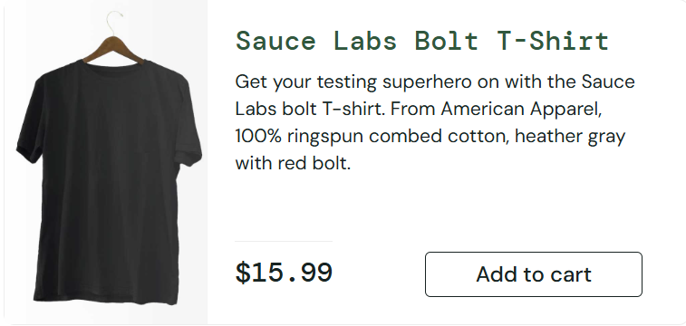
BG02 | Home page | Cannot add 'Sauce Labs Fleece Jacket' to cart | 1.login 2. from home page add 'Sauce Labs Fleece Jacket' to cart | High |  | 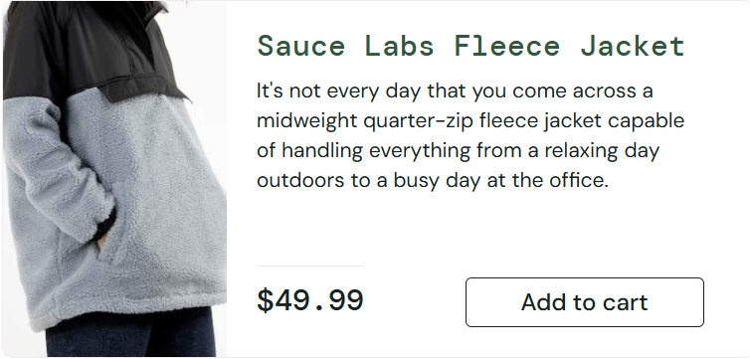
BG03 | Home page | Cannot add 'Red Tshirt' to cart | 1.login 2. from home page add 'Red Tshirt' to cart | High |  | 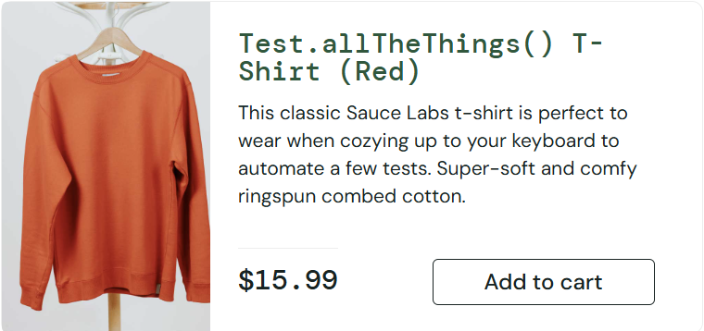
BG04 | Cart | User cannot increase or decrease quantity of an item from cart | 1. login 2. add any item to cart 3. go to cart and increase quantity | High
BG05 | Product page | User cannot increase or decrease quantity of an item from product page | 1. login 2. click on any item 3.add it to cart then try to change quantity in the same page | High |  | 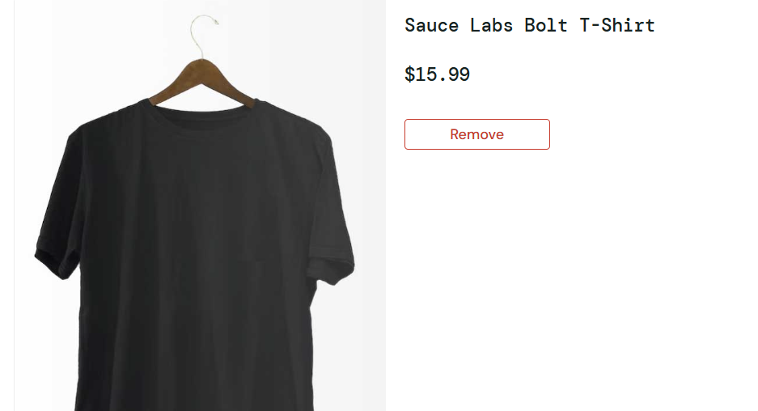
BG06 | Home page | Sort option is not working | 1. login 2. click on sort dropbox on the top right 3. select any sort option | Medium
BG07 | Home page | Cannot remove an item which is already added to cart from home page | 1. login 2. add any item to cart from home page 3. click on remove from home page | Medium |  | 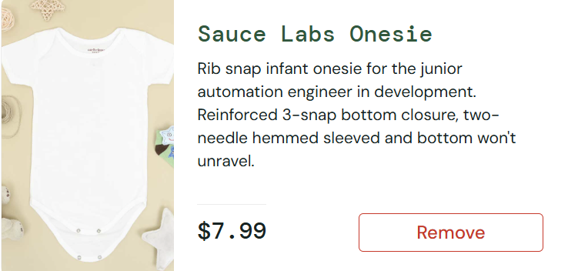
BG08 | Product page | Cannot remove an item which is already added to cart from product page | 1. login 2. add any item to cart from home page 3. click on remove from product page | Medium
BG09 | Home page | Spelling mistake in item description of 'Sauce Labs Backpack' | 1. login 2. view 'sace Labs Bckpack' from home page | Low |  | 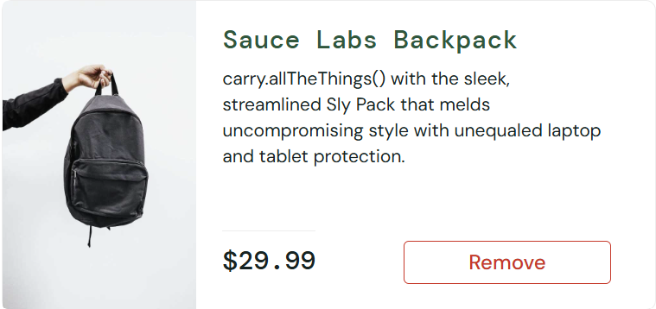
BG10 | Home page | Spelling mistake in item name 'Test.allTheThings() T-Shirt (Red)' | 1.login 2. scroll down home page and view 'Test.allTheThings() T-Shirt (Red)' | Low
BG11 | Checkout | System allows number in first name | 1. login 2. add item to cart and click checkout 3. in first name option provide 123 | Medium |  | 
BG12 | Checkout | Last name option cannot be entered | 1. login 2. add item to cart and click checkout 3. click on last name option and try entering last name | Low
BG13 | Checkout | System allows alphabets in zip code | 1. login 2. add item to cart and click checkout 3. click on zip code and enter abcd | High
BG14 | Checkout | Finish option does not work | 1. login 2. add item to cart and click checkout 3. enter all information and click on checkout 4. click on finish button in checkout page
BG15 | Checkout | System allows checkout even when cart is empty | 1. login 2. click on cart and select checkout 3. enter all info click checkout | Medium

