Sheet1
Red Carpet Project Defect Report
Defect Id | Defect Description | Step to Reproduce | Expected Result | Actual Result | Created by | Assigned to | Screenshot/Video | Status
1 | Status of the services initial letter should be capital. | 1. Login to the app 2.Go to the history 3.See the track page 4.Status of the service - pending | Status of the service initial letter should be capital |  | Payal |  | 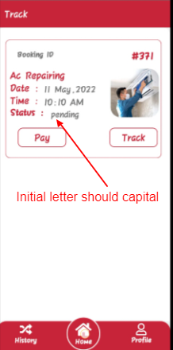 | Done
2 | Profile page spelling correction. | 1.Login to the app 2.Go to the profile 3.Email id spell check 4.Birth date space required | 1.Spelling should be "E-mail" 2.For the birth date should be space required. |  | Payal |  | 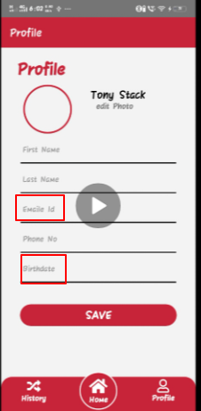 | Done
3 | Featured page spelling correction | 1.Login to the app 2.Go to the Home page 3.On the home page Featured section Salon spelling correction | Spelling should be "Salon" |  | Payal |  | 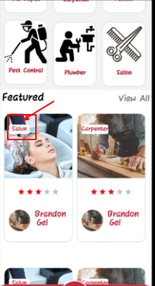 | Done
4 | Booking Screen Heading correction | 1.Login to the app 2.Go to the Home page 3.On Category click on Ac Repair 4. Title Service List should have space | Service List (Should have space) | ServiceList | Payal |  | 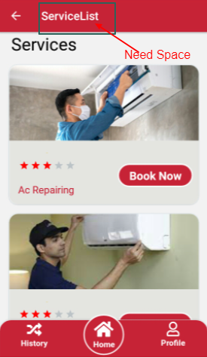
5 | Booking Scren correction | 1.Login to the app 2.Go to the Home page 3.On Category click on Ac Repair 4.Click on Book now 5. Title Booking Screen1 | Title should be "Booking" | Booking Screen1 | Payal |  | 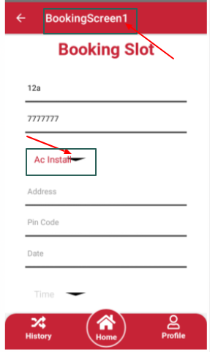
6 | Booking Scren correction | 1.Login to the app 2.Go to the Home page 3.On Category click on Ac Repair 4.Click on Book now 5.Click on Service drop down is to far from the heading. | Should near the heading. | Far from the heading | Payal |  | 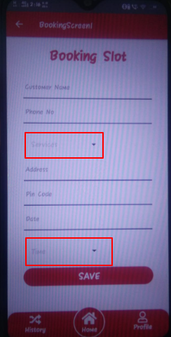
7 | Booking Screen Spelling correction | 1.Login to the app 2.Go to the Home page 3.On Category click on Ac Repair 4.Click on Book now 5.Click on Service drop down is to far from the heading. | Ac Repair | Ac repair | Payal |  | 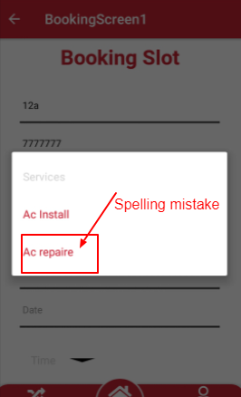
8 | Booking Screen Heading correction | 1.Login to the app 2.Go to the Home page 3.On Category click on Ac Repair 4.Click on Book now 5.Fill the from click on save button 5.Booking deatil screen title is incorrect | It should be "Booking Details" | BookingScreen | Payal |  | 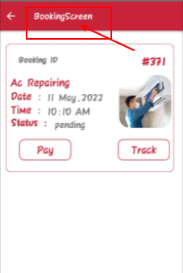
9 | Title Correction | 1.Login to the app 2.Go to the Home page 3.Click on History tab 4.Title is shows Track | It should be "History" | Track | Payal |  | 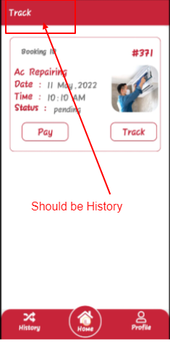
10 | Spelling correction | 1.Login to the app 2.Go to the Home page 3. Featured title | It should be "Features" | Featured | Payal |  | 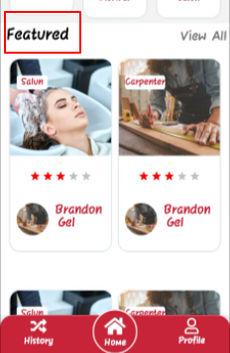
11 | Side Bar menu Spelling correction | 1.Login to the app 2.Go to the left side top menu 3. Log out space required | It should be Log Out | LogOut | Payal |  | 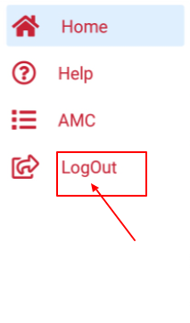
12 | Stack Navigation is missing | 1.Login to the app 2.Go to the Home page 3.On Category click on Painter 4.Navigation is not their | It should navigate the page. | Stack navigation is missing | Payal |  | 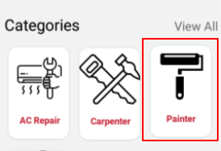
13 | Allignment correction | 1.Login to the app 2.Go to the Home page 3.Scroll down at the bottom 4.Too much blank space at the bottom | Reduce that blank space from thr bottom | Blank space is their. | Payal |  | 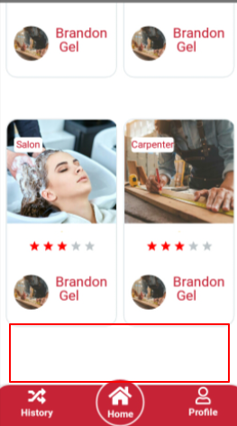
14 | Security icon change | 1.Login to the app 2.Go to the Home page 3.On Category 4.Click on View All 5.Categories page security icon need to be change | Change the Security Icon | Old Icon their | Payal |  | 