Employee
Scriptika HRMS UI Testing Bug Report
Defect Id | Module | Pre-condition | Defect Description | Step to Reproduce | Expected Result | Actual Result | Screenshot/Video | Status | Execution Date
1 | Profile Page |  | 1.Users spelling correction 2.Employee details on his profile page are missing 3.Reset button is not working 4.Change button is not working |  | 1.Change the Users spelling 2.Add the employee details on his profile page ex- password, marital status, designation, birth date, blodd group, emergency contact, gender, bank details 3.Remove reset button 4.Change button is not working |  | 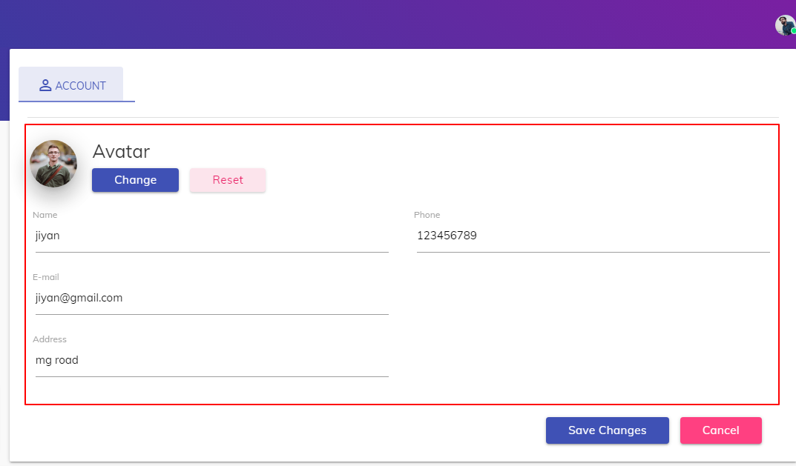
2 | Profile Page |  | 1.Sucessful alert box pop module after updating the user profile is not proper |  | 1.Add alert box pop module after updating the user profile |  | 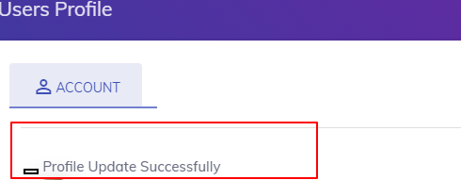
3 | Timesheet |  | 1.Table allignment is not proper on index page 3.Table headers are not in bold font 3.Add correct column in 'add daily timesheet page' form 4.Cancel button is not there 5.Project dropdown is not multi select |  |  |  | 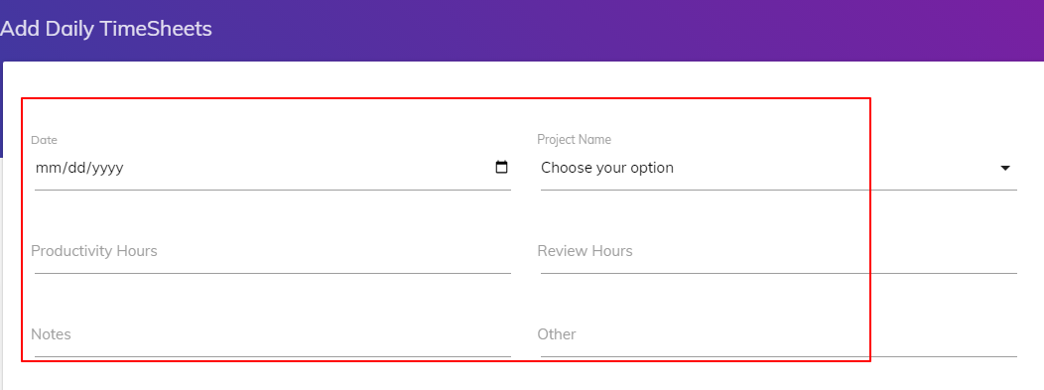 | Complete
4 | Attendance |  | 1.Spelling correction
5 | Attendance |  | 1.Table headeing are not bold 2.In the month column month is not undestandble format |  |  |  | 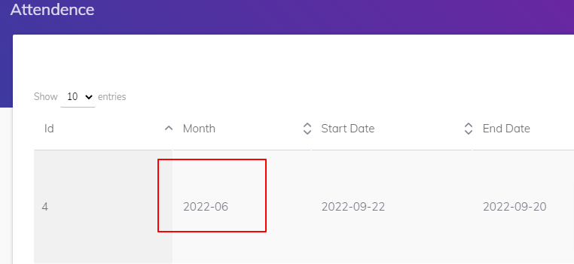
6 | Task Information |  | 1.Table allignment is not proper on index page 2.Table header are not bold
7 | Training Index page |  | 1.Spelling is not correct of heading of index page 2.Browser logo is different
8 | Training status page |  | 1.Spelling is not correct of heading of the page 2.Cancel button and submit button colors are miss match |  |  |  | 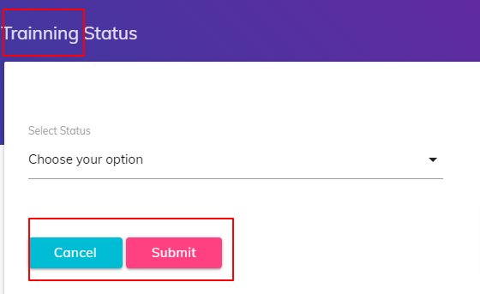
9 | Training status page |  | 1.Spelling is not correct in dropdown 2.Monthly training spelling correction |  |  |  | 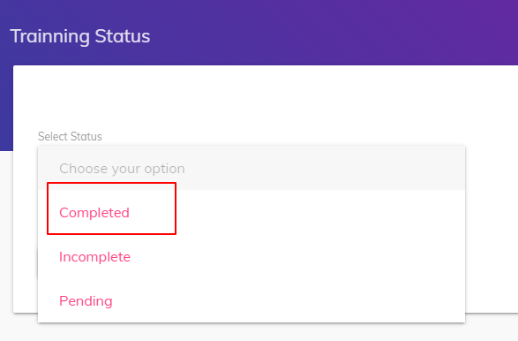
10 | Performance |  | 1.Spelling is not correct on index page 2.Table headers are not bold

Admin
Scriptika HRMS UI Testing Bug Report
Defect Id | Module | Pre-condition | Defect Description | Step to Reproduce | Expected Result | Actual Result | Screenshot/Video | Status | Execution Date
1 | Admin Profile |  | Admin profile page is not open
2 | Timesheet |  | 1.Table headers are not bold 2.Font of the content of table are not similar as per employee dashboard
3 | Project Creation |  | 1.Table column name are not similar as per the project creation form |  | Column name should be"Project Name" and "Team Name"
4 | Add Project Creation |  | Cancel button is missing
5 | Clients |  | 1.On index page heading is missing 2.View details button is not working
6 | Notification |  | 1.Team Name column is missing on index page of notification 2.Cancel button is not present on add notification form
7 | Recruitment |  | 1.Icon is not visible 2.Connect to Reliable button is not working |  |  |  | 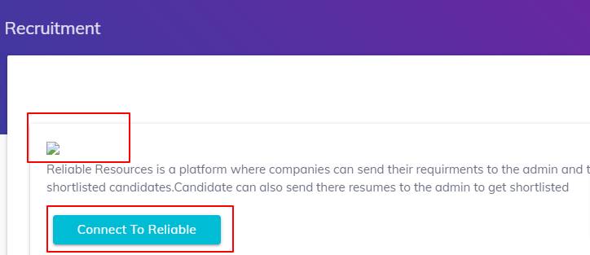
8 | Add Employee |  | Password filed is missing
9 | Attendance |  | Headinf of index page is not correct
10

