Employee
Scriptika HRMS UI Testing Bug Report
Defect Id | Module | Defect Description | Step to Reproduce | Expected Result | Actual Result | Screenshot/Video | Execution Date | Reslove Date | Status
1 | Profile Page | 1.Users spelling correction 2.Employee details on his profile page are missing 3.Reset button is not working 4.Change button is not working |  | 1.Change the Users spelling 2.Add the employee details on his profile page ex- password, marital status, designation, birth date, blodd group, emergency contact, gender, bank details 3.Remove reset button 4.Change button is not working |  | 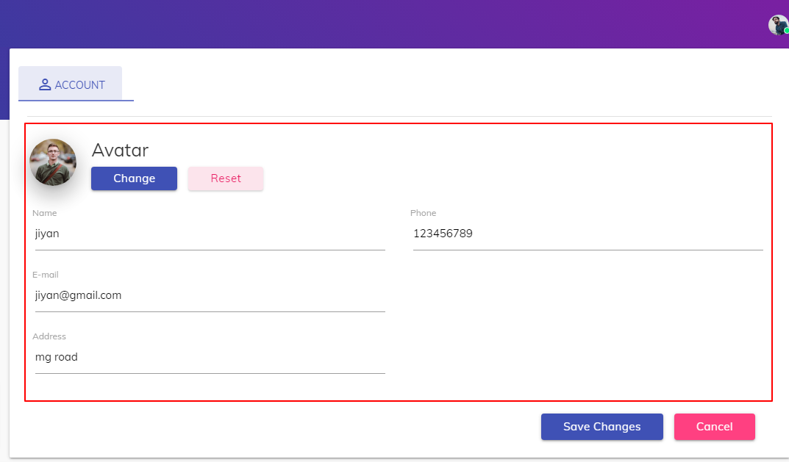 | 2022-05-09 |  | Pending
2 | Profile Page | 1.Sucessful alert box pop module after updating the user profile is not proper |  | 1.Add alert box pop module after updating the user profile |  | 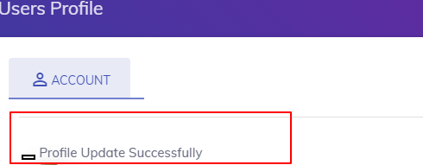 | 2022-05-09 |  | Pending
3 | Timesheet | 1.Table allignment is not proper on index page 3.Table headers are not in bold font 3.Add correct column in 'add daily timesheet page' form 4.Cancel button is not there 5.Project dropdown is not multi select |  |  |  | 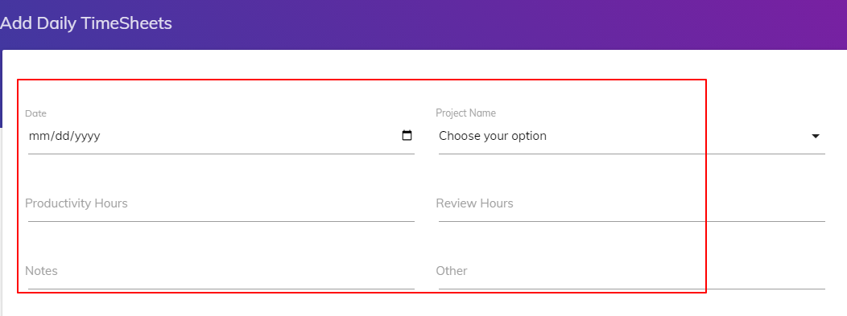 | 2022-05-09 | 2022-06-09 | Complete
4 | Attendance | 1.Spelling correction |  |  |  |  | 2022-05-09 |  | Complete
5 | Attendance | 1.Table heading are not bold 2.In the month column month is not understandable format |  |  |  | 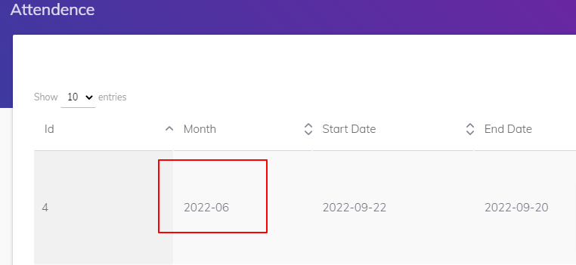 | 2022-05-09 |  | Pending
6 | Task Information | 1.Table alignment is not proper on index page 2.Table header are not bold |  |  |  |  | 2022-05-09 | 2022-06-09 | Complete
7 | Training Index page | 1.Spelling is not correct of heading of index page 2.Browser logo is different |  |  |  |  | 2022-05-09 |  | Pending
8 | Training status page | 1.Spelling is not correct of heading of the page 2.Cancel button and submit button colors are miss match |  |  |  | 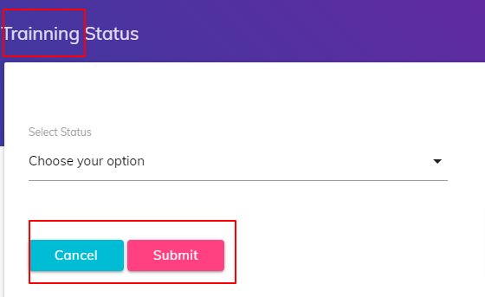 | 2022-05-09 | 2022-06-09 | Complete
9 | Training status page | 1.Spelling is not correct in dropdown 2.Monthly training spelling correction |  |  |  | 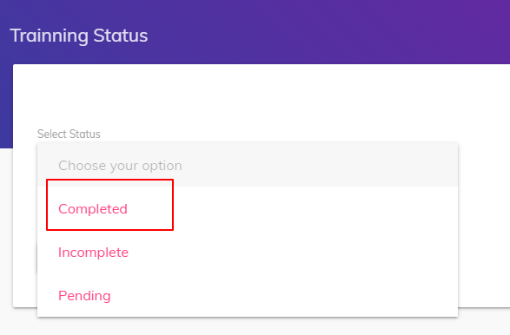 | 2022-05-09 |  | Pending
10 | Performance | 1.Spelling is not correct on index page 2.Table headers are not bold |  |  |  |  | 2022-05-09 | 2022-06-09 | Complete

