Employee Dashboard
UI Testing
Bug Id | Bug Title | Bug Description | Step to Reproduce | Actual Result | Expected Result | Assign To | Screenshot/ Video | Status | Execution Date
1 | Login Module | Forgot passwword link should be accessible | 1. Go to this URL - https://demo.scriptika.com/hrms/Official/indexE 2.Click on Forgot Password link | 404 page not found showing
2 | Attendance Section | Attendance section is not working | 1. Go to this URL - https://demo.scriptika.com/hrms/Official/indexE 2.Click on that Attendance Section of side bar menu | It is showing SQL error page
3 | Task Information | Index page table allignment Correction | 1. Go to this URL - https://demo.scriptika.com/hrms/Official/indexE 2.Go to the task information side bar menu | Table allignment is not proper |  |  | 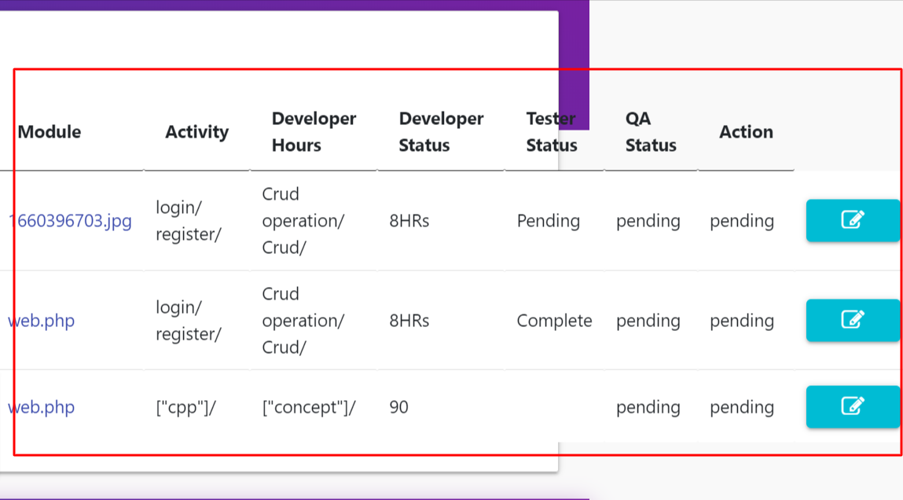
4 | Client | Client page is not working | 1. Go to this URL - https://demo.scriptika.com/hrms/Official/indexE 2.Go to the client side bar menu 3.Click on View Details Button | 404 page not found showing
5 | Learn and Development | This section is not working | 1. Go to this URL - https://demo.scriptika.com/hrms/Official/indexE 2.Go to the learn and development side bar menu | It is showing SQL error page
6

