Entities and Attributes
 | ER Diagrams, Type of Attributes, and Notes

 | 1. Listing all the Entities: Each entity should have a unique name (Entities and their Names were Retrieved from the Data Dictionary)
 | 2. For each entity, List the fields representing the entity. The fields can be found from the header of each file.
 | 3. If the field is a key, underline it.
 | 4. Indicate if the field is atomic, multivalued, composite, or derived [oval, double oval, hierarchical or dotted)
 | 5. Indicate on the diagram all the relationships and cardinalities (one: one, one: many, many: one , and/or many: many) among all entities. Provide a name for each relationship.

 | Please see All the Entities are Listed in Bold and the Attributes/Fields are listed below them
 | Also, Please see the Type of Specific Attributes Listed below them

 | Different Types of Attributes:
 | 1. Simple/Atomic Attributes (Oval): An attribute that cannot be divided further into separate components
 | 2. Multivalued Attributes (Double Oval): An attribute that can take on multiple values, i.e. two values at the same time
 | 3. Composite Attributes (Hierachical Oval): An attribute that can be divided into futher separate components
 | 4. Derived Attributes (Dotted Oval): An attribute that is derived from another attribute

 | NIBRS_ARRESTEE
Attributes: | Internal ID. | Reference to incident. | Sequence number assigned to each arrestee in incident | The date of the arrest | The offense type for which the arrestee was apprehended. | The offense type for which the arrestee was apprehended | The age in years of an individual arrestee. | The sex (gender) of an individual arrestee | References REF_RACE. | References NIBRS_ETHNICITY.
 | ARRESTEE_ID | INCIDENT_ID | ARRESTEE_SEQ_NUM | ARREST_DATE | ARRESTEE_TYPE_ID | OFFENSE_CODE | AGE_NUM | SEX_CODE | RACE_ID | ETHNICITY_ID
Type of Attribute | Atomic and Unique | Foreign Key (not shown on Entity) | Atomic and Not Unique | Composite and Not Unique | Atomic and Not Unique | Atomic and Not Unique | Atomic and Not Unique | Atomic and Not Unique | Foreign Key (not shown on Entity) | Foreign Key (not shown on Entity)
Notes: |  |  |  | Can be broken down to MM/DD/YY
Snapshot of Dataset:

 | NIBRS_ETHNICITY
 | Internal Id. | Ethnicity code from the tech spec. | Ethnicity name from the tech spec
Attributes: | ETHNICITY_ID | ETHNICITY_CODE | ETHNICITY_NAME
Type of Attribute | Atomic and Unique | Atomic and Unique | Atomic and Unique
Notes: |  |  | Not a Mutlivalued Attribute because the attribute takes up a single value for each entity instance (tuple)

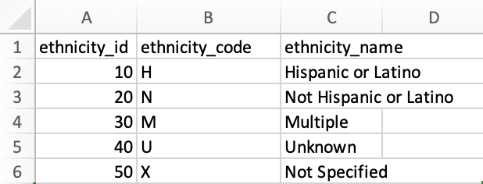
Snapshot of Dataset:

 | NIBRS_INCIDENT
 | Internal agency ID. References REF_AGENCY. | Internal unique incident ID. | When the incident occurred | The hour when the incident occurred
Attributes: | AGENCY_ID | INCIDENT_ID | INCIDENT_DATE | INCIDENT_HOUR
Type of Attribute | Atomic and Not Unique | Atomic and Unique | Composite and Not Unique | Atomic and Not Unique
Notes: | Notice the Reptition of Agency IDs |  | Can be broken down to MM/DD/YY | Notice the Reptition of Incident Hours
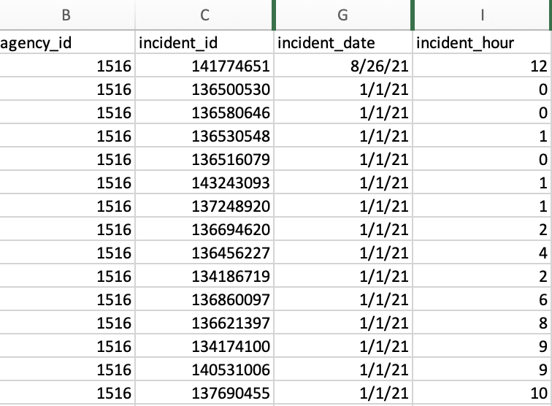
Snapshot of Dataset:

 | NIBRS_LOCATION_TYPE
 | Internal location ID. | Location code | Location Name
Attributes: | LOCATION_ID | LOCATION_CODE | LOCATION_NAME
Type of Attribute | Atomic and Unique | Atomic and Unique | Atomic and Unique
Notes: |  |  | Not a Mutlivalued Attribute because the attribute takes up a single value for each entity instance (tuple)
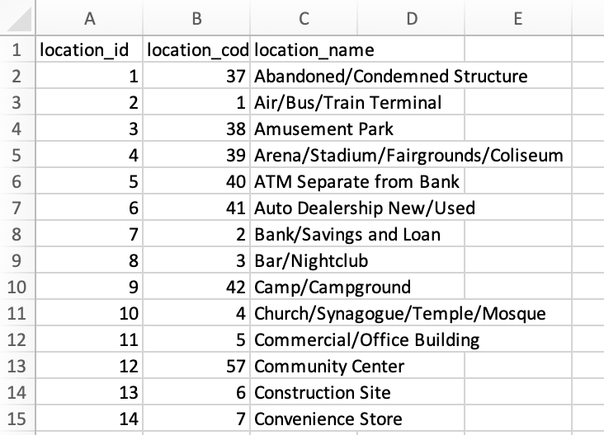
Snapshot of Dataset:

 | NIBRS_OFFENDER
 | Unique ID. | Reference to Incident. | Sequence number from for each offender in an incident | The age in years of an offender | The sex (gender) of an offender. | The race of an individual victim. REF: Race | Reference to Ethnicity
Attributes: | OFFENDER_ID | INCIDENT_ID | OFFENDER_SEQ_NUM | AGE_NUM | SEX_CODE | RACE_ID | ETHNICITY_ID
Type of Attribute | Atomic and Unique | Foreign Key (not shown on ER) | Atomic and Not Unique | Atomic and Not Unique | Atomic and Not Unique | Foreign Key (not shown on ER) | Foreign Key (not shown on ER)
Notes:

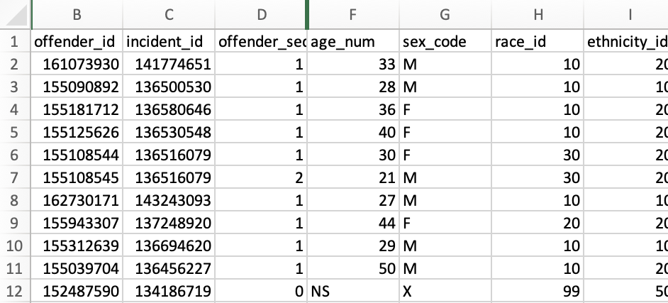
Snapshot of Dataset:

 | NIBRS_OFFENSE
 | Internal unique ID. | Reference to parent Incident. | Reference to type of offense. | Reference to the type of location/premises
Attributes: | OFFENSE_ID | INCIDENT_ID | OFFENSE_CODE | LOCATION_ID
Type of Attribute | Atomic and Unique | Foreign Key (not shown on ER) | Foreign Key (not shown on ER) | Foreign Key (not shown on ER)
Notes:

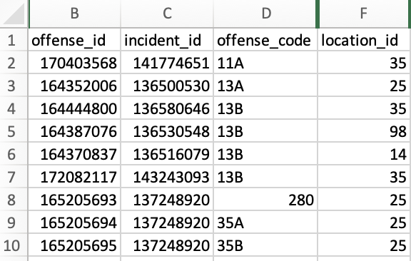
Snapshot of Dataset:

 | NIBRS_OFFENSE_TYPE
 | NIBRS Offense Code. | NIBRS Offense name. | Type of entity this is a crime against | The NIBRS category for this offense.
Attributes: | OFFENSE_CODE | OFFENSE_NAME | CRIME_AGAINST | OFFENSE_CATEGORY_NAME
Type of Attribute | Atomic and Unique | Atomic and Unique | Atomic and Not Unique | Atomic and Not Unique
Notes: |  | Not a Mutlivalued Attribute because the attribute takes up a single value for each entity instance (tuple) |  | Not a Mutlivalued Attribute because the attribute takes up a single value for each entity instance (tuple)

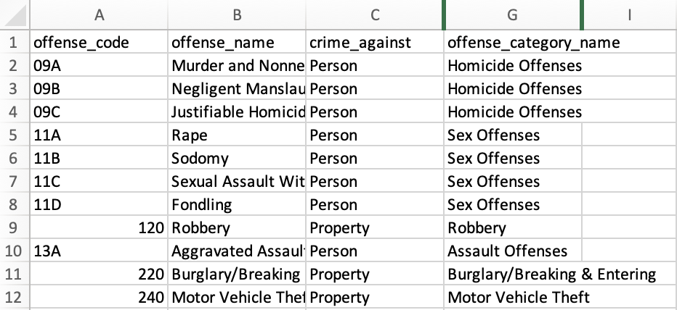
Snapshot of Dataset:

 | NIBRS_RELATIONSHIP
 | Internal ID. | Relationship code | Relationship name.
Attributes: | RELATIONSHIP_ID | RELATIONSHIP_CODE | RELATIONSHIP_NAME
Type of Attribute | Atomic and Unique | Atomic and Unique | Atomic and Unique
Notes: |  |  | Not a Mutlivalued Attribute because the attribute takes up a single value for each entity instance (tuple)

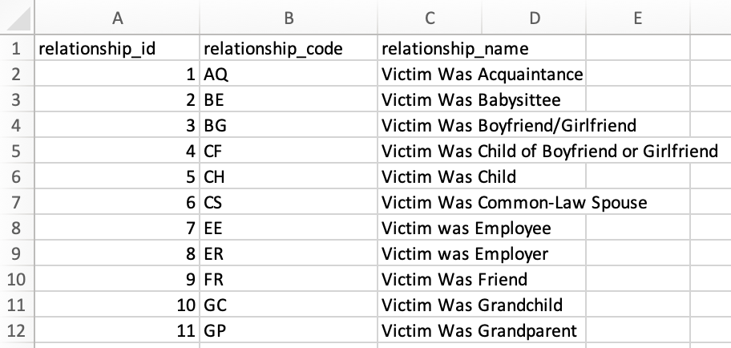
Snapshot of Dataset:

 | NIBRS_VICTIM
 | Internal ID. | Reference to the Incident. | Sequence number for each victim | Categorize the victim | Age in years of an individual victim | Sex (gender) of an individual victim | Race of an individual victim. REF Race | Ethnicity of an individual victim. REF: Ethnicity
Attributes: | VICTIM_ID | INCIDENT_ID | VICTIM_SEQ_NUM | VICTIM_TYPE_ID | AGE_NUM | SEX_CODE | RACE_ID | ETHNICITY_ID
Type of Attribute | Atomic and Unique | Foreign Key (not shown on ER) | Atomic and Not Unique | Atomic and Not Unique | Atomic and Not Unique | Atomic and Not Unique | Foreign Key (not shown on ER) | Foreign Key (not shown on ER)
Notes:

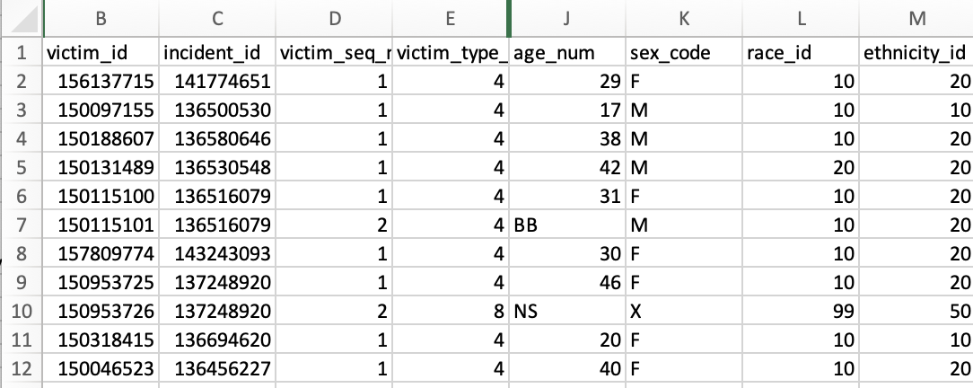
Snapshot of Dataset:

 | NIBRS_VICTIM_OFFENDER_REL
 | Reference to victim. | Reference to offender. | Reference to Relationship | Internal record ID.
Attributes: | VICTIM_ID | OFFENDER_ID | RELATIONSHIP_ID | VICTIM_OFFENDER_ID
Type of Attribute | Foreign Key (not shown on ER) | Foreign Key (not shown on ER) | Foreign Key (not shown on ER) | Null
Notes:

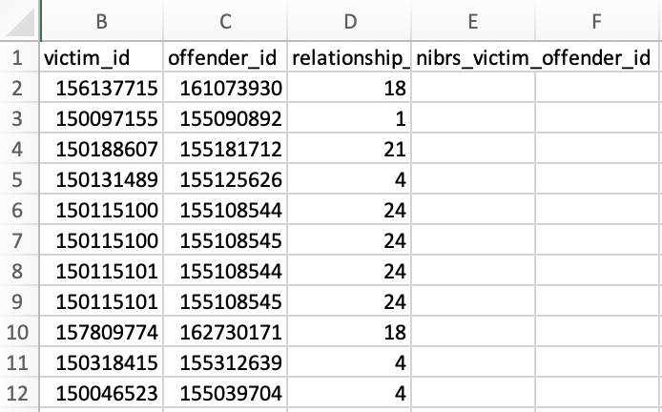
Snapshot of Dataset:

 | NIBRS_VICTIM_OFFENSE
 | Reference to Victim. | Reference to Offense.
 | VICTIM_ID | OFFENSE_ID
Attributes: | Foreign Key (not shown on ER) | Foreign Key (not shown on ER)
Type of Attribute
Notes:
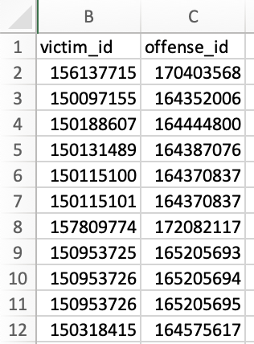
Snapshot of Dataset:

 | NIBRS_ VICTIM_TYPE
 | Internal ID for the victim type. | Code for the victim type | Victim type name
Attributes: | VICTIM_TYPE_ID | VICTIM_TYPE_CODE | VICTIM_TYPE_NAME
Type of Attribute | Atomic and Unique | Atomic and Unique | Atomic and Unique
Notes: |  |  | Not a Mutlivalued Attribute because the attribute takes up a single value for each entity instance (tuple)

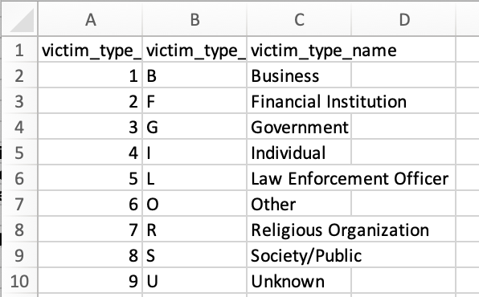
Snapshot of Dataset:

 | REF_Race (Not within Data Dictionary)
 | Internal ID for Race. | Code for Race Type | Description for Race | Race ID for Sorting Purpose | Start Year | End Year | Notes on Racial Groups
Attributes: | RACE_ID | RACE_CODE | RACE_DESC | SORT_ORDER | START YEAR | END YEAR | NOTES
Type of Attribute | Atomic and Unique | Atomic and Unique | Atomic and Unique | Atomic and Unique | Atomic and Not Unique | Atomic and Not Unique | Atomic and Not Unique
Notes:


Snapshot of Dataset:

