BUG
Bug ID | Test case ID | Description/Summary | Steps to Reproduce | Expected Result | Actual Result | Severity | Priority | Screenshoot
OPENCART_BUG_1 | TC_RF_002 | Thank you for registering' email is not sent to the registered email address after registering account. | 1. Open the application URLand click on 'My Account' Drop menu 2. Click on 'Register' option 3. Enter new Account Details into the Mandatory Fields (First Name, Last Name, E-Mail, Password, and Privacy Policy Fields) 4. Click on 'Continue' button 5. Check the email address used for registering the account 6. Click on the Login page link from the Email body | User Account should be created and an email with the subject 'Thank you for registering' should be received by the registered email address. | User Account is getting created, but the email with subject 'Thank you for registering' is not received to the registered email address. | S0 | P0
OPENCART_BUG_2 | TC_RF_020 | Privacy Policy' Checkbox field in 'Register Account' page is not marked with red colour * symbol | 1. Open the application and click on 'My Account' Drop menu 2. Click on 'Register' option 3. Check the Fields - First Name, Last Name, E-Mail, Password, and Privacy Policy | Privacy Policy' check box field should be marked with red colour * symbol | 1. Privacy Policy field is not marked with red color * symbol when it is mandatory field to be checked. | S1 | P1 | 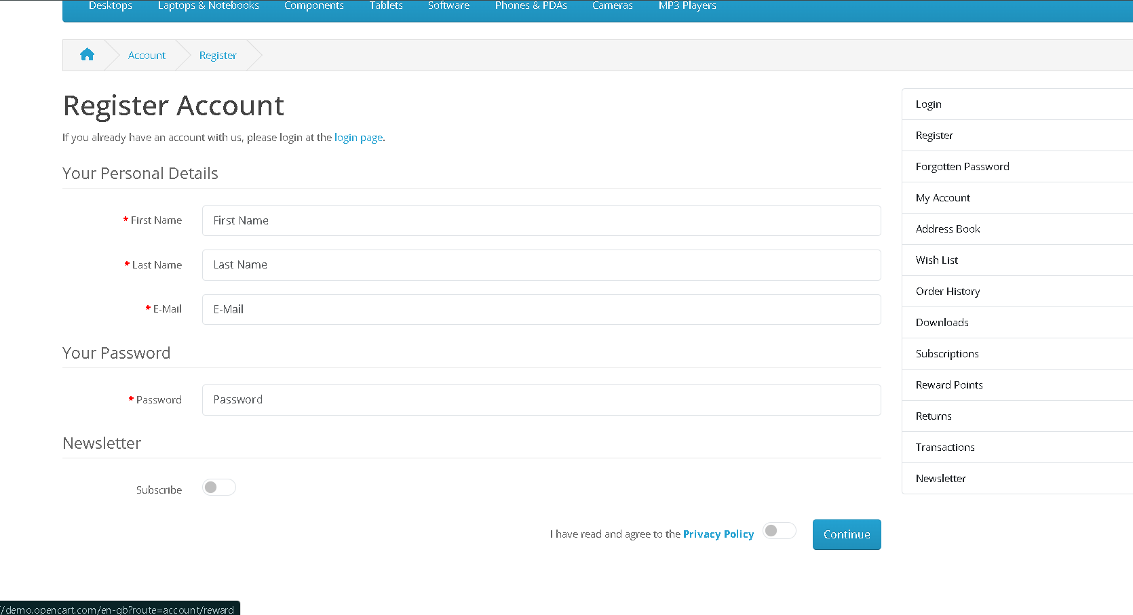
OPENCART_BUG_3 | TC_RF_015 | Password' fields in 'Register Account' page are accepting simple passwords | 1. Click on 'My Account' Drop menu 2. Click on 'Register' option 3. Enter new Account Details into all the Fields (First Name, Last Name, E-Mail, Newsletter and Privacy Policy Fields) 4. Check entering simple passwords (Not following Password Complexity Standars' i.e. Size of password as 8, password should contain atleat one number, symbol, lower case letter and upper case letters) 5. Click on 'Continue' button | Warning message informing the User to enter a password matching the complexity standards should be displayed | No warning message is getting displayed and a simple password is accepted by the fields | S1 | P1
OPENCART_BUG_4 | TC_RF_004 | Check whether the names fields when fill maximum characters | 1. Open the application and click on 'My Account' Drop menu 2. Click on 'Register' option 3. input a huge number of characters in First Name, Last Name | There should be a warning message for limitation of characters in those filds | There is no warning message for limitation of characters in those filds | S2 | P2
OPENCART_BUG_5 | TC_LF_012 | validate the number of unsuccessful login attempts | 1. Click on 'My Account' Dropmenu. 2. Click on 'login' option. 3. Enter the invalid email address into 'E-mail Address' field. - <Refer Test Data> 4. Enter the invalid password in the 'Password' field. - <Refer Test Data > 5. Click on 'Login' button. 6. Repeat the step 5 for 4 more times. | 1. Warning message with the text ' Warning: Your account has exceeded allowed number of login attempts. Please try again in 1 hour.' should be displayed for the 5th time of clicking the 'Login' button with the same invalid credentials | 1. Loggedin Sesion is not still maintained and User is logged out | S2 | P2
OPENCART_BUG_6 | TC_LF_014 | Validate the copying of the text entered into Password field | Click on 'My Account' Dropmenu 2. Click on 'Login' option 3. Enter any text into the 'Password' field 4. Select the text entered into the 'Password' field, right click to select 'Copy' option 5. Select the text entered into the 'Password' field and press (Ctrl+C) shorcut for copying | 1. Copy option in Right click menu should be disabled. 2. Password text should not be copied. | Password is allowed to copy in Password field | S1 | P2
OPENCART_BUG_7 | TC_LG_008 | Validate logging out after session timeout. | 1. Click on 'My Account' Dropmenu 2.close the system leaving loggin. 3.Start the system and check if whether loggin or logout to corresponding application. | User have to login feshly not having logout Option. | User is already logged in . | S1 | P2
OPENCART_BUG_8 | TC_FP_001 | Validate User is able to reset the password | 1. Click on 'Forgotten Password' link from Login page (Validate ER-1) 2. Enter the email address of an existing account for which you have forgot the password 3. Click on 'Continue' button (Validate ER-2) 4. Check the registered email address for which the password got reset (Validate ER-3) 5. Click on the link for resseting the password from the received email body (Validate ER-4) 6. Enter new password into the 'Password' and 'Confirm' fields 7. Click on 'Continue' button (Validate ER-5) 8. Enter the email address into the E-Mail address field and the new resetted password into the 'Password' field 9. Click on 'Login' button (Validate ER-6) | 1. User should be taken to 'Forgotten Password' page 2. Success message with text - 'An email with a confirmation link has been sent your email address.' should be displayed in green color 3. Validate that an email is received regarding resseting of the password to the registered email address 4. User should be taken 'Reset your Password' page 5. Success message with text - 'Success: Your password has been successfully updated.' should be displayed in green color and User should be navigated to 'Login' page 6. User should be able to login with the new password | No email sent to email address. | S0 | P0
OPENCART_BUG_9 | TC_PC_016 | Validate the 'Product Comparison' page when the same product is added twice to the page for comparison | 1. Enter any existing Product name into the Search text box field - <Refer Test Data> 2. Click on the button having search icon 3. Select 'Compare this Product'option on the Product that is displayed in the search results 4. Enter the same Product name into the Search text box field - <Refer Test Data> 5. Click on the button having search icon 6. Select 'Compare this Product' option on the Product that is displayed in the search results 7. Click on the 'Product Comparison' link in the displayed success message 8. Check the 'Product Comparison' page having the same product added twice to the page for comparison (Validate ER-1) | 1. Validate that the product shoud be displayed in the 'Product Comparison' page only one with all the proper product details and the buttons (Add to Cart and Remove buttons) | There is a warning message refeering that product is already added for comparison | S2 | P2
OPENCART_BUG_10 | TC_PC_019 | Validate that more than 4 products cannot be added to the 'Product Comparison' page | 1. Enter any existing Product name into the Search text box field - <Refer Test Data> 2. Click on the button having search icon 3. Select 'Compare this Product'option on the Product that is displayed in the search results 4. Repeat Steps 1 to 3, five times with a different product added to the 'Product Comparison' page 5. Click on the 'Product Comparison' link in the displayed success message 6. Check the 'Product Comparison' page having five products added to the page for comparison (Validate ER-1) | 1. Validate that only four products are displayed in the 'Product Comparison' page with all the proper product details and the buttons (Add to Cart and Remove buttons) | The lastest four products (Second Product Name to Fifth Product Name) are displayed in the 'Product Comparison' page with all the proper product details and the buttons (Add to Cart and Remove buttons) and the First added Product is automatically removed from the 'Product Comparison' page as it allows only four products for comparision but after fourth one a error message would have been displayed indiacting you cant add more than 4 products. | S1 | P2
OPENCART_BUG_11 | TC_PDP_002 | Validate the mouse curser pointing icon over the thumbnails of the Product displayed in the Product Display Page | 1. Enter any existing Product name into the Search text box field - <Refer Test Data> 2. Click on the button having search icon 3. Click on the Product displayed in the Search results 4. Click on the main bigger sized Thumbnail image displayed on the 'Product Display Page' (Validate ER-1) 5. Click on '<' and '>' options (Validate ER-2) 6. Click on 'x' option or press 'ESC' keyboard key when the thumbnails are displayed in Light box view (Validate ER-3) 7. Check the mouse cursor pointing icon over the images of products | 1. Light box view of the main Thumbnail image should be displayed with options to view the previous and next Thumbnail images in Light box view. 2. User should be able to navigate to other thumbnail images in the Light box view 3. Light box view should close and the focus should go to the Product Display Page. 4 The mouse pointer should changes according to movement to particular functions. | User is able to navigate to thumbnail or product images properly but on the large image viewing section , the mouse pointer when move to the close button it appearing as a zoom out icon rathering pointing icon. | S2 | P2
OPENCART_BUG_12 | TC_PDP_007 | Validate the negative quantity or zero quantity or null quantity should not be allowed in the Product Display Page | 1. Enter any existing Product name into the Search text box field, which has no minimum quantity set - <Refer Test Data> 2. Click on the button having search icon 3. Click on the Product displayed in the Search results 4. Check the Qty text field in the Product Display Page 5. Update the quantity in the Qty text field by providing a negative number or zero number or null quantity and click on 'Add to Cart' button (Validate ER-1) | 1. A field level message - 'Quantity should be a positive number' or 'Quantity cannot be zero, null or negative' should be displayed under the Qty text field | System not allowing the product add to the cart for negative value or null value; but not giving any warning message for this suspicious activity | S0 | P2 | 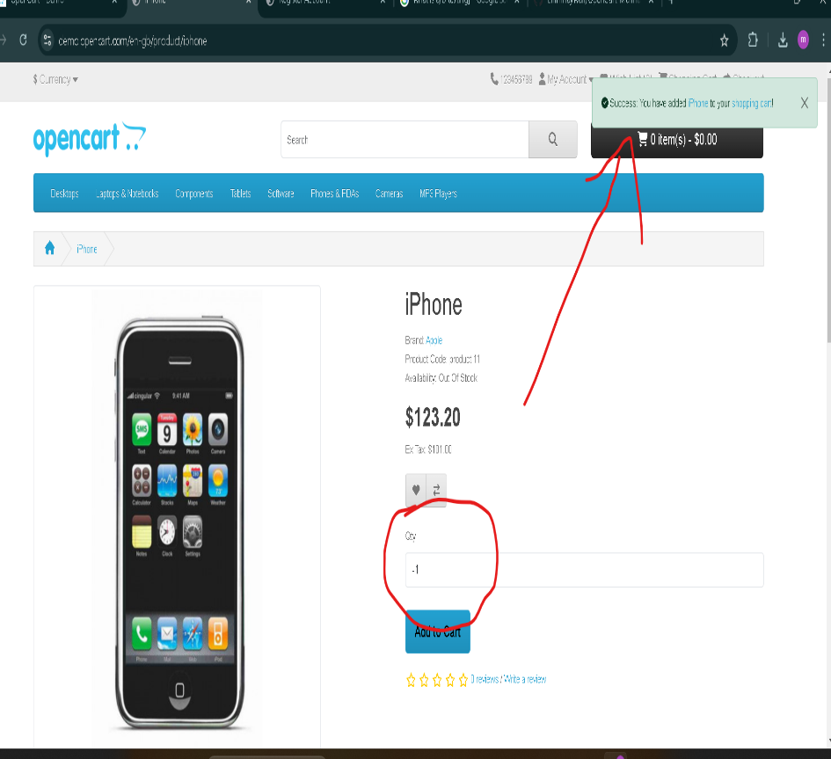
OPENCART_BUG_13 | TC_PDP_011 | Validate the User is able to write a review for the Product from the 'Reviews' tab of Product Display Page | 1. Enter any existing Product name into the Search text box field - <Refer Test Data> 2. Click on the button having search icon 3. Click on the Product displayed in the Search results 4. Click on the Reviews tab of the Product in the displayed 'Product Display' page 5. Enter your name into the 'Your Name' text field 6. Enter review text into the 'Your Review' text are field 7. Select any radio button to give the rating 8. Click on 'Continue' button (Validate ER-1) | 1. Success message should be displayed saying thank you for your review. This review should be displayed under this 'Reviews' tab once the webmaster approves it. | After submitting review no message of confirming review submitted. | S2 | P2
OPENCART_BUG_14 | TC_PDP_018 | Validate submitting a review without filling the mandatory fields | 1. Enter any existing Product name into the Search text box field - <Refer Test Data> 2. Click on the button having search icon 3. Click on the Product displayed in the Search results 4. Select the Reviews tab of the Product in the displayed 'Product Display' page 5. Don't provide Name, Your Review and Ratings and click on 'Continue' button (Validate ER-1) | 1. Proper warning messages informing the User to fill the mandatory fields to submit the review should be displayed. | There is no any Warning message. | S2 | P2
OPENCART_BUG_15 | TC_PDP_019 | Validate the review text given while writing is accepted according to the specified number of characters | 1. Enter any existing Product name into the Search text box field - <Refer Test Data> 2. Click on the button having search icon 3. Click on the Product displayed in the Search results 4. Select the Reviews tab of the Product in the displayed 'Product Display' page 5. Provide Name and Ratings 6. Check whether a proper warning message is displayed on providing the review text which is not according to the specified range of characters (i.e. 25 to 100 characters) and click on 'Continue' button (Validate ER-1) | 1. Proper warning message with the text - 'Warning: Review Text must be between 25 and 1000 characters!' should be displayed | There is no any Warning message. | S2 | P2
OPENCART_BUG_16 | TC_CO_006 | Validate that Chose shipping method and chose payment method should work properly. | 1. Enter any existing Product name into the Search text box field - 2. Click on the button having search icon 3. Click on 'Add to Cart' button on the Product displayed in the Search results 4. Click on the 'shopping cart!' link in the displayed success message 5. Click on 'Checkout' button in the 'Shopping Cart' page 6. Select 'I want to use existing address' radio option 7. Chose shipping method and chose payment method. | 1. User should be able to redirect on checkout page. 2.User shold be able to select existing address. 3.User should chose shipping method and payment option. | Choose shipping method and choose payment method sometimes doesn’t work. | S1 | P1
OPENCART_BUG_17 | TC_PDP_018 | Validate submitting a review without filling the mandatory fields | 1. Enter any existing Product name into the Search text box field 2. Click on the button having search icon 3. Click on the Product displayed in the Search results 4. Select the Reviews tab of the Product in the displayed 'Product Display' page 5. Don't provide Name, Your Review and Ratings and click on 'Continue' button | 1. Proper warning messages informing the User to fill the mandatory fields to submit the review should be displayed. | There is no any Warning message. | S2 | P2
OPENCART_BUG_18 | TC_CR_007 | Validate procuct prices should equivalaent to recent prices of their equivalent currency | 1.Mark down the correspoindig price of the product. 2.Click on currency. 3.Click Euro | The price of the procuct before changing the currency should be equivalent to recent currency selected. | The price of the procuct before changing the currency is not equivalent to recent currency selected. | S0 | P0

