Sheet1
Client Browser
API Gateway
Client Browser
Hi! Can you give this to...
*HTTP 200

Client Application

API Gateway
Catalog Service
Authorization Service

products
categories
purchases
Catalog Service
synchronous
Authorization Service
passwords
email addresses
roles
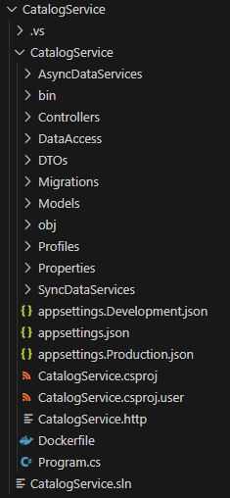

asynchronous
Message Bus (RabbitMQ)

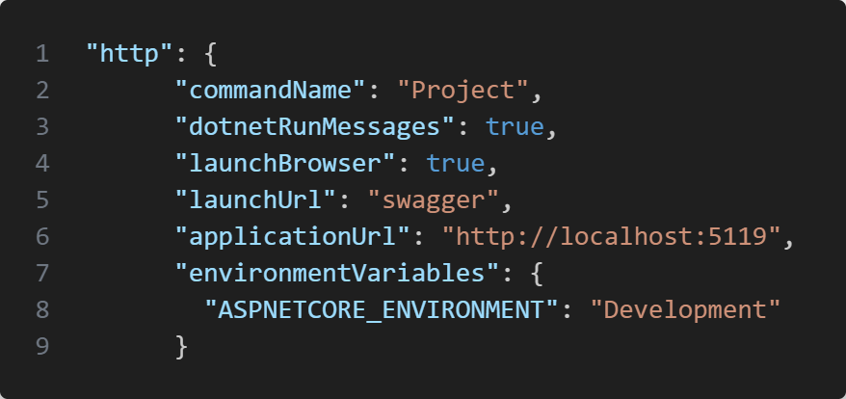

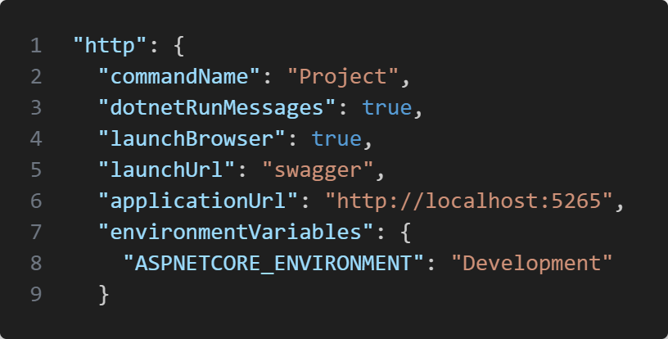

Deployment for Catalog Service

ClusterIP Service

Deployment for MSSQL Database

