Masterlist
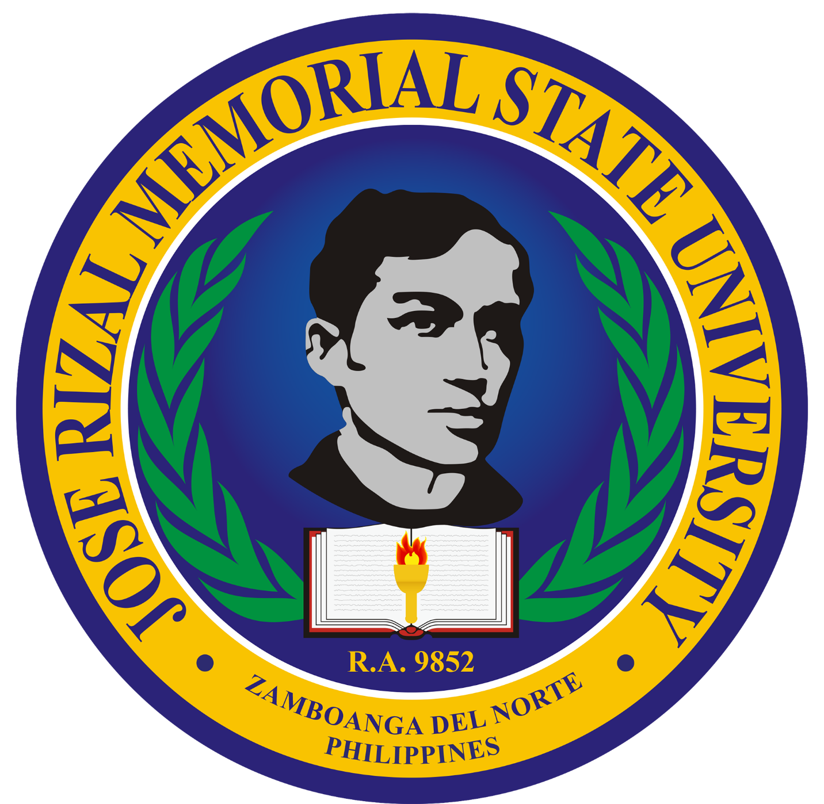
 |  | Republic of the Philippines
 |  | JOSE RIZAL MEMORIAL STATE UNIVERSITY
 |  | The Premier University in Zamboanga del Norte
 |  | KATIPUNAN CAMPUS
 |  | Katipunan, Zamboanga del Norte

 |  | OFFICE OF THE GUIDANCE AND COUNSELING UNIT
 |  | Email: katipunan.guidance@jrmsu.edu.ph

 |  |  | VISITORS' LOGIN
No. | Date | Name | Address | Contact No. | Purpose | Status

