Literature
author | title | year | Task | Description | Language Paper | url to paper | Dataset Used | Language Dataset | url to dataset | Implementation | cited | Input (+example) | Images | Evaluation Metrics | Additional Inputs | Outputs | Results | Conclusio | Data preprocessing / input constraints | Feature Representation | Model Description | Hyperparameter optimisation | Img Hyperparam. | Network architecture / Type | Fine tuning possible? | Fine-Tuning Notes | Limitations | Suitability for Thesis | Future work / open topics
Modha, Mandl. Majumder, Patel | Overview of the HASOC track at FIRE 2019: Hate Speech and Offensive Content Identification in Indo-European Languages | 2019 | Hate Speech Classification |  | EN | http://ceur-ws.org/Vol-2517/T3-1.pdf | FIRE 2019 | DE | https://hasocfire.github.io/hasoc/2019/dataset.html | German = BERT and LASER |  |  |  | Precision, Recall, F1-Score: Macro & Weighthted |  |  |  |  |  |  |  | N/A
Punyajoy et al | HateMonitors: Language Agnostic Abuse Detection in Social Media | 2019 | Hate Speech Classification |  | EN | http://ceur-ws.org/Vol-2517/T3-9.pdf | FIRE 2019 | DE | https://hasocfire.github.io/hasoc/2019/dataset.html | Light Gradient Boosting Machine (LGBM) |  |  |  | Macro F1 |  | 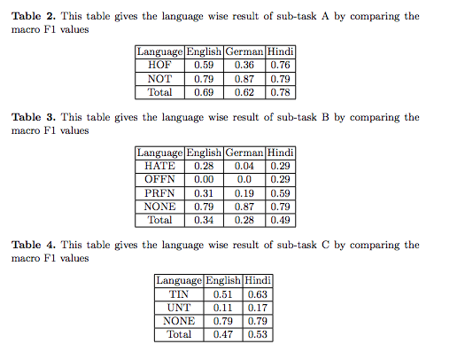 |  |  | We remove all the URLs. – Convert text to lowercase. This step was not applied to the Hindi language since Devanagari script does not have lowercase and uppercase characters. – We did not normalize the mentions in the text as they could potentially reveal important information for the embeddings encoders. – Any numerical figure was normalized to a string ‘number’. | 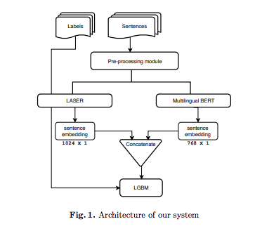 |  |  |  |  | 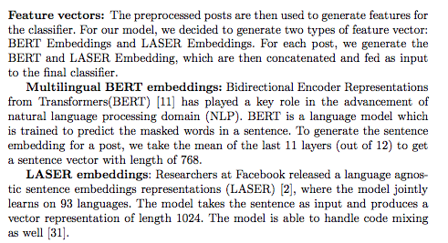
Ruiter, Rahman, Klakow | LSV-UdS at HASOC 2019: The Problem of Defining Hate? | 2019 | Hate Speech Classification |  | EN | http://ceur-ws.org/Vol-2517/T3-11.pdf | FIRE 2019 |  | https://hasocfire.github.io/hasoc/2019/dataset.html | BERT-base for English (BERTen) and German (BERTde) as well as multilingual cased BERT (BERTmulti) |  |  |  | 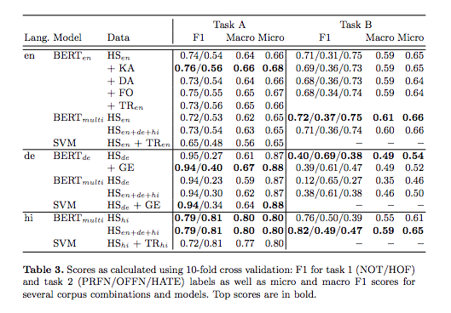 F1, Micro, Macro |  |  |  | To deal with the unbalanced nature of the training data, we perform randomized weighted re-sampling of the data at each epoch. The weights given to a class is calculated such that underrepresented classes are given a larger weight and vice versa. | tokenization, the removal of stopwords (excluding negations), lowercasing, stemming and lemmatization |  |  |  |  |  |  |  |  | YES
Jaki & De Smedt | Right-wing German Hate Speech on Twitter: Analysis and Automatic Detection | 2018 | Hate speech detection |  | EN | https://arxiv.org/pdf/1910.07518.pdf | NA | DE | NA
Zufall, Horsmann, Zesch | From Legal to Technical Concept: Towards an Automated Classification of German Political Twitter Postings as Criminal Offenses | 2019 | Classification of Political Tweets |  | EN | https://aclanthology.org/N19-1135.pdf | GERMEVAL 2018 | DE | https://github.com/uds-lsv/GermEval-2018-Data | LSTM, fasttext |  |  |  | Acc, F1 |  | 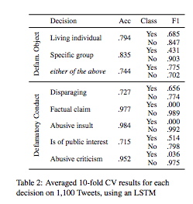 |  |  |  |  |  | We train 30 epochs, with 0.2 dropout and initialize using Glorot, and ReLU as activation function.
Garland, Ghazi-Zahedi, Young, Hebert-Dufresne, Galesic | IMPACT AND DYNAMICS OF HATE AND COUNTER SPEECH ONLINE | 2021 | Hate speech / Counter speech detection |  | EN | https://arxiv.org/pdf/2009.08392.pdf | n/a | DE
Wiegand, Siegel, Ruppenhofer | Overview of the GermEval 2018 Shared Task on the Identification of Offensive Language | 2018 | Binary & Multi-class hate speech identification |  | EN | https://epub.oeaw.ac.at/0xc1aa5576_0x003a10d2.pdf | GERMEVAL 2018 | DE | https://github.com/uds-lsv/GermEval-2018-Data | CNN, LSTM, GRU |  |  |  | macro f1 |  |  |  |  | Tokenization, POS-Tagging, Lemmatization, stemming, parsing
Struß, Siegel, Ruppenhofer, Wiegand, Klenner | Overview of GermEval Task 2, 2019 Shared Task on the Identification of Offensive Language | 2019 | Binary & Multi-class hate speech identification |  | EN | https://d-nb.info/1198208546/34 | GERMEVAL 2018 | DE | https://github.com/uds-lsv/GermEval-2018-Data
Montani. Schüller | TUWienKBS at GermEval 2018: German Abusive Tweet Detection | 2018 | Hate Speech Classification |  | EN | https://publik.tuwien.ac.at/files/publik_272033.pdf | GERMEVAL 2018 |  | https://github.com/uds-lsv/GermEval-2018-Data | EELECTION |  |  |  | F1 |  |  |  | 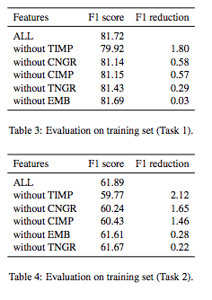 | Tweet preprocessing removes all handles (@username) and replaces the characters “#- ,;:/+)<>&” and line break characters by spaces and we replace the substring “’s” (as in “geht’s”) by a space.
Ross, Rist, Carbonell, Cabrera, Kurowsky, Wojatzki | Measuring the Reliability of Hate Speech Annotations: The Case of the European Refugee Crisis | 2017 | Binary Classification |  | EN | https://arxiv.org/pdf/1701.08118.pdf | IWG_hatespeech_public | DE | https://github.com/UCSM-DUE/IWG_hatespeech_public
Bretschneider, U. and Peters, R. | Detecting Offensive Statements towards Foreigners in Social Media | 2017 | Hierarchical, 6-way classification |  | EN | https://pdfs.semanticscholar.org/23dc/df7c7e82807445afd9f19474fc0a3d8169fe.pdf |  | DE | http://ub-web.de/research/
Wich, Bauer, Groh | Impact of Politically Biased Data on Hate Speech Classification | 2020 | Hate Speech Classification |  | EN | https://aclanthology.org/2020.alw-1.7.pdf | GERMEVAL 2018 & GERMEVAL 2019 | DE
Hawdon, Oksanen, Räsänen | Exposure to Online Hate in Four Nations: A Cross-NationalConsideration | 2016 |  |  | EN | https://www.researchgate.net/publication/303480309_Exposure_to_Online_Hate_in_Four_Nations_A_Cross-National_Consideration
Pitsilis, Ramampiaro, Langseth | Detecting Offensive Language in Tweets using Deep Learning | 2018 | Hate Speech Classification |  | EN | https://arxiv.org/pdf/1801.04433.pdf | Waseem and Hovy (2016) | EN | https://github.com/ZeerakW/hatespeech
Davidson, Warmsley, Macy, Weber | Automated Hate Speech Detection and the Problem of Offensive Language | 2017 | Hate Speech classification |  | EN | https://arxiv.org/pdf/1703.04009.pdf | Davidson, Warmsley, Macy, Weber | EN | https://github.com/t-davidson/hate-speech-and-offensive-language
MacAvaney et al | Hate speech detection: Challenges and solutions | 2019 | Hate speech detection |  | EN | https://www.ncbi.nlm.nih.gov/pmc/articles/PMC6701757/
Malmasi et al | Challenges in Discriminating Profanity from hate Speech | 2018 | Text classification |  | EN | https://arxiv.org/pdf/1803.05495.pdf | Davidson, Warmsley, Macy, Weber | EN | https://github.com/t-davidson/hate-speech-and-offensive-language
Chan et al | German's Next Language Model | 2020 | Hate Classification |  |  | https://arxiv.org/pdf/2010.10906.pdf | GERMEVAL 2018, 2019
 |  |  |  |  |  | https://www.researchgate.net/publication/335700290_Offensive_Language_Identification_using_a_German_BERT_Model

Classification Methods
HATE SPEECH CLASSIFICATION
Paper | Dataset | Model | Metric
LSV-UdS at HASOC 2019: The Problem of Defining Hate | HASOC 2019 - GERMAN + GERMEVAL 2018 | GBERT | Task A : f1: (NOT=)0.89/(HOF=)0.32 Micro: 0.61 Macro: 0.80 - Task B (NOT/PRFN/OFFN/HATE): f1: 0.89/0.17/0.18/0.15 Micro: 0.35 Macro: 0.77
HateMonitors: Language Agnostic Abuse Detection in Social Media | HASOC 2019 - GERMAN | mBERT base+ Laser embeddings - Gradient boosting Model | Task A : f1: (NOT=)0.87/(HOF=)0.36 , Macro: 0.62 - TaskB(NOT/PRFN/OFFN/HATE): f1: 0.87/0.19/0.0/0.04 Total: 0.28
Detecting Offensive StatementsComMA@FIRE 2020: Exploring Multilingual Joint Training across different Classification Tasks Towards Foreigners in Social Media | HASOC 2020 - GERMAN | mBERT + Laser embeddings - Gradient boosting Model | F1 TASK A: 0.86 & Task B: 0.76
Simon@HASOC 2020: Detecting Hate Speech and Offensive Content in German Language with BERT and Ensembles | HASOC 2020 - GERMAN | GBERT base+ Bi-LSTM + Bi-GRU | F1 TASK A: 0.7961 & Task B: 0.5409
TUWienKBS at GermEval 2018: German Abusive Tweet Detection | GERMEVAL 2018 | Stacked Classifier: MaxEnt Model + Ensemble of Random Forests
spMMMP at GermEval 2018 Shared Task: Classification of Offensive Content in Tweets using Convolutional Neural Networks and Gated Recurrent Units | GERMEVAL 2018 | CNN + GRU
UPB at GermEval-2019 Task 2: BERT-Based Offensive Language Classification of German Tweets | GERMEVAL 2019 | GBERT base+ additional PreTraining
TUWienKBS19 at GermEval Task 2, 2019: Ensemble Learning for German Offensive Language Detection | GERMEVAL 2019 | Stacked classifier: ensemble of random forests, MaxEnt Model, multinomial naice bayes classifier, fradient boosting model
FoSIL - Offensive language classification of German tweets combining SVMs and deep learning techniques | GERMEVAL 2019 | System1: document-term-matrix + SVM with radial kernel , System2: fasttext + SVM
FHAC at GermEval 2021: Identifying German toxic, engaging, and fact-claiming comments with ensemble learning | GERMEVAL 2021 - Toxic Comments | GBERT large & GELECTRA large
FH-SWF SG at GermEval 2021: Using Transformer-Based Language Models to Identify Toxic, Engaging, & Fact-Claiming Comments | GERMEVAL 2021 - Toxic Comments | Gelectra large & Gerpt2-large

COUNTER SPEECH CLASSIFICATION

Paper | Dataset | Model | Metric
Multilingual Counter Narrative Type Classification | CONAN Dataset | XLM-R Roberta
Racism is a Virus: Anti-Asian Hate and Counterspeech in Social Media during the COVID-19 Crisis | Covid Hate | Bert base | 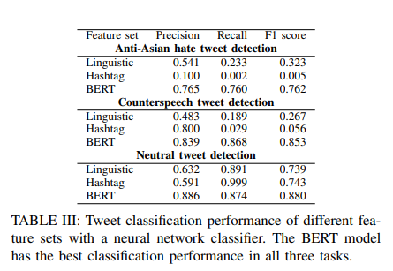
Analyzing the hate and counter speech accounts on Twitter | Hate-Counter-Twitter | Support Vector Machines (SVM), Logistic Regression (LR), Random Forest (RF), Extra-Tree (ET), XGBoost (XGB), and CatBoost (CB) for this task. We use TF-IDF features along with LR as the baseline | 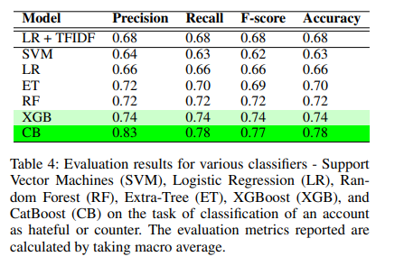
Thou Shalt Not Hate: Countering Online Hate Speech∗ | Countering-Hate-Speech Youtube | 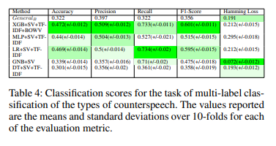
Countering hate on social media: Large scale classification of hate and counter speech | n/a | doc2vec + classifier? | 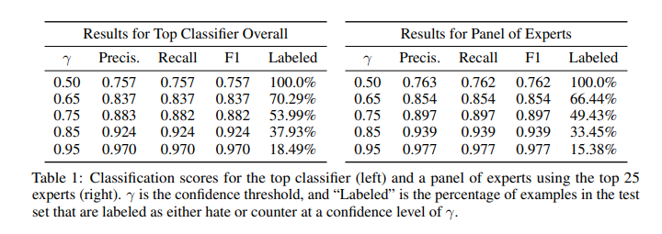
A Benchmark Dataset for Learning to Intervene in Online Hate Speech | A Benchmark Dataset For Learning to Intervene in Online Hate Speech | 