Sheet1
Date | Time | Workdown
4.21.2020 | 18:00-21:00 | watching tutorial for IOS swift and write the skelekon of the buttons function.
4.22.2020 | 12:00-14:00 | add stop, start function to the button.
4.23.2020 | 12:00-14:00 | get help from Irfan to finish the location manager to let those button actually start tracking the location from user.
4.24.2020 | 13:00-14:00 | start to work with Mason, try to input our geo data to the map and get the market on Mapbox, watching the tutorial first.
4.24.2020 | 15:00-18:00 | work with Mason create the geojson file that store the location around UO and also make the webapp show the marker of user location.
4.24.2020 | 18:00-20:00 | talk with Mason to decide what kind of data structure we may transfer from Mysql into, and get prepare for making it automatically upload.
4.25.2020 | 11:00-13:00 | trying to use different file to automatically upload the geojson with shell, java and python but failed to get the access to the Mapbox.
4.25.2020 | 17:00-19:00 | read the toturial found by Mason and plan to use javascript to do the job.
4.26.2020 | 13:00-18:30 | using whole afternoon to write the autoupload file and it can upload the geo data to the Mapbox dataset automatically through Amazon S3, and give it to Mason so he can put it in the system. (at the end we did not use this plan cause the Mapbox tileset is not very stable )
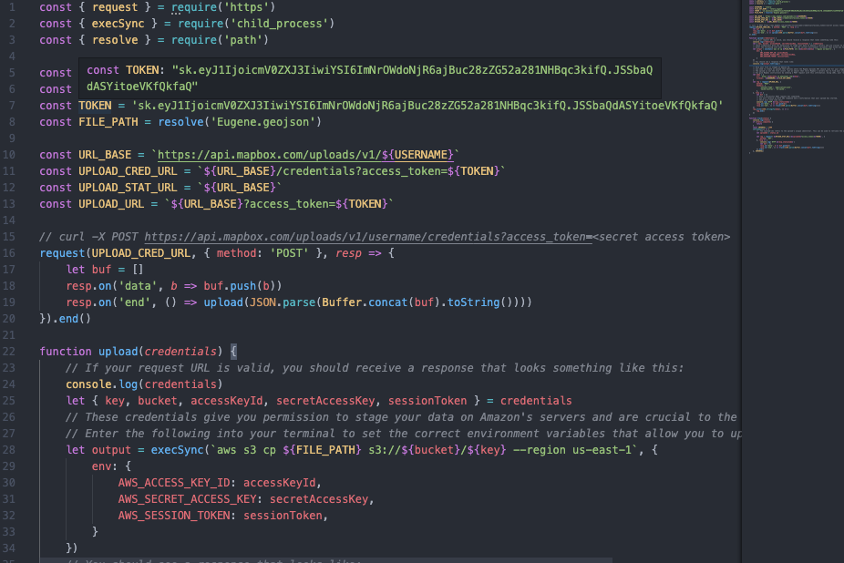
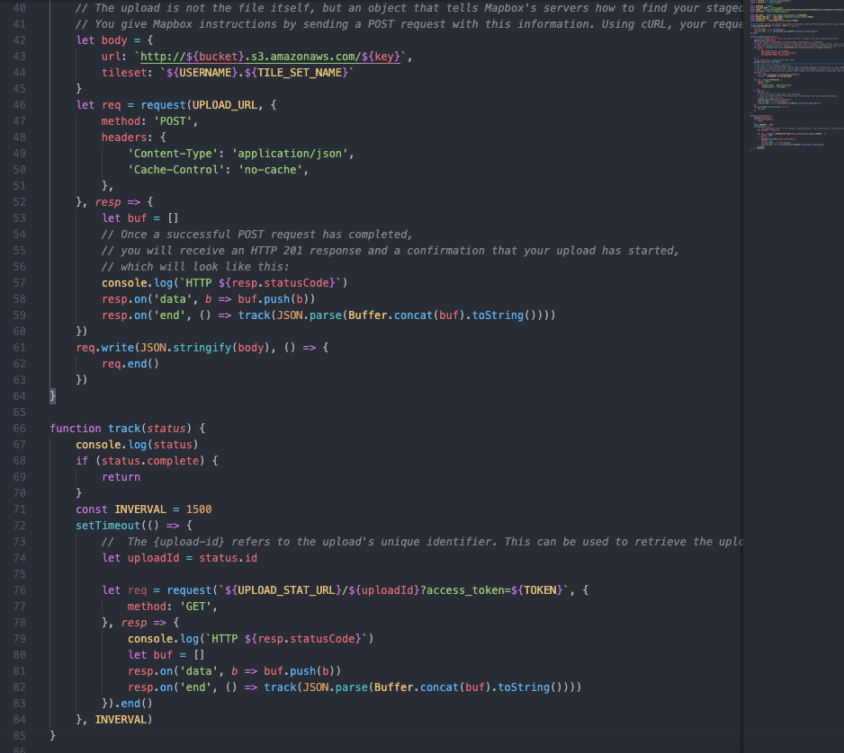

4.26.2020 | 21:00-22:00 | get a back up plan to show the marker on map without upload the geodata to the Mapbox dataset, and it can only show the position without time and date, just in case if the dataset does not work on the Mapbox as what we expect.
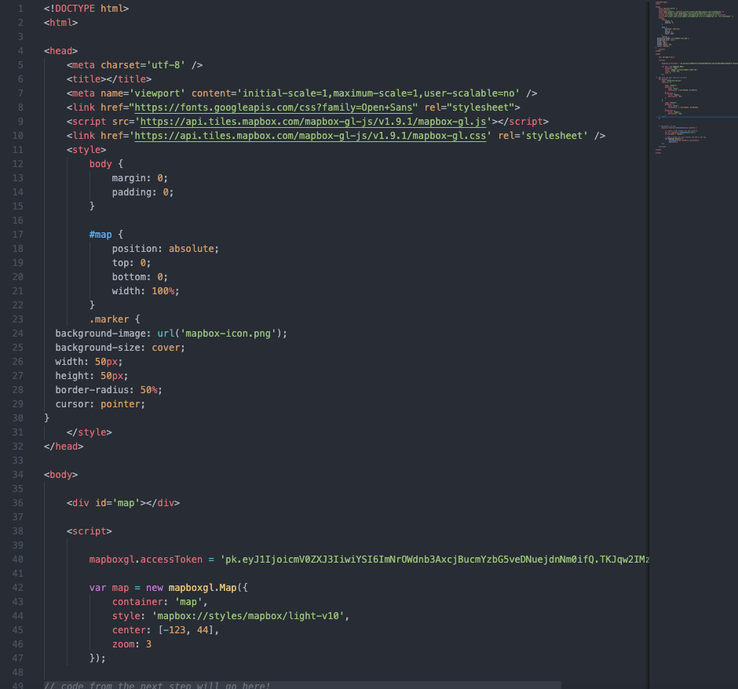
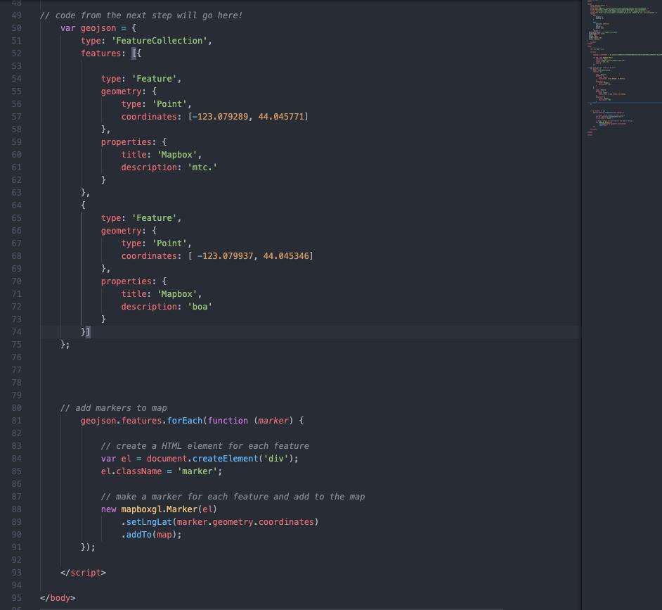

4.27.2020 | 19:30-… | working on documentation with teamates.

