Custom model
Image | Predicted class label | Predicted class likelihood % | Result | Image | Predicted class label | Predicted class likelihood % | Result

 | Cat | 99.79 | Correct | 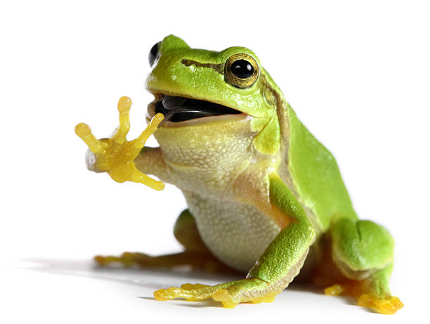 | Frog | 99.88 | Correct
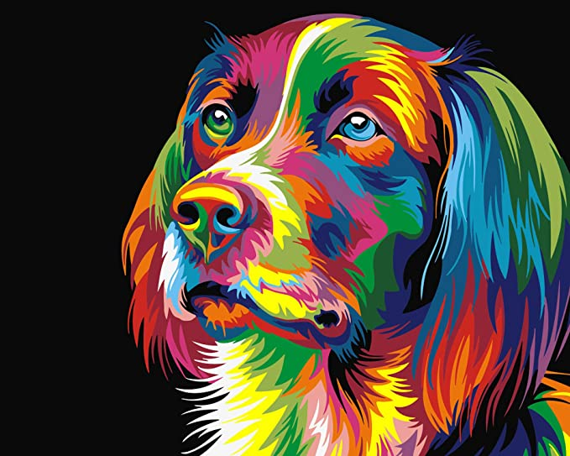 | Frog | 96.32 | Incorrect | 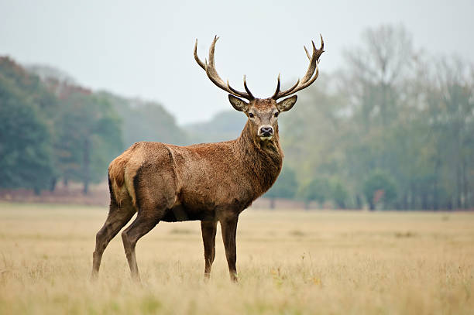 | Deer | 70.84 | Correct
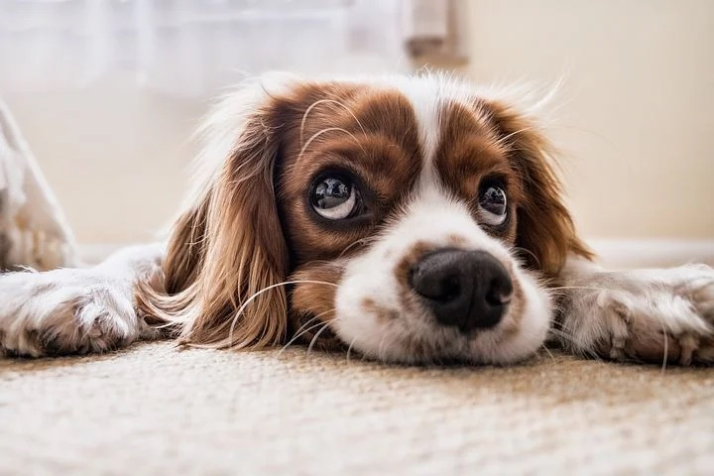 | Cat | 76.82 | Incorrect | 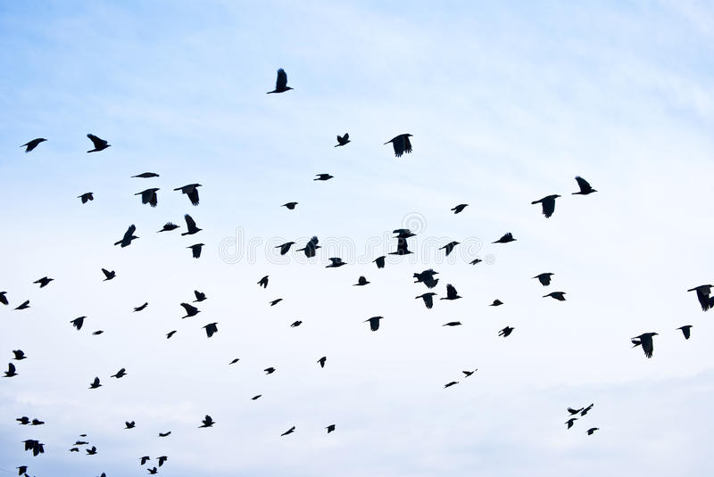 | Plane | 99.49 | Incorrect
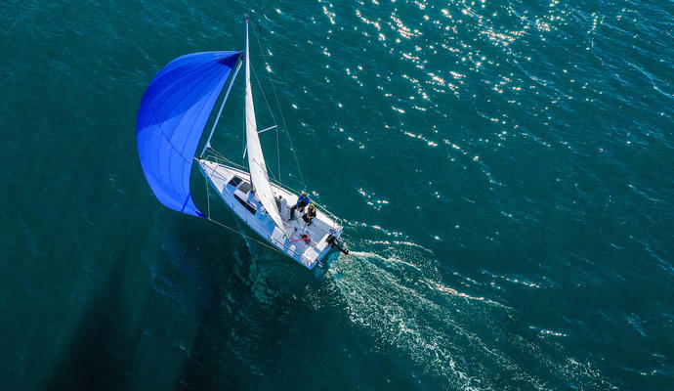 | Bird | 80.62 | Incorrect | 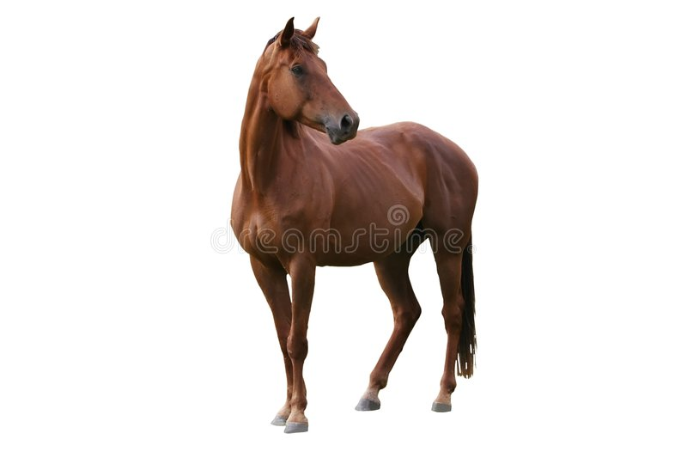 | Horse | 99.84 | Correct

trained on 50000 images and tested on 10000 images.10 classes

VGG
trained on app 14 million images, 1000 classes. 16 layers.

Image | class label - probability of the input image being the class label | Image | class label - probability of the input image being the class label

 | 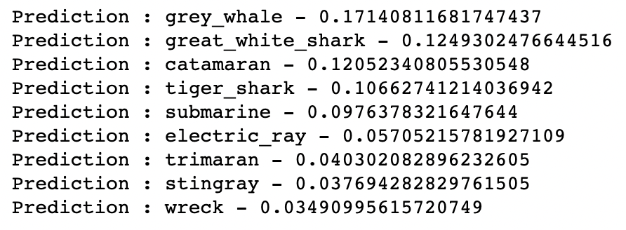 |  | 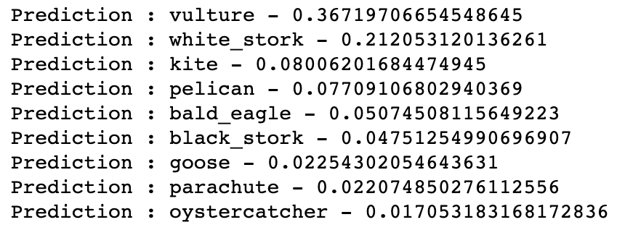
 | 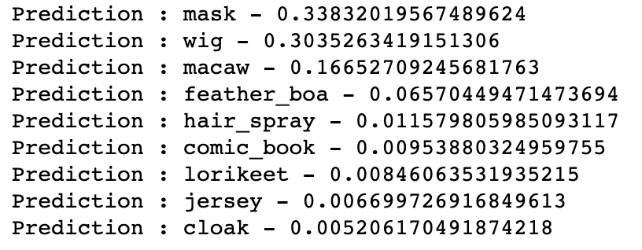

Transfer_learning
 |  | predict - dog or not

Image | Percent likelihood this image contains a dog | Image | Percent likelihood this image contains a dog

 | 100 |  | 0
 | 100 |  | 100
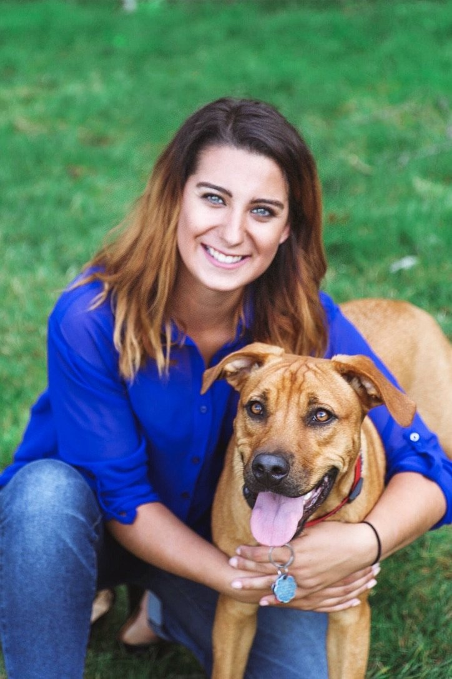 | 100 |  | 0

