TS001
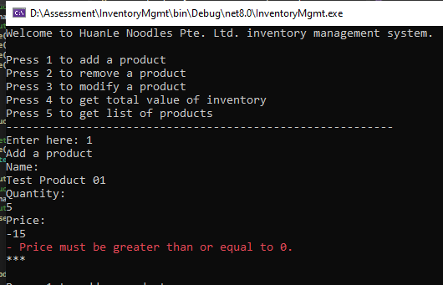
TC001 - Validate that user is able to add a product with valid attribute values

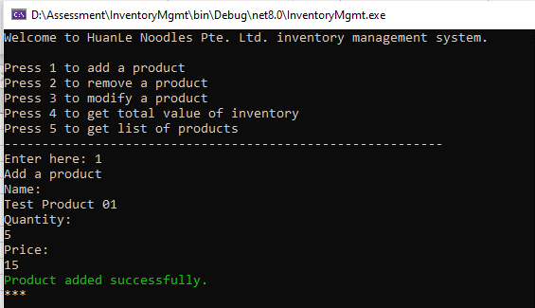

TC002 - Validate that user is not able to add a product with negative quantity value

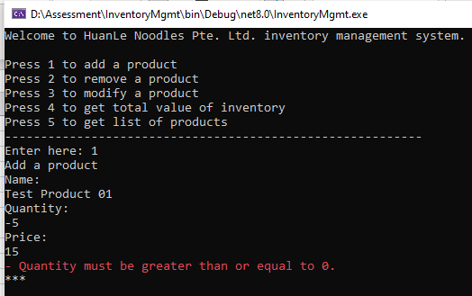

TC003 - Validate that user is not able to add a product with negative price value

TS002
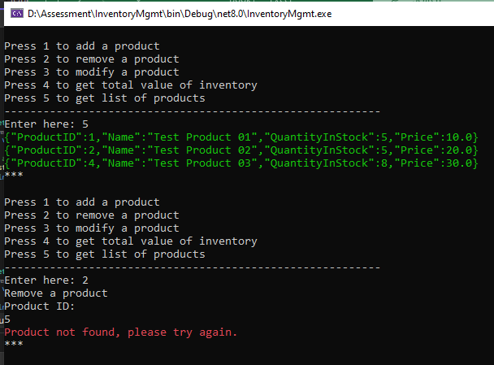
TC001 - Validate that user is able to remove a product with valid product Id

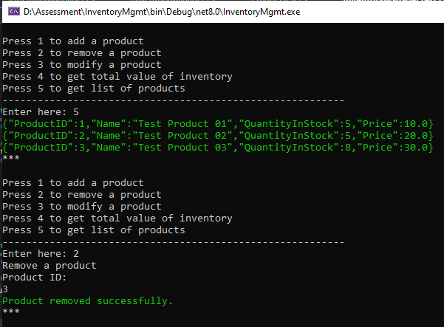

TC002 - Validate that user is not able to remove a product with invalid product Id

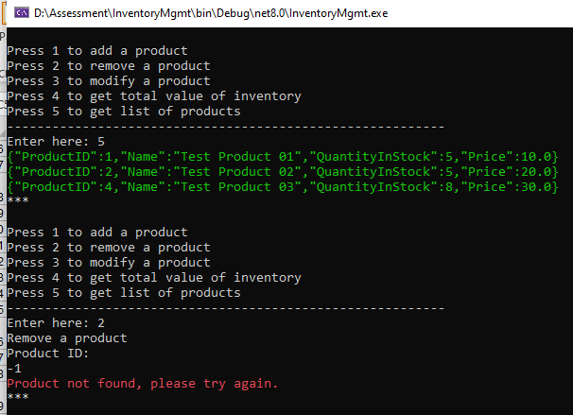

TC003 - Validate that user is not able to remove a non existing product

TS003
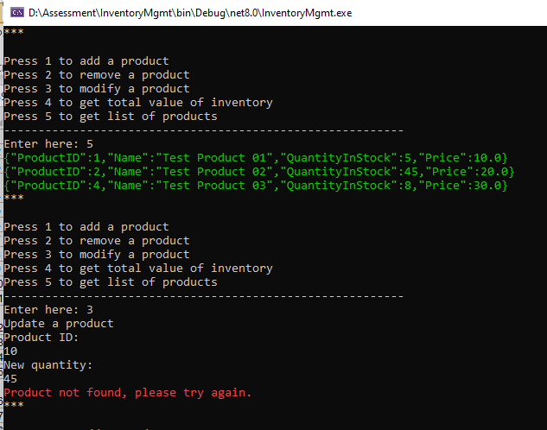
TC001 - Validate that user is able to update a product

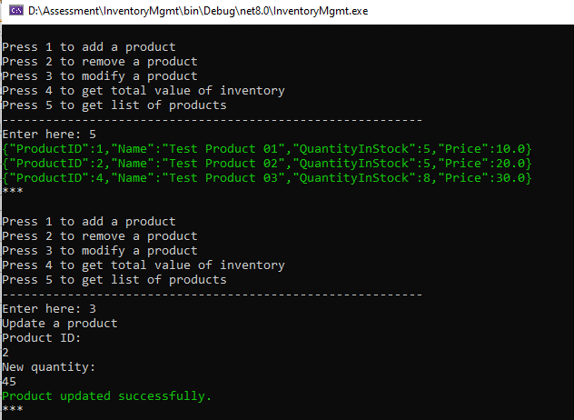

TC002 - Validate that user is not able to update a product with invalid product Id


TC003 - Validate that user is not able to update non existing product

TS004
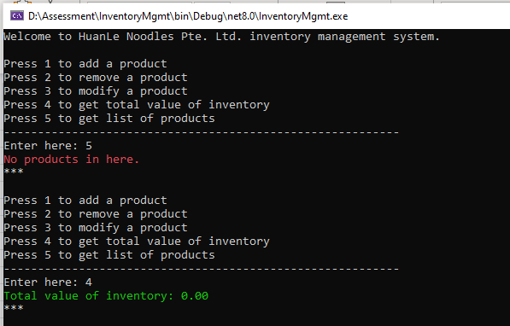
TC001 - Validate that user get the total value of inventory

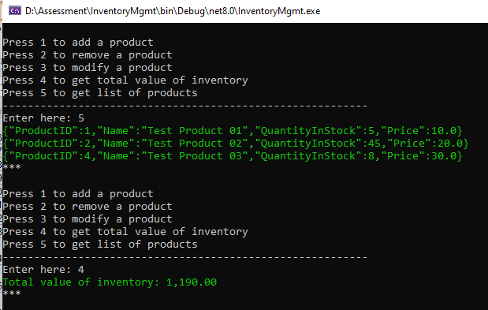

TC002 - Validate that user get zero amount for the total value of inventory

TS005
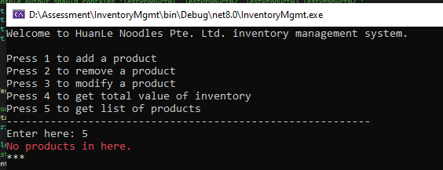
TC001 - Validate that list of products is displayed

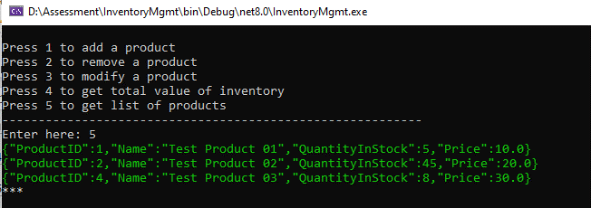

TC002 - Validate that list of products is not displayed

