Modular Furniture
Proposed Interior Fit-out for Working Womens Hostel at Hosur.
Bill of Quantities for Modular Furniture
S.No. | Description | Unit | Quantity | Rate in INR | Amount in INR | Remarks | Photo
A | Modular Furniture
1 | ADMIN OFFICE TABLE 1200X600X750 MM
a | Admin Office tables & chair. Including cost of all material , labour charges as directed by he departmental officers | Nos | 1.00 | 11,250.00 | 11,250.00 | Refer ANNEXURE - 01 | 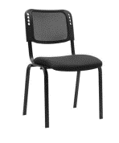
b | Office storage cabinet All panel 18mm thick prelam partical board finish, 2mm edge banding finish. Swing type shutter. Including cost of all material , labour charges as directed by he departmental officers | Nos | 1.00 | 4,500.00 | 4,500.00 | Refer ANNEXURE - 01
 | WARDROBE 900X500X1950MM
2 | Supply and installation of Wooden / MDF wardrope all panel 18mm thk MDF board with 2mm edge banding finish. Including cost of all material , labour charges as directed by he departmental officers | Nos | 170.00 | 6,000.00 | 1,020,000.00 | Refer ANNEXURE - 01
3 | Kitchen Furniture and Storage Size: 2400 W X 1800 D X 800 H Kitchen unit full set BWR ply wood finish. Including cost of all material , labour charges as directed by he departmental officers | Nos | 1.00 | 300,000.00 | 300,000.00 | Refer ANNEXURE - 01
4 | Janitor storage Size: 900 W X 450 D X 1800 H 18mm thick prelam partical board finish with 2mm edge banding and swing type shutters. Including cost of all material , labour charges as directed by he departmental officers | Nos | 5.00 | 18,750.00 | 93,750.00 | Refer ANNEXURE - 01
5 | Pantry Furniture - BWR Ply Size: 2400 W X 600 D X 800 H | Nos | 5.00 | 75,000.00 | 375,000.00 | Refer ANNEXURE - 01
6 | Supply and installation of Samsung 8 Kg 5 Star AI Control & Wi-Fi, Fully-Automatic Front Loading Washing Machine (WW80T504DAB1TL, Black Caviar, Digital Inverter) | Nos | 4.00 | 37,000.00 | 148,000.00
7 | Supply and installation of Samsung Refrigerator 253 L 3 Star with Inverter Double Door Refrigerator (RT28A3453S8/HL, Elegant Inox) | Nos | 2.00 | 25,000.00 | 50,000.00
 | Total Amount |  |  |  | 2,002,500.00
 | PACKING & FORWARDING |  |  |  | 40,050.00
 | GRAND TOTAL (Excluding GST) |  |  |  | 2,042,550.00

Loose Furniture and Chairs
Proposed Interior Fit-out for Working Womens Hostel at Hosur.
Bill of Quantities for Loose Furniture and Chairs
S.No. | Description | Unit | Quantity | Rate in INR | Amount in INR | Remarks | Photo
B | Supply and Delivery of Loose Furniture and Chairs including cost of transportation charges and ect.
1 | CANTEEN
a | Dining tables with 4 chairs Size : 1200 W x 800 D x 750 Ht Dining table top 18mm thicl PLPB finish with 2mm edge banding. Support leg ms powder coating finish. | Nos | 6.00 | 18,750.00 | 112,500.00 | Refer ANNEXURE - 02 | 
2 | ROOMS
a | WOODE / MDF BED (Without Mattress) 25mm thick head board and foot board MDF board with 2mm edge banding finish. Support section ms powder coating finish. | Nos | 170.00 | 7,500.00 | 1,275,000.00 | Refer ANNEXURE - 02 | 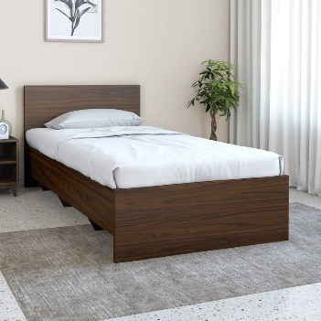
b | SIDE TABLE 1200 W X 450 D X 750 H All panel 18mm thick prelam partical board finish, 2mm edge banding finish. Swing type shutter. | Nos | 96.00 | 4,500.00 | 432,000.00 | Refer ANNEXURE - 02
d | STUDY TABLE WITH SELF Size : 1050 x 550 x 750 Ht Wooden/MDF Bed 25mm thick head board and foot board MDF board with 2mm edge banding finish. Support section ms powder coating finish. | Nos | 170.00 | 4,500.00 | 765,000.00 | Refer ANNEXURE - 02
e | STUDY CHAIR | Nos | 172.00 | 2,250.00 | 387,000.00 | Refer ANNEXURE - 02
 | Total Amount |  |  |  | 2,971,500.00
 | PACKING & FORWARDING |  |  |  | 89,145.00
 | GRAND TOTAL (Excluding GST) |  |  |  | 3,060,645.00

