Namma School Namma Ooru Palli
Namma School Namma Ooru Palli Scheme
Progress Report for Construction of Toilet & other amenities for Government Schools
Sl.No | District | School Name | No. of units | FS Amount in Lakhs | Amount Received in Lakhs | Tender date | DHO | DDC | Physical percentage | Financial percentage | Present stage
 | Salem Division
1 | Ranipet | GMHSS, Panapakkam | 2 | 17.68 | 17.68 | 17/08/2023 | 03.09.2023 | 02.12.2023 | 40% | Bill not paid | 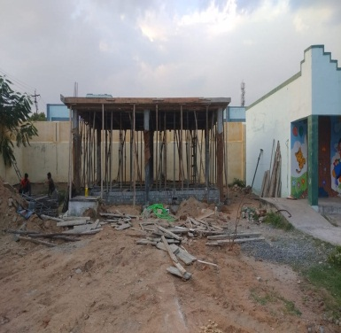 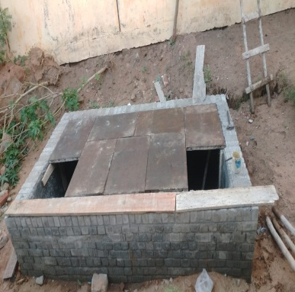 Roof slab form work & steel fabrication work completed.
2 | Vellore | GGHSS Nadupet, Gudiyatham | 3 | 26.52 | 26.52 | 17/08/2023 | 23.09.2023 | 22.12.2023 | 5% | Bill not paid | 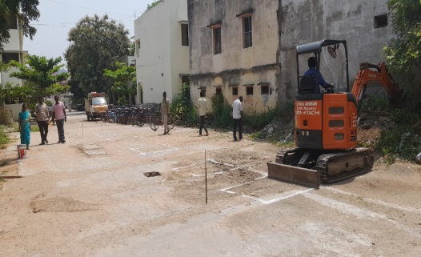 Earth work excavation under progress.
3 | Villupuram | S.R.Government Girls Higher Secondary School, Valavanur | 2 | 17.68 | 17.68 | 04/08/2023 | 16.08.2023 | 15.11.2023 | 53% | 45% | 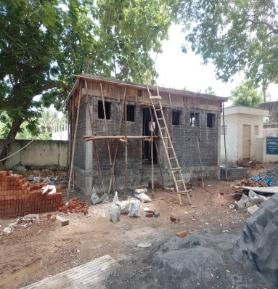 Toilet block roof slab and septic tank cover slab concrtete laid.
4 | Cuddalore | GGHSS - CHIDAMBARAM | 2 | 17.68 | 17.68 | 25/05/2023 | 12.07.2023 | 11.10.2023 | 70% | 52% | 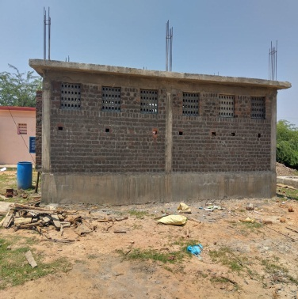 Inner plastering work is in progress.
5 | Cuddalore | GGHSS - INDIRA NAGAR | 3 | 26.52 | 26.52 | 25/05/2023 | 03.07.2023 | 02.10.2023 | 81% | 66% | 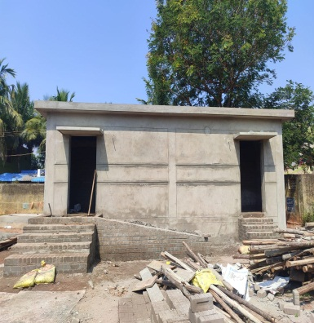 Inner partition wall lintel beam form work & steel fabrication work is under progress.
6 | Krishnagiri | GOVT GIRLS HSS, SHOOLAGIRI | 4 | 35.36 | 35.36 | 05/07/2023 | 07.08.2023 | 06.11.2023 | 47% | 30% | 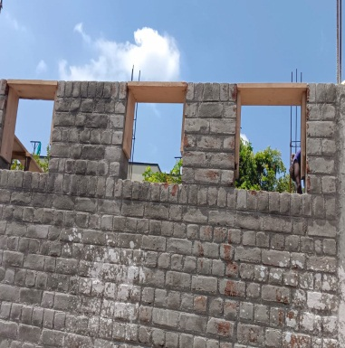 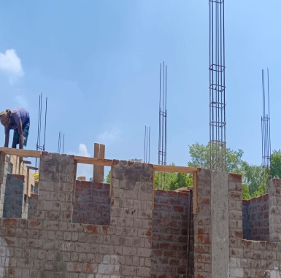 Roof slab form work is in progress.
7 | Krishnagiri | GOVT GIRLS HSS, DENKANIKOTTAI | 2 | 17.68 | 17.68 | 05/07/2023 | 19.07.2023 | 18.10.2023 | 42% | 40% | 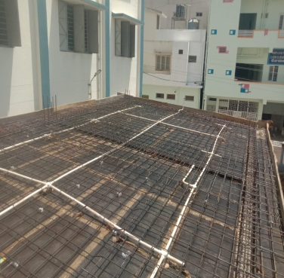 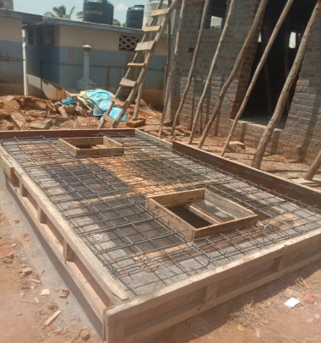 Roof slab & Septic tank Form and fabrication work is in progress.
8 | Krishnagiri | GGHSS Hosur | 2 | 17.68 | 17.68 | 27/07/2023 | 07.08.2023 | 06.11.2023 | 60% | 45% | Outer plastering work is in progress.
9 | Namakkal | GHSS, Kokkarayanpettai (Renovation work) |  | 12.50 | 12.5 | 17/08/2023 | 27.09.2023 | 26.12.2023 | 1% | Bill not paid | 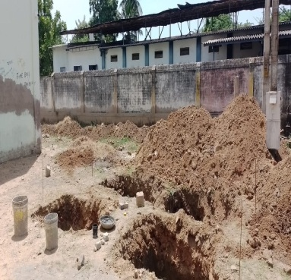 Footing PCC work is in progress.
10 | Dharmapuri | GHSS Elagiri | 2 | 17.68 | 17.64 | 04/09/2023 | 29.09.2023 | 28.12.2023 | 2% | Bill not paid | 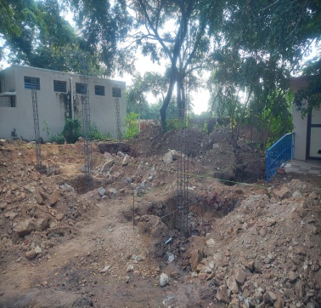 Footing form work & Fabrication work are in progress.
11 | Salem | GHSS Alagappampalayam Pudur | 2 | 17.68 | 17.68 | 01/09/2023 | 27.09.2023 | 26.12.2023 | 5% | Bill not paid | 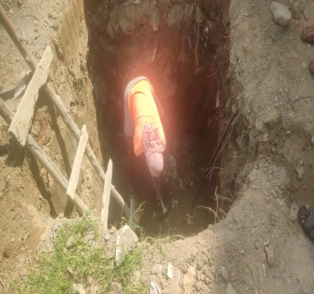 Earth work excavation under progress.
12 | Villupuram | GHSS Koliyanur | 2 | 17.68 | 17.68 | 01/09/2023 | __ | __ | __ | __ | Work order issued on 13.09.2023. Agreement to be executed. Tree uprooting work is in progress.
13 | Villupuram | GHSS Sithalingamadam | 2 | 17.68 | 17.68 | 01/09/2023 | 29.09.2023 | 28.12.2023 |  |  | Preliminary work is in progress.
14 | Kallakurichi | GHSS Manalurpet | 3 | 26.52 |  | 18/10/2023 | __ | __ | __ | __ | Tender fixed on 18.10.2023
15 | Krishnagiri | GGHSS Veppanapalli | 3 | 26.52 | 26.52 | 20/09/2023 | 04/10/2023 | 03/01/2024 | __ | __ | Work order issued on 03.10.2023. Agreement to be executed. Preliminary work is in progress.
16 | Vellore | GGHSS Latheri | 3 | 26.52 |  | 20/09/2023 | 04/10/2023 | 03/01/2024 | __ | __ | Work order issued on 03.10.2023. Agreement to be executed. Preliminary work is in progress.
17 | Thiruvannamalai | GHSS, Rajanthangal (Kilpennathur) | 1 | 11.14 | 11.14 | 30/09/2023 | 04/10/2023 | 03/01/2024 | __ | __ | Work order issued on 03.10.2023. Agreement to be executed. Preliminary work is in progress.
18 | Thiruvannamalai | GHSS, Nallavanpalayam (Renovation work) |  | 11.26 | 11.26 | 30/09/2023 | 04/10/2023 | 03/01/2024 | __ | __ | Work order issued on 03.10.2023. Agreement to be executed. Preliminary work is in progress.

