Sheet1
VERIFICATION OF STEPHEN'S LAW
NAME | Bibek Kumar Singh
USN | 1BY25CS072
DATE |  | 2026-11-05
CLASS | CSE 05

V | I | P=VI | R=V/I | log(P) | log(R)
2.02 | 0.7 | 1.414 | 2.8857142857 | 0.15044940946 | 0.46025332943
2.53 | 0.65 | 1.6445 | 3.8923076923 | 0.21603387782 | 0.59020716453
3 | 0.6 | 1.8 | 5 | 0.2552725051 | 0.69897000434
3.51 | 0.55 | 1.9305 | 6.3818181818 | 0.28566980596 | 0.80494442697
4 | 0.5 | 2 | 8 | 0.30102999566 | 0.90308998699
4.5 | 0.45 | 2.025 | 10 | 0.30642502755 | 1
5 | 0.4 | 2 | 12.5 | 0.30102999566 | 1.096910013
VERIFICATION OF STEFEN'S LAW

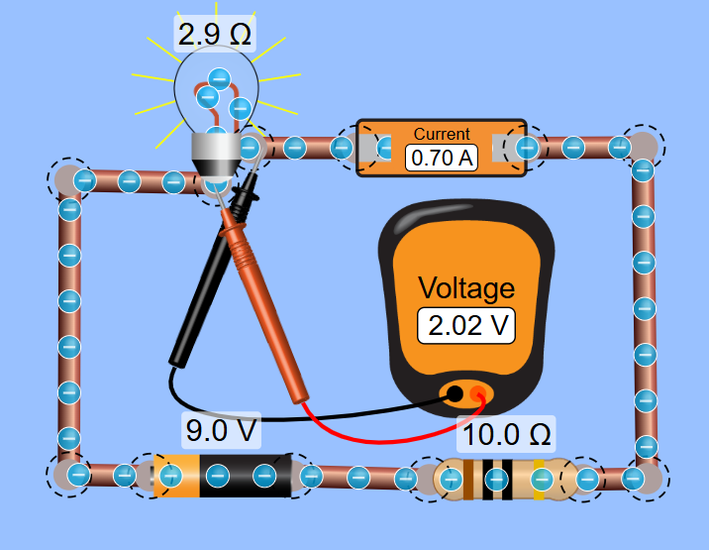

RESULT:
The value we got 3.611 which is nearly equal to 4,
Hence Stefen's Law verified

