Summary
Category | Count
Passed | 1
Failed | 1
Skipped | 0
Total | 7
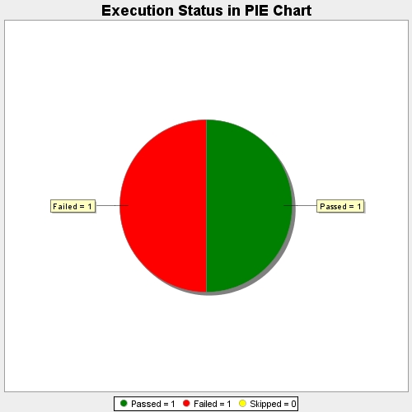
Start Time | 2020-04-04T17:12:27Z
End Time | 2020-04-04T17:13:18Z
Duration | 51415 ms

