Summary
Category | Count
Passed | 1
Failed | 2
Skipped | 0
Total | 3
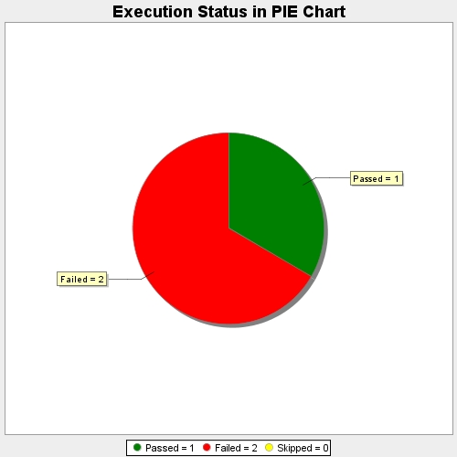
Start Time | 2020-05-24T12:18:09Z
End Time | 2020-05-24T12:19:36Z
Duration | 86089 ms

