Sheet2
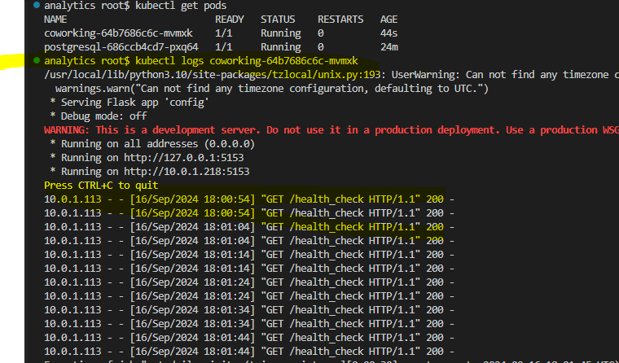
 | Review:
1 | Codebuild -githook

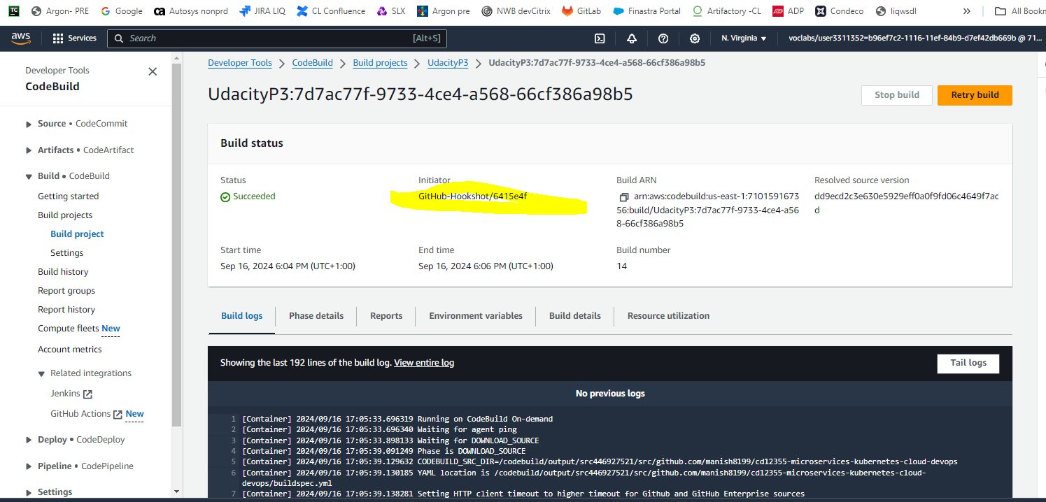

2 | kubectl get pods

 | kubectl logs <>

Screenshots
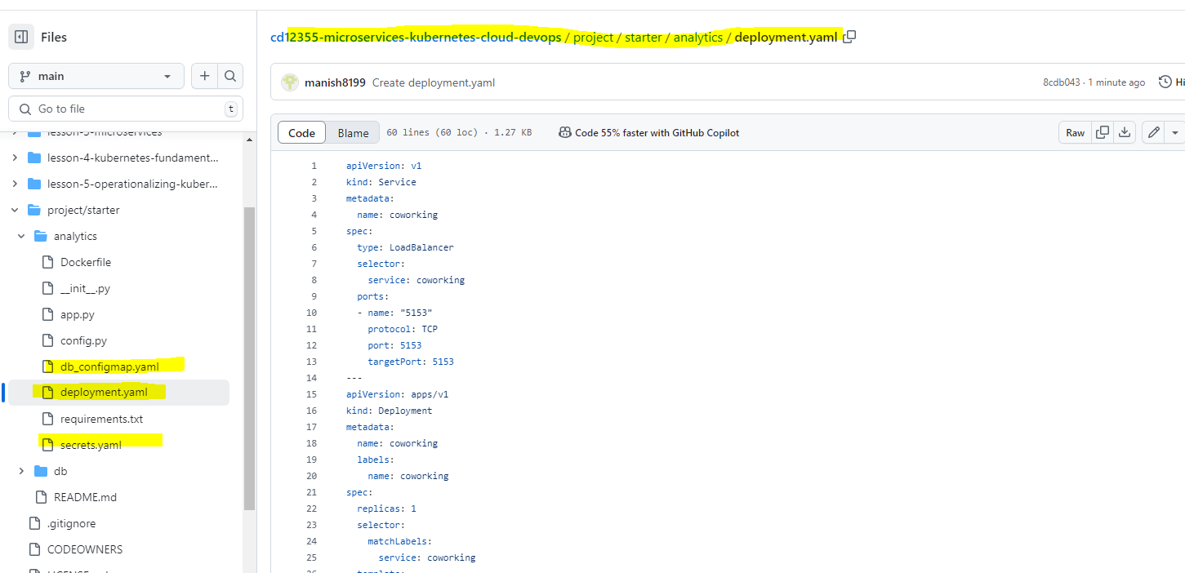
Note: | Dockerfile

1 | AWS Codebuild:
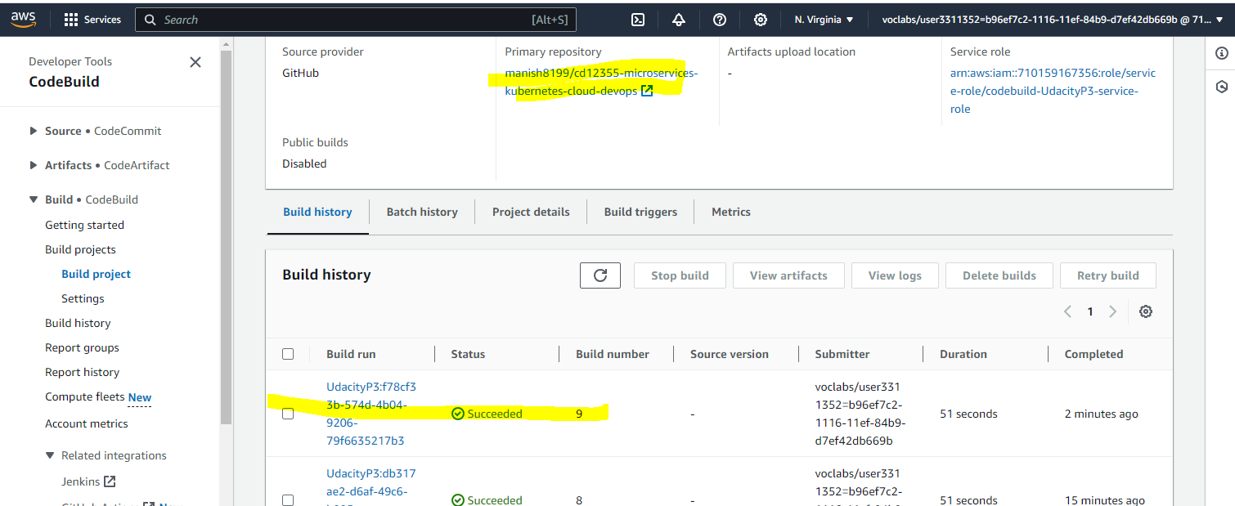

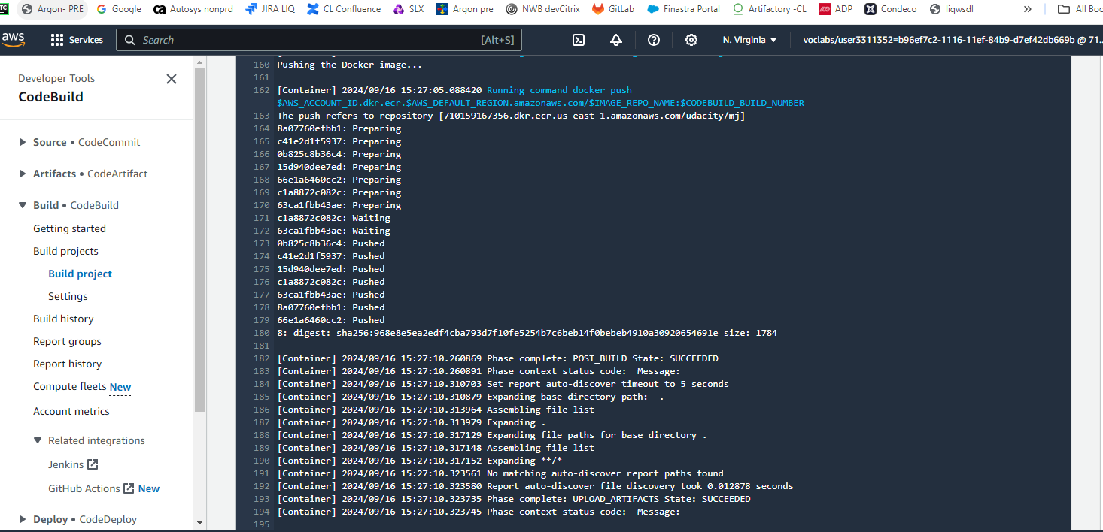

2 | ECR
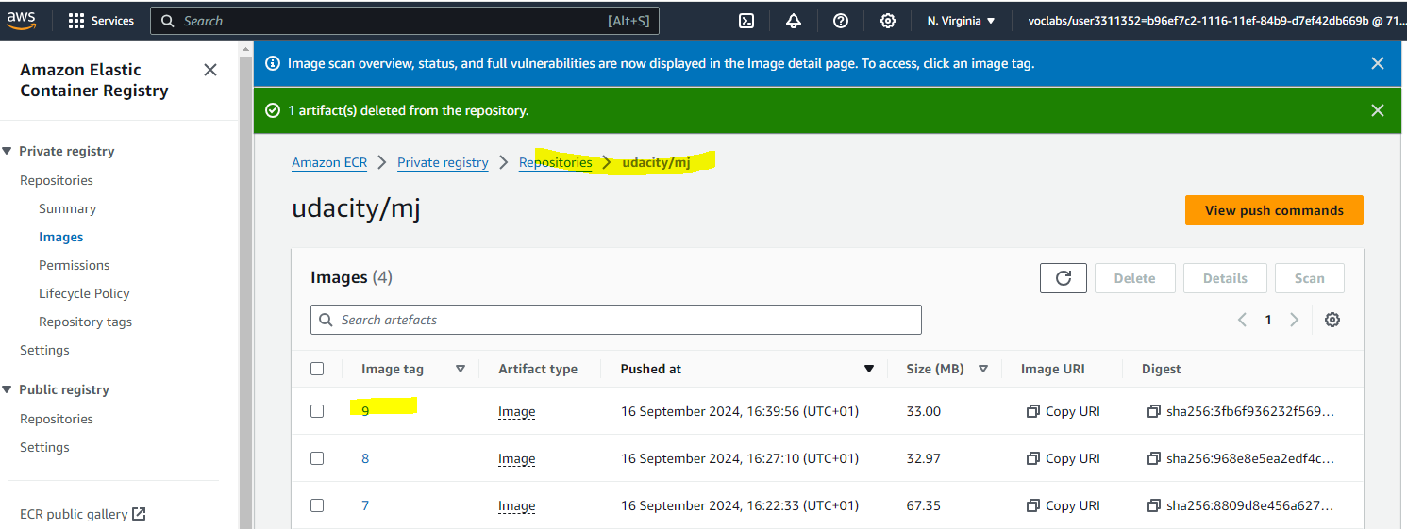

 | ECR

3 | kubectl get svc

4 | kubectl get pods

5 | kubectl describe svc postgresql-service
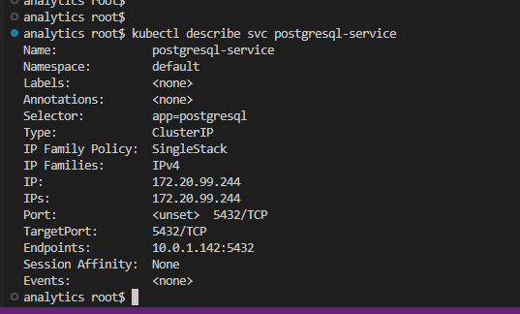

6 | kubectl describe deployment postgresql
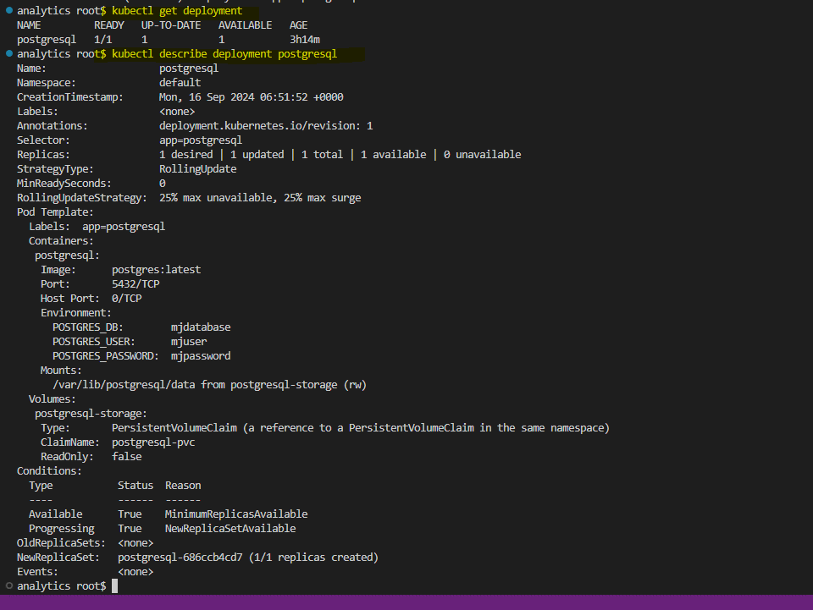

7 | Cloudwatch logs

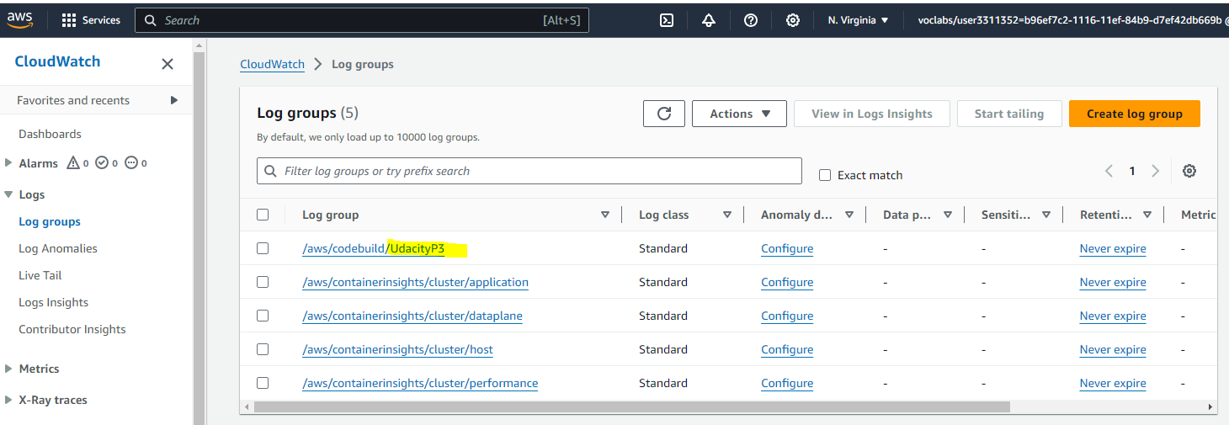

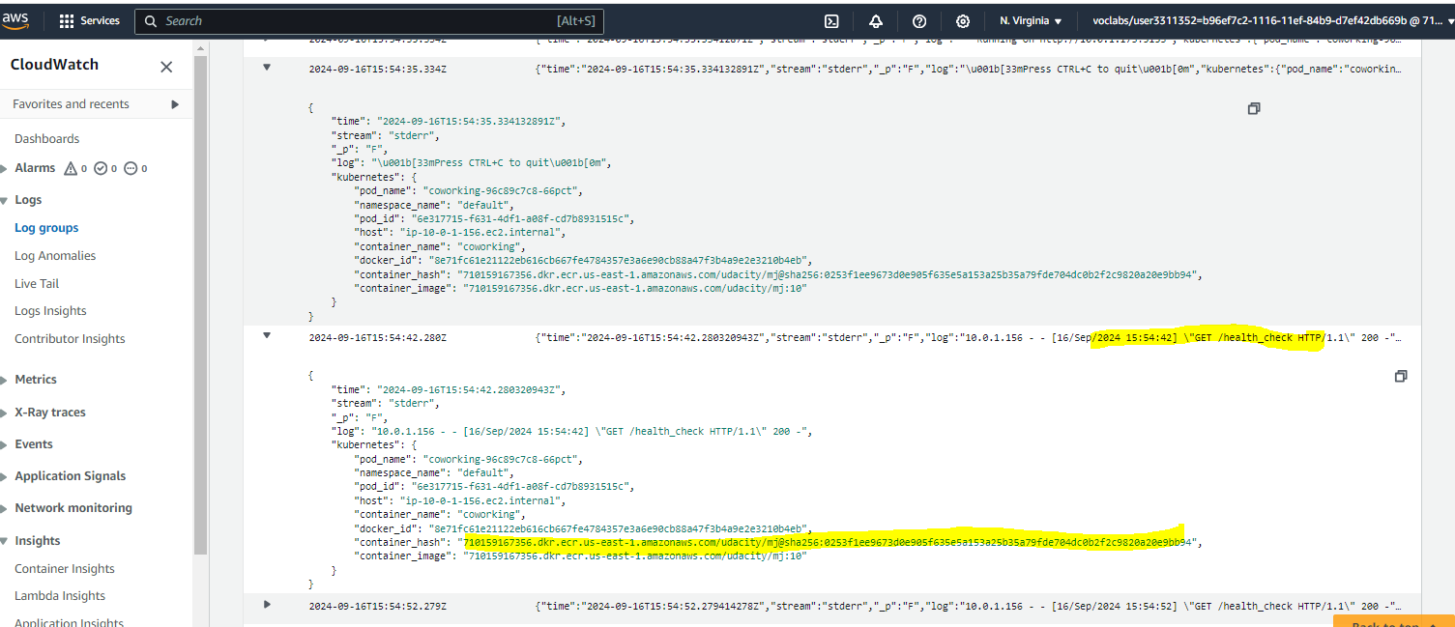

8 | DockerFile - Repo path | project/starter/analytics/Dockerfile

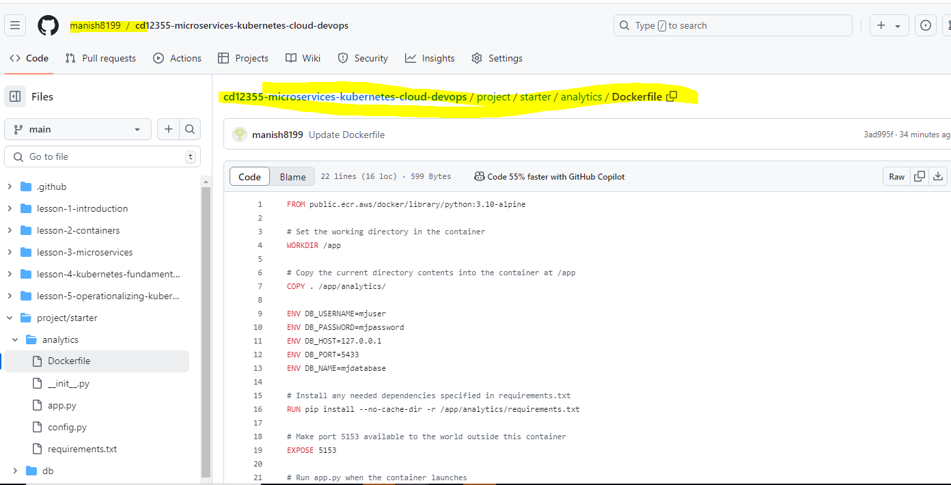

9 | Buildspec.yml | buildspec.yml

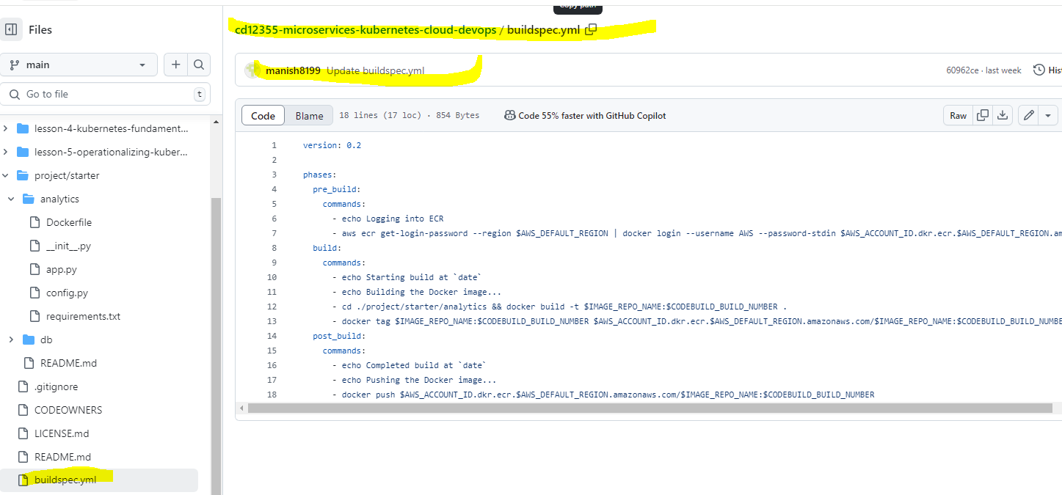

10 | deployment.yaml
 | Repo path: | project/starter/analytics/deployment.yaml

