Sheet1
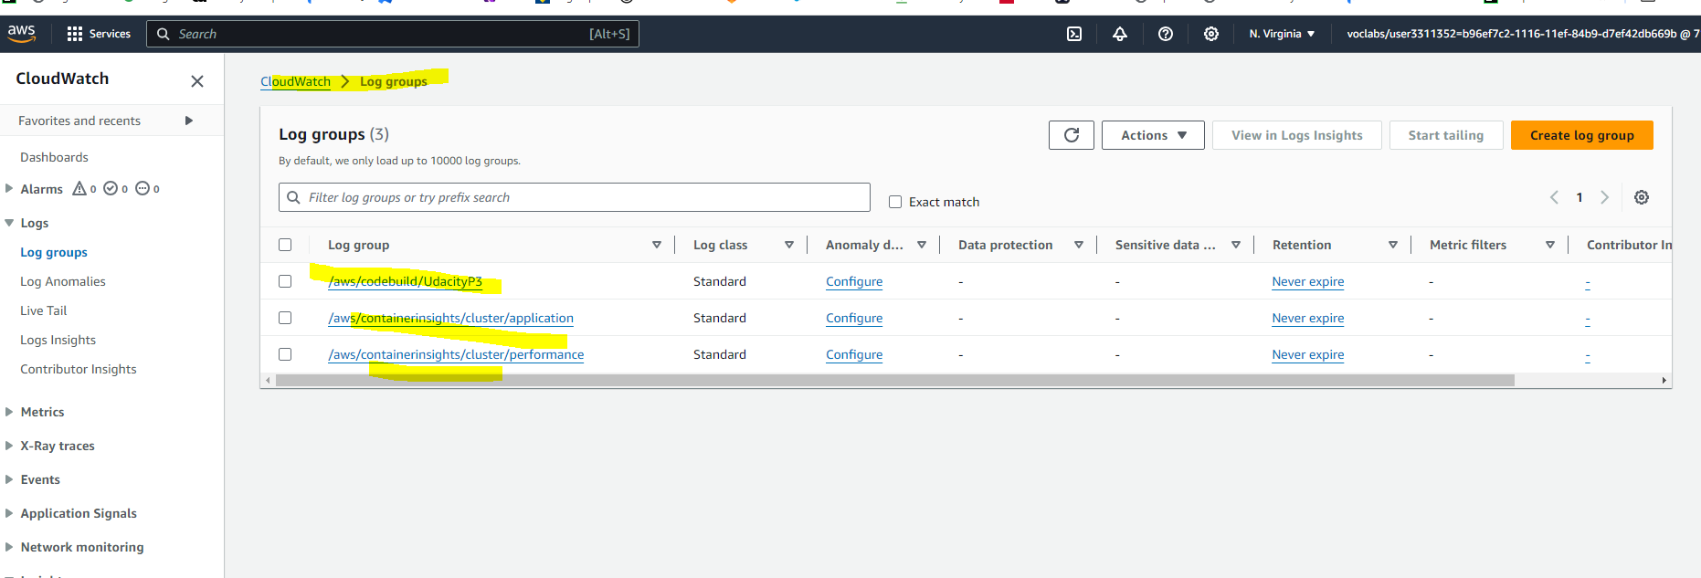
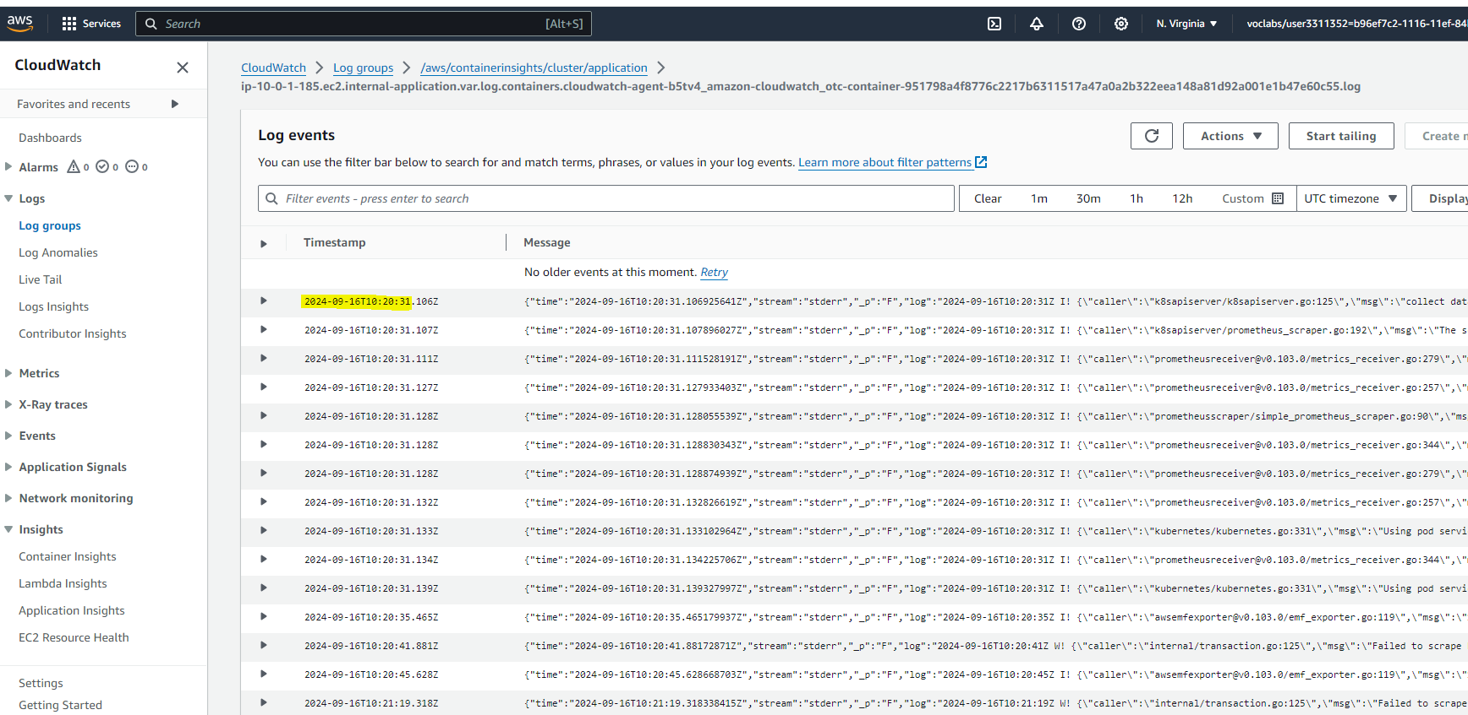
AWS Codebuild:

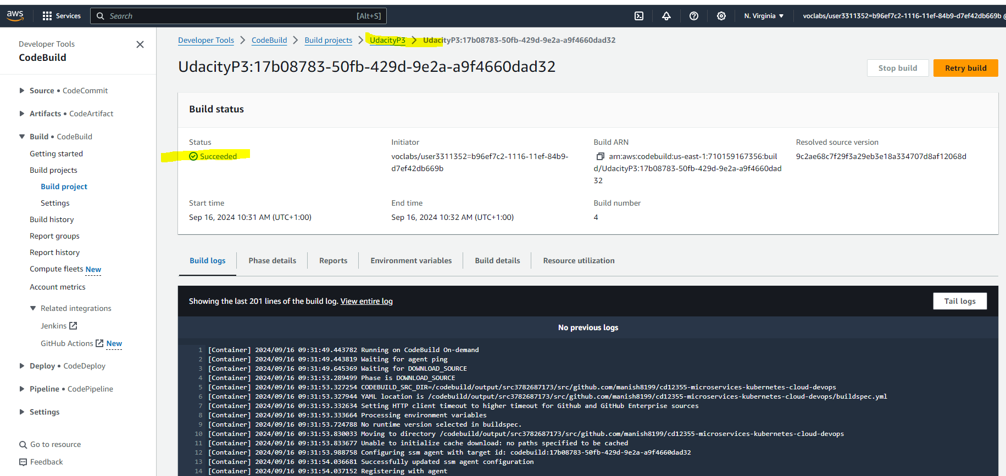

ECR

kubectl get svc

kubectl get pods

kubectl describe svc postgresql-service
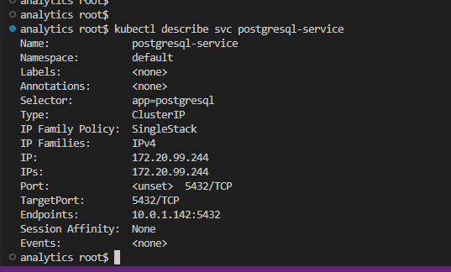

kubectl describe deployment postgresql
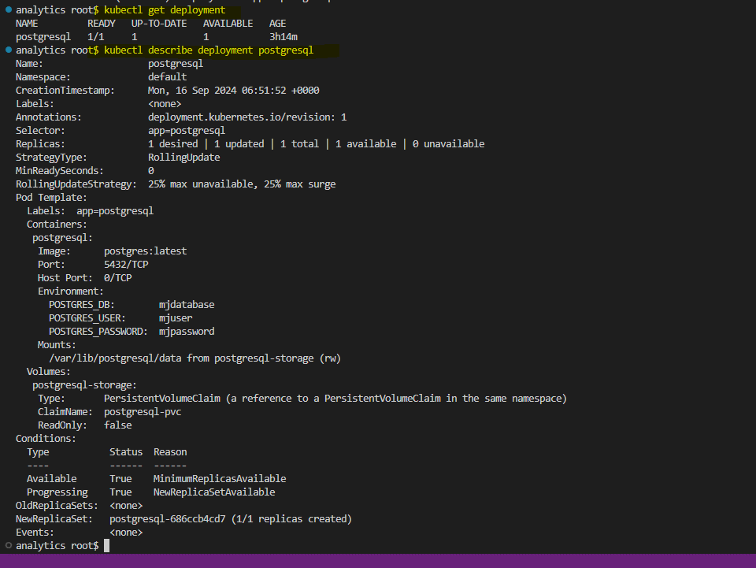

Cloudwatch logs

